Index
Training on Advanced Excel
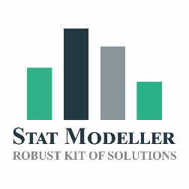
Sepcially designed for | CA,CS,CFA,FRM,CAIA,CIPM,CCRA,AIM,CIIB,CIRA

Delivered by | Hiren Kakkad | CEO & Founder | Stat Modeller

Contact: | contact@statmodeller.com
 | www.statmodeller.com
WhatsApp: | 9898233268

Data Validation

1 | Data Validation Rules

