Guide
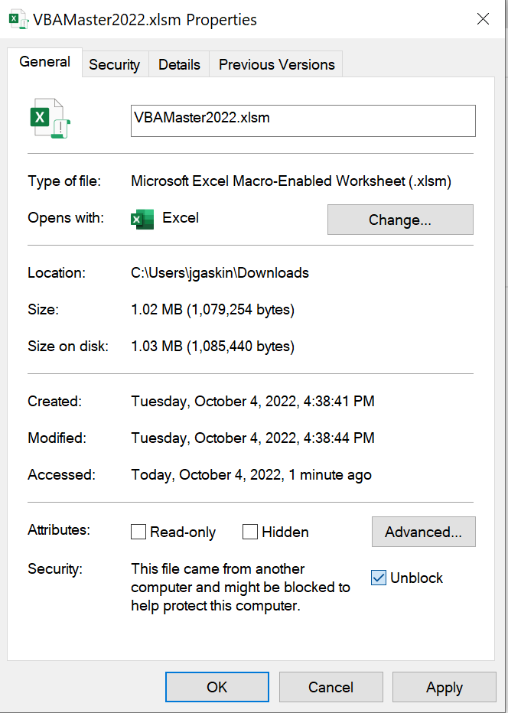
I was one of your IS201 students and it has helped me more than I had ever imagined. Right now I am doing a summer internship with Crayola and the only reason I got the job was because I was able to put on my resume that I know VBA, PivotTables, etc. I am in a Finance position here, but I have used VBA EVERY SINGLE DAY. My first project was to build a macro that went into a folder and then sequentially opened up 19 different Excel files and grabbed all their info and put them in one place. On day 3 of my internship in a meeting with my team and the Director of Finance at Crayola they were trying to figure out how to have one place to go to open many different things. They hit a roadblock along the way where someone was going to have to manually create PowerPoints based on Excel files. I did a quick google search, played with a few things and found a way to automate it. This ended up with me presenting to all of these guys and showing how it could work...on day 3. Pretty awesome experience. More recently I have been working on a macro that goes into our online database, logs in the user (after prompting them for Username and Password), opens up a specific report in the dashboard, clicks a button, opens up a list and clicks another button that downloads the report. Running the Internet from Excel, who would have thought?? Now all my teammates and boss joke that they will be working for me one day.
VBA To Do (troubleshoot throughout) | Ideal plan
What is VBA? | Day 1
Why would I use VBA, and why are we learning it?
Student Testimonials? (click on box to the right-->)
How cool is VBA? (show sudoku solver in puzzle tab)
Job opportunities with VBA skill
How to get developer tab (customize ribbon, check developer)
Macros
Relative references
Buttons and assigning macros
You create a Macro with a button
VBA Environment
Basics of VBA (subs, variables)
debug.print
You create a sub and a variable and then print it out
Assigning values to ranges
Assigning range values to variables
You assign your variable a value from a range, and then assign a different range the value of that variable
Save As macro-enabled
Close this file, right click the file, go to properties, then check this box. Then reopen the file.
Flowchart conversion to VBA (compound interest) | Day 2
OOO (you try)
Navigation (offset, sheet, activecell, cells, current region, end, select)
Cat (if)
Beefnut (you try - if)
HARD CODING vs dynamic coding
Engineering (nested ifs)
Bacon (you try - nested ifs) - practice later
Complex nested ifs (grade number to letter) - practice later
Betelgeuse (you try - complex nested ifs)
Message Boxes and Input Boxes, vbyesno
Convert Beefnut to Input and Message boxes (you try)
cells(row,col)
copy and paste
Do Loop | Day 3
Counters and incremental math in loops (counter = counter + 1)
Breaking out of infinite loops (save often!), DoEvents, CTRL+Pause
Exit loops (exit do) and Exit Sub
Beefnut Loop (you try)
Guessing Game (you try)
Beep!
math.method
Worksheet functions (worksheetfunction.method)
Nested loops (Game Loops)
Batch | Day 4
Batch Practice (you try)
String Manipulations together
String Manipulations (you try) StringMeUp
Discuss VBA Project
iZombie

EXTRA (we won't get this far, but you can explore this on myeducator)
Do until, do while, for, for each
Select Case
Functions
Parameter passing
automated web query
Forms | <--Not on myeducator, but easy to google

InputProcessingOutput
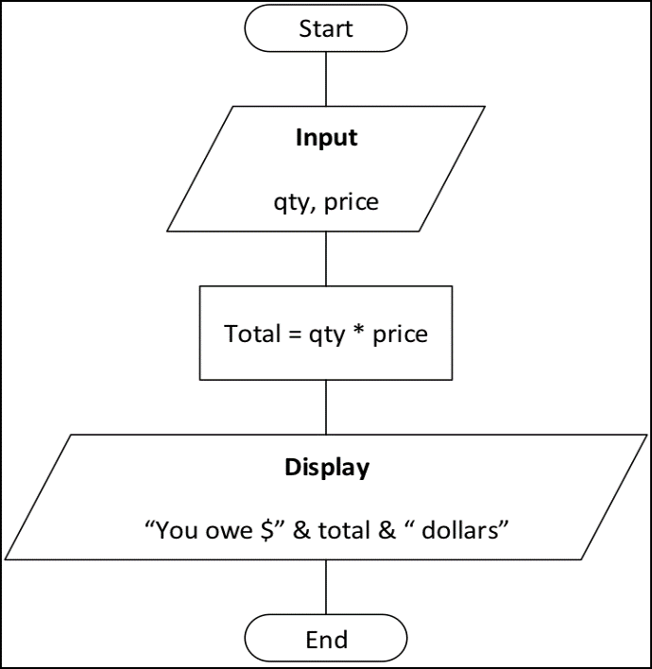

qty | 5
price | 6 | Sub InputProcessingOutput()
total: | $30.00 | 'Step 1: Input
 |  | '1a: Declare the variables needed to store the inputs
 |  | Dim qty As Integer, price As Integer
 |  | '1b: Store the inputs into those variables
 |  | qty = 5 'Change to Range("B3").value
 |  | price = 2 'Change to Range("B4").value

 |  | 'Step 2: Processing
 |  | '2a: Declare any variables needed for processing
 |  | Dim total As Integer
 |  | '2b: Perform the processing
 |  | total = qty * price

 |  | 'Step 3: Output: return the results
 |  | MsgBox ("You owe $" & total & " dollars")
 |  | End Sub

Compound Interest
Compute Balance
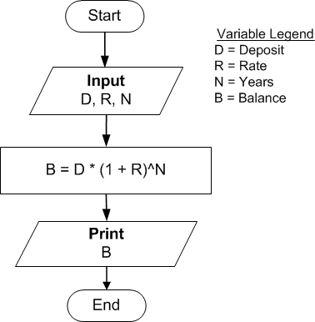
Deposit | 40000
Rate | 0.075
Years | 35
Balance | $502,754.87

Cat
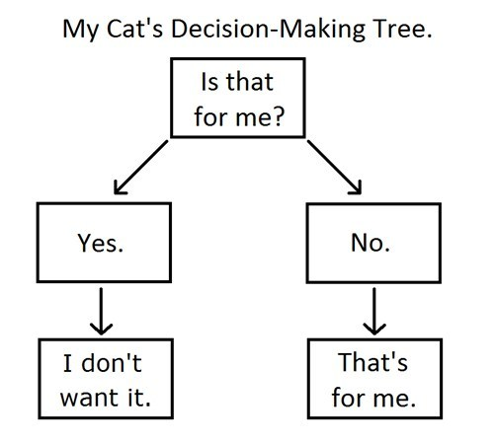

Beefnut
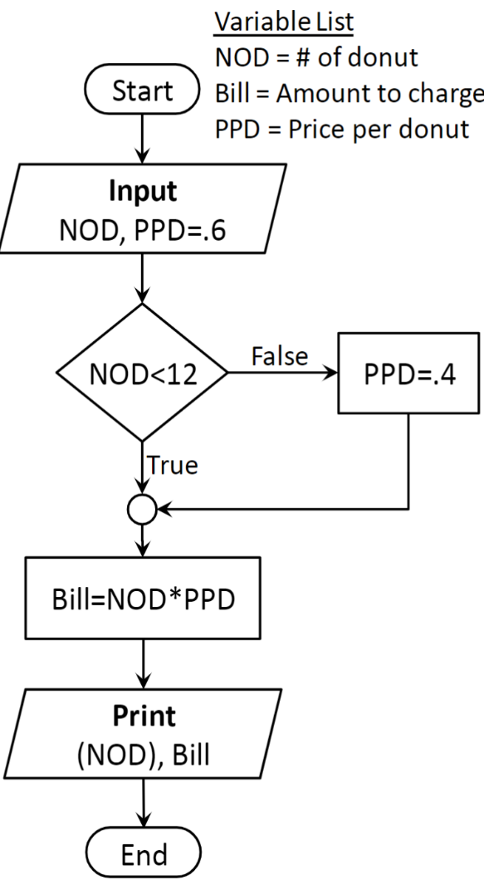

Engineering
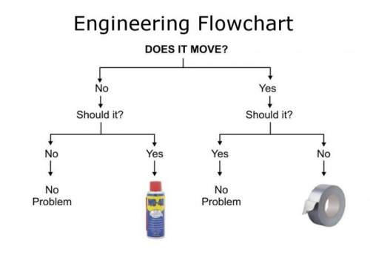

Bacon
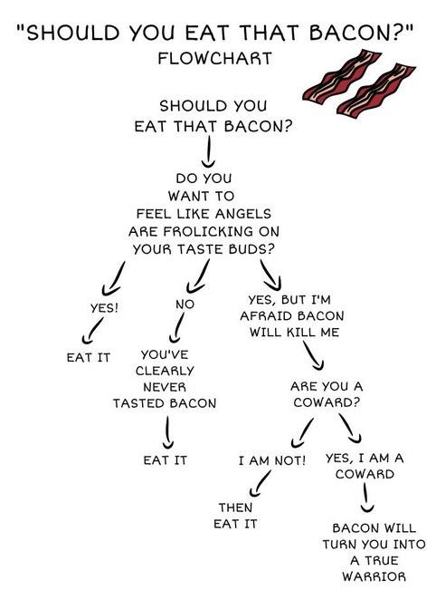

Betelgeuse
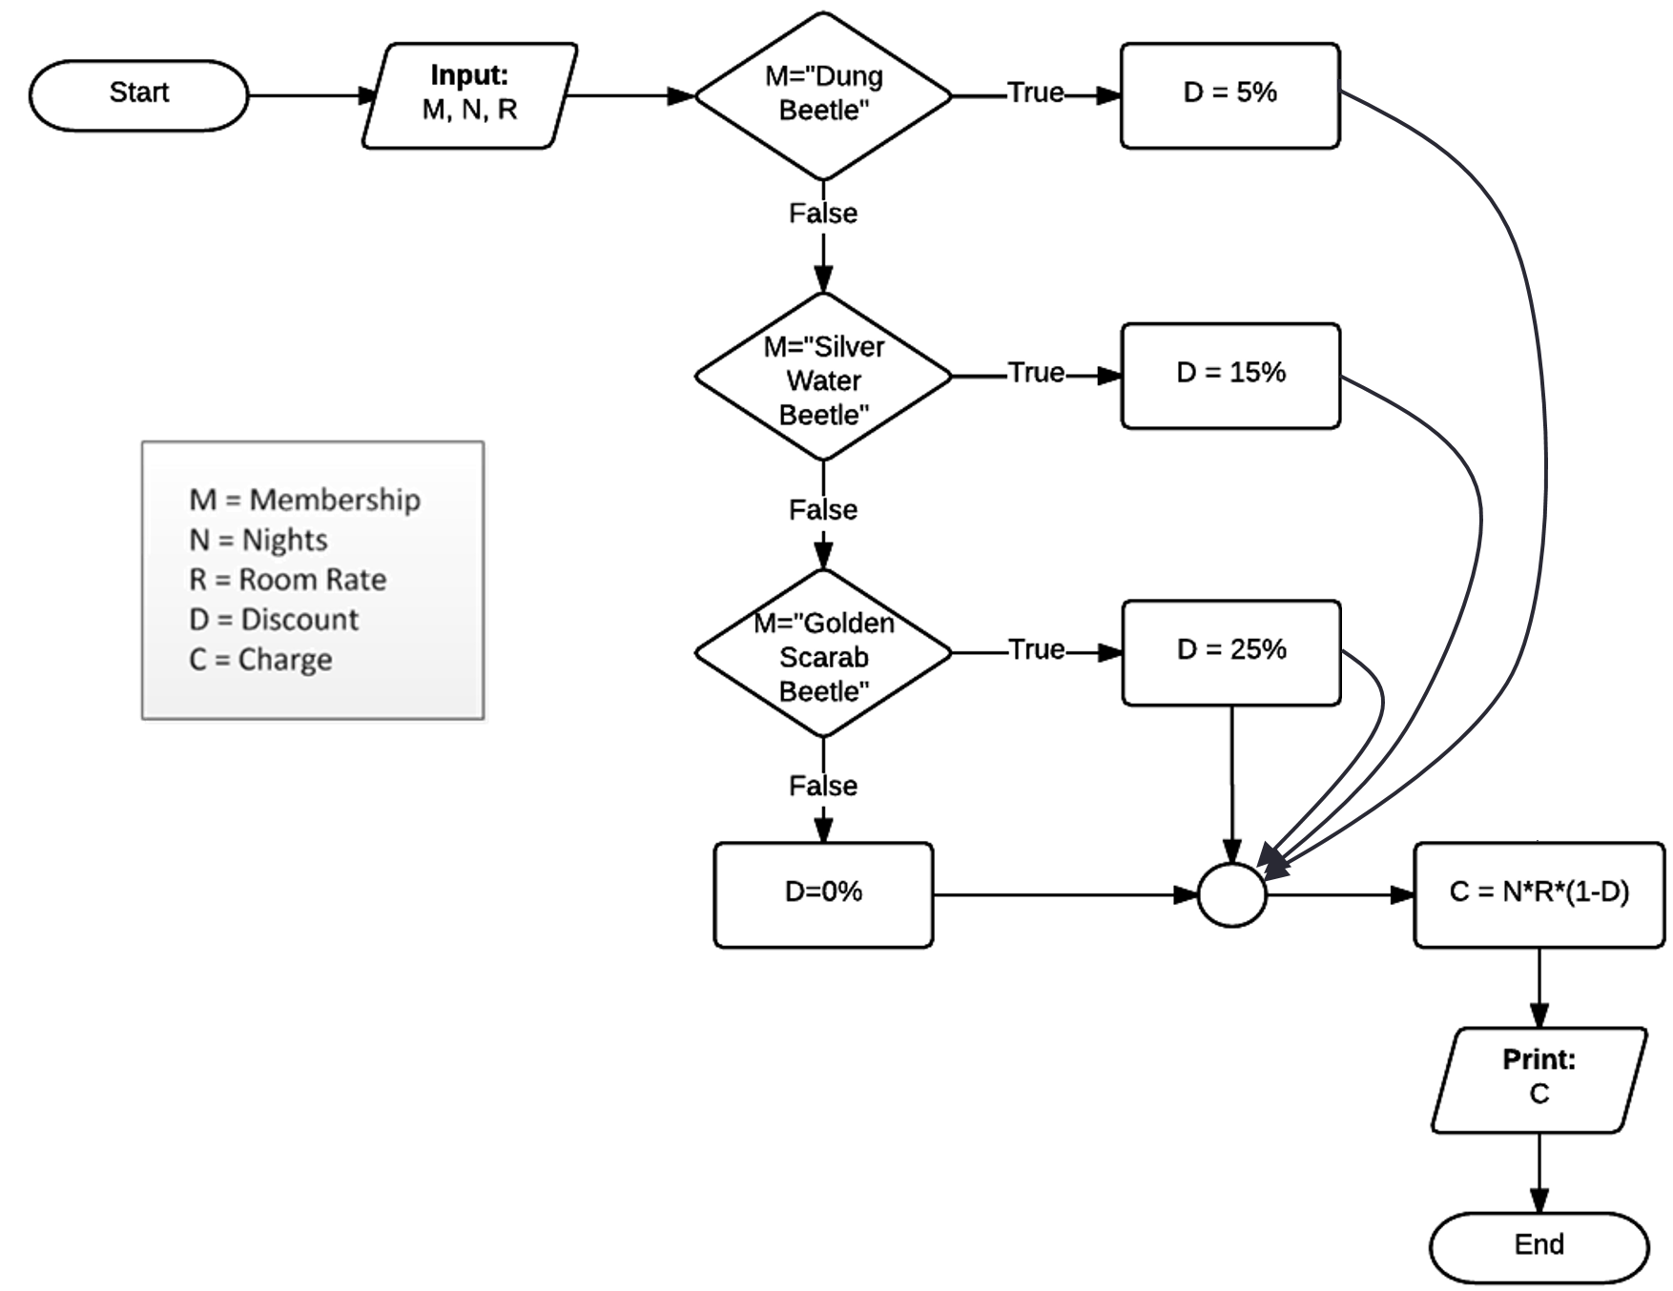

Beefnut Loop
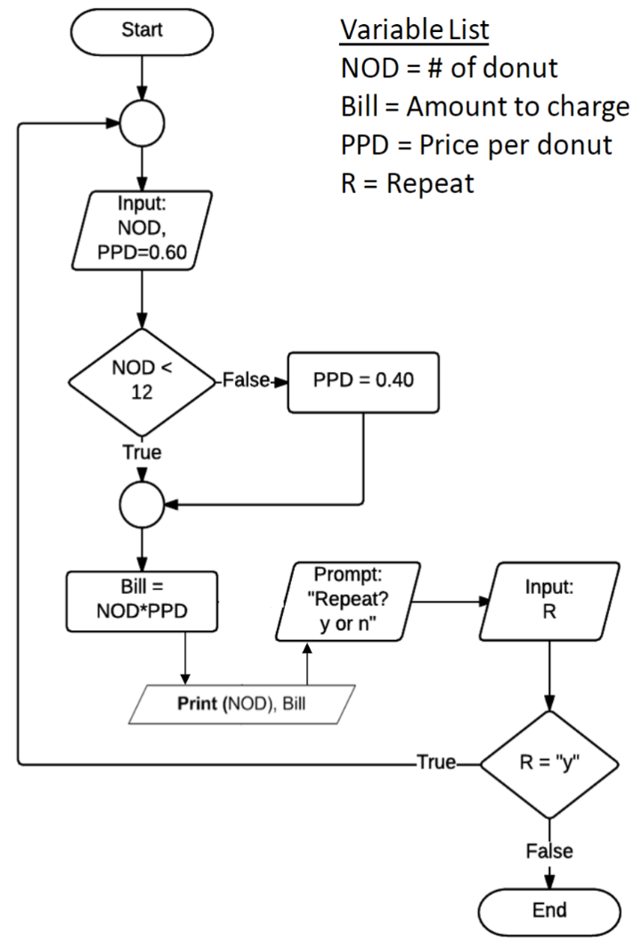

Guessing Game
PLAY
I'm thinking of a number between 1 and 10

StringMeUp
Name | Len | left | right | count | ucase | lcase | replace | concat
Alder, Preston Steven | 21 | Alder | teven | 21 | ALDER, PRESTON STEVEN | alder, preston steven | Preston.Steven | Alder's sirname has 5 characters.
Anderson, Parker Douglas
Andrianavalona, Ny Railovy |  |  |  |  | james(dot)gaskin(at)byu(dot)edu
Anievas, Nelson Marcial
Armstrong, Christopher Joseph
Astle, Branden Carl
For each name in the name column, use VBA to print out the length, the left 5 characters, the right 5 characters, the number of characters, an uppercase view, a lowercase view, replaced view, and a concatenated sentence. The first name is done for you.
Badger, Elizabeth Anne
Banks, Eric Osborn
Bartholomew, Nathan Ronald
Bench, John Rees
Beutler, Jackson James
Beutler, Trevor James
Bjorling, Christopher Michael
Braun, Steven James
Brimhall, Joshua Ernest
Brooks, Jonathan Moore
Brown, Parker Brent
Burnham, Sean David
Butler, Gary Daniel
Camit, Daniel A
Casey, Tyler Alan
Christensen, Frederik Bak
Christensen, Matthew Lewis
Christensen, Michael Joseph
Christie, Yukiharu shane kyle
Clark, Skyler Zachary
Colton, Thomas James
Conway, Colter Austin
Corbitt, Christina
Councill, Adelynn Birdie
Coyne, Liesl Rebekah
Cross, Mitchell Stevenson
Daley, Adam Craig
Davidson, Jorgen Charles
Dickey, Jordyn Alan
Doss, Alexander Michael
Doxey, Rick J
Dugger, James Conrad
Dygert, Courtney C
Edwards, Travis David
Eyre, Tyler Bruce
Faber, Lauren Nicole
Farnsworth, Parker Graham
Farnsworth, Todd Wesley
Fauver, Jonathan Andrew
Finnegan, Spencer Wayne
Firmage, Sean David
Fitzgerald, Matthew Kent
Fogleman, Ashley Rose
Fraser, Jeremy Byron
Galeria, Craig Isamu
Gallacher, Daniel Aaron
Garrett, Adam
Garrow, Peter Colin
Gilmore, Rachael Marilyn
Gray, Scott James
Hahn, Joon Yong
Hales, David Cornell
Halpin, Alina
Hanks, Trevor Austin
Harper, Greg Erin
Hart, Chad William
Hasleton, Jared Michael
Healy, Kathryn Fusae
Henry, Janessa Marie
Hesterly, Ian William
Hilton, Michael Robert
Hokanson, Jonathan Jared
House, Conner Warrick
Howard, Taylor Cade
Hsieh, Karim
Huntington, Brett Richard
Isom, Andrew Alaka'i
Jacobson, Oren Hunter
Jacome Mazon, Robert Jhonathan
Johnson, Jade Ruth
Karzen, Kayle Dakota
Kidman, Matthew Blaine
King, Michael David
Klumker, Jacob Lewis
Kunz, Stephen Michael
Larson, Reese Vernon
Larson, Tanner Maurice
Lee, Yaejin
Lee, Madeline
Lyman, Melissa Anne
Madsen, Jeffrey Coleman
Manuel, Kassidy
Marco, Samuel Thomas
Martin, Jared Hugh
Matheny, Colton James Joseph
Maxwell, Maurice Marcel
McBride, Savannah Page
McGill, Madelene Darby
Menlove, Angela Jessie
Morales, Emily Suzanne
Murray, Ashton Thomas
Nalder, Byron Rockwell
Nelson, Cheyanna Lin
Neu, Johnathan Alexander
Nickolaisen, Seth
Nordhagen, Amanda Anne
Norwood, Christopher Michael
Olsen, Alfredo
Pace, Stuart John
Pehrson, Tyler Sanders
Perkins, Amy Sue
Peterson, Jacob Neil
Plessinger, Candice Pearl
Pratt, Alex Wilcken
Pritchett, Zachary Chase
Rameson, Matthew Richard
Rapanoelintsoa, Nirina Haja
Roberts, Thomas
Russell, Chase William
Savage, Leah Rachel
Shippen, Eliza Neona
Smart, Jacob Grant
Smith, Madsen Lela
Srour, Zaid saad
Stewart, Enoch Elam
Tanner, Joshua Aaron
Taylor, Christian Vaughn
Teusch, Elizabeth Marie
Thomas, Jeffrey Payne
Thomas, Kristyn Rachelle
Todd, Jeffrey David
Toone, Carlee Rose
Trejo, Reina
Tripp, Anthony James
Turk, Kelby Bruce
Vance, Katherine Anne
Vu, Dat Ba
Walters, Alex Nathaniel
Wardle, Braxton Creel
Ware, Ryan
Weatherford, Joseph Lawrence
Whipple, Kaitlyn Davis
White, Shayla Christine
Whiting, Mitchell Wade
Whitney, Thomas Benjamin
Whitworth, Spencer Allan
Wilcox, David
Wilkinson, Jared Raynor
Wiser, Andrew William
Wiser, Tyler l
Wright, David Cannon
Wyatt, Kalli
Wyatt, Matthew Alexander
Yates, Casey Glen
Yoon, Wooseob

iZombie
Create your own Sub that determines whether you are a zombie

 | EASY | Use a variable or two with a single condition (if, else), then print out to debug.print the outcome.
 |  |  | Outcome
 | MEDIUM | Use multiple variables and conditions to precisely determine whether you are a zombie. Then print out the outcome to the spreadsheet (range E6). | Are you a vegetarian Zombie or a hockey player?

 | HARD | Use input boxes and msgboxes for input and output. Get creative.

 | CODER | Same as hard, but use a loop to ask a series of questions. Count how many questions it takes to determine with certainty whether you are a zombie

Puzzle
 |  |  | 9 |  |  |  | 5 |  | 14 |  |  | --> Fill in the known values (or copy and paste from Samples sheet)
 | 9 |  |  | 6 |  | 7 |  |  | 22 |  |  | --> Press the button to execute the macro
 |  |  |  |  | 3 | 6 |  | 9 | 18
1 |  | 5 |  |  | 9 |  |  |  | 15
Solve
 |  | 8 | 1 |  | 7 | 5 |  |  | 21
 |  |  | 8 |  |  | 3 |  | 2 | 13
7 |  | 1 | 2 |  |  |  |  |  | 10
 |  | 9 |  | 1 |  |  | 2 |  | 12
 | 3 |  |  |  | 4 |  |  |  | 7

8 | 12 | 23 | 20 | 7 | 23 | 21 | 7 | 11 | 9 | 18 | 27
 |  |  |  |  |  |  |  |  | 14 | 25 | 10
 |  |  |  |  |  |  |  |  | 20 | 7 | 2

MathCrawler
268
 | 7 | 15 | 8 | 15 | 11 | 15 | 10
 | 20 | 12 | 20 | 18 | 20 | 16 | 20
 | 19 | 25 | 16 | 25 | 19 | 25 | 18
 | 30 | 7 | 30 | 6 | 30 | 8 | 30
 | 10 | 10 | 10 | 60 | 10 | 10 | 10
 | 30 | 9 | 30 | 5 | 30 | 7 | 30
 | 14 | 25 | 18 | 25 | 17 | 25 | 15
 | 20 | 16 | 20 | 12 | 20 | 13 | 20
 | 5 | 15 | 8 | 15 | 9 | 15 | 6
Crawl
 |  |  |  |  |  | Tries | 300

 | Sum (in A1) must equal 232
 | Can only move right or down
 | Must start in B2 and end in H10
 | (Stops after 300 tries if unsuccessful)

