Calculation
Desired damping CM&DM = 44dB @ fsw(100kHz)

1. „LC“ = 44dB/Dec
2. Filter corner frequency
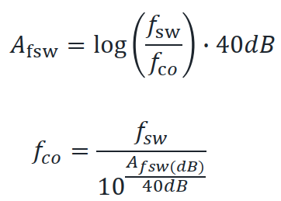

 | FSW = | 100 | Khz

 | AFSW(dB) = | 44 | dB

 | Fco = | 7943.28 | Hz
 | Fco = | 7.94 | Khz

3. Define Y-caps --> 10nF x 2 --> 20nF total Cy

4. Define L_cm for fc = 7.94kHz

 | CYT = | 20 | nF | CY1 = 10nF - CY2 = 10nF

 | LCM = | 0.020072906776 | H
 |  | 20.072906776 | mH | LCM = 36mH chosen

5. 𝐴𝑐𝑡𝑢𝑎𝑙 𝑓𝑐𝑚

 | FCM = | 5931.3545285 | Hz
 | FCM = | 5.93 | Khz

6. Actual Afsw-cm

 | AFSW-CM = | 49.073844663

7. Define Cx

 | Ldm = | 200 | µH | Common Mode Choke leakage Inductance

 | CX = | 2.0072906776E-06 | F
 |  | 2.0072906776 | µF | CX = 2.2µH chosen

8. 𝐴𝑐𝑡𝑢𝑎𝑙 𝑓𝑑𝑚

 | Fdm = | 7587.4142066 | Hz
 | Fdm = | 7.59 | Khz

9. 𝐴𝑐𝑡𝑢𝑎𝑙 A𝑑𝑚

 | AFSW-CM = | 44.796248264

