Dataset_v1.0
Version | Batch | Paper ID | Source | Rxn ID | Squarate SMILES | Amine SMILES | Solvent | Temp (C) | Time (h) | Additive | Product SMILES | Yield (%) | QC Notes | Squarate Structure | Amine Structure | Product Structure
v1.0 | batch_001 | paper_1 | SynOpen 2023 - Long et al. | P1-R001 | O=C1C(OCC)=C(OCC)C1=O | NCC1=CC=CC=C1 | MeOH | 25 | 1 | None | O=C1C(OCC)=C(NCC2=CC=CC=C2)C1=O | 33 | OK | 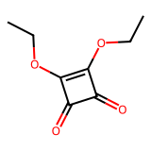 | 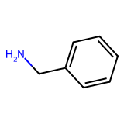 | 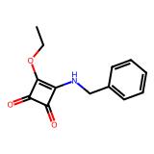
v1.0 | batch_001 | paper_1 | SynOpen 2023 - Long et al. | P1-R002 | O=C1C(OCC)=C(OCC)C1=O | NC1=CC=CC=C1 | EtOH | 25 | 4 | Zn(OTf)₂ (13 mol%) | O=C1C(OCC)=C(NC2=CC=CC=C2)C1=O | 37 | OK |  | 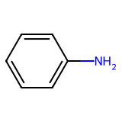 | 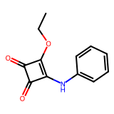
v1.0 | batch_001 | paper_1 | SynOpen 2023 - Long et al. | P1-R003 | O=C1C(OCC)=C(OCC)C1=O | NC1=CC=C(F)C=C1 | EtOH | 25 | 12 | Zn(OTf)₂ (20 mol%) | O=C1C(OCC)=C(NC2=CC=C(F)C=C2)C1=O | 75 | OK |  | 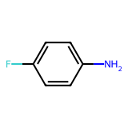 | 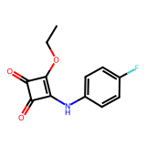
v1.0 | batch_001 | paper_1 | SynOpen 2023 - Long et al. | P1-R004 | O=C1C(OCC)=C(OCC)C1=O | NC1=CC=CC(Cl)=C1 | EtOH | 25 | 14 | Zn(OTf)₂ (10 mol%) | O=C1C(OCC)=C(NC2=CC(Cl)=CC=C2)C1=O | 26 | OK |  | 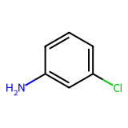 | 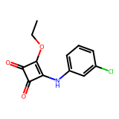
v1.0 | batch_001 | paper_1 | SynOpen 2023 - Long et al. | P1-R005 | O=C1C(OCC)=C(OCC)C1=O | NC1=CC=C(Cl)C=C1 | EtOH | 25 | 4 | Zn(OTf)₂ (10 mol%) | O=C1C(OCC)=C(NC2=CC=C(Cl)C=C2)C1=O | 60 | OK |  | 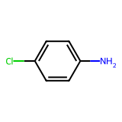 | 