Pin Mapping Crawler
 |  |  |  |  |  |  |  |  |  |  |  |  | Channel 8 | Channel 7 | Channel 6 | Channel 5 | Channel 4 | Channel 3 | Channel 2 | Channel 1 |  | PPM OUTPUT 1 | PPM OUTPUT 2 | PPM OUTPUT 3 | PPM OUTPUT 4 | PPM OUTPUT 5

 |  |  |  |  |  |  | F13 | T15 | T13 | T12 | T11 | GND | R11 | R10 | P9 | N11 | K16 | L15 | P16 | N16 | GND | P14 | N14 | L13 | K15 | J14
 |  |  |  |  |  |  | T9 | R9 | T14 | R13 | R12 | 5V | T10 | P11 | N12 | N9 | L16 | R16 | P15 | R14 | 3V | N15 | L14 | M10 | J16 | J13
 |  |  |  |  |  |  |  |  |  |  |  |  |  |  |  |  |  |  |  |  |  |  |  |  |  | PPM OUTPUT 6
 | 26pin connector
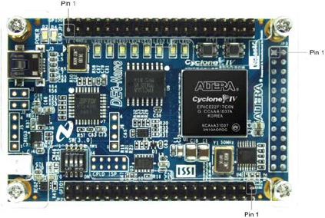
Pin name | Pin IO |  |  | Pin IO | Pin name
 |  | GND | 25 | Sensor1 | Analog_In1 | DE0 26 pin Ribbon cable
Analog_In0 | Sensor0 | 24 | 23 | Sensor4 | Analog_In4
Analog_In2 | Sensor2 | 22 | 21 | Sensor3 | Analog_In3
Analog_In7 | unused | 20 | 19 | Sensor6 | Analog_In6
Analog_In5 | Sensor5 | 18 | G15
 |  | G16 | F14
 |  | F16 | F15
 |  | D14 | D15
 |  | D16 | C15
 |  | C16 | C14
 | RxD | B16 | A14 | TxD
 |  | M16 | E16
 |  | E15 | 3V
 |  |  |  |  |  |  | D12 | A12 | C11 | E11 | C9 | 3V
 |  |  |  |  |  |  | B12 | D11 | B11 | E10 | D9 | GND

