Metrics
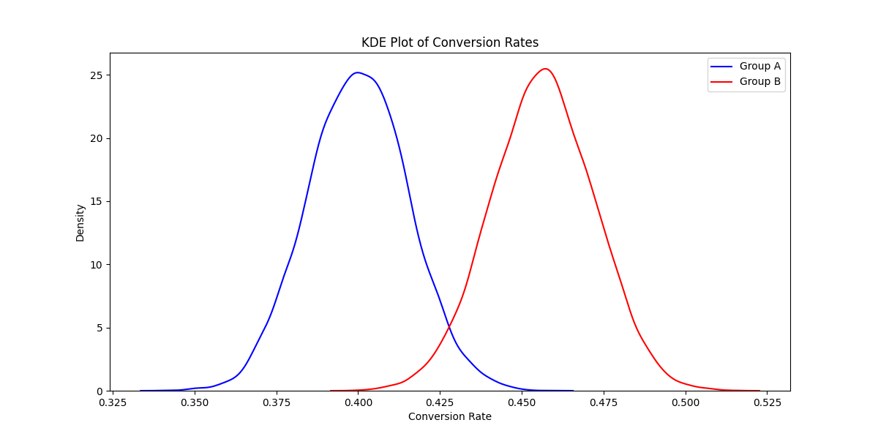
Metrics |  |  |  |  | Retention
 | Group A (Control) |  | Group B (Experimental) |  | Month | Monthly Retention | Quarterly Retention | Annual Retention | Monthly Price | Quarterly Price | Annual Price | Monthly Revenue | Quarterly Revenue | Annual revenue
Total Users | 1000 |  | 1000 |  | 1 | 1 | 1 | 1 | 300 | 500 | 1200 | 300 | 500 | 1200
Users Reached Payment | 831 |  | 859 |  | 2 | 0.9 | 1 | 1 | 300 | 500 | 1200 | 270 | 500 | 1200
Subscribed Users | 400 |  | 456 |  | 3 | 0.81 | 1 | 1 | 300 | 500 | 1200 | 243 | 500 | 1200
Total Revenue | 212700 |  | 236700 |  | 4 | 0.729 | 0.7 | 1 | 300 | 500 | 1200 | 218.7 | 350 | 1200
Conversion Rate (%) | 40 |  | 45.6 |  | 5 | 0.6561 | 0.7 | 1 | 300 | 500 | 1200 | 196.83 | 350 | 1200
 |  | revenue per group A |  | revenue per group B | 6 | 0.59049 | 0.7 | 1 | 300 | 500 | 1200 | 177.147 | 350 | 1200
Subscribed monthly | 241 | 72300 | 163 | 48900 | 7 | 0.531441 | 0.49 | 1 | 300 | 500 | 1200 | 159.4323 | 245 | 1200
Subscribed quarterly | 72 | 36000 | 234 | 117000 | 8 | 0.4782969 | 0.49 | 1 | 300 | 500 | 1200 | 143.48907 | 245 | 1200
Subscribed annually | 87 | 104400 | 59 | 70800 | 9 | 0.43046721 | 0.49 | 1 | 300 | 500 | 1200 | 129.140163 | 245 | 1200
 |  |  |  |  | 10 | 0.387420489 | 0.343 | 1 | 300 | 500 | 1200 | 116.2261467 | 171.5 | 1200
Revenue Per Subscribed User | 531.75 |  | 519.0789474 |  | 11 | 0.34867844 | 0.343 | 1 | 300 | 500 | 1200 | 104.603532 | 171.5 | 1200
Revenue Per User (RPU) | 212.7 |  | 236.7 |  | 12 | 0.313810596 | 0.343 | 1 | 300 | 500 | 1200 | 94.14317883 | 171.5 | 1200
 |  |  |  |  | 13 | 0.282429536 | 0.2401 | 0.2 | 300 | 500 | 1200 | 84.72886094 | 120.05 | 240
Statistical analysis
 |  |  | H0: | There's no significant difference in revenue between two groups
Mann-Whitney U Test Result p-value for revenue: | 0.021939176373 |  | H1: | There IS a significant difference in revenue between two groups | 14 | 0.254186583 | 0.2401 | 0.2 | 300 | 500 | 1200 | 76.25597485 | 120.05 | 240

 |  |  | H0: | There's no significant difference in conversions between two groups | 15 | 0.228767925 | 0.2401 | 0.2 | 300 | 500 | 1200 | 68.63037736 | 120.05 | 240
According to the Central Limit Theorem (CLT), our sample is large enough to use Z score |  |  | H1: | There IS a significant difference in conversions between two groups | 16 | 0.205891132 | 0.16807 | 0.2 | 300 | 500 | 1200 | 61.76733963 | 84.035 | 240
Z-score | -2.5307726376 |  |  |  | 17 | 0.185302019 | 0.16807 | 0.2 | 300 | 500 | 1200 | 55.59060567 | 84.035 | 240
P-value for two-tailed test | 0.011381159603 |  |  |  | 18 | 0.166771817 | 0.16807 | 0.2 | 300 | 500 | 1200 | 50.0315451 | 84.035 | 240
P-value for one-tailed test (pB > pA) | 0.9943094202 |  |  |  | 19 | 0.150094635 | 0.117649 | 0.2 | 300 | 500 | 1200 | 45.02839059 | 58.8245 | 240
As we can see from the output, p value for one tailed test is extremely high suggesting that accept the alternative hypothesis, thus we will try to use Bayesian approach |  |  |  |  | 20 | 0.135085172 | 0.117649 | 0.2 | 300 | 500 | 1200 | 40.52555153 | 58.8245 | 240
prob_B_greater_A (Bayesian approach) | 0.9949 |  |  |  | 21 | 0.121576655 | 0.117649 | 0.2 | 300 | 500 | 1200 | 36.47299638 | 58.8245 | 240
 |  |  |  |  | 22 | 0.109418989 | 0.0823543 | 0.2 | 300 | 500 | 1200 | 32.82569674 | 41.17715 | 240
 |  |  |  |  | 23 | 0.09847709 | 0.0823543 | 0.2 | 300 | 500 | 1200 | 29.54312707 | 41.17715 | 240
 |  |  |  |  | 24 | 0.088629381 | 0.0823543 | 0.2 | 300 | 500 | 1200 | 26.58881436 | 41.17715 | 240
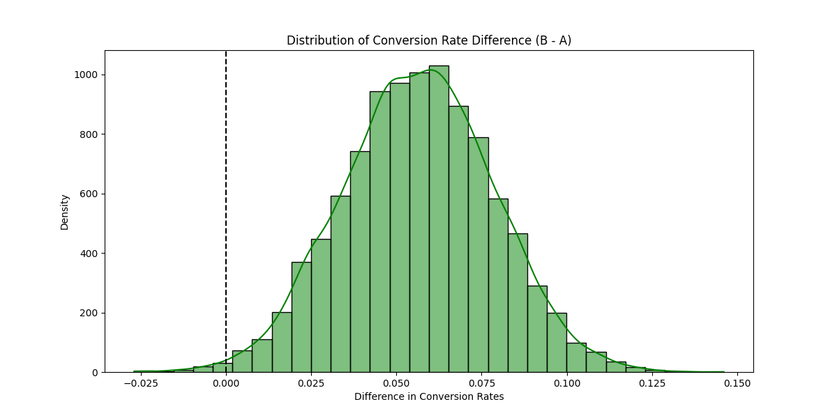
 |  |  |  |  |  | 10% | 30% | 80% |  |  |  | 2760.700671 | 4711.75995 | 17280

