Sheet1
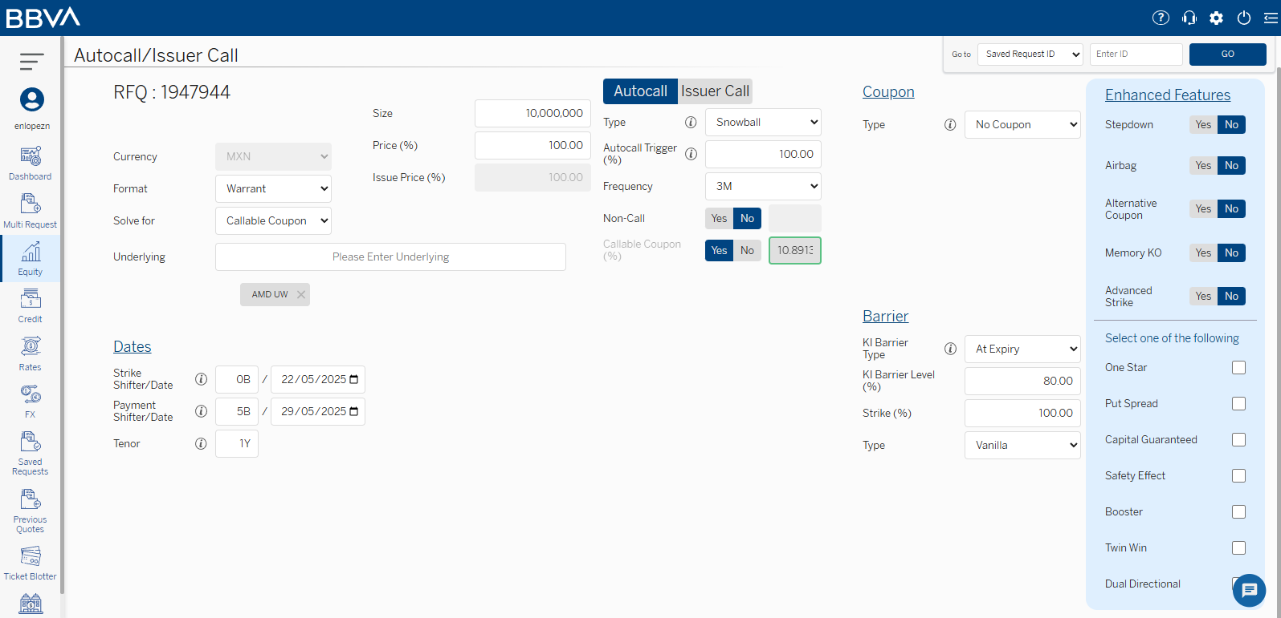
We chose to consistently sample form the 3 biggest vol name in S&P500 and 3 lowest vol names in the S&P with market cap > 100B and 3 indices
Ticker/Index Name | AMD | TSLA | MU | PEP | PG | KO | S&P500 (SPDR S&P 500 ETF Trust BMV:SPY) | NASDAQ (QQQ UQ) | DOW (DIA UP) | FX | OIL | This is the default configuration for our testing. We also assume that the internal Actinver team used this configuration when pricing their autocalls in the past
Callable Coupon (%) | 10.891309 | 15.826879 | 12.517458 | 6.372512 | 4.566108 | 4.557101 | 3.712306 | 4.66436 | 3.435328 | N/A | N/A
Coupon (%) p.a. | 43.565236 | 63.307516 | 50.069832 | 25.490048 | 18.264432 | 18.228404 | 14.849224 | 18.65744 | 13.741312 | N/A | N/A
AFTERNOON
Callable Coupon (%) | 10.920879 | 15.715407 | 12.523198 | 6.359373 | 4.621207 | 4.625048 | 3.727772 | 4.643119 | 3.34518
Coupon (%) p.a.
Ticker/Index Name: 26/05/2025 14:10-14:28 | AMD | TSLA | MU | PEP | PG | KO | S&P500 (SPDR S&P 500 ETF Trust - SPY) BMV:SPY) | NASDAQ (QQQ UQ) | DOW (DIA UP) | FX | OIL
 | 10.370602 | 15.521131 | 12.576332 | 6.461176 | 4.577722 | 4.614222 | 3.9414 | 4.709303 | 3.455287 | N/A | N/A
Ticker/Index Name: 27/05/2025 14:10-14:28 | 10.79424 | 16.479938 | 12.503667 | 7.012129 | 4.427624 | 4.563568 | 3.648533 | 4.44513 | 3.17115

Ticker/Index Name: 29/05/2025 14:15-14:30 | 10.49249 | 16.088979 | 12.42312 | 6.844893 | 4.433251 | 4.535018 | 3.662178 | 4.455982 | 3.281564
Ticker/Index Name: 29/05/2025 15:30-16:30 | 10.533529 | 15.760683 | 12.350709 | 6.705165 | 4.350376 | 4.463942 | 3.702788 | N/A | N/A

