Sheet1
1 |  | n
0.98523060153
0.97070786048
0.95632715847
0.94217725516
0.92819572956
0.91429447115
0.90053250656
0.88688136567
0.87332330243
0.85978675832
0.84638404672
0.83304391678
0.81976022733
0.80644938572
0.79312614317
0.77992241986
0.76655631004
0.75324433035
0.73986028078
0.72634855618
0.71282981353
0.69923994066
0.68564092037
0.67178175818
0.65784999985
0.64396469688
0.62970887874
0.61539688381
0.60074738978
0.58591951987
0.57096807861
0.55568739196
0.54033160837
0.52467937403
0.50889286348
0.49323533801
0.47685237365
0.46039366003
0.44382043538
0.42657831878
0.40972991484
0.39258552027
0.37549858371
0.35750502353
0.33958366114
0.32265085773
0.30460733422
0.28661107484
0.2681184918
0.24981348935
0.23176608491
0.21412546833
0.19643427774
0.17911222831
0.16204892528
0.74674382447 |  | c
0.76276608541
0.77913212267
0.79584931238
0.81292518892
0.83036744833
0.84818395179
0.86638272914
0.88497198252
0.90396009004
0.92335560959
0.94316728266
0.96340403831
0.9840749972
1.0051894756
1.0267569899
1.0487872604
1.071290216
1.0942759988
1.1177549685
1.1417377069
1.1662350229
1.1912579575
1.2168177883
1.2429260352
1.269594465
1.2968350971
1.3246602088
1.3530823408
1.3821143028
1.4117691794
1.4420603361
1.4730014249
1.5046063909
1.5368894784
1.5698652372
1.6035485295
1.6379545361
1.6730987638
1.7089970519
1.7456655797
1.7831208737
1.8213798147
1.8604596459
1.9003779806
1.9411528098
1.9828025106
2.0253458543
2.0688020152
2.1131905788
2.1585315508
2.2048453664
2.252152899
2.3004754699
2.349834858
2.4002533095
0 |  | a
-0.050928571499
-0.087914559827
-0.11033726311
-0.11748609226
-0.108532841
-0.082575254064
-0.038628555645
0.02437961128
0.10757241358
0.21211609609
0.33921910413
0.49004722576
0.66579306806
0.86759319236
1.096602113
1.3538215414
1.639915483
1.9561551433
2.3027189572
2.6803753483
3.089667269
3.5302853496
4.0024262445
4.5054999572
5.0407503275
5.6066206693
6.2014343352
6.8284811952
7.4844284803
8.1723557604
12.151746152
13.069284162
14.034476115
15.04419343
16.108065507
17.22657623
18.395916325
19.655548335
20.992757181
22.421029377
22.167008401
21.874565438
21.581370994
21.269191524
20.999924291
20.721835239
20.373823243
20.096893167
19.825968128
19.612054382
19.418815623
19.251355069
19.108127092
19.051263476
19.068213709
0 |  | lambda
0
0
0
0
0
0
0
0
0
0
0
0
0
0
0
0
0
0
0
0
0
0
0
0
0
0
0
0
0
0
0
0
0
0
0
0
0
0
0
0
0
0
0
0
0
0
0
0
0
0
0
0
0
0
0
0
0.11296703766 |  | pi
0.11582570032
0.1185888083
0.12127086704
0.12388390398
0.12643746856
0.12893863219
0.13139132341
0.1337968719
0.1361533436
0.13845644732
0.14069880943
0.14287045745
0.14495948482
0.14695132563
0.14882996345
0.15057787085
0.15217655337
0.15360703305
0.15485051323
0.1558885599
0.1567040687
0.15728199023
0.15760963221
0.1576769617
0.15747847871
0.15701176568
0.15627960281
0.15528954502
0.15405392196
0.15259026105
0.15092128751
0.14907468257
0.14708296264
0.14498311662
0.14281600156
0.14062718875
0.13846466707
0.1363811397
0.13443257349
13.717637125 |  | x56
1.7191353571 |  | q32
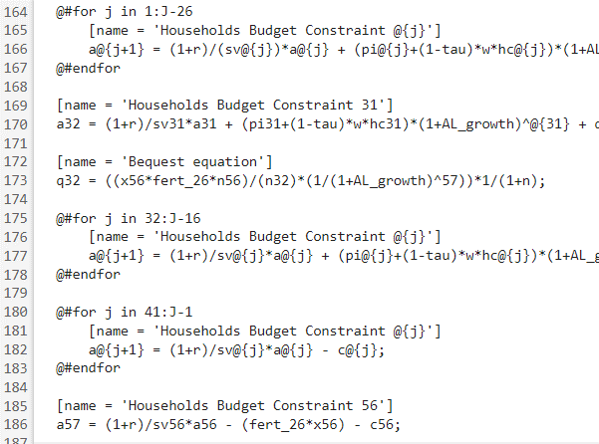
1 |  | w
0.13898481361 |  | rk
0.038984813609 |  | rk
0.92083280979 |  | price
0.43093510583 |  | tau
4.1275269757 |  | PI
52.136838063 |  | Y
33.876862806 |  | N
36.537445445 |  | L
25.445307933 |  | C
82.540425418 |  | K
16.461514564 |  | gov_rev
0.043510373313 |  | gov_def
0.25497459602 |  | gov_debt
11.063132762
0.88967778547 |  | A_adj
0.21219416391
0.70079902815
0.018826830475

 |  |  | linje 164
 |  |  | 44

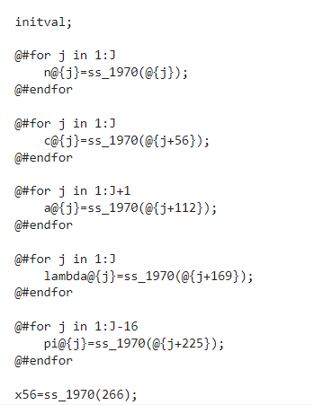

 | 56 | 74
 | 112 | 148
 | 168 | 222
 | 224 | 296
 | 280 | 370

