Table 2
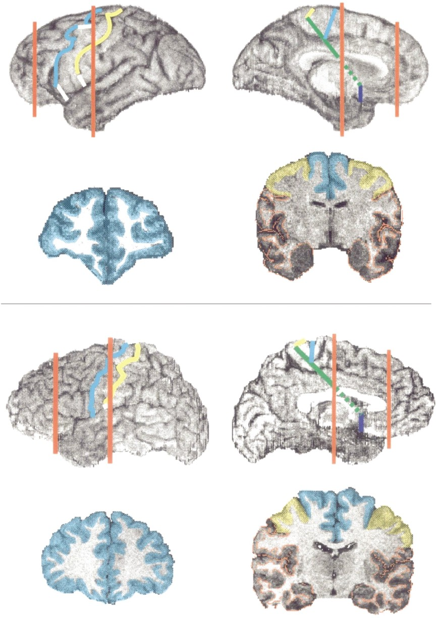
a
b
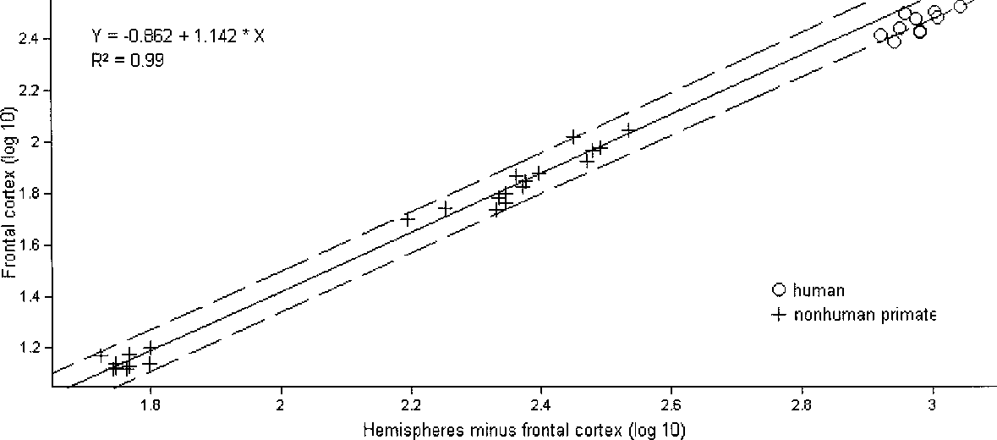
Fig. 1. Three-dimensional reconstruction of the brain of (a) a common chimpanzee and (b) a human. The lateral and mesial surfaces of the left hemisphere are shown (not to scale). The central and precentral sulci are marked in yellow and cyan, respectively. The posterior end of the frontal cortex is marked by the yellow line (central sulcus). The white segments correspond to connections drawn between discontinuous segments of these sulci. On the mesial surface, the posterior end of the frontal cortex is marked by the solid green line and the blue line marks the end of the orbitofrontal cortex. The red lines mark the position of the coronal sections through the hemisphere shown below. On the coronal sections, cyan indicates frontal cortices anterior to the precen-tral sulcus, yellow indicates the cortex of the precentral gyrus and red the rest of the cortex of the hemisphere.
Nevertheless, the human frontal cortex was not larger than expected for a primate brain of human size (Fig. 2). When the volume of the frontal cortex was regressed against the volume of the entire hemisphere and a best-fit line was drawn through all nonhuman primates, the observed human values did not fall above the prediction interval. In addition, calculating the frontal cortex volume as a per-centage of the cortex volume of the hemispheres gave values for humans on a par with those for the great apes (Fig. 3). The range of individual values for the frontal cortex of humans, which var-ied between 36.4% and 39.3%, overlapped with those of the orangutans (36.6–38.7%), chimpanzees (32.4–37.5%) and goril-las (35% and 36.9%). Values for gibbons (27.5–31.4%) and mon-keys (29.4–32.3%) fell outside the range of great apes and humans, and their mean relative values were significantly small-er (standard two-sample Student’s t-test) than those of the great apes (t = 8.5444, d.f. = 22, p 0.001) and humans (t = 13.8717, d.f. = 17, p 0.0001). In relation to the cortex of the precentral gyrus as a percent of hemispheric cortex the two orangutans stood out, with the largest relative values (10.2% and 10.4%); the remaining individual values across hominoid species overlapped from 9% in one chimpanzee to 5.5% in one gibbon. Humans fell within this hominoid range (5.4–7.9%). The relative size of the remaining frontal cortex ranged from 28.8% to 33% in humans, 25.5% to 29.7% in the great apes and 22.0% to 23.8% in the gibbons. A few | individual great apes showed values that overlapped with those of humans. Specifically, two chimpanzees, one bonobo and one gorilla were within the lower end of the human range. There was extensive overlap among the great apes themselves, but not between gibbons and the rest of the hominoids. In neither sub-sector of the frontal cortex did humans have values larger than expected for an ape of their brain size. Discussion Although the absolute differences in size of the frontal cortex between humans and other primates were large, the frontal cor-tex in humans and great apes occupied a similar proportion of the cortex of the cerebral hemispheres. The range of relative val-ues did overlap in the different hominoid species. The smaller primates (gibbons and monkeys) had a smaller percentage of their total cortex occupied by frontal cortices, and the range of their values did not overlap with that of the larger hominoids. In relation to overall brain size, the human frontal cortex was as large as expected for a primate brain of human size. As noted, with respect to the subsectors of the frontal lobe, any definitive statements can only come from comparative cytoar-chitectonic studies of the brains of extant ape species and humans, which would be so costly as to preclude their being car-ried out anytime soon. Therefore, our finding that the two sub-sectors of the frontal cortex (cortex of the precentral gyrus and cortex rostral to the precentral sulcus) are not disproportionate-ly larger in humans, though provisional, should prove useful until more definitive data become available. How can we account for the discrepancy between earlier find-ings (Table 1) and ours? Sample size is the most likely factor. Pre-vious studies have had sample sizes of only one or two hemispheres per species and only one or two of the ape species have been included7,8. Brodmann7 reports a 6% increase in the ‘total frontal lobe surface’ of the human brain compared to the chimpanzee brain

Fig, 2. Logarithmic plot of the volume of the frontal cortex against the total volume of the hemispheres minus the frontal cortex. A best-fit regression line is drawn through all nonhu-man primate subjects. Dotted lines represent the prediction interval. The human observed values are added on the plot.

Table 3
Fig. 3. Individual values of the relative volume of the frontal cortex as a percent of the volume of the total hemispheric cortex.
compared (for example, human 2 versus chimpanzee 4 in Fig. 3). Removal of some of the ‘high-end’ great ape subjects or of the ‘lower-end’ human subjects in our study would have yield-ed results similar to those reported earlier. The inclusion of only selected primate species and an underrepresentation of the great apes are other possible reasons for the discrepant results. Even using our larger sample, if the comparison had been restricted to humans and smaller primates (Fig. 3) and had excluded most of the great apes, the results would have been more consonant with the older results, because gibbons and monkeys do, in fact, have a relatively smaller frontal cortex than humans. In addition, we calculated volumes of the cortical regions of interest, while earlier studies7,8 rely on surface estimates. We doubt that this could account for most of the variance, however, given that the cortical volume is highly correlated with the surface of the cor-tical sheet. Finally, earlier studies use postmortem specimens as opposed to the living subjects included here, which leaves open |  |  |  |  | area 10 is reported to be relatively larger in the human brain14 when compared to the ape brain, while Brodmann’s area 13 is smaller15. In the present study, we excluded the cortex of the precentral gyrus from the total frontal cortex in order to exam-ine a subsector of the frontal cortex that includes all of the pre-frontal cortices. Brodmann’s area 6 and some limbic frontal cortices on the mesial surface were also included, however. We found that this region is as large as expected for an ape brain of human size, and that the relative values among individual humans and individual great apes (but not lesser apes or mon-keys) overlapped. This result goes against the large relative dif-ferences in the prefrontal cortex between humans and great apes reported in previous publications (Brodmann7, who reports as much as a 12% enlargement in relation to the chimpanzee, and Deacon6, who sets it at 202% more than expected for a brain of the human size), even presuming the possibility of a much smaller premotor and limbic sector.
the possibility that differential shrinkage could have
affected the results. An issue that needs further investigation is the size of the prefrontal cortex proper (after exclusion of motor, premotor and limbic cortices). We do not think that this can be addressed by gross anatomical studies. No sulcal landmarks can be used reliably to establish the transition of prefrontal cortex to pre-motor cortex or the borders of individual cortical areas, and thus this issue can only be resolved on the basis of quantitative cytoarchitectonic studies. Recent reports of such studies suggest that the size and orga-nization of individual cortical areas in the hominoid prefrontal cortex may set humans apart from the great apes. Specifically, in terms of size, Brodmann’s |  |  |  | Table 1. The relative size of the frontal cortex. Brodmann (1909)7* Blinkov & Glezer (1965)8* Present study** *Surface of frontal cortex in % of surface of cortex of cerebral hemispheres. **Volume of frontal cortex in % of volume of cortex of cerebral hemispheres. NA, not available.

 | 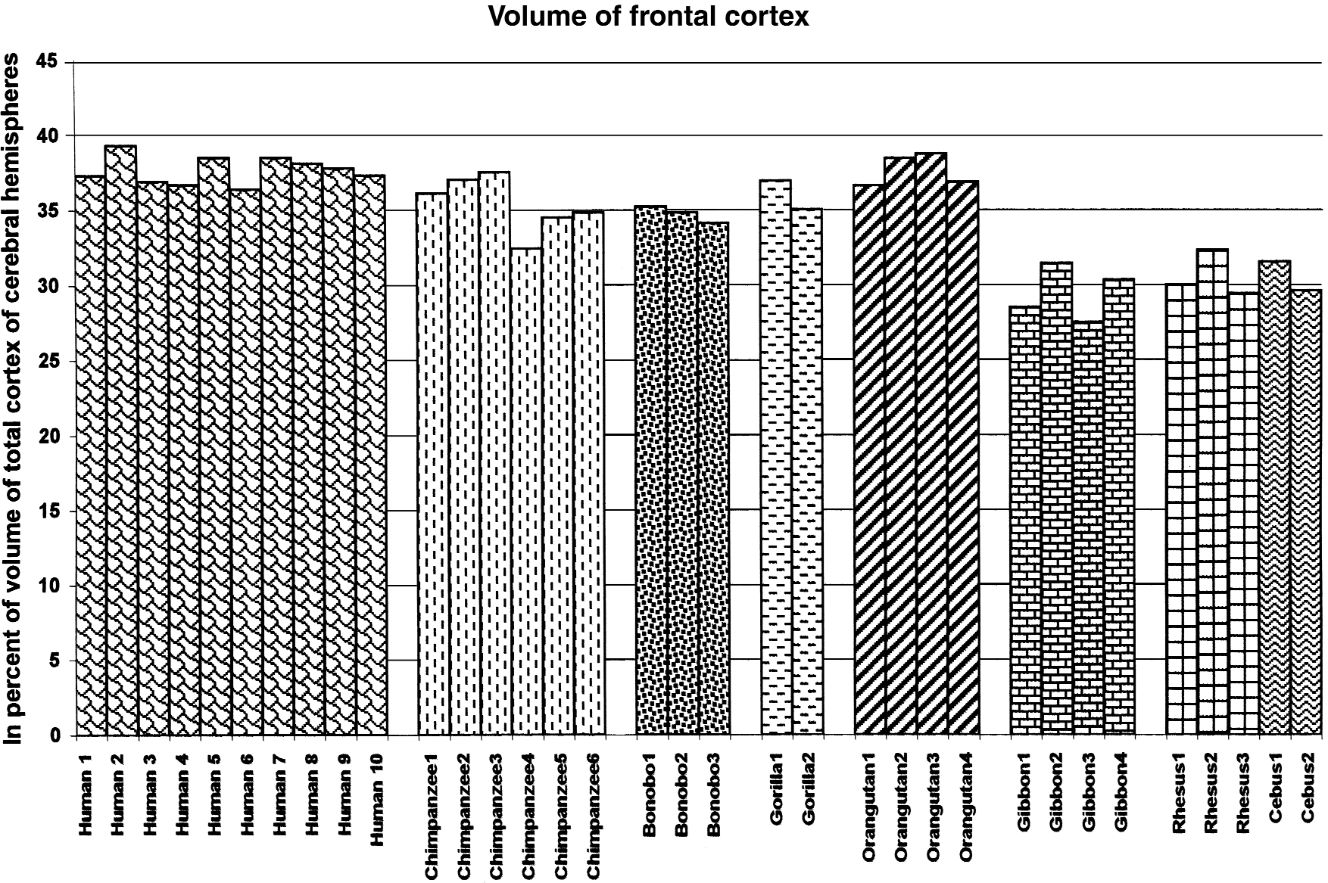
Human | 36.3 | 32.8 | 37.7 (0.9)
Chimpanzee | 30.5 | 22.1 | 35.4 (1.9)
Bonobo | NA | NA | 34.7 (0.6)
Gorilla | NA | NA | 35.0 and 36.9
Orangutan | NA | 21.3 | 37.6 (1.1)
Gibbon | 21.4 | 21.2 | 29.4 (1.8)
Macaque | NA | NA | 30.6 (1.5)
Cebus | 22.5 | NA | 29.6 and 31.5

