Table 3
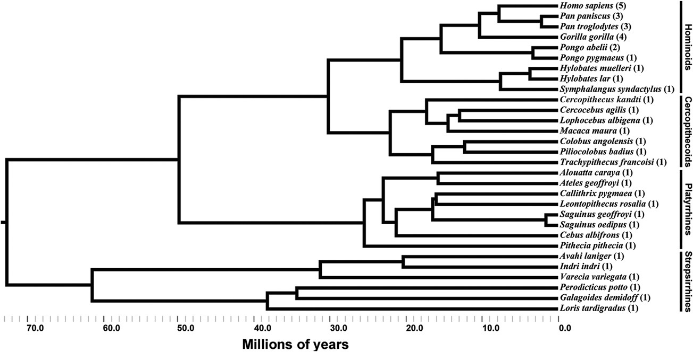
Figure 1. Phylogenetic tree of primates included in this study. The length of each branch represents the distance in evolutionary time. The number in parentheses represents the number of individuals of that species sampled.
collections, including those from the Great Ape Aging Project (GAAP), the Stephan comparative neuroanatomy collection at C. & O. Vogt Institute of Brain Research in Düsseldorf, Germany, the Welker collection at the National Museum of Health and Medicine in Washington, DC, and the University of California, San Diego (UCSD). The details of ﬁxation, embedding, sectioning, and Nissl staining differed across these collections and have been described previously in other publications (Allman et al., 2010; de Sousa et al., 2010; Semendeferi et al., 2010). Measurements of insular cortex subregions were performed on Nissl-stained coronal sections (see below for details). Volumes of granular, dysgranular, and agranular insular cortices were esti-mated in the left hemispheres of all specimens. Gallay et al. (2011) noted gradations in granularity (as seen in Nissl staining) that would divide the insula into more than three principle regions. In contrast, we tracked the volume of the three principle regions alone. While variations exist in the pattern of granularity within the three principle insular subdivisions, the variation is clearly inter-regional and does not detract from the identiﬁcations of the three principle regions. Without the assistance of several immunohis-tochemical stains, we found that additional parcellations cannot be consistently and conﬁdently identiﬁed across species. We therefore limited our consideration to agranular, dysgranular, and granular insular cortices, which can be identiﬁed through Nissl staining alone. Volume estimation of the subdivisions of insular cortex was performed by C.C.S. and A.L.B. according to the granularity (density of cells) within layer IV and was in agreement with the classiﬁca-tions of granularity used in other studies (Mesulam and Mufson, 1982; Carmichael and Price, 1994; Öngür et al., 2003; Gallay et al., 2011). T | in clusters. Additionally, when the tissue was available, the volumes of both right and left insulae were estimated in great apes and humans to allow for interhemispheric volume comparison. Sections from a subset of specimens (as indicated in Table 1) were examined at regularly spaced intervals through the length of insular cortex and boundaries of subregions were manually drawn using StereoInvestigator software (MBF Bioscience, Williston, VT). The Cavalieri principle was used to calculate the volume of each region based on the areas of the regions traced and the interval thickness. Sections from the remaining specimens were scanned on a ﬂatbed scanner at 2400 dpi and were evaluated at regular intervals through the length of insular cortex in ImageJ 1.42q software (http://rsb.info.nih.gov/ij/). Using the cell counting plug-in, an estimate of volume was obtained by counting the number of markers corresponding to each insular subregion that intersected a grid overlay (ranging from 20 to 200 mm depending on brain size). The number of markers placed per subregion was totaled across all sections containing insula and multiplied by the grid spacing and interval thickness to obtain an estimation of volume. We measured the entire gray matter of the cortex, extending from the pial surface to the bottom of layer VI at its interface with the white matter. To account for the shrinkage that occurs following histological processing, we calculated correction factors for all specimens ac-cording to the method described by de Sousa et al. (2010). Several of the specimens from the GAAP collection were sectioned as separate blocks, and a correction factor was calculated for each block indi-vidually. The correction factor is the quotient of the preprocessed brain volume and the volume of the same brain after histological processing. To calculate the preprocessed brain volume, brain ma

Table 5
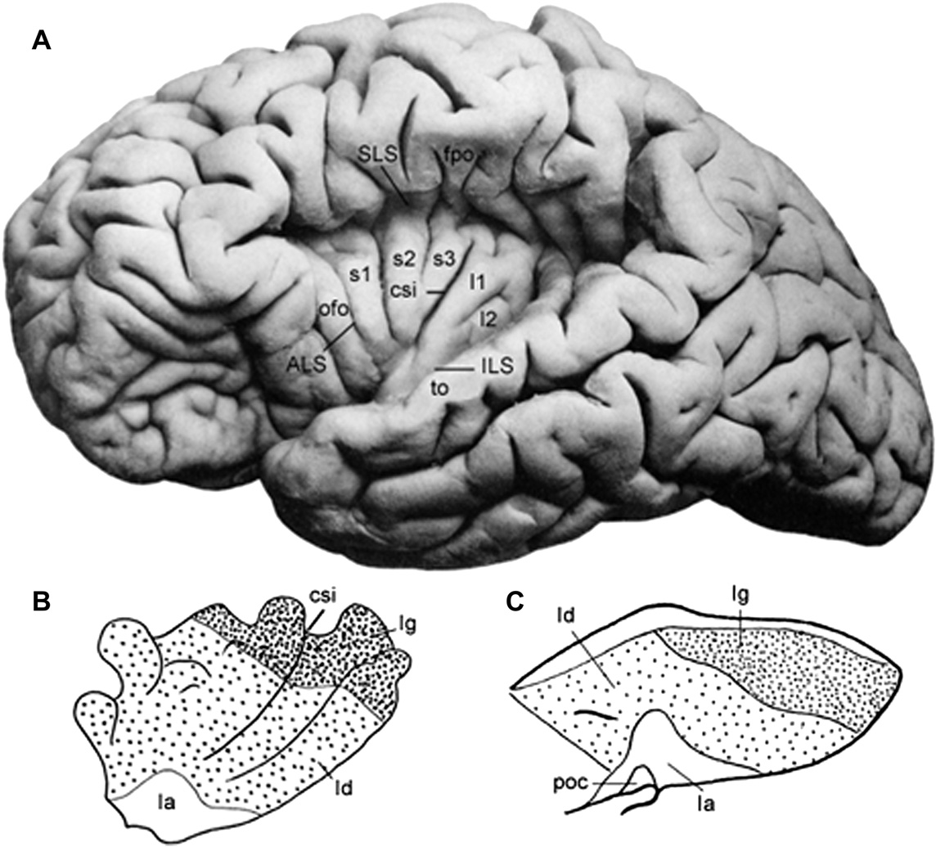
Anatomical deﬁnition of insular cortex Many investigators have distinguished insula from surrounding cortices and identiﬁed distinct subregions based on multiple stain-ing procedures in primate species including galagos (Preuss and Goldman-Rakic, 1991), macaques (Mesulam and Mufson, 1982; Preuss and Goldman-Rakic, 1991; Carmichael and Price,1994; Gallay et al., 2011), and humans (Öngür et al., 2003; Kurth et al., 2010a). Taken collectively, these studies indicate that the parcellation of insular cortex from surrounding cortical regions is possible across primate taxa. Additionally, major cytoarchitectural subregions, including granular, dysgranular, and agranular insular cortices, are consistent across primates (Fig. 2 B and C), although identiﬁcation of additional subdivisions may be possible (Rose,1928; Carmichael and Price, 1994; Öngür et al., 2003; Gallay et al., 2011). In this study, we adopt the methodology used by Mesulam and Mufson (1982) in dividing the insula into granular, dysgranular, and agranular cortices because these subdivisions are clearly identiﬁable in Nissl-stained sections across all primate species examined. Superior and inferior boundaries In most primate species, the insula is contained within the Sylvian ﬁssure and is bounded by its | two offshoots, the superior limiting sulcus (SLS) and the inferior limiting sulcus (ILS). Many strepsirrhine species do not have an SLS branch of the Sylvian ﬁssure comparable with to that seen in an-thropoids. Nonetheless, an incipient homolog of the SLS can be identiﬁed as a dimple or bend in the cortical surface. All specimens lacking a well-developed Sylvian ﬁssure had this feature. The SLS, or its homologous dimple in the cortical surface, was used to mark the dorsal extent of insular cortex (Figs. 3 and 4). The inferior boundary is deﬁned differently, depending on the antero-posterior position of the coronal section relative to the limen insulae (see below). The limen insulae is the junction of the tem-poral lobe with the ventral insular cortex (Mesulam and Mufson, 1982). Anterior to the limen insulae Mesulam and Mufson (1982) describe the most anterior extent of the insula in macaques as coincident with the appearance of the SLS in posterior orbitofrontal cortex (Fig. 3A,B and 4A). Strepsirrhine species typically lack a well-developed SLS anterior to the limen insulae, and the homologous dimple on the lateral surface of the cortex marked the beginning of insular cortex in these species (Fig. 4B). At this coronal level, the insula lacks the clear ventral border offered by the ILS of the
Figure 2. Lateral views of insular cortex. In (A), the left insula of a human has been exposed by removing the overlying opercula. (B) and (C) are schematics displaying the cytoarchitecture of the insulae in Homo sapiens and Macaca mulatta, respectively. In both images, the insulae are parcellated into granular (Ig), dysgranular (Id), and agranular (Ia) regions. The relative positions of these subdivisions of insular cortex are similar in both species. The central sulcus of the insula (csi) is labeled in the human. Other notations: Anterior limiting sulcus (ALS); ﬁrst (s1), second (s2), and third short gyri (s3); ﬁrst (l1) and second long gyri (l2); inferior limiting sulcus (ILS); orbitofrontal operculum (ofo); frontoparietal operculum (fpo); temporal operculum (to); piriform olfactory cortex (poc); superior limiting sulcus (SLS). (A), (B), and (C) are modiﬁed from Nieuwenhuys (2012). All ﬁgures are oriented so the anterior surface is on the left. The ﬁgures are not to scale.

Table 6
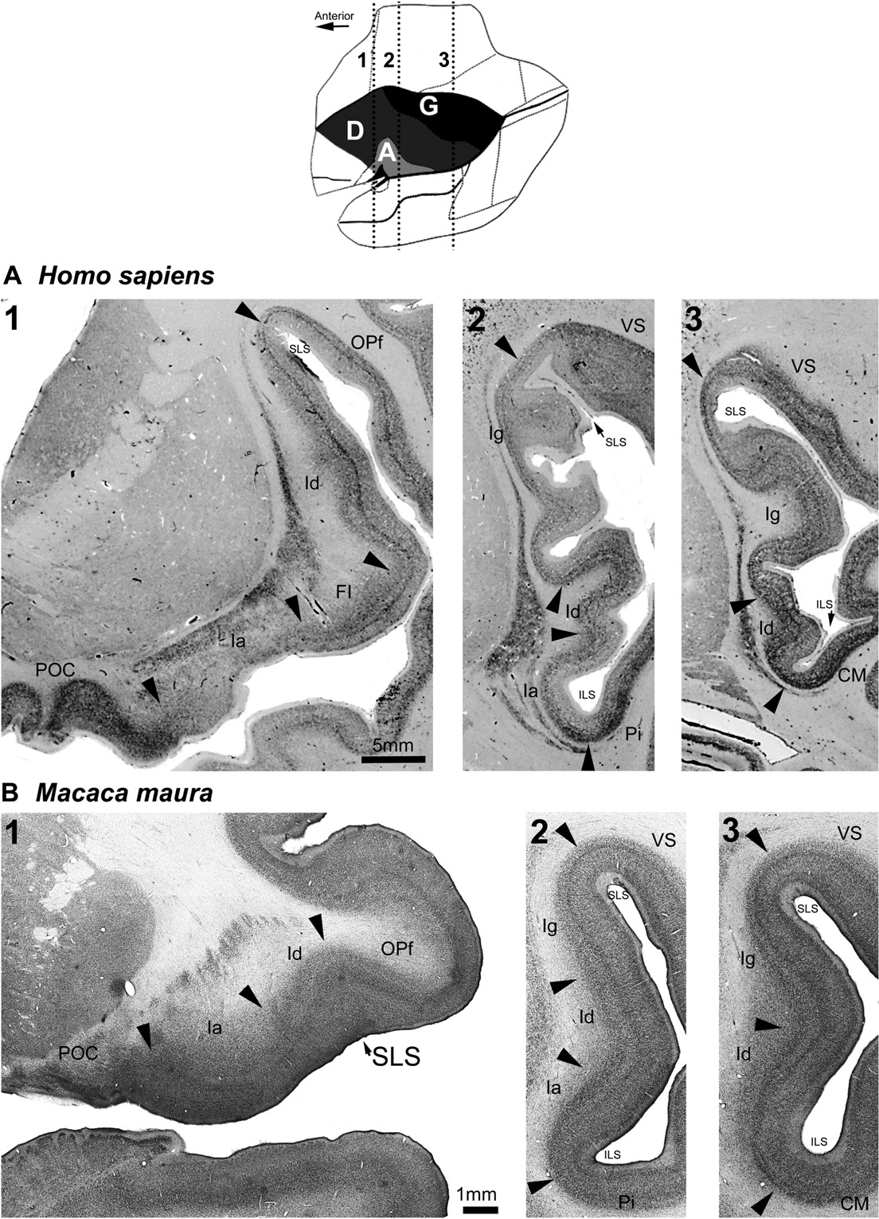
Figure 3. Nissl-stained coronal sections of insular cortex in (A) Homo sapiens and (B) Macaca maura. Human sections were taken from the online resources of the human brain Atlas at Michigan state University (https://www.msu.edu/wbrains/brains/human/index.html). Macaque sections were photographed from the GAAP collection. The scale is the same for all sections within a species. The schematic at the top of the ﬁgure is a modiﬁed diagram of Macaca mulatta from Mesulam and Mufson (1982) to show the approximate anteriore posterior plane of each of the coronal sections, which are labeled by numbers. Arrows mark the transitions between cortical areas. The abbreviations are the same as in Figure 1. SLS and ILS refer to the superior and inferior limbs of the Sylvian ﬁssure, respectively. In H. sapiens, FI is labeled. Other notations: caudomedial area of the auditory belt (CM), agranular insula (Ia), dysgranular insula (Id), granular insula (Ig), frontal opercular area (OPf), parainsular area (Pi), piriform olfactory cortex (POC), and ventral somatosensory area (VS). All images of a species share the scale indicated in the leftmost image.
more posterior insula. Although a clearer anterior limiting sulcus (ALS) may be distinguished in humans, this is not a landmark seen in most primates. Consequently, the ventral boundary of insular cortex must be distinguished from surrounding | orbitofrontal cortex based on cytoarchitecture. The ventromedial border of insula has been shown to be superﬁcial to the medial extent of the claustrum (Preuss and Goldman-Rakic, 1991; Carmichael and Price, 1994; Öngür et al., 2003). Therefore, we

Table 7
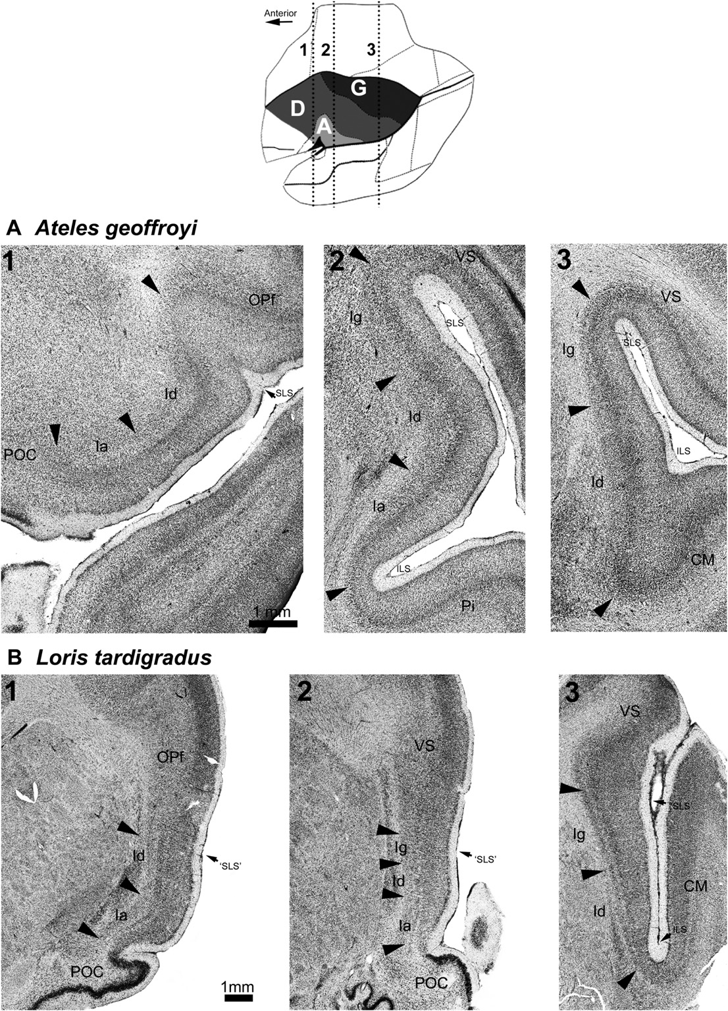
Figure 4. Nissl-stained coronal sections of insular cortex in (A) Ateles geoffroyi and (B) Loris tardigradus. Sections from both species were photographed from the GAAP collection. The scale is the same for all sections within a species. The schematic at the top of the ﬁgure is a modiﬁed diagram of Macaca mulatta from Mesulam and Mufson (1982) to show the approximate anterioreposterior plane of each of the coronal sections, which are labeled with numbers. Arrows mark the transitions between cortical areas. The abbreviations are the same as those used in Figure 3. ‘SLS’ in the coronal series from the Loris refers to the bend in the cortical tissue that is homologous to the SLS. All images of a species share the scale indicated in the leftmost image.
used the ventromedial termination of the claustrum to indicate the transition of insula to orbitofrontal cortex in anthropoids. In strepsirrhine primates that lack an extensive orbitofrontal cortex, ventral anterior insula fully extends to the piriform cortex (Fig. 4B; Preuss and Goldman-Rakic, 1991). In all specimens | studied, the ventral extent of the anterior insular cortex is either agranular or dysgranular in composition. In the remainder of the insula anterior to the limen insulae, granular cortex may occur dorsally, but the anterior insula is usually comprised of dysgranular and agranular cortices. A larger amount of agranular

Table 10
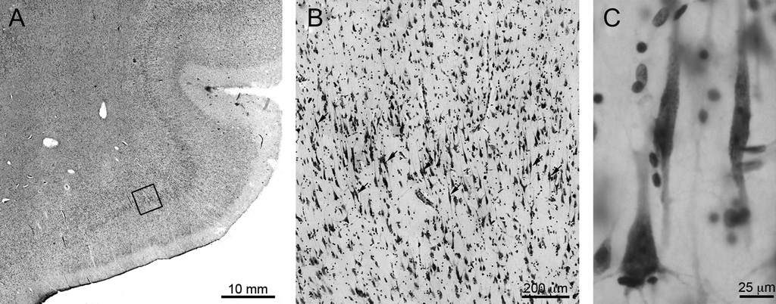
Figure 5. Nissl-stained FI and VENs in the anterior insula of a human. The boxed region in A is magniﬁed in B. C displays VENs under high magniﬁcation. FI is agranular insular cortex (A) that contains clusters of VENs in layer Vb. In humans and great apes, VENs (marked by arrows in B) are found in the highest density on or near the crowns of gyri. VENs are cells with a bipolar morphology (C). The cell in the lower left corner of C is a pyramidal neuron. Photomicrographs B and C are oriented with the pial surface at the top of the image.
volume of granular insula (RMA b ¼ 0.94, 95% CI ¼ 0.83e1.07, R2 ¼ 0.89; PGLS b ¼ 0.89, 95% CI ¼ 0.78e1.01, R2 ¼ 0.90), dysgra- nular insula (RMA b ¼ 1.02, 95% CI ¼ 0.93e1.11, R2 ¼ 0.96; PGLS b ¼ 0.99, 95% CI ¼ 0.90e1.08, R2 ¼ 0.95), agranular insula (RMA b ¼ 1.04, 95% CI ¼ 0.94e1.16, R2 ¼ 0.93; PGLS b ¼ 1.01, 95% CI ¼ 0.90e1.08, R2 ¼ 0.93), and agranular insula and FI combined (RMA b ¼ 1.10, 95% CI ¼ 1.00e1.21, R2 ¼ 0.94; PGLS b ¼ 1.07, 95% CI ¼ 0.97e1.17, R2 ¼ 0.94) all scaled to the rest of insular cortex at rates that were indistinguishable from isometry. In addition, we explored how insular cortex size is related to body mass. We found that the scaling of insular cortex against body mass was statistically indistinguishable from that of total brain volume against body mass (Table 4). Therefore, a major factor that governs the size of insular cortex relative to the body is overall brain size. We examined whether the volume of human insula deviated from predictions based on the scaling relationships of nonhuman primates by removing the humans from the sample and calculating non-phylogenetic least squares (LS) regression lines for insula and its subdivisions against whole brain volume. The percent differ-ences between observed and predicted values are shown in Table 5. For each region, human values fell within the 95% conﬁdence in-tervals of the nonhuman primate LS regression. Table 6 lists how the fold-difference between the volume of insula and its subdivisions in the human brain compare with the volume of the same region in P. troglodytes and P. paniscus, and how the two species of chimpanzee compare to each other. Values from this study are listed alongside those from other cortical regions measured in previous studies for reference. Group size and insula volume We examined the correlations between social group size and the volume of the insular cortex and its subdivisions |  |  |  |  |  |  | regression analyses. There was no signiﬁcant correlation between the volume of the left insula and group sizeaftercontrolling for total brain volume (b ¼ -0.02; t ¼ -0.24; p ¼ 0.816). Additionally, no signiﬁcant correlations were found between group size and the volume of granular (b ¼ 0.07; t ¼ 0.63; p ¼ 0.533), dysgranular (b ¼ -0.02; t ¼ -0.30; p ¼ 0.766), and agranular (b ¼ -0.03; t ¼ -0.27; p ¼ 0.789) insular cortices or the volume of agranular insula and FI together (b ¼ -0.02; t ¼ -0.16; p ¼ 0.875) after controlling for total brain volume. The results were the same when catarrhines were analyzed separately from the rest of the primate sample. For the male specimens of our sample, we also examined the correlations between social group size and the volume of the insular cortex and its subdivisions using PGLS multiple regression analyses while controlling for body mass. A signiﬁcant correlation was found between the volume of the left insula and group size after controlling for body mass (b ¼ 0.13; t ¼ 4.11; p < 0.001). Additionally, signiﬁcant correlations were found between group size and the volume of granular (b ¼ 0.15; t ¼ 2.97; p ¼ 0.007), dysgranular (b ¼ 0.15; t ¼ 3.16; p ¼ 0.004), and agranular (b ¼ 0.17; t ¼ 3.17; p ¼ 0.004) insular cortices, as well as the volume of agranular insula and FI together (b ¼ 0.17; t ¼ 3.34; p ¼ 0.003) after controlling for body mass. These data show that, independent of body mass, the volume of the insula and each of its subdivisions is tightly correlated with group size. Asymmetry of insula in humans and great apes The volume of each insula subdivision from the left and right hemispheres of humans and great apes are shown in Tables 1 and 2, respectively. Asymmetry quotients are plotted in Fig. 7 for each specimen in which the volume of both the left and right insulae could b
Table 3 Species averages of volumes (cm3) for right and left insular cortex in great apes and humans. Volume estimates of left insular subdivisions (cm3) Volume estimates of right insular subdivisions (cm3)

Species | n | Granular | Dysgranular | Agranular | FI | Total |  | n | Granular | Dysgranular | Agranular | FI | Total
Homo sapiens | 5 | 1.87 ± 0.45 | 2.96 ± 0.71 | 1.20 ± 0.54 | 0.44 ± 0.11 | 6.48 ± 1.43 |  | 5 | 1.43 ± 0.55 | 2.77 ± 0.78 | 1.58 ± 0.63 | 0.37 ± 0.12 | 6.15 ± 1.42
Pan paniscus | 3 | 0.26 ± 0.09 | 0.93 ± 0.15 | 0.35 ± 0.14 | 0.14 ± 0.07 | 1.69 ± 0.13 |  | 3 | 0.27 ± 0.03 | 0.80 ± 0.09 | 0.37 ± 0.06 | 0.16 ± 0.05 | 1.59 ± 0.10
Pan troglodytes | 3 | 0.67 ± 0.28 | 0.70 ± 0.09 | 0.16 ± 0.07 | 0.07 ± 0.03 | 1.60 ± 0.30 |  | 2 | 0.47 ± 0.17 | 0.59 ± 0.32 | 0.16 ± 0.00 | 0.11 ± 0.04 | 1.33 ± 0.20
Gorilla gorilla | 4 | 0.39 ± 0.22 | 0.95 ± 0.16 | 0.57 ± 0.12 | 0.23 ± 0.20 | 2.15 ± 0.27 |  | 2 | 0.32 ± 0.05 | 0.96 ± 0.04 | 0.54 ± 0.37 | 0.10 ± 0.05 | 1.92 ± 0.23
Pongo abelii | 2 | 0.22 ± 0.07 | 0.60 ± 0.03 | 0.32 ± 0.01 | 0.02 ± 0.02 | 1.16 ± 0.07 |  | 1 | 0.186 | 0.652 | 0.361 | 0.000 | 1.199
Pongo pygmaeus | 1 | 0.199 | 1.057 | 0.188 | 0.060 | 1.505 |  | 2 | 0.20 ± 0.16 | 0.82 ± 0.25 | 0.56 ± 0.12 | 0.04 ± 0.05 | 1.61 ± 0.24

Table 11
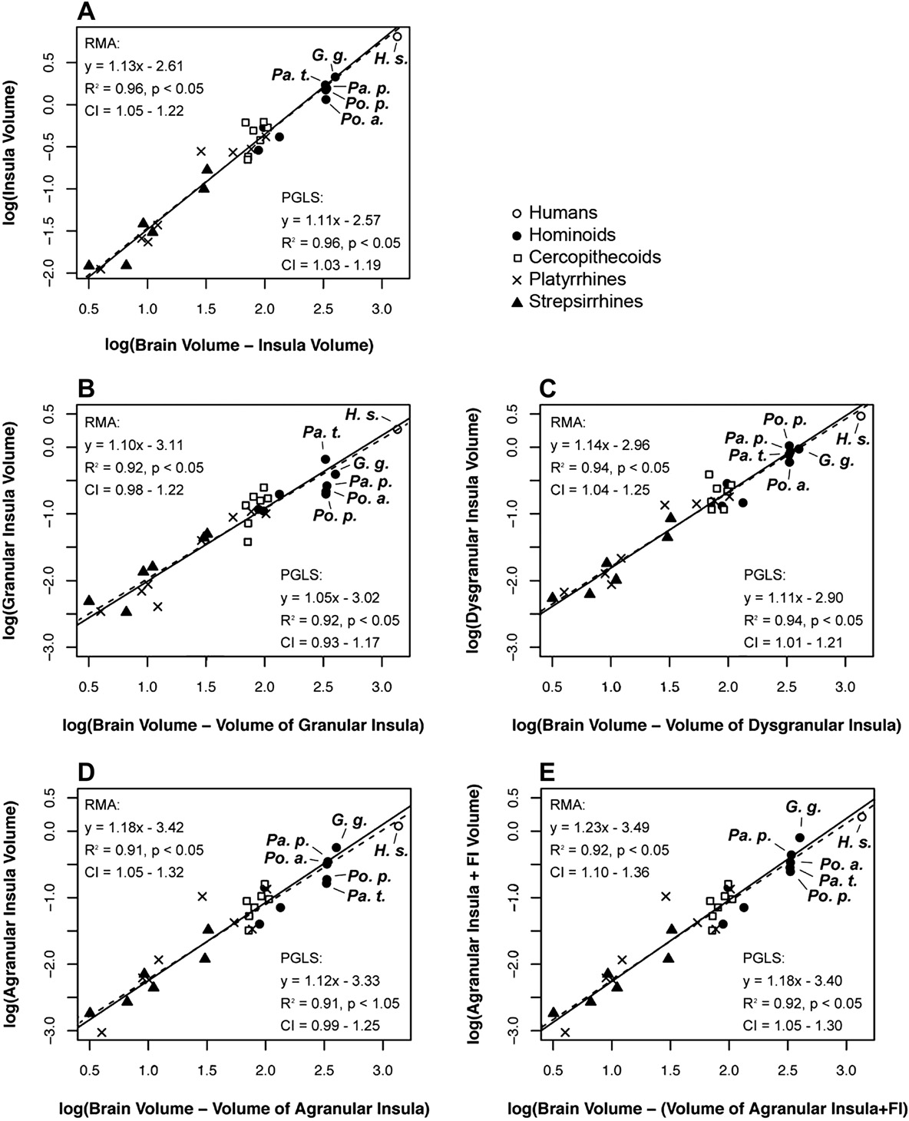
Figure 6. Linear regressions of the total insula volume (A) and the volume of its subdivisions (BeE) in the left hemisphere against total brain volume. Results of both RMA (solid lines) and PGLS (dashed lines) analyses are shown. Because the VEN-containing portion of agranular insula in great apes and humans is referred to as FI in this study, agranular insula and FI are combined (6E) for agranular insula to be compared in all primate taxa included. Individual hominoid species are labeled with abbreviations of their scientiﬁc names (H. s. ¼ Homo sapiens, Pa. t. ¼ Pan troglodytes, Pa. p. ¼ Pan paniscus, Po. p. ¼ Pongo pygmaeus, Po. a. ¼ Pongo abelii).
examined by one-sample t-tests. No region in any species displayed a signiﬁcant difference in volume between hemispheres. Discussion Imaging studies examining the neurobiological underpinnings of human-speciﬁc social cognition have consistently found that the ventral anterior insula is activated during cognitive tasks associated | with the awareness of autonomic changes and emotion that un-derlie the regulation of interpersonal relationships (meta-analysis in Mutschler et al., 2009). Accordingly, we predicted that the vol-ume of agranular insula and FI would be larger as a reﬂection of specializations in humans and other primates living in complex social systems. In support of this expectation, we found that agra-nular insula and FI display positive allometric scaling across pri- mates. Therefore, relative increase in the size of the ventral anterior

