Table 3
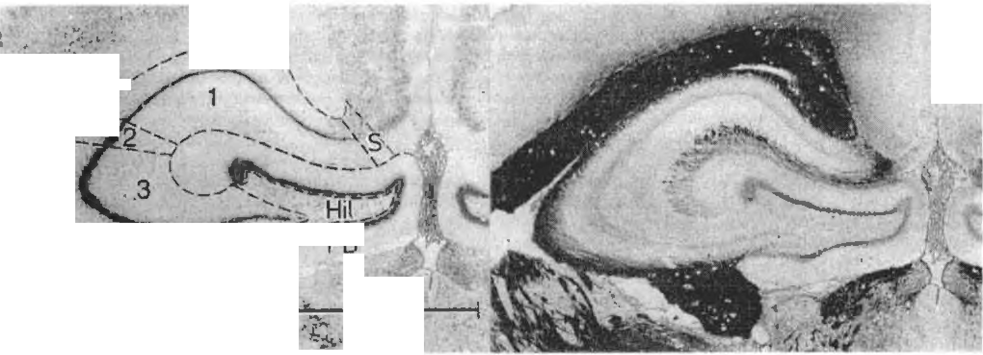
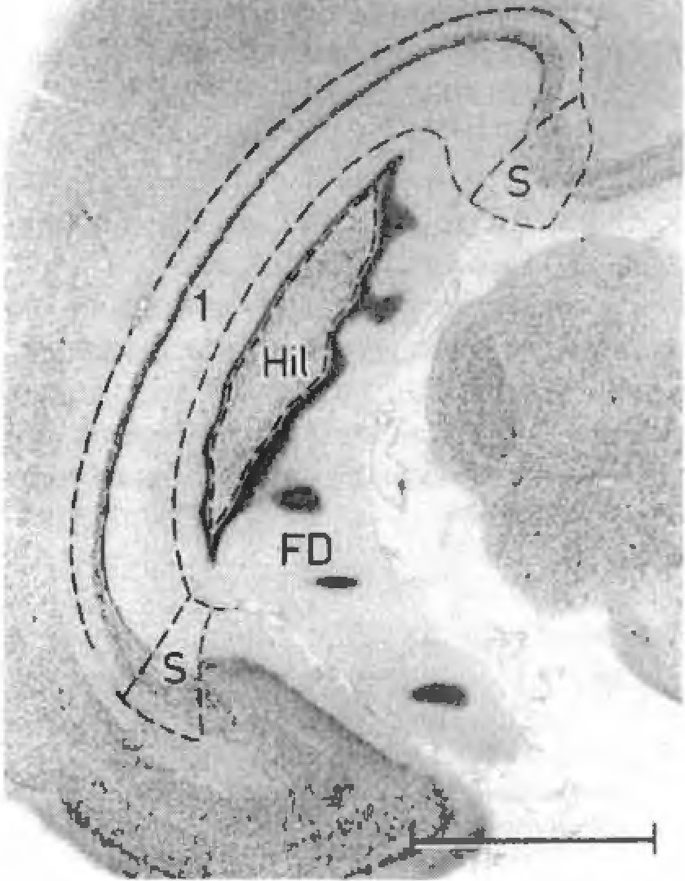
344 Journal of Hrain Kc�ca r,;h l!ii t 11194l J
fhc rci:w11) mc"�ur..-11 m !he r,·1r1,..,nmm1,,untl h1r111•c,m1pu, .ir,• !he ,uh1,u\um, lhc curnu ,111m1u11i. t1c1,J.. l ,\ I. ( ,\ 1 .11u.J | I he .,11.,m,·tr,.- 1,ir 11111 l.1 1, | y = h I
CA), lh,· hilu, re�mn, Jni.l 111<· 1,1�, 1,1 ,knt,1l,1 For the ,klinc,111"11 ot th,: r<.:!!IOII". ,vlo;irch1tc.:ton1, k,1111r,·, "'ere u�cd. Ml[l[lkm cn1,•d hy �djHcc n L ,cri,11 �cd ,,rn, ,1.i i rw,1 !or mychn,1tci.l lihcN The crncfia h•r lhc 11,•I rn<.'.umn .1rc- i.11,;i:u"cd m Ri!sull, in cnnncr1111n "11h 1hc dc,cril'1n,n of 1h<.' rctr<>cunnn1,su-ral h111po.:.impu� in ,1ifler,•nt ,r,:e1,·,. �nd 1r,' ,.kp1,h:d m I ig, I ,md 2. ·1 ht!}" 11 re in HCc·nnl 111l h I h,· er, t cri.1 J<.',," n i-,,,1 1n l11c <.-I,"�1, ,ii 11-•ork� 111 H.A',illS y C.11 ,l (11101 l<J] ! I .ind l !1111 :< 1 l 1)1 No ( 1 •n.1 I. Srnn: lhe �ra.:111� bcl\H·cn th,· ,,·.i,,.n, ",1, �mm11. 1 ulu111,·, "c tc c�kuh11c d fr<>rn ,,r,.,,11 111c,1'111.:111,,n 1, "1 I he rq;u,n, deI, n ,·.nc,l m c,nwr,, luc11J.1 dr.1" in!!,, ol ,,-...1-�t,11nc<I -..-,;1 mn-., ,;01 cr- 1ni:.. 11 (Ull\(lU\l 1n1cr1ah. lh<.' cnru,• .,.. .....nt ol lh<.' rel I <!((Ul11111-.MI· r,!I h1ppu,;.1n1pu� Tlw,c v,1luc, IH.'IC rnrrcc·tcd lut �hr 1111-.uJ!\C Jue 1u h istolu�1,;J I pr,1,;cd u re, •\llometnc mcthoJ, "er,• .1.pplicu 1.. r 1l1e e1·.1tlial!on ol lh� ,l.,1.1. i c the rel,,11nn,hip hc'1" ,•,•n hncl,· 11cight ,nhl ,i,c "I hi111111- ,,11np,1I ,1 ructurc� "·" tah•11 m1n ,i,;,m, 111 | I11 11, lot:,mthm1c 1,•rm, 11 r,;prcwnt, lh.: 1,,rmul.1 for ,t ,1r,ui:h1 Im,· lo!!)� lot: h + Ct· lo111- � in i., h1d1 \ h lhC \IA' <If lhc hr.1111 lll hr.1111 �tructur,.", h I he mlcr- lCjll ,,r l11c .,11»111,;1 r1, line ,1ich 1h.: ah�el"�J. \ 1� hnJ! "c1i:h1. .,nd II the �lnp, c•t the 1111..- Thc ,t1,pc "I th,· ,111,,mcl n,; lin,• lur th,i l11ppu,.111111u, \fl O �7J '"" lah·n r1 ll!\l 'iI ! I'll \' c'l:11., J')')] l I' hn t:,1Jcu l:uc<l II h) I,,.. II)! a ,-.,mm,c1I d,-Lf11ll!n,1I inn .111111} ,1� ti,r H tul,11 ol 51, t:!111111,·, or �u hf,1rn 11,..-� ol ITl\CCI 11, ,r ,, Ch I ro111cr.1. ., nd l'ri ni., le,) I u , 1111 ,tuJ>. ll1c11 rdc-rcncc lmc· "-1� 111,1,.:u "' .1, lo run throu�h lhc .1Hr.1).'e holh 1<c1).'hl ,rnd h1p110�.m,11,1I ,u!umc, (rc�p. 1h �-011,111-l!cnl p,uh) uf the 111,nt.,�•""·m li.-nr.:,·111,u·, .m in,cclil.,r,111 ,uh• l,m11!� 1< llh llli: ,nwllc�I t,r,1111 ..i.rc, rclall•l' !o hndy s,,c, t"u11,J .1111001,: m.1111mal, A11 11nm1, on lhis lmc r<.'[lJc,cnl .m 1nde'I. nl 100 •\n ,n,k, nl c � . 2Ulf mdn:.,tc, th.,1 I he rcl,111,c ,uc nf hr.1111� "' Na i11 p.ir!, 1, 1111, C u, Llrgc ;,- I fl ltw lc1HCCHM,'
It�. I \hu,c k�·1r.. ,u1111m�,u1,tl h111ro,.11111111� o1 l,•tJr,•, <'t'1wtlm111. • , m,Hl,11?,l�--1.111 hCU!'.Ch<l)c'.·111.c 111,c,·1 i\ ore. fo ,11nw I llC L'"'lilllll of lhc rc!to, ,·u n1 n""u ta 1 h11•1'uC.,mpu� 111 ., h',.. L m·t·r,h.,!1.reu lll.Hfl111'1I I ell ("r,·�) I ,·,uk! ,1.1m r,,r ncr, c • .:\/ h11<11c, H.•!'lll hoer ,1,11 J1 1 llc 1,Jcnli:1111•\\udc�cl Pl .!11 .1d1.1c,·n1 ,..-,·1u,n
lkllrn ( /1<'U<1"1/<1ku.,· m,11,,r \ l'r• 1Mm11 i. Crcw,l 1•11..•t

--
1
\
!
.,,
.,,
(
I
I I
\
I
I
' .......
'
- �
_,-,.._,,a;-�-::. ,r,;,-cn
....,_
2mm

Table 4

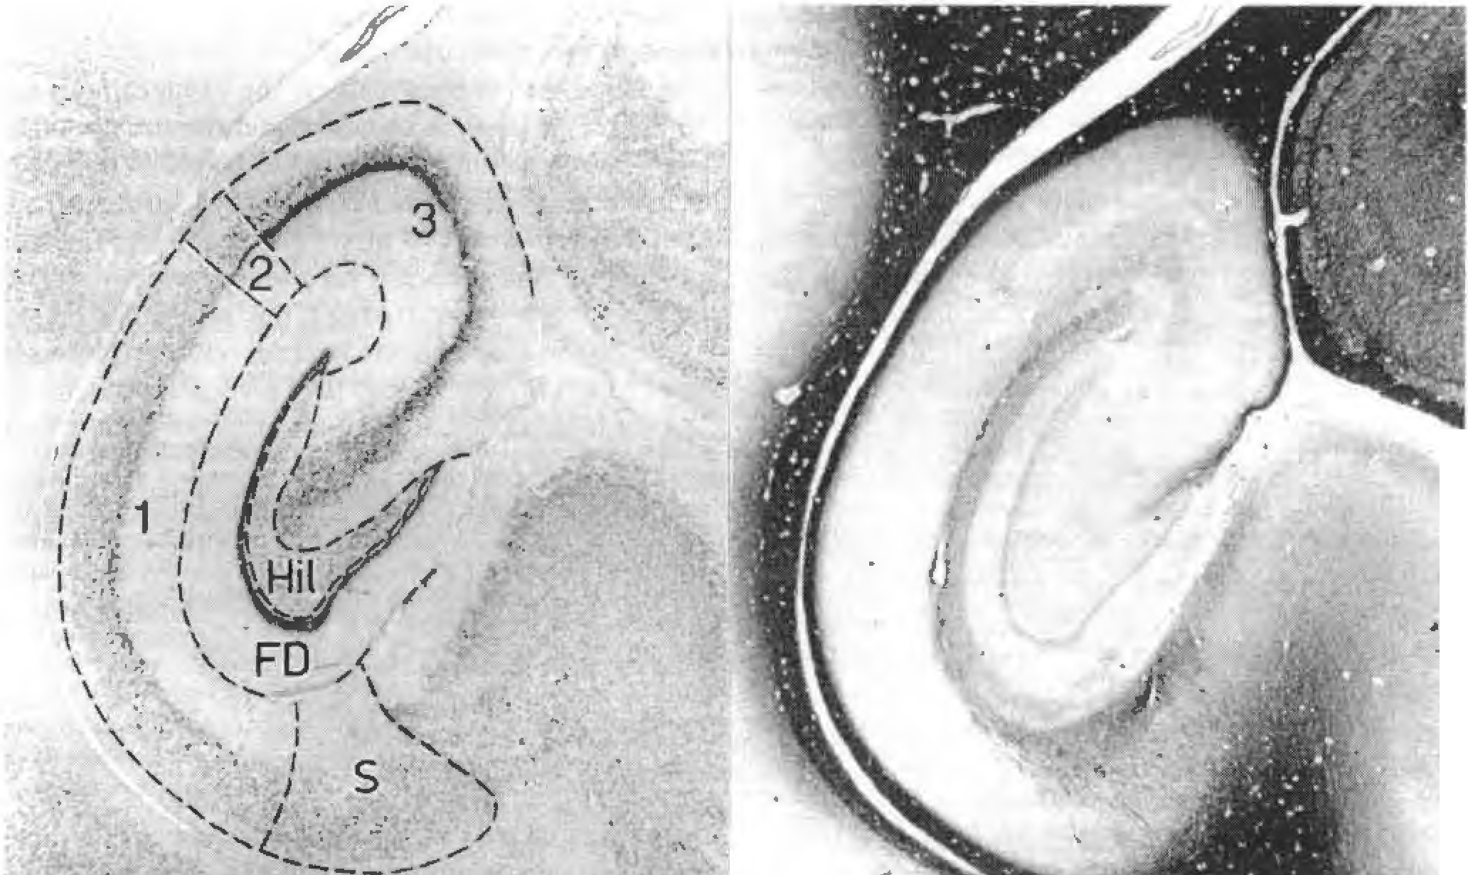
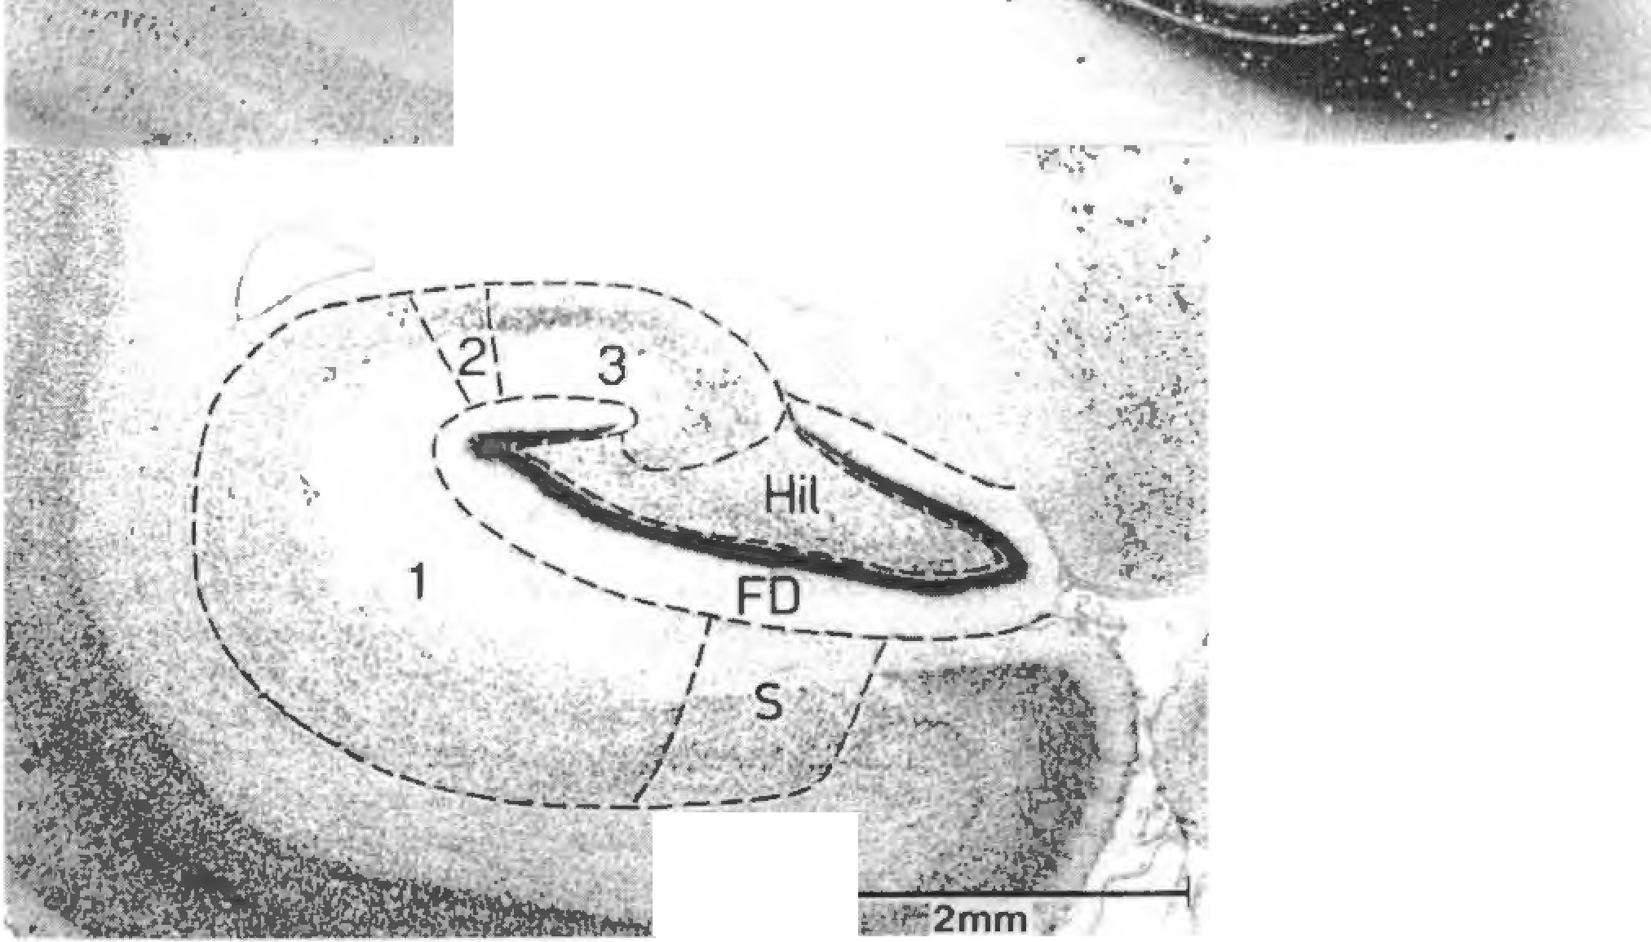
1------. cf:. • 2mm , ----:.:..IIC:�11:-�-�-:::..-. |  | ti D. F11"11"' ,md K. I.JI l l-�: M1pr,ocampus m primates 345 .....
F111- 2. Above: /n,Jrr 111Jri !l'r,1-1m11\ Left: (. rcsyl violet. | .... l
Ri�ht hber �t.1111 {ilcidcohaio-Woelc�c I of .an ,1dj.1,en1 �ect1on Beluy,. Jfmp,th,·rn.• 1<1l<1f'"lll ! S1mii t. l"re,) I , 1olct.

Table 8
u l> ht�u"' .inll K I.It Lt,\ tl1pp�11mpu� m pr1ma1es 349
L1hlc l \llo1tl\'tr1, '!IC 111d1i:i:, ,,I \H1,cph11htal1on, h1ppnL·,unpu... Jnl.l t11p110�.1m1111I rc11111n, �)!L'dl.', l!'-.T I I11' lihcr 11 R "' II l ,\ I |  |  |  |  |  |  |  |  |  |  |  |  |  |  |  |  |  |  | (_ \2 ('" J ll1lu, I [)
f ,.,,,,., ,·,,w,J,,r,,' |  |  |  |  | ,�,�,. �� ,,4 lll 11'1' 'ii Ml |  |  |  |  |  |  |  |  |  |  |  |  |  |  |  |  | ,II -� 11.,
.'frllfrr lf'IH\U\ |  |  |  |  |  |  |  | 112 ti.lo 11-' I ,t, Il.l,, |  |  |  |  |  |  |  |  |  |  | \12 |  | 111(, |  |  | I le, 112
/l!'ml, l'tlll h·• l(tnl \/'1'1!1, 11 I ]11-l 1 JO IJ5 I,f,l.t>. q |  |  |  |  |  |  |  |  |  |  |  |  |  |  |  |  |  | �I 117 |  |  |  |  |  | 1112 11•1
f dtwop, ft'//1/lf/ ll.1 <It, 71 |  |  |  |  |  |  |  |  |  |  |  |  |  |  | <1-l 11\ Ill( •N |  |  |  |  |  |  |  |  | lCJ lit>
\k.111. lctuc.:, 1n - 41 IOU I\IH 11111 11111 HIil 11111 !IHI |  |  |  |  |  |  |  |  |  |  |  |  |  |  |  |  |  |  |  |  |  | IIHI |  | IUO |  | JII\I
^{1s11} 2 "
\f, , ,.,. | /,111 '"'"'"'" lN, 271 ��" F� l '2 J1H 117 �17 113 |  |  |  |  |  |  |  |  |  |  |  |  |  |  |  |  |  |  |  |  |  |  |  |  | 21.l
c1,.,,,,.�11/,•r,1 m,uv, ('hcm,�.1leu, mcd1u, |  |  |  |  |  |  | ,4� 211) .t ,!) ,2,•�1:- 2.,() �-$'\ �-'� J 1-l |  |  |  |  |  |  |  |  |  | .NII .llt> |  | 12'\ 1111 |  |  | 2t> l 21i |  | l8k 150 | 2'41 202
/ ,·11110 fll/l'/1 I |  |  |  |  |  |  |  | .,IS .,u., .1111 |  |  |  |  |  |  |  | hr,4 | �•11 |  | I ,J 2,,, 279 |  |  |  |  |  |  | ]It,
\ ,1rci:m varici;11ta |  |  |  |  | �5(1 l!M |  |  |  |  |  |  | .1(,2 m ,11, �u,, l.lti |  |  |  |  |  |  |  |  |  | ]1)4 |  | 570 |  | J.12
I.••111/r11w r ft((tnmd,111,, |  |  |  |  |  |  |  | }-l I 2 JI |  |  |  | N2 !<IX |  |  |  | l<l(I | 111 13 |  |  |  |  | l�R |  | 120 |  | 1,4
,\\·,1hi I 1ni11cr lnni11L•t |  |  |  |  |  |  | }6h n., n1 2.H -1911 |  |  |  |  |  |  |  |  |  | J57 |  | t.,lh� |  |  | 171> |  | 1•1� Jt,')
. ll•,1/u I. 11, ,·1t1,,11111/1, |  |  |  |  |  |  | .,211 �h'.' |  |  |  |  | 2J.' 270 |  |  |  | <.,U | Hll |  |  | Pl! |  |  | JOJ |  |  | 1')4
l't/lp!!hl'�u, �,:rrl.'.iu,1 |  |  |  |  |  |  |  | 1<. I !(12 |  |  |  | .IOI Hh |  |  |  | ,117 �11'1 |  |  | IP ,�2 )H |  |  |  |  |  | I 72
lml,i ,nJr, |  |  | ,-12 275 -II\ I 2·1.l ,lot, ·'" 120 |  |  |  |  |  |  |  |  |  |  |  |  |  |  |  |  |  |  | 2 lJ | 1114 |  |  | 14,1
I l:111h,·1111111111mml.111:1"·.,r11:n..i, |  |  |  |  |  |  |  |  |  | hll� ,u5 |  | h'l."I -IH |  |  |  | hS '\ :.N |  |  | ISS |  |  | JI .m Hu
l•>o
7!)2
5},
➔II'}
}5J
,lh(,
,lJQ
1,t,'I
JI.I
"'"
�•H
!"'')
JQ.I
,.u
"I!
.114
no
1 II
�.H lt,] l!i8
-IS\I
}hl
i,,u
.:'h(\
1•�-1
,1"-t
'Ill
4.l7
2 Q
;-01
U6
2<.Jt,
M)
35.1
I 9
361
8�-1
'''!(
-I II•
,1)!
J1r
41.i
,.r
�•N J�l 3-11
2'1!
154
.\lC4
42'
233
.n.i
2'/U
27J
1t,O
J!W
]•N
41.5
)05
JSO
2,S..,
-lb'
81!
IK)
\.l.l
118
1,111
12l
11'}
I .ltl 1-1-
l�I
5 "
nq 73q 303
228
353
5"l5
,s�
IL\ I�1 2211 HI
It>�
2-10
1117
1,0
IK-l
112
101
lO" 101 DI 116
l2l
IH
1-1
270
Q]
Sk
1�2
101
l'H
171
PK
23.l
147
155
2 I(,
I"''
J::!I
!t,O
163
2)11
15t>
1(,7
138
!95
2-1
152
221
J,U!
I-l�
234
16Q
!ll2 W> IIU 219
18.1
19)
2-11
148
366
127
121
187
J9-I
U!l
2-12
222
317
118
2,,5
173
2S7
:!JQ
1�5
:m
1-13
ll,5
170
.\:16
357
241
40.l
212
IQ!
260
JQ4
257
385
2i2
-121
283
-166
liSI
2&5
156
2JQ
l3J
297
3J2
157
2:-t.
.mi
:tr
175
255
11\,1
.rn,
l?O I 4f> 1711 L'5 IS7
l•U
2JU
209
l5fl 2Ul l•W 114
\St,
119
123
185
lfl9
1Y5
150
151
jqg
ID
3-11
IOtl
72
lo2
l�I
I ,ir1, 1,trd11m1d11 i |  |  |  |  | 417 un I 71J 11'18
r,.} �I 1,·l'hui. �oui:an� ,,,.,,,,,,,.,,. "' p,,ttfl CiJl.11to l,encgJkn•m f1,,,,,.,,,,,, 'fd H 1r:tJ11,l,ll1' \ l,�l.1go1d,:,. d,:m1Jotl |  |  |  |  |  |  |  |  | ,IH 12•1 l!Q 211 Ut, .l-111 J.n !5•1 �.11 •!t> |  |  | NII .n.a 2'.'"I 21(1! ['>� J7!C 30➔ HI J,1' J2J
I,1nl/l, ,pr( -C'i 25h Ml.'Jll, llr0'>1rt11,m-. rn - I K, .j(ll) 211) l ·.,//,r/r,n r111 d1u\ 'i2" Z.,-1 |  |  |  |  |  |  |  |  |  |  |  | 2>M l�I .HI �s� .\:'0 !:to
( ' hu.-lla Pl j!Mt/<''1 ,ui:1111111, mu/u1 Mm,11111 .\,1i:11m11, m·,ltpu, ( ,1l/mr1t" K"<'ldt C'l'hlH 11lh1frn111 |  |  |  |  |  |  |  | �0.\ ! J(I h)X 2ti5 ,i,7 �.-.-_, q,1 218 10117 �;� |  |  |  | �•H \�': .\17 2-P .lSI 11.S 2!1(• )Ill! 62!< P"J
·I.. ,11\ tfll'/f'J10U/I\ |  |  |  |  | .'i�1 3W 5,,,, }(,(,
( ,1//11 .. ,.,,, 1110/o,•it |  |  |  |  |  | hlN 3!0 |  |  |  |  |  | -t I 2 JuS
�,11111/fl �C/IIT!'Uf |  | '145 ns 1')8 l�b
!'11//,·, Id 11/(lrJ(I( l111, |  |  |  |  |  | .�01 |  |  |  |  | J]Q | 56'' .Ill.\
-f /n/11/f/d ,H'/1/( 11/r,,1 -l lt'fr,1· f<('liflru_1I |  |  |  |  |  | ,l'i? 1.'l➔ Xlll 214 |  |  |  |  |  |  | �17 10(, UI ISII
f <11:, ,tlm I lll,:nthm lw ( ·an11,·h11, ,1fhtcr11,1 |  |  |  |  |  |  | 11\1� Jl7 1�5 ::'31 |  |  |  |  | t,)!J 'iUO |  | }(,{I j�Q
l',1r10 ,1t111h11 |  |  |  | � l•t ns XIJ! |  |  |  |  |  |  |  |  |  | j')t,
C,•rc oftllh<'l'llr 1nn1111u, ( t'I< "f'•tlstTIU 1,r//1, .\/wrulu·t 11.1 111/t1ft'"'' f.n rltmH·hut /MltH |  |  |  |  |  |  |  | /111-1 �riJ c,t,t, 2.J5 IOhl J25 8H 252 |  |  |  | .in 21,� 50'7 1114 t,S:i 273 ,�'7 1•><1
c..,,,,,,,, 1>1111111, P., �.,,,,,,, 11r,.111<·u_, |  |  |  |  |  | 1,-tr, .nu 21� 28:! hH'I Pl �w 3-lti
\u,<1/1, l1Jrt1/IIH //1/u/1,H,·, Im r,111 1r11i:lmh In (,of//lU ,tllrtl/U |  |  |  |  | 'lt'l �23 .:i111\ ·iO"' 'llt8 1!!' t,•JJ 1n |  |  |  |  |  |  | .Oil l�• t,;u1 ,ltiS .t3b 111-1 J'JfJ 137
M.:.m. llnn-hum11n )lm1.an,; In - Hl 7.\4 271 -110 2.17 ll11mo "1p1rff5 2'31 -Ill? JOO ll)t, Ahtm:v1atmn�: CA 1-) - fields of e-0rnu 11mn1on1s ENC .. Enceph11lizn1ion FD .. Fasciu dcnla1a
fiber • llmhria/fornix complc� .. pri:· .md suriracommi�s11r,LI h1ppt•l'Jmpus
111P = I lippocampuii. 1u1al Ill< retrm:ommii.surnl hippocampus s B � Suh1culum

Table 9
' l
..
,;.-
.r
. •. .-;:/
•. Ill;•... It /
350 Journal nf Bn1in Research JS ( 19941 .l
1<,alloa,w..,i1.-,a, J-ig. 3 Lug-lug plot ,if re1ro.:omm1�,ur.il h1i,ro.:,1mpu� \\1lu111c Jgam,t hod\' we1)(h! The ,1llomctnc· rdt'rcnn• \t11c I u = 0.57. t, =0.519) run� through the four �fll.'cic, nt Tcnrcrn1.1,·. lhc lmh·,1 cncr phull/cd m�cc l 1\'fHt� J"h C p;;rallCI IInc, I ml1,·1th· .I ! WU· rc,p luurfnld cnl,1ri,:cment ot 1hc hi[IJ1!kJmpu,. |  | h I-' 4 I Oj!�log [!lul ut C -\ I \ ,11um_. .111.iin, I h1•d} "eighI. \\,,_! rrin1.u,· �fie,1cs �tiuv. .1 l,l"'C.Uer prnJ,'rc�,u,n nr· thi, !icld lhdn fof !h<" !111.,I h1pf1••�ampu� S} mht1I, ·" ,n hg }.
• =a T.:nrtTn1;,c• x: �on-hun1:m ,im1.in� | + - l'r",1m 1.111, it .===- //1ll�llJ
In all prima\l) spe.:il"• hu,..,i.:vi.:r. \h" li.n1ml that the CA 1 field i-. Ihe !:.irgcst in ab-.oluti: '-J/0.:. \\Ith CA3 a,; the ,cconJ largest and I he l<t!-.1.:i.t dcn l,it:i In 1he l hI rd position. Only in Da11hen111111,J \\ !!Tl.' \ hi: po�i Liom. or CA 3 and fascia dcntata rever!'>i:,I. with th<." \Olumc llf the fascia den!ala slightly lari;?er than that ot CA J. l11e sizes of hippocampal regions ,He obviously 1101 uniformly enlarged in primate:-. a<: ,.:ompan.:d to in- ·cclivorcs. The extent to whii:h the dt•velor,rnent of hippocampal regions in primate1. i'.-, inhomo�cncous. ,.:an he shown using allomcIri,.: methud-,. To illustrate lhi: allumdnl· approat:h. twn log-In� plot<; ot hirpocampal region,; are prc,.cnt.::d. In Fig ) the volume of the relrocommi�-.ural hippo,:ampus i-; plo11ed again'-\ the body ,.., eight. Tlh.: reti:.·ren,·t· line nms through the mean of thl! four fonrei:inae spe-cies (their average size index i-. 1001. n1ere is a de.tr enl:iq_temenl 111 the siLe of th,., h1pp11camp,1l pan in primates. but the prosim1,1n and irninn value!'> overlap. The v,1lues for the fklu CA I ur prusimi,111s and simians also O\ .:=rlar ( Fig.41. Furthermore. the dis• 1:1ncc of primate values from lhc Ienrccinae rcfor-cncc line is in general �realer. indi("ating 1h,1! the progression of CA I in primates is more pronouneed than thal of the relrm:omrnissural hipr,ocampus a� a whole. The distancl":s from Lhe refcrcn1:l� hn.:: .i.rc e,._. pressed as size indices aml �c:1kd in Figs. 5 ;mcl o. In this mode or presentation. the average enlargemen\ factors for prosimians. <,imians am.I man ;md lhe sctlltcr or size 1ndice.-. wilhm thC'-;e gr,)up • ,:an he |  | dinxlly ,:ompared for all hipJ'OL'J!ll[l,il rc�ions meas-urt.·J Thc ..,j.,,_. indice, or the tot.ii t1ipr,(K.m1pus range I rn 111 187 ( /.oJ111 f tu 5115 ( O,wh,•1110111,11 in prosimians ;i 11d thrn1 172 ( (ion/la l to S(J7 ( l�rloharcs) in simian_. 1dllch n1e�111s thut there is a com r,lcte overlap of size 111dicc..; for I hcse Iv. o gruup, or primnIes and no fur-thc r im.:rea�e in the si1.c of the �1mian hippocampu ahove the -;i/l' reached b\' pro!-.imian�. The averagL' inJi;:x b 29 l ror pni�im i.111� unt.l 27 l ror simians. v. hi.ch ind icatc,; Lhat the relative si,.e of the IO(al hip-pocam pu� !ll prim.lies is 2.X times as large as that ol the ka'-1 en.:er,h,lliletl mammals. the m.adagassian ·1cn rccinac. N,:arl� the -,,I111e r:1ng.e� .1nJ ,Iverag.es as tor the tot:11 hippo,.-ampu� wen: ohserveu for its retrocom-111issural part. 1 his is no! '>urprising, since it is the largest part. comprising more than 90Hh of the toL:1I hippoi.:ampu,;. Within the rctrca.-omrni!>:-.ur,d hippocarnpus. the n.·�Ions differ as to the devdor,menl or their alln-rnet nc si,es. Subirnlurn: In tenrccine specie·. the ·iz.e ind ice· for 1he ,;uhicuIurn range f"rum 54 to 156. which ;., ,t rather brgc Jcviation from the :ivernge of" 100. The indiL·1.•s are much higher for prosimia ns (range: 290-709, avcrag.0: 4931. for non-human r,rirn:1tcs (range: l 51J-(,O7. average 361 i :rnd for man ( 894 ). The overl.1p of size indices for rros1mian'> and ,;m1ians Is almMt ..:nmrilcte. CA I: There is a l.irgc gap hct ween 1he size ind icl.' • for tenrc-cincs :inJ primates: C.'\ I i'i dearly cnlarg�d
,.,,,.
]
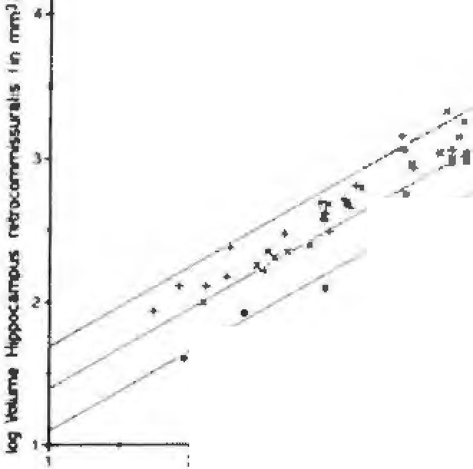

 |  | 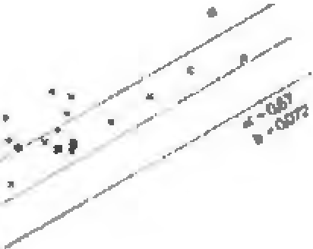
II. f) l'll.\11\1 and K. /11 us: lhpp1x:.im11us in primates 351
1000
4 1 � INS 0 2 "PROS 3 =NH Sim 4 = Homo :.' ;> :1 4 0 4 0

900
800
700
600
500
400
300
200
100 A B C
0
1000 900 •
aoo
;• :,
.
700 600 • "
)
'
C
i:
•
f
'
L
soo ,, 0 € f'

,oo
SubKulum CA 1 CA 2 CA 3 !-likls Fa,cie� Fig. 'i. Allumcuic �11c ind11:c, I .J. numerical c,prcssion tor the d.:, i.,tion uf lhc .,pc.:1e� lrom 1he 1�•1uecme n:1.:rcnce !me) fur A: Tolnl hip11ornmpu� ( pre-. ,uprn-. and rctrocommissur,11). B: Component made up of tbc liny pre- and supracommis�ural h,ppocampu� .iml !he tiber� nl the limhna/forni>. cumpie>. C: Rctro�,ommissurnl hippocnmpus (!urge liber tracts c,dudcd 1. In the vertical columns of ln'ict:tivorcs Cl), pro5imians (2). non-hL1mt1n sin1ian, 1.1l, ;ind m;ir, t-1). the �ing!e 5pecic5 arc Indk,,tcd by a �mull horl;w11taJ bar. the average index of a group by a circle Fig. 6. r\llomclric �in1 indices for lhc diff"rcnl regions of the rclrncommi��urnl hipp<>.:,!mpu� S, mbol, and .J.bbrcviationN as in Fig,...

