Table 10
l
376 Frahm, H. D. et al. vidual included in the measurements. More details on the intraspecific variability of the total neocortex (white matter included), on the material sampled, and on the methods of measurements used were given by STEPHAN, FRAHM and | i Table 1. Size comparisons (percentage values and indice!l) of the total neocortex volume (NV) in Insectivora, Scan-dentia and Primates.*

Table 11
f
)
BARON (1981). In their paper the volumes of the total neo-cortex (and of several other fundamental brain structures) were given for 76 species based on measurements of 165 individuals. The data for 71, species (the two species of ele-phant shrews were excluded from the Insectivora) are used in the present paper to calculate percentage relations and | NV in% of brain weight (1) | NV in% of net brain volume (2) | NV in% of te!en-cephalon (3) | size index (SI) (4)

Table 26
i

Chrysochloris
stuhlmanni5 | 17.lt | 18.G | 28.2 | 242
Neomys focliens | 17.7 | '18.9 | 32.3 | 202

Table 39
-
-
-
-
-
4:
-₋
- ₋
-
3-
-
-
-
w
X:
;:J
-
54
>
128
64
32
16
8
o=
1
2
3
4
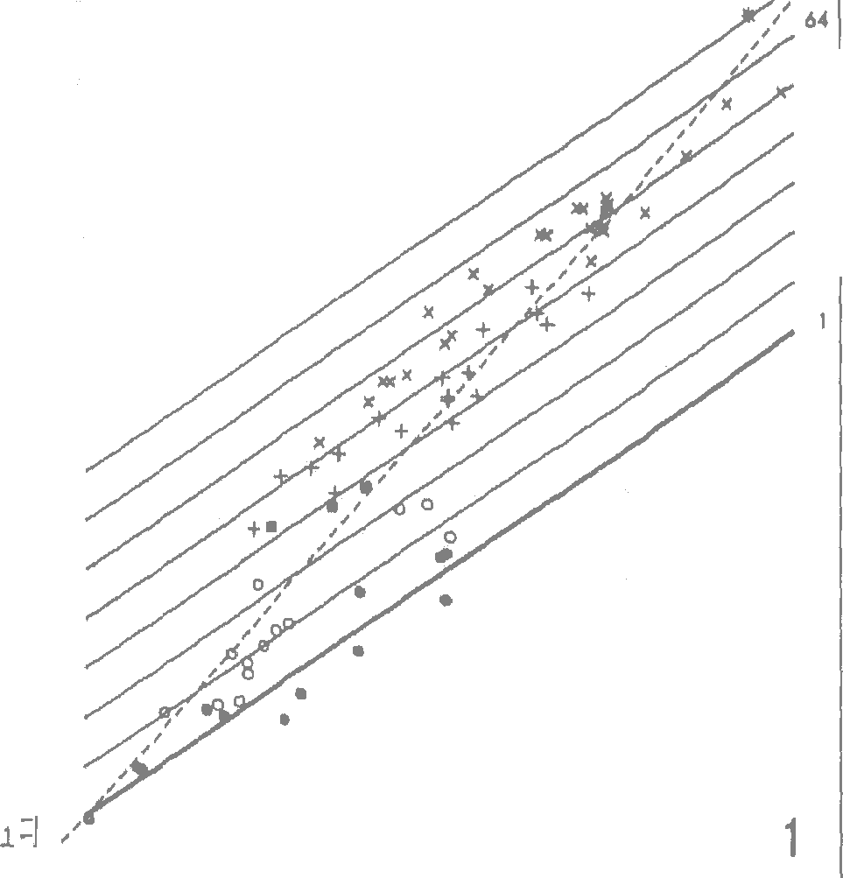 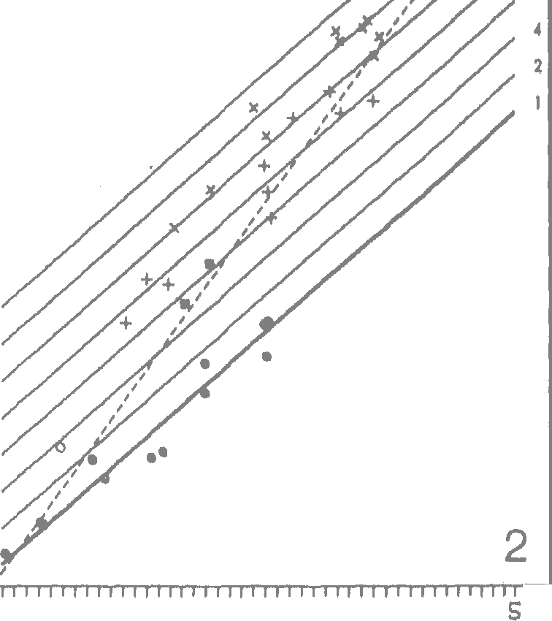 378 Frahm, H. D. et al. w X: ::J ..J 0> w>< aI-:: 0u 0 � 0) 0 I 1 I I I I 1 i I Ii ii r I I ii I II I I I I I ii I I I I I I II I I II II Ii I 1 2 3 4 5 log BODY IIEIGHT Fig. 1. Fig. 2 | log BODY IIEIGHT

Table 46
:::i
he is omitted from the main scale; his position is shown on an additional scale cm the extreme right (Fig. 3) or bottom (Figs. t,-7). HOM Homo sapiens, INS Insectivora, MON monkeys (Callitrichidae, Cebidae, Cercopitheci-dae), NHP non-human primates, PON Pongi-dae (apes), PRO prosimians, TUP Tupaiidae | 1000- f 500- .i | � - 2500 ::c zI TUeAIIDAE�[ � PROGR. [

Table 49
'
380 Frahm, H. D. et al. Table 2. Volumes and percentages of total neocortex, white and grey matters, and laminae 1 and 2 '-6 in Insectivora, Scan- dentia, andPrimates.1

Table 50
I
,,
'
total white white matter grey lam 'l lam 'l lam2-li � neocortex matter in% of matter in in% of in f inmm3 in rnm3 neocortex inmm3 1111118 grey matter 1111113 I I ('1) (2) (3) (4) (5) (6) (7) 1 r ( '1 '• ( r f r f

Table 53
I
r t ( ( I ( f

Table 58
i
those of layer 'l. In both cases they sum to '100 and are not given. If more than one individual is measured, the number of specimens is given in brackets behind the species name.

Table 62
1000
{
-PRO
�
"
-TUP
_{-TUP} -PRO
()< -TUP
f�·
-MON ^{I=}
<II
-TUP
-1000
5000 3000 | -MON -PRO J | ()< -PON -MON | -PON | <II -PON ,,. -MON' ; -PRO | '-5000 ...3000

Table 71
6
-
4-
-
-
-₋
3-₋
-₋₋
2=
"'
!
)
,
t ·.\ "r ' w :i:: :::i .J 0 ;> wX cf-c {J | The progressive insectivoran Neomys fodiens has an SI of 185 and the tree-shrews an average SI of 7:L6. Within the Primates the average SI values are 14.(jfi for prosimians (ranging from 780 to 2348), 3038 for monkeys (ranging from '.I 780 to 4575) and /i08/1 for apes. Again the distance from the apes to man is larger than that from Insectivora to apes, This is clearly illustrated in Figure 5. Lami·iia 1 of neocortical grey Perce1itage: The percentages of the volume of the

Table 72
0
.. a f wz OJ 0 r< | 2 3 4 5 b log NET BRAIN VOLUME | molecular layer relative to that of the total grey matter are given in Table 2, column 6. Within the basal Insectivora average values are 32.5% for the Tenrecinae, 27.4%, for the Erinaceidae and 25.G% for the Soricidae. Within the 5'.lriciclae the red-toothed shrews (subfamily Soricinae, con-taining the more progressive european water shrew Neomys) have a clearly lower percentage of lamina 1 than the white-toothed shrews (subfamily Croci-durinae). The Soricinae have an average of 20.3% (ranging from U).3% to 20.9%), whereas the Croci-

Table 75
�<
- � 5: ::J - ....I - 0> - : >- - (!) - 'O : C - d - � 3: :H:c - - ::s : >w< -: � 2: a - u : wa -- | 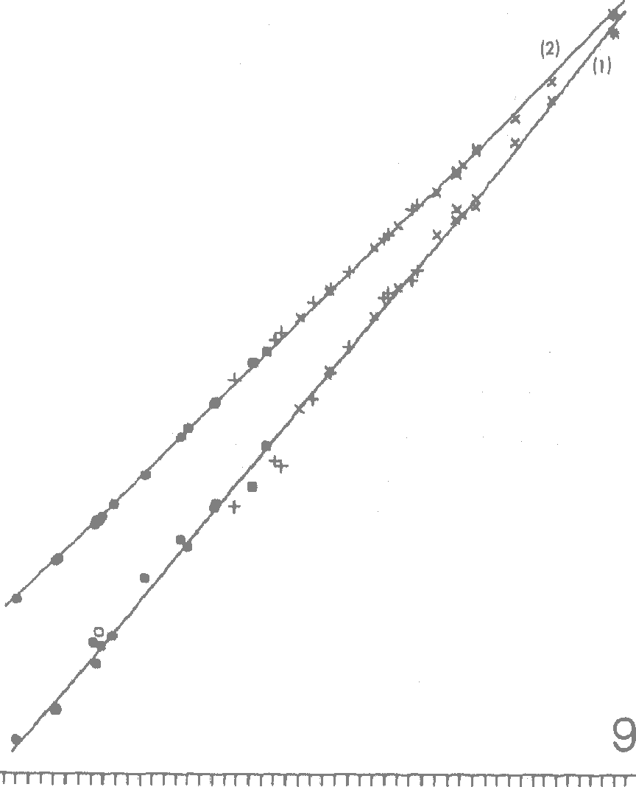 is from 66 to 147 (av. is 106) and in the Erina-ceidae from 122 to 165 (av. is :138). When re-lated to the average basal Insectivora the tree-shrews have an average SI of 342. Within the Primates the average SI values are 756 for prosi-mians (ranging from 462 to 1253), '.I. 291 for mon-keys (ranging from 717 to 23ll4), 1 7'.19 for apes and 4-462 for man (Fig. 6). Laminae 2-6 of neocortical grey Percentage: The percentage of the volume of the cell layers relative to that of the total grey matter complement of course that of the molecular layet, so that added they reach :100%, Thus, all the diffe-rences and trends are reversed, i.e. the percentage

Table 77
f
t
Fig. 9. Neocortical white (WV) and grey matters (GV) plotted against total neocortex (NV). Formulas are (t) overall for white matter (n = 38; r2 = 0.996) log WV= -1.1,31 + '1.185, Jog NV (2) overall for grey matter (n = :38; r2 = 0.9996) log GV = 0.049 + 0.9fi8 , log NV of 100, the three Soricinae have values of G4.5 (Sorex minutus), 67 (Sorex araneits) and G3 (Neomys fodiens), and an average of 65. Thus, in species with equal neocortical grey volume the lamina :I volume of Soricinae is, on the average, less than two-thirds that of the Crociclurinae. Similar diffe-rences are seen when the molecular layer is plotted against layers 2-6. Size indices: The indices increase from 66 in the lesser hedgehog-tenrec (Echinops) to 4462 in man (Table 3, column 3; Fig. !:l). The ratio of these values (1 : 68) indicates directly, that the volume of the molecular layer in man is about 70 times larger than in the lesser hedgehog-tenrec of (theoretically) equal body weight. This is distinctly less than that of the total neocortex (232), of the grey matter (198; see above) and of the dense-celled layers 2-6 (272; see below). Within the basal Insectivora the lowest average value is again found in the Tenrecinae (77; ranging from 66 to 86). In the Soricidae the range | (r2 = 0.999 5) is not surprising, since the two struc-tures differ only in that the molecular layer (lamina 1} is included in the neocortical grey and excluded from the band of cell-dense layers (laminae 2-6). Size indices: The size indices increase from 53 in the lesser hedgehog-tenrec (Echinops) to '.L4423 in man (Table 3, column 4; Fig. 7). The ratio of these values (1. : 272) indicates directly that the volume of the neocortical cell layers is about 270 times larger in man than in the lesser hedgehog-tenrec of (theoretically) equal body weight. This is distinctly higher than in layer 1. (fl8). Within the basal Insecti-vora the lowest average index is found once again in the Tenrecinae (G5; ranging from 53 to 71), whereas in the Soricidae (H3; ranging from 91 to :131) and Erinaceidae (151; ranging from 134 to 181) the values are clearly higher. The progressive insectivoran N eomys has an index of 205 and the tree-shrews an average SI of 872. Within the Prin1ates the average SI values are :I 77G for prosimians (ranging from 922 to 2852), 3829 for monkeys (ranging from 22119 I to 5623), 5227 for apes, and 14423 for man. Again the distance from the apes to man is clearly larger than that from Insectivora to apes. This is illustrated also in Figure 7. Discussion ; I Regression analyses: The range of systematic groups 'I_,'"· (families, orders) across which the calculation of f a common slope is meaningful, depends on the struc- �'

Table 79
hues or structural complexes which are plotted against one another. If these are functionally depen-dent upon one another, as e.g. grey and white matter of the neocortex, then all mammalian species appear to be close to a common line. Thus, the data given by ScHLENSKA (1974) for rodents, carnivores and ungulates are on or close to the insectivore-primate line given in Figure 9. Of course full agreement will also exist, when the structures which are plotted against one another are essentially identical, as e.g. laminae 2-6 and neocortical grey, or neocortical grey and total neocortex. However, a regression line which is common to all mammalian species may not be possible (1) when the plotted structures are functionally independent or (2) when one or both of the plotted complexes have distinctly differing compositions, as e.g. total brain or total telence-phalon, both of which have a much greater percent-age of olfactory structures in Insectivora than in Primates. If such structures are included (Fig. 8), well fitting regression lines may be obtained only when restricting the analyses to species of more closely related groups, e.g. of the same order. 'When a | 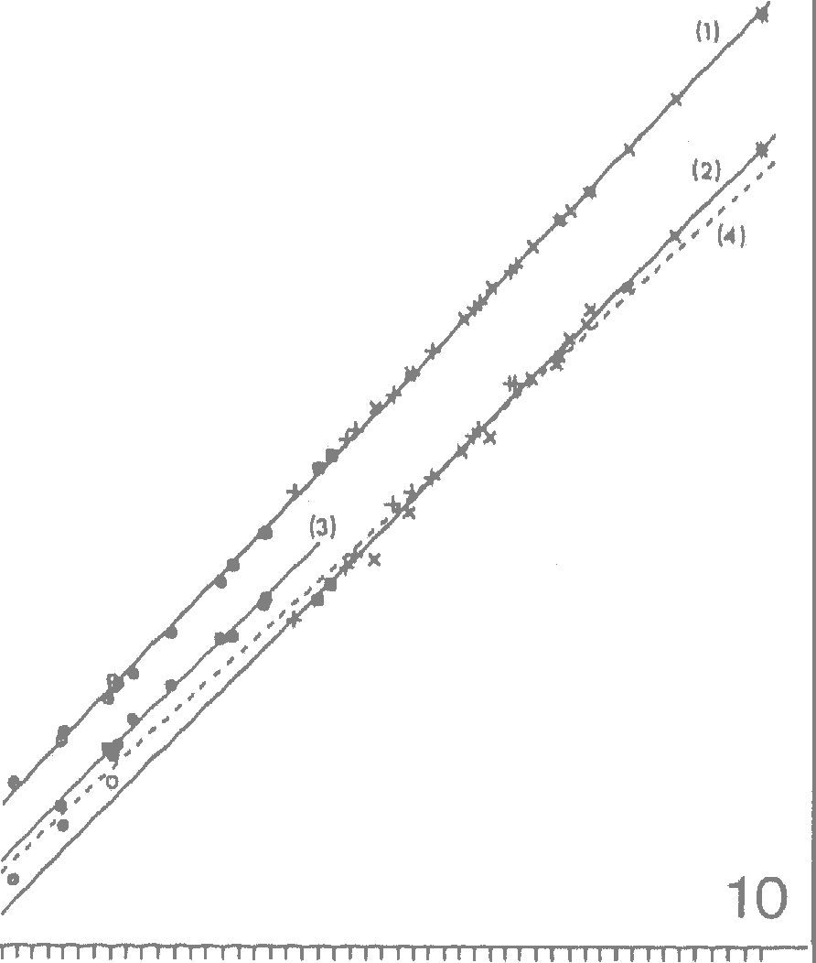 'O C d .-i3 al:: ....J X w �2 a u a zw - ..g..11 | 1 2 3 4 S 109 NEOCORTEX GREY VOLUME

Table 82
f
f
f
f
f
values correspond well with our own. Clearly higher values were given by PILLERI (1966) with about 1300 ems, SCHLENSKA (1969) with 1216 cm3 (average of 7 individuals) and HAUG (1970) with 1179 ems. However, PILLERI and ScI:ILENSKA used larger brains (1600 and 1439 g, respectively), and in addition the brains in ScHLENSKA's investigation were obviously swollen when measured. When the data of PrLLERI and ScHLENSKA are converted to a standard brain of 1330 g, the neocortex would be about 1080 cm3 and 1040 cm3, respectively. These values are close to those of JAEGER and ourselves, and thus we believe that the differences in the measured neocortical volumes are mainly due to differences in the weights of the brains. In the material of SCHLENSKA the measurements of the non-human primate brains as well as those of the human brains were made on swollen material. When the measured neocortex volumes are referred to the fresh brain weight SCHLENSKA1s data for man result in about 84.5% instead of about 76% given in Table 1., for Cercopithecus 89.8% instead of 67%, for Macaca 86.8% instead of 68% and for Callithrix 80% instead of 58%, It is uncertain whether the whole differences are due to his measurements on swollen brains, or to his use of an integrative stereological method which may give too high va-lues. The size of the total neocortex in Insectivora and the differences between various species and groups were discussed by STEPHAN (1967) and STEPHAN and ANDY (1981) and shall not be repeated here in detail. Similar discussions on primate neocortex were given by STEPHAN and ANDY (J.969) and STE-PHAN (1972) and only a few statements and/or inter-pretations, which are relevant also for the size of the neocortical parts shall be repeated here. Withi | deviates from the Pteropodidae by an especially large brain i (and all of its parts) and Hipposicleros commersoni from the J Hipposidericlae by an especially small brain (STEPHAN, I NELlSOdN �llt� FRAHM, 11981). In bt�ts it c_oul�cl bfe S�ll�wn, that f sue 1 evrn 1011s are one excep 1011s wit un •am11es wh.ich I otherwise have well correlated brain/body weight re.Iation- I ships. In M iopithecus talapoin, Daubentonia and Pteropus lylei we considered that the high encephalization f was the consequence of a secondary reduction .in body size. Such 'dwarfism' may sometimes occur I and the diminution in brain size in relation to the \> reduction in body size appears to follow an intra- - specific exponent (generally close to 0.25) which is € clearly lower than our interspecific (intrafamiliarJ ; one (which is generally between 0.6 and 0.7). The I deviating species under discussion may have evolved i from larger-bodied ancestors (BAUCHOT and STEPHAN, ( J.969; STEPHAN, 1972; STEPHAN, NELSON and FRAHM, ; :l.98J.). Such species have 'too small' a body size for II their brain size and accordingly are highly encephali-zed. A body size enlargement accompanied by a \ brain enlargement in a similar intraspecific relation- I ship may have occurecl in Hipposideros commersoni and in the gorilla. In this way animals may have been produced which have 'too large' a body size ( for their brain size and accordingly are lowly ence- '._:.· phalized. Possible relationships between degree of e11ce-phalization and arboreal habits, activity periods, feed-ing strategies, and social behaviour have been dis-cussed for Primates by BAUCHOT and STEPHAN (1969) and more recently by CLUTTON-BROCK and HARVEY (1980). The

r

Table 85
I
f
388 Frahm, H. D. et al. (1) In the allocortex and in some of the transitional cortices (several of which are included here for the measurements with the neocortex; see material and methods) a good deal of the afferent fibers run through the periphery of layer 1. (see also next point of discussion). Transitional cortices in lower forms represent a relatively large portion of the measured neocortex, but in higher forms only a small portion. In higher mammals true neocortex predominates. In this, the peripheral running afferents have nearly disappeared and almost all afferent and efferent fibers run through the deep white matter. (2) When the functional units of the grey matter (cells, cortical cell columns) are all connected with one another by separate fibers and when each addi-tional unit becomes connected with each of the already existing ones, then the number of connections (C) is related to the number of units (U) according to the formula C = 0.5 U • (U - 1), which is nearly 2 | layer measured by EcoNOMO and KoSKINAS was 0.21 mm (total thickness of grey matter= 2.75 mm) on the free surface, 0.23 mm (2.21 mm) in the wall of sulcus and 0.40 mm ('.l.60 mm) at its bottom. In each locality the molecular layer in percent of tJie total thickness is 7.6%, '.L0,4% and 25%. Our volume average for the molecular layer of the human brain is 12.88% (column 6 in Table 2) and is thus clearly within this range. An especially thick molecular layer was found by EcoNOMO and KosKINAS (t925) in those cortices which are transitional to the various parts of the allocortex and in the allocortex itself. In the allo� cortical regions a strong superposition of myelinated fibers is present. MEYNERT ('1868) called these cortices J 'weisse Rinde' (white cortex). ( The superposed myelinated fibers may be long ® and may come from other regions, in contrast to the short tangential fibers of the molecular layer }1 1

Table 87
r·
l
r
f
nections the number of fibers within the white matter increases far more than the number of grey units. In a double logarithmic scale the slope is 2. When plotting the volumes of white matter against that of grey matter the slope was found to be :L.235 (see results, wl1ite matter), i.e. clearly lower. The main reason for the difference between this slope and the slope of the theoretically possible increase of numbers (= 2) may be due to the facts, (1) that many of the grey units are not connected with one another, (2) that many connections are 110t by sepa-rate fibers, but by collaterals, and (3) that adjacent units are often connected by horizontal fibers within the grey matter. Relation between inolecitlar layer and dense-celled layers: In the composition of the neocortical grey there is a remarkable relative reduction of the molecular layer (lamina 1) from about 32% in the lower Insecti-vora to about i2% in higher Primates. The remaining dense-celled layers (laminae 2-6) are thus 68% and 88%. These values may also roughly represent the relative thickness of these layers in the cortical grey. According to our measurements the molecular layer is about one-third of the total thickness of the cortical grey in the Tenrecinae and about one-eighth in the higher Primates. The thickness of the molecular layer in the human brain was discussed in detail by EcONOMO and K.OSKINAS (1925, pp. 116-H9). Large regional differences in thickness exist not only in the direction from the free surface to the bottom of the sulci, but also in various parts and lobes of the brain. In the frontal lobe the thickness of the molecular | deeper cells of the same or adjacent cortical column(s) ( or field(s). A larger thickness of the molecular layer suggests • a more primitive state, not only in comparisons of ( the various cortical types (neocortex, mesocortex, t allocortex) but also in comparisons of the various i. evolutionary lev�ls as represented ?Y Inse ctivo ra, prosimia:ns and sunians. Some evolut10nary 1c eve 1op- , ment seems to be present already within the Insecti- ? vora, when the "basal" and "progressive" forms f are compared as was done by RmmXMPER (i981). The interesting fact, that the molecular layer in the red-toothed shrews is clearly smaller than that of the ,, white-toothed shrews needs further attention. f I 1 Acknowledgements f The valuable help of Clare ROBERG, Monika MARTIN, Barbara HECHLTm (histology), Helga GROBECKJm (photo-graphy), and Hclma LEHMANN (typing) is gratefully appre-ciated. Thanks are clue to John NELSON for checking the English text. References ANTON, G.: Gehirnvermessung mittelst des I<ompensations-Polar-Planimeters. Wien. !din. \,Vschr. 16, t21i3-l267 (1903). BAUCHOT, R., and H. STEPHAN: Encephalisation et niveau evolutif chez Jes simiens. Mammalia 33, 225- 275 ('I 969), BONIN, G. v.: Brain-weight and body-weight of mammals. J. General Psycho!. 16, 379-389 (·1937). BRODMANN, K.: Neue Probleme cler Rindenlokalisatiou. , Neural. Zbl. 30, G9G-G98 ('191'1). f BRoDMANN, K.: Neue Forschungsergebnisse cler Grof3him- I rindenanatomie mit besonclerer Beri.icksichtigung anthro- }� pologischer Fragen. Verh. Ges. dtsch. Naturf. u. 1\rzte. rt·.· 85. Verhancll. Wien, Bel. 85, Tei! 'I, 200-2110 (t9t3).

