Table 3
Table 2. Percentages and ratios of Area MT |  |  |  |  |  | 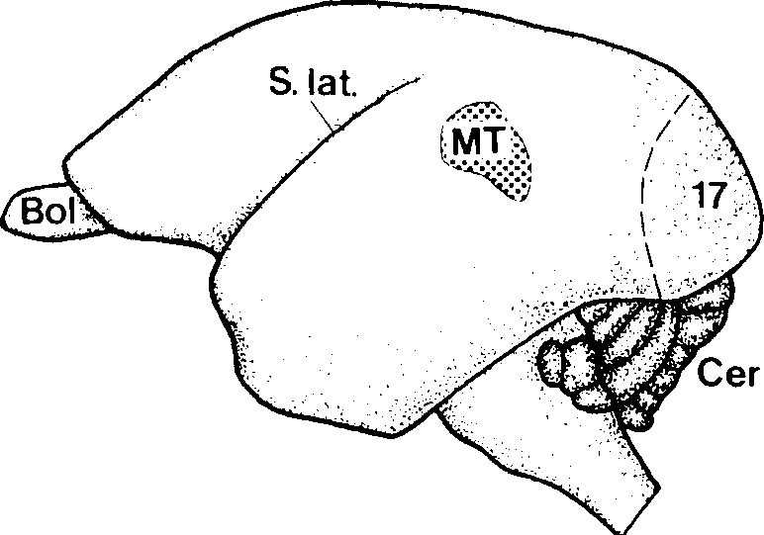 H. D. FRAHM et al.: Size of area MT in primates 47 Fig. I. Lateral view of the brain of the common marmoset, Cal/i-thrix jacchus, indicating the position and extent of Area MT and the primary visual cortex (Area 17). the size of the brain as a whole), the entire rostro-caudal extent of the MT. These values were corrected for shrinkage due to histological processing (STEPHAN et al., 1991). The resulting volumes of the MT in the 27 species were compared by apply-ing allometric methods. The logarithmic expression of the allo-metric formula (SNELL, 1892) log y = log b + a • log x represents a linear regression (y = MT volume, b = intersec-tion of the regression line with the y-axis, x = body weight), in which the slope a of the allometric line was determined hy a principal component analysis within both prosimian and simian data. A detailed description of this mathematical procedure is given in REHKAMPER et al. (1991 ). The principal component ana- lysis allows the calculation of a common slope (a = 0.513) for
Species | MT in% ofNEO |  | AS MT |  | MT CGL
Microcehus murinus | 1.79 |  | 10.29 |  | 1.87
CheiroF,aleus major | 1.77 |  | 8.31 |  | 2.42
Jndri indri | 0.80 |  | 10.20 |  | 1.71
Loris tardigradus | 0.93 |  | 16.09 |  | 1.34
Ga/ago senega/enis | 1.86 |  | 7.55 |  | 2.49
010/enwr crassicaudatus | 1.01 |  | 10.09 |  | 2.05
Ga/agoides demidof( (n=2) | 1.26 |  | 10.84 |  | 1.81
forsius spec. | 2.81 |  | 7.02 |  | 2.39
(n=8) | 1.53 |  | 10.05 |  | 2.01
Callithrixjacchus (n=3) | 1.56 |  | 8.30 |  | 2.72
Cebuel/a gygmaea | 1.79 |  | 8.67 |  | 2.48
Saguinus midas | 1.55 |  | 9.24 |  | 2.53
Saguinus oedipus | 1.75 |  | 7.83 |  | 3.01
CC1lli111ico goeldi | 1.75 |  | 8.69 |  | 3.58
(n=5) | 1.68 |  | 8.55 |  | 2.86
Cehus spec. | 0.33 |  | 24.69 |  | I.JI
Ao/us trivirgatus | 1.09 |  | 9.21 |  | 3.29
Callicehus moloch (n=2) | 0.83 |  | 13.03 |  | 1.70
Pi1hecia monachus | 0.49 |  | 16.27 |  | 1.35
Alouarta seniculus | 0.69 |  | 8.72 |  | 2.52
(n=5) | 0.69 |  | 14.38 |  | 1.99
MacC1ca mulatta | 0.52 |  | 16.09 |  | 2.10
Cercocehus albigena | 0.52 |  | 14.94 |  | 1.99
Pupio anubis |  | 0.75 |  | 9.50 |  | 2.66 | the allometric line with contributions (weighted by the sample
Cercopithecus ascanius |  | 0.52 |  | 18.02 |  | 1.61 | size) from both the prosimian and simian groups. After the cal-
Cercopithecus mi1is |  | 0.49 |  | 17.43 |  | 1.62 | culation of this common slope, the regression line was position-
Miopitherns talapoin |  | 0.52 |  | 17.15 |  | 1.25 | ed so as to run through the average body weight and average
Erythrocebus patas |  | 0.43 |  | 23.18 |  | 1.26 | MT volume of the 8 prosimian species. The deviation of each
Nasalis larva/us |  | 0.58 |  | 12.63 |  | 2.33 | single primate species from this base_line was calculated as size index (sec Figs. 6, 7, and Table 3) indicating the increase or
decrease of the respective area.
NEO = Neocortex volume; data taken from FRAHM et al., 1982 tioned, Niss!- and myelin-stained brains from Stephan's and our own collections, both located at the C. & 0. Vogt Institute of Brain Research. Additional information for a reliable delineation came from receptor-autoradiographic material and corresponding sections stained for myelinated fibers in brains of Macaca mulatta. Animals used for histological processing of brains were sacrificed by a lethal dosis of sodium pentobarbital and perfus-ed transcardially with physiological saline followed by Bouin's fluid or Bodian's fixative. The brains were carefully dissected, embedded in paraffin, cut in the coronal plane and cell bodies or myelinated fibers were stained in alternating sections (for details see STEPHAN et al., 1981). Volumes were determined by planimetry of camera lucida drawings covering, at regular distances (assessed according to |  |  |  |  |  |  |  | Results In histological sections stained for myelinated fibers, area MT appears as a field characterized by a dense band of darkly staining fibers, mainly occu-pying the lower cortical layers. In smaller, almost lissencephalic prosimian and simian brains this cor-tical area is situated on the dorsolateral surface of the temporal lobe. Figure l shows the position and extent of the MT in the brain of the common mar-moset, Callithrix jacchus. To illustrate the position of the MT in another almost lissencephalic callitrichid species, a sequence of schematic drawings of coronal sections through the brain of Saguinus oedipus is given in Figure 2. The section numbers indicate that the rostro-caudal
(11=8)
0.54
16.12
1.85
Pan tmi;lodytes
0.54
6.76
4.40

48 Journal of Brain Research 39 (1998) 1 Tab le 3. Allometric size indices of visual structures in primates |  |  |  |  |  |  |  |  | Tab le 3A. Summary of Table 3

Table 4
MT a= 0.513 |  |  |  | AS a= 0.510 | CGL a= 0.480 |  |  | n | MT | n | AS | n | CGL
b = 0.350 |  |  |  | b = 1.277 | b = 0.074 | Prosimians |  | 8 | 100 | 18 | 105 | 18 | 104
 |  |  |  |  |  | Non-human simians |  | 19 | 165 | 25 | 245 | 25 | 190
marmosets |  |  |  |  |  |  | 5 |  | 193 | 5 | 190 | 5 | 156
monkeys |  |  |  |  |  |  | 13 |  | 145 | 17 | 262 | 17 | 203
apes |  |  |  |  |  |  |  |  | 283 | 3 | 235 | 3 | 177
Microcebus murinus | 76 | 94 | 88
Cheirogaleus major | IOI | IOI | 97
Cheirogaleus medius |  | 75 | 76
Lemur albifrons |  | 165 | 135
Varecia variegata |  | 155 | 125
Lepilenzur ruficaudatus |  | 53 | 50
Avahi /aniger laniger |  | 65 | 75
Avahi I. occidemalis |  | 76 | 96
Propithecus verreauxi |  | 91 | 109
lndri indri | 81 | 101 | 120
Daubentonia
111(1dagascariensis |  | 103 | 109
Loris tardigradus | 76 | 147 | 130
Nycticebus cournng |  | 122 | 122
Perodicticus potto |  | 72 | 69
Ga/ago senegalensis | 122 | 111 | 110
Otolemur crassicaudatus | 66 | 81 | 77
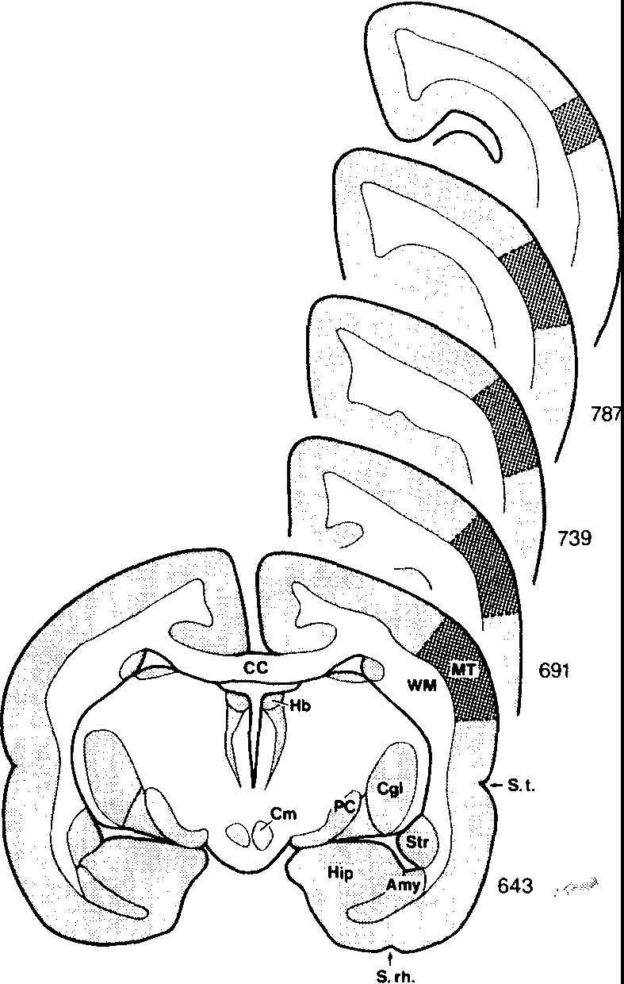
Ga/agoides demidoff | 92 | 120 | Ill
Tarsius spec. | 186 | 157 | 173
Simians
Callithri.x jacchus | 169 | 169 | 141
Cebuella pygmaea | 160 | 155 | 133
Saguinus midas | 204 | 228 | 185
Saguinus oedipus | 218 | 206 | 166
Callimico goe/di | 213 | 224 | 138
Cebus spec. | 110 | 330 | 244
Aotus trivirgatus | 141 | 171 | I 10
Callicebus 1110/och | 125 | 198 | 175
Saimiri sciureus |  | 363 | 235
Pithecia nwnachus | 108 | 213 | 192
!\louatta seniculus | 109 | 116 | I 10
Ate/es geoffroyi |  | 203 | 170
Lagothrix /agothricha |  | 327 | 228
Macaca mulatta | 149 | 292 | 181
Cercocebus albigena | 162 | 295 | 207
Papio anubis | 260 | 302 | 258
Cercopithecus ascanius | 163 | 357 | 250
Cercopithecus mitis | 122 | 258 | 190
Miopithecus talapoin | 160 | 333 | 307
Erythrocebus patas | 150 | 425 | 305
Colobus badius |  | 177 | 154
Nasa!is /arvatus | 121 | 187 | 135
Hylobates lar |  | 294 | 233
Pan troglodytes | 283 | 235 | 173
Gorilla gorilla |  | 175 | 126
Homo sapiens |  | 274 | 172
Man I 274 I 172 Indices of Area striata (AS) taken from FRAHM et al., 1984 In,dices of Corpus geniculatum laterale (CGL) taken from STEPHAN et al., 1984 (n) = number of species
823
Fig. 2. Sequence of five coronal sections ( 20 µm each) from rostral to caudal through the brain of Saiuinus oedipus 1220. Numerals indicate section numbers.
Prosimians
a = slope of the allometric line; b = intersection with the y-axis

Table 5
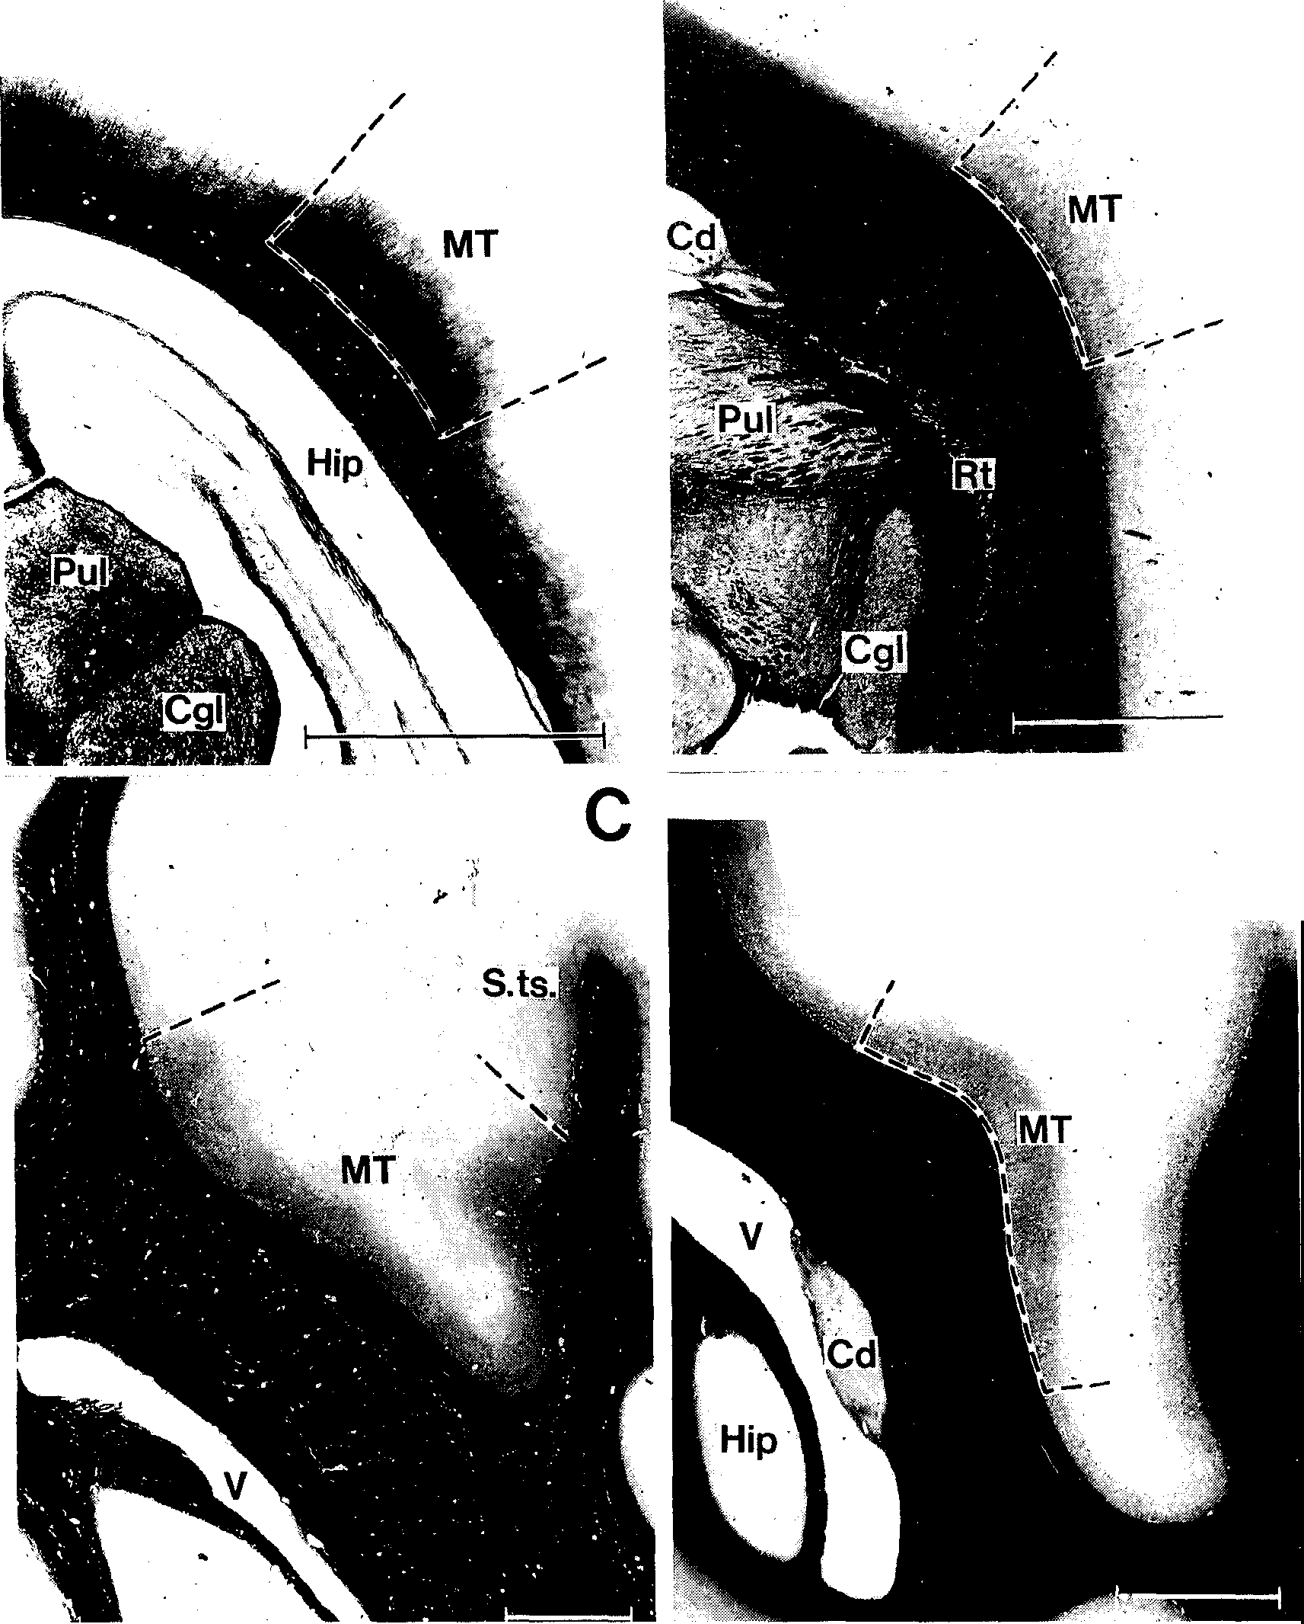
D
H. D. FRAHM et al.: Size of area MT in primates 49
A |  |  | B
CGL
104
190
156
203
177
172
823
JITI 20. | Fig. 3. Coronal sections through the brain at the level of Area MT. A) Galagoides demidojJ'A 281, Gallyas stain, 20 µm; B) Saguinus midas tamarin 1182, Heidenhain-Woelcke stain, 20 µm; C) Cerco-pithecus aswnius A 219, Heidenhain-Woelcke stain, 20 µm; D) Miopithecus talapoin 1201, Heidenhain-Woelckc stain, 20 µm; Scale bar: 2 mm.
extent of the MT is approximately 3.6 mm in this species. In the convoluted brains of larger prosimians and simians, the MT is found close to the superior tem- poral sulcus. Quite often, it disappears from the sur- |  | face and is situated in the floor of this sulcus (e.g., Cercopithecus ascanius in Fig. 3C). Figure 4 shows two adjacent horizontal sections through the brain of Macaca mulatta. The heavily myelinated MT stains darker than the surrounding

Table 6
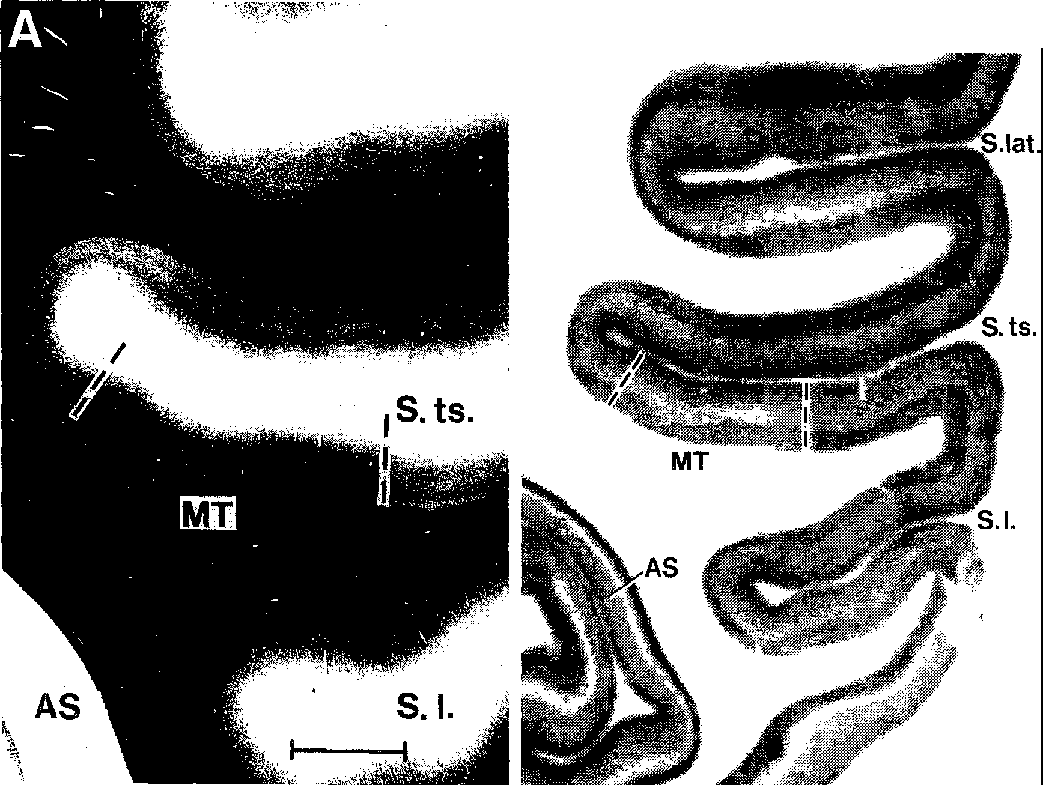
50 Journal of Brain Research 39 ( 1998)
Fig. 4. Horizontal sections through the brain of Marnrn 111u/atta. A) Gallyas stain for myelinated fibers. Scale bar: 2 111111. B) Plot of kainate receptor densities in an adjacent section. Note the highly contrasted, striped appearance of cortex in the primary visual area (AS).
Galago senegalensis
Tarsius spec.
Saguinus oedipus Callicebus moloch Cercopithecus ascanius Pan troglodytes | --- 0 50 100% | Fig. 5. Rostro-caudal extent or Aref1 MT in relation to hemisphere length in six primate species. Hemisphere length = I 00'7<. Hatched area: Length and position or Arca MT. ► = caudal end of caudate nucleus, -+ = caudal end of hippocampus, --< = rostral beginning of Arca striata. Position of 50 'if· of hemisphere length is marked by dotted lines.

S. lat.
B

Table 7
500
.--. (") |  | 1000 | H. D. FRAHM et al.: Size of area MT in primates 51
.. ..

•
.•.
E .E.._, Q) E ::J 0> I- 100 � n:l .Q...) 50 <( |  |  | a=0.513 b = 0.350 Prosimians Simians
10 --'----,--------�-------,----,------,--------� ,-� 50 100 500 1000 5000 10000 50000 Body Weight (g)
Fig. 6. Log-log plot of Arca MT volume (in mrn3) versus body weight (in g). The thick reference line running through the prosimian species has the equation: log Area MT volume = (J.350 + 0.51 '.l x log body weight. The thin parallel line indicates a twofold enlargement of Area MT size. The prosimian species lying close to the upper line is Tarsius.
MT ,1x d 1T. ta. gth | fields. In the corresponding autoradiographic prepa-ration, the density of kainate receptors (a glutamate receptor) is depicted. MT is characterized by a broad band of low receptor density in the middle cortical layers, and, additionally, a relatively low density in deep cortical layers close to the underly-ing white matter. Delineations based on myeloarchi-tecture and receptor-autoradiography coincide. In Figure 5 the rostro-caudal extent of Area MT is seen in relation to the length of the cerebral hemispheres (= 100 %). For the sake of simplicity only one species from each group of primates was chosen for this graph. In prosimians and Callitrichi-dae, the MT covers a large area on the lateral sur-face of the temporal lobe. In all simian species other than Callitrichidae, the rostro-caudal extent of the MT seems to be much smaller in relation to the total length of the cerebral hemisphere. The position of the MT in Tarsius is remarkable. Its rostral pole lies at approximately 40 % of the length of the hemi-sphere, i.e., the most anterior location in any of our species. This position is due to the highly developed primary visual cortex in this nocturnal prosimian. The primary visual cortex of Tarsius occupies the |  |  | entire occipital third of the hemisphere and seems to push the MT into an unusual rostral position. In monkeys and apes, the opposite effect is observed. In these species, the frontal areas of the cerebral hemispheres show a highly progressive develop-ment. Thus, the MT is located in a more posterior position. The rostrocaudal extent of the MT coinci-des approximately with the levels at which the cau-dal poles of the caudate nucleus and hippocampus, and the rostral border of Area 17 (Fig. 5) on the medial surface of the hemisphere are found. The relative volume of the MT, compared with that of the entire neocortex (= I 00 %Y, 1s listed in Table 2. In prosimians, 1.5% of the neocortex is occupied by the MT. This value increases to 1.7% in Callitrichidae and then continually decreases in monkeys and apes. The ratio of the volume of the primary visual cor-tex to that of the MT shows that the striate area is I 0 times larger than the MT in prosimians. Among simians, Callitrichidae have a relatively large MT, resulting in Area striata/MT ratios below I 0. In Cebidac and Cercopithecidae, on the other hand, this ratio is clearly above IO in most species.

Table 9
�
I i I H. D. FRAHM et al.: Size of area MT in primates 53 I
y h le 1e i- n- 1e Id of ry he n-on ·o- :ly Ii-he ti-1ly | include the MT proper (and probably minor parts of MTp), but none of the smaller adjacent visual areas (e.g., the densely myelinated zone in the dorsal upper bank of the superior temporal sulcus), which these authors could delineate additionally in Gal-lyas-stained material. Their data include areal mea-surements of the MT field in several Macaca mu-lcltta specimens, and we have used their findings to estimate the degree of correspondance between their and our delineations. In three Macaca mulatta specimens, UNGERLEIDER and DESIMONE (1986a) reported values of 52 mm2, 52 mm\ and 82 mm2 for the size of the MT. From the known spacing of electrodes, they estimated a linear shrinkage of 12% during perfusion and histological processing. Under the assumption that cortical thickness is approximately 2 mm, this would lead to a volume of the MT in both hemispheres in M. mulatta of 360 mm3 for the three animals together, or 305 mm3 when the highly deviating value is excluded. Our value (332 mm3) for both sides and corrected for shrinkage is exactly in the same range, indicating the reliability of the delineation of this cortical area. Surface areas of visual cortical fields expressed as percentages of the total neocortical surface are given by KRUBITZER and KAAS (1990) for Saimiri, Aotus, Callithrix and Galago senegalensis. According to these authors, the MT occupies 2.2% in Galago, and 1.8% in Callithrix and in Aotus. Our corresponding values for volume measurements arc 1.9%, 1.6%, and 1.1%, respectively. Although the present data give slightly smaller values in all three cases, the comparability of the definition of the MT is given in all three studies. The statement by KRUBITZER and KAAS (1990) that the MT may be relatively larger in nocturnal than in diurnal primates (expressed as percentages of the total neocortex) is c | From our volumetric data (Tab. 1) on the MT and the primary visual cortex, a wide range of ratios from 4% in Cebus and Erythrocebus to 15% in Pan can be calculated. A constancy in the relative sizes of the MT to the striate cortex, as postulated by PES-SOA et al. (1992) therefore does not exist. Comparison with volumetric measurements of other visual areas Although prosimians do have good visual capacities, visual cues seem to be of increasing importance in higher monkeys. Measurements of area striata volumes (FRAHM et al., 1984) showed on the average a 2.5 fold increase of allometric size indices in simians as com-pared to prosimians. The dorsal nucleus of the lateral geniculate body, on the other hand, increases 1.9 times in simians in com-parison to its average size in prosimians (STEPHAN et al., 1984). These authors could show that there exists a strong correlation between area striata and corpus geniculatum laterale sizes in primates (r2 = 0.985). Species with large visual structures (in relation to body size) were Tarsius among the prosimians and Erythro-cebus, Miopithecus, Papio, Cercopithecus ascanius, Saimiri and Lagothrix among simian primates. Pon-gids and man did not show any further relative enlar-gement of visual structures compared to cebids and cercopithecids. The differences in the size of visual structures bet-ween prosimians and simians may reflect the greater complexities of the habitat, home range, occupied forest stratum, and especially, the many visual signals relevant to simians, that are linked to a diurnal life in social groups. The size of MT seems to be relatively independent of the neocortex size (r2 = 0.922), in contrast to area striata size, which shows a much closer correlation with the neocortex (r2 = 0.981). Therefore, the species with large area striata and corpus geniculatum laterale

