Table 2
2 A.A. de Sousa et al. / Journal of Human Evolution xxx (2010) 1–12
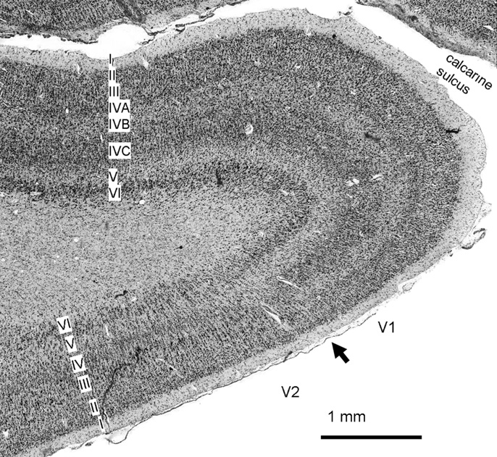 Fig. 1. Coronal section of Gorilla gorilla brain near the calcarine sulcus indicating the border between V1 and V2 (at arrow). Note the differences in laminar pattern between V1 and V2. For example, in V1 layer 4 is subdivided into sublayers 4A, 4B and 4C. A band of ﬁbers, called the stripe of Gennari, passes through layer 4B, which is sparse in cell bodies on Nissl sections. Also note large pyramidal cells in deep layer 3 of V2, immediately adjacent to the border with V1. Although Dart’s interpretation of the lunate sulcus in Taung has been questioned (Falk, 1980), another endocast, Stw 505, has been proposed to provide better evidence for a posteriorly-positioned lunate sulcus in Australopithecus africanus (Holloway et al., 2004b). Holloway (1966, 1975, 1985) has discussed in detail the notion that brain reorganization might have enabled small-brained early hominins to engage in more complex behaviors. There are two potential problems with relying on the lunate sulcus as an indication of brain organization. First, although sulci are often used as landmarks for determining the size of cortical regions in hominoids, they do not reliably delimit cytoarchitectonic areas (Amunts et al., 2007b). In fact, correspondence between histologically-deﬁned V1 volume and the extent of the lunate sulcus has not been demonstrated in apes. However, current evidence shows that the position of the lunate sulcus indicates the extent of the lateral part of V1 in chimpanzees (Pan trogolodytes; including two specimens with lunate sulci in unusually posterior positions; Holloway et al., 2003b). In fact, Smith (1903) and Black (1915) considered a relationship to striate cortex to be a require-ment for lunate sulcus identiﬁcation in humans, based on the observation that the lunate sulcus delimits V1 in the species in which it occurs (Brodmann, 190 | Second, it is possible that reduced relative V1 volume can be attributed to increased brain size, unrelated to functionally-rele-vant changes in brain organization. Across primates, V1 volume scales with negative allometry to brain size (Frahm et al., 1984; Bush and Allman, 2004), so it is possible that reduction in relative V1 volume in humans is simply an extension of this allometric relationship. It has also been suggested that the position of the lunate sulcus is directly related to brain size–in bigger brained species, the extent of V1 is shifted from a more-lateral to a more-medial position–and therefore, the lunate sulcus cannot occur in a posterior position on a small-brained hominoid (Jerison, 1975). Several hypotheses have been proposed to explain observations about the negative allometric scaling of V1 volume to overall brain volume. Kaas (2000) hypothesized that, as cortical areas increase in surface area, it becomes more difﬁcult to maintain connections among them, and as a result, the number of cortical areas increases. This is supported by the ﬁnding that across mammals the number of neocortical areas (and the number of areas to which each is connected) scale to the 1/3 power of the volume of the cerebral cortex (Changizi and Shimojo, 2005). Thus, as a general rule, larger brains tend to have a greater number of visual areas. The role of the primary cortical area in information processing is expected to decrease as its speciﬁc functions are delegated to an increasing number of higher order cortical areas. It follows that the relatively large macaque V1 would be more generalized in function than the relatively small human V1. Although such physiological differences have not yet been demonstrated, histological differences between human and macaque V1 have been established (Preuss et al., 1999; Preuss and Coleman, 2002). We measured the

Table 5
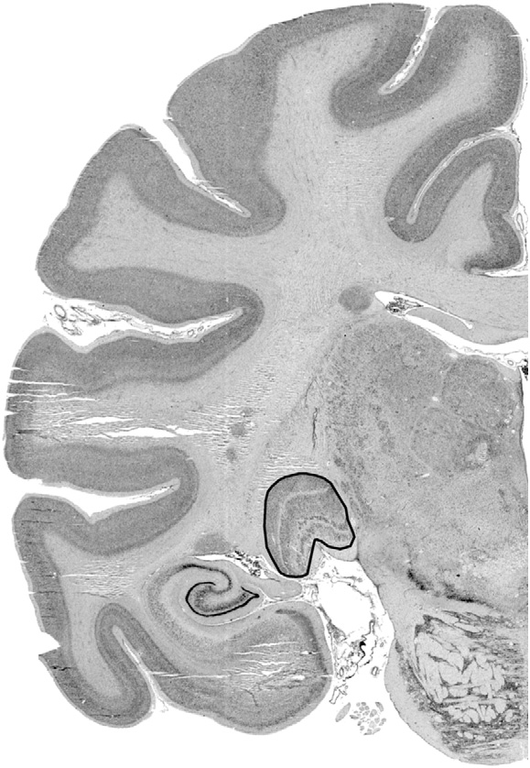
A.A. de Sousa et al. / Journal of Human Evolution xxx (2010) 1–12 5
Fig. 2. Hylobates lar Nissl-stained left coronal section through the LGN (outlined). H. sapiens and the root node is that which links the strepsirrhine and haplorrhine primates; these regressions are best suited for comparison of scaling coefﬁcients to the standard OLS regressions. For the H-IC regression, the root was moved to the branch leading to H. sapiens, and then H. sapiens was pruned from the tree as described by Garland and Ives (2000), for predicting the values of the unmeasured species. The H-PIC procedure displaces the inter-cept of the regressions towards the new root of the tree, that is, towards the position that would be occupied by H. sapiens. The percent difference between observed (O) and predicted (P) human values (O/P % difference) was calculated from the nonhuman regression equations for V1 as functions of brain minus V1 volume, LGN as functions of brain minus LGN volume, and V1 as a function of LGN volume (Holloway, 1997, 2002). The volume ratios of V1/brain, V1/neocortex and OP-LS/OP-FP chord ratios were analyzed with nonparamentric Spearman’s rank correlations. The calculation of multiple correlations was not cor-rected because of the exploratory nature of the present study. Results Absolute visual structure volumes Among hominoids, absolute left V1 volume is greatest in humans, and lowest in the hylobatids, which are phylogenetically most distant from humans. The mean and inter-individual variability in the human sample reported here (n ¼ 10; mean ¼ 7.62 cm3; CV ¼ 0.23) is similar to that reported in a previous study (n ¼ 9; mean ¼ 7.91 cm3; CV ¼ 0.19; Gilissen and Zilles, 1995). The range of variation in human V1 volume is similar to that for chimpanzee V1 volume (Pan troglo-dytes n ¼ 7; mean ¼ 4.13 cm3; CV ¼ 0.20) and for human LGN volume (H. sapiens n ¼ 10; 0.17 cm3; CV ¼ 0.27). | The largest nonhuman V1 volume is that of a bonobo (Pan paniscus), near the human mean. A nonparametric test for two independent samples found that the H. sapiens sample (n ¼ 10) was signiﬁcantly different from the Pan troglodytes sample (n ¼ 7; p < 0.001; Mann-Whitney U ¼ 0.000). No signiﬁcant difference was found between humans and bonobos, or between chimpanzees and bonobos, but this may be due to small sample size. Absolute left LGN volume followed a pattern similar to V1 volume, with humans having the largest mean value and gibbons having the lowest mean value. However, there was more intraspeciﬁc variability and inter-speciﬁc overlap in the ranges of individual values than for V1, and a nonparametric Kruskal-Wallis test failed to detect signiﬁcant differences between species. Visual structure volume ratios The ratio of V1 to LGN volume is greatest in humans and lowest in hylobatids (Fig. 3). However, the largest individual V1/LGN ratio belongs to a chimpanzee (Pan troglodytes). A Mann-Whitney U test did not ﬁnd H. sapiens to be signiﬁcantly different from Pan trog-lodytes in V1/LGN ratio, and the Homo-Pan clade differed signiﬁ-cantly from all other hominoids treated as a single paraphyletic group (p < 0.01; Mann-Whitney U ¼ 15). The ratio of V1 to neocortex volume follows an inverse trend: it is lowest in humans and highest in Hylobates (Supplementary Online Materials Table 3). All non-human great ape ranges overlap with each other, but not with the humans and hylobatids. The ratio of V1 to brain volume is similar to the V1/neocortex volume ratio. Notably, the bonobo ratios cover a large range, with one specimen falling within the range of the other ape values, and overlapping in its 95% conﬁdence interval with the hylobatids. Orangutans (Pongo pygmaeus) have the lowest V1/brain ratio among apes and do not overlap with the human values. The

Table 6
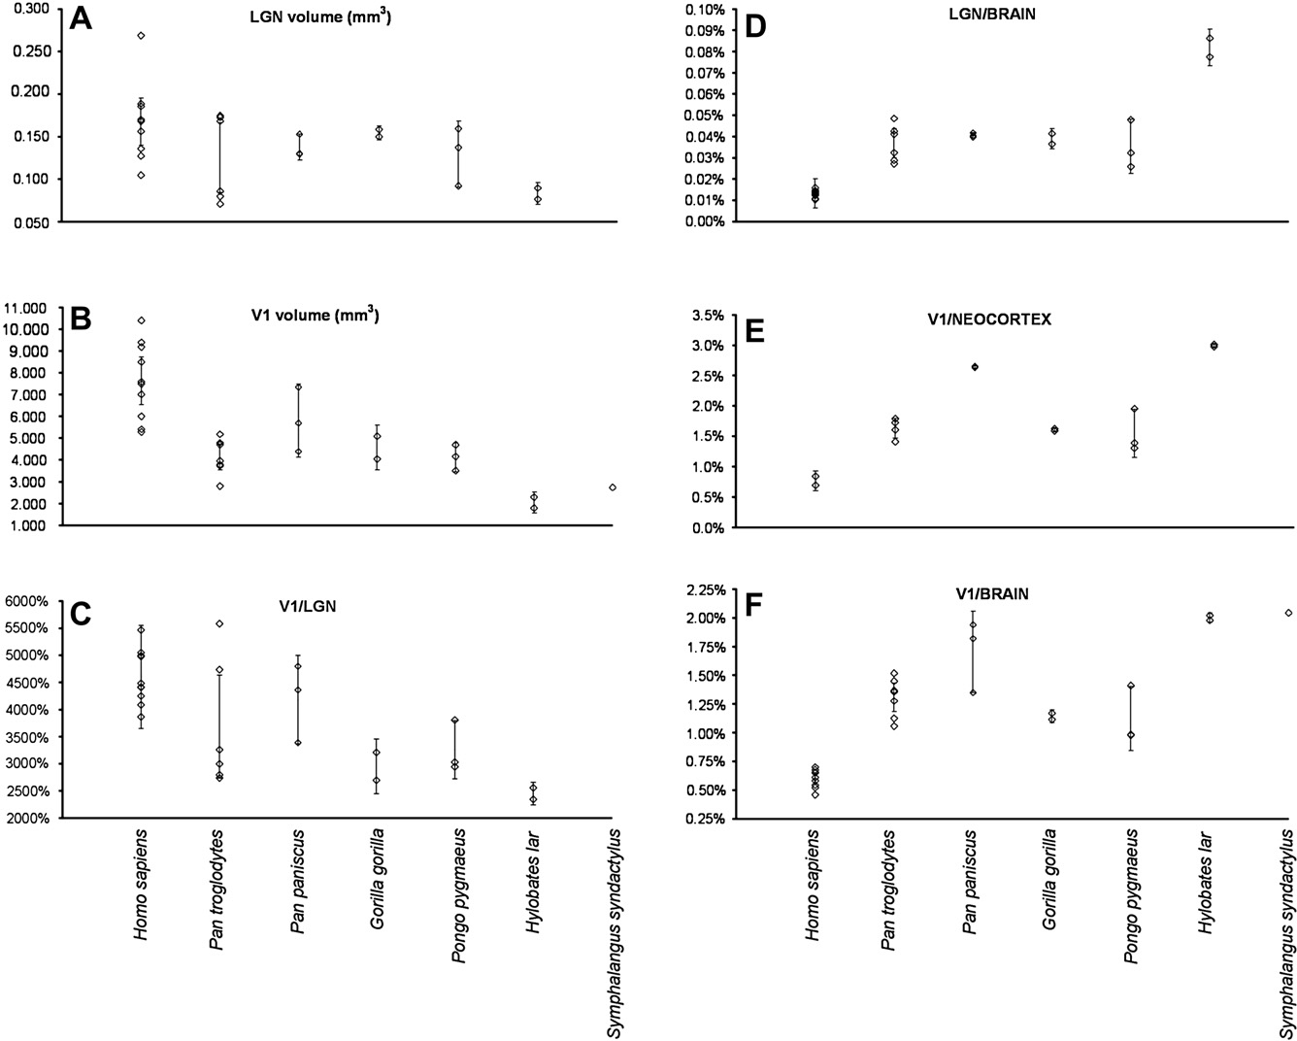
6 A.A. de Sousa et al. / Journal of Human Evolution xxx (2010) 1–12
Fig. 3. Individual specimen LGN volumes (A), V1 volumes (B), V1/LGN volume ratios (C), LGN/brain volume ratios (D), V1/neocortex volume ratios (E), and V1/brain volume ratios (F). Vertical bars indicate 95% conﬁdence intervals of species mean values. Note that only V1 volume and V1/brain volume ratio data are available for Symphalangus syndactylus.
the magnitude of the percent difference in observed and predicted values does not indicate that human V1 volume is particularly large relative to a nonhuman primate or hominoid of similar LGN size. The H-PIC percent difference between observed and predicted human values was calculated to determine whether phylogeneti-cally-informed predictions for humans produced values that are more closely approximated to observed data. Surprisingly, the H-PIC % difference O/P H. sapiens values was in some cases actually higher than the TIP % difference O/P H. sapiens: this was the case for LGN volume predicted for a nonhuman hominoid of similar brain size, and V1 and LGN from brain size predictions based on pub-lished catarrhine regressions. Differences between hominoid and cercopithecoid regressions The G-PIC OLS regressions predicting V1 and LGN volume from brain volume for catarrhines fall outside the 95% conﬁdence interval of the TIP OLS regression equations, yielding very different percent differences between observed and predicted human values (Figs. 5,6, Supplementary Online Materials Table 4). To further explore the taxonomic differences in scaling, RMA regressions were calculated for the hominoids and their sister taxon, the cercopi-thecoids, and then compared to higher taxonomic levels (Fig. 7, Supplementary Online Materials Table 5). The RMA equations for V1 as a function of brain minus V1, and of LGN as a function of brain minus LGN, show a decrease in slope from higher to lower | taxonomic level. However, for both RMA regressions, the cercopi-thecoid slope is steeper than that of any other group, indicating that both visual brain structure volumes increase rapidly as a function of brain size (Fig. 7). The RMA equation for V1 as a function of LGN volume increases from higher to lower taxonomic level. However, for this RMA regression, the cercopithecoid slope is ﬂatter than that of any other group, indicating that V1 increases slowly as a function of LGN size in this group. Using a resampling test in SMATR (Warton et al., 2006), cercopithecoids and hominoids were found to be signiﬁcantly different in the RMA slopes for V1 as a function of brain minus V1 (t ¼ 5.956, p ¼ 0.011), for LGN as a function of brain minus LGN (t ¼ 8.590, p ¼ 0.007), and for V1 as a function of LGN (t ¼ 4.035, p ¼ 0.030). In the plot of individual and species mean values for V1 volume as a function of brain minus V1 volume, the human mean value is bounded by the hominoid (including human) OLS regression 95% prediction intervals, and most human values fall between the regression and the lower prediction interval (Fig. 8A). The bonobo values are very high, with one value falling above the prediction interval, and the mean near the upper prediction interval. Other ape values aggregate around the regression. In the plot of individual and species mean values for LGN volume as a function of brain minus LGN volume, the human mean value is bounded by the 95% prediction intervals, and most human

Table 8
8 A.A. de Sousa et al. / Journal of Human Evolution xxx (2010) 1–12
Fig. 6. TIP LS regression lines and 95% conﬁdence intervals for predicting human values are shown (solid lines). Where signiﬁcant, G-PIC LS regressions are shown (dotted lines). (A) V1 as a function of LGN: nonhuman hominoid, (B) nonhuman catarrhine, and (C) nonhuman primate. Human values are plotted as large ﬁlled circles. volumes, bonobos do not have especially large LGN volumes. All bonobo, gorilla, and gibbon specimen values fell within the prediction interval brackets. All hominoid species mean values for V1 volume as a function of LGN volume are bounded by the 95% prediction intervals (Fig. 8C). | Most values fall within the prediction intervals, with the exception of one human and two chimpanzee values which fall above the upper 95% prediction interval. Human and chimpanzee intraspeciﬁc RMA regression slopes were not signiﬁcantly different, although the intercepts differed signiﬁcantly as indicated by pair-wise Wald tests for shifts in elevation: V1 as a function of brain minus V1 (Wald statistic ¼ 21.466, p <0.001), LGN as a function of brain minus LGN (Wald statistic 67.707, p <0.001), V1 as a function of LGN (Wald statistic ¼ 6.638, p < 0.05; See supplementary Table 5 for further details). Lunate sulcus position in relation to V1 volume A nonparametric test found a correlation between the ﬁve ape specimens’ OP-LS/OP-FP chord ratios paired with the V1/BRAIN volume ratios, and for the chord ratios paired with the V1/ NEOCORTEX volume ratios (in all cases, Spearman’s rho r ¼ 0.9, p < 0.05; Table 2). This indicates that ape brains with a more anteriorly-positioned lunate sulcus also have larger relative V1 volumes (Fig. 9). However, because the correlation is less than 1.0, 19% of the variability in V1 volume is not explained by the linear distances between the landmarks LS, OP and FP. The remaining variability could be attributed either to differences in the proportion of V1 on the medial surface or in sulci, or to differences in the shape of the hemispheres and the shape of the lunate sulcus. Discussion Human predictions The main purpose of this study was to determine whether brain reorganization in H. sapiens is manifest in an unusually small V1 volume for its brain size. Because the LGN is the primary source of inputs to V1, the relationship of LGN size to brain size, and V1 size to LGN size, were also considered to provide a wider scope within which to interpret the ﬁndings. Our results demonstrate

A.A. de Sousa et al. / Journal of Human Evolution xxx (2010) 1–12 9
Fig. 7. Cercopithecoid and hominoid RMA regressions of TIP data of (A) V1 as a function of brain-V1 and (B) LGN as a function of brain-LGN.
Fig. 8. Hominoid regressions of TIP data for (A) V1 volume as a function of brain-V1volume, (B) LGN volume as a function of brain-LGN volume, and (C) V1 volume as a function of LGN volume. The solid lines are the OLS regressions of the species means, with upper and lower 95% prediction intervals. The dashed lines are the RMA regressions of the species means. The human mean was included in the calculation of the regression equations. Both the individual values (empty symbols) and the species means (ﬁlled symbols) are plotted.
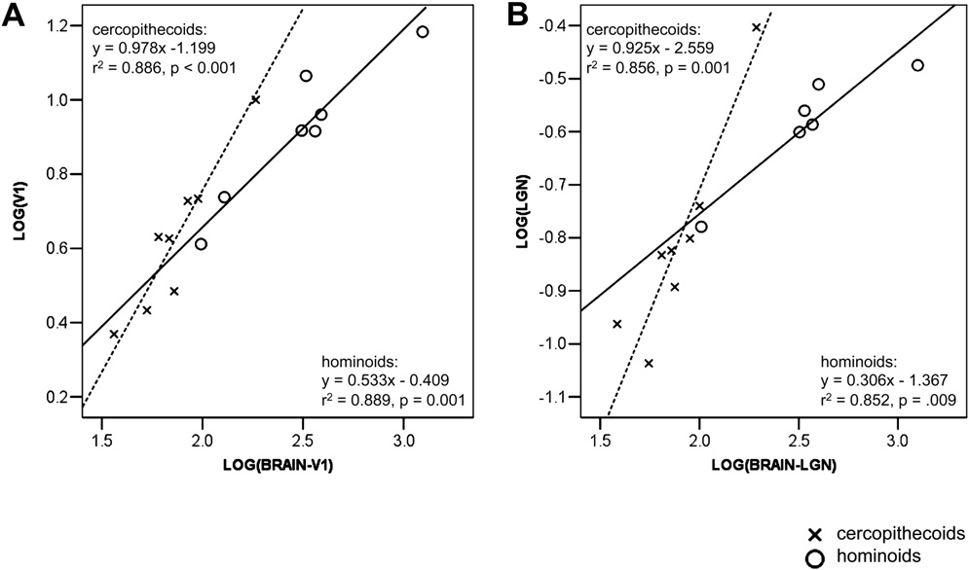
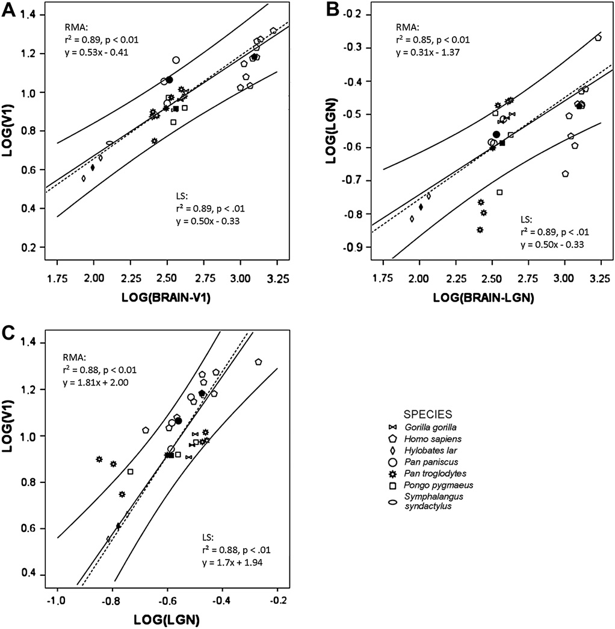
10 A.A. de Sousa et al. / Journal of Human Evolution xxx (2010) 1–12

Table 9
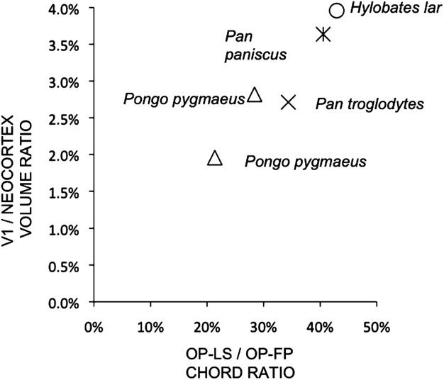 Fig. 9. Scatter-plot showing the relationship between the occipital pole and lunate sulcus (OP-LS) as a fraction of occipital pole to frontal pole (OP-FP) chord ratios and the V1/neocortex volume ratios for 5 ape individuals. humans overlapped with nonhuman hominoids in the absolute volumes of V1 and LGN. Also, Pan paniscus V1 volumes appear to be particularly large, both absolutely and when compared to brain and LGN volumes. Variability in panin V1 organization The bonobo (Pan paniscus) V1 volumes stand out as being absolutely large for great apes, and relatively large for hominoids. The degree to which the human V1 volume deviates from the nonhuman hominoid prediction is similar to the degree from which the bonobo V1 volume deviates from the hominoid prediction, but in a different direction. In terms of absolute V1 and LGN volumes, bonobos overlap with the human range, although it should be noted that the current bonobo sample size is rather limited and observations made here may be indicative of a larger trend and warrant further investigation. Interestingly, a study on a subset of these specimens found that the single bonobo investigated was most similar to humans in having a low volume fraction of cell bodies in V1 (GLI; de Sousa et al., 2009). This could indicate that the increase in V1 volume in humans and bonobos is accompanied by increased space for neuropil and potentially more interneuronal connections. Cercopithecoid–hominoid differences The trend is that the lower the taxonomic level of the group, the less steep the slope, as reported in previous studies (Clutton-Brock and Harvey, 1979; Pagel and Harvey, 1988, 1989; Stephan et al., 1988). This is seen for the RMA regressions of V1 as a function of brain minus V1, and LGN as a function of brain minus LGN. The taxon-level effect has been ascribed evolutionary signiﬁcance, such as differential | Online Materials Table 5); chimpanzee LGN volume increases more rapidly than does its brain size, and humans’ V1 and LGN volume increase more rapidly than does brain size (Fig. 8). The intraspeciﬁc variability in V1 volume and LGN volume may be related to vari-ability in size of the retina; unfortunately, this cannot be tested as these data are not available. Second, it is noteworthy that in the sister group of the homi-noids, the cercopithecoids, LGN and V1 increase rapidly in volume with increasing brain volume, as compared to other primate groups. This is in contrast to the hominoid trend, and could indicate a cercopithecoid-speciﬁc organizational pattern of the visual system. Generally, the visual system of the two major catarrhine taxa, cercopithecoids and hominoids, are similar, sharing primate synapomorphies such as stereoscopy, as well as a notable catar-rhine synapomorphy, routine trichromatic vision (Jacobs and Deegan, 1999; Deegan and Jacobs, 2001). However, it is becoming increasingly apparent that cercopithecoids and hominoids differ in aspects of visual system neuroanatomy, such as lamination of V1 (Preuss et al., 1999) and the percentages of GABAergic interneurons in V1 and V2 (Sherwood et al., 2007). The different patterns of scaling of visual system brain structures to brain size in cercopi-thecoids and hominoids indicates that these two taxonomic groups have differences in brain organization. Lunate sulcus position as an indicator of reorganization Paleoneurological studies equate lunate sulcus position with the relative volume of the visual cortex, but this assumption had not been tested. The results of the present study, which are based on chord measurements from a small sample, indicate an overall relationship between relative V1 volume and lunate sulcus posi-tion. To our knowledge, this is the ﬁrst test of the aforementioned ass

