Table 7
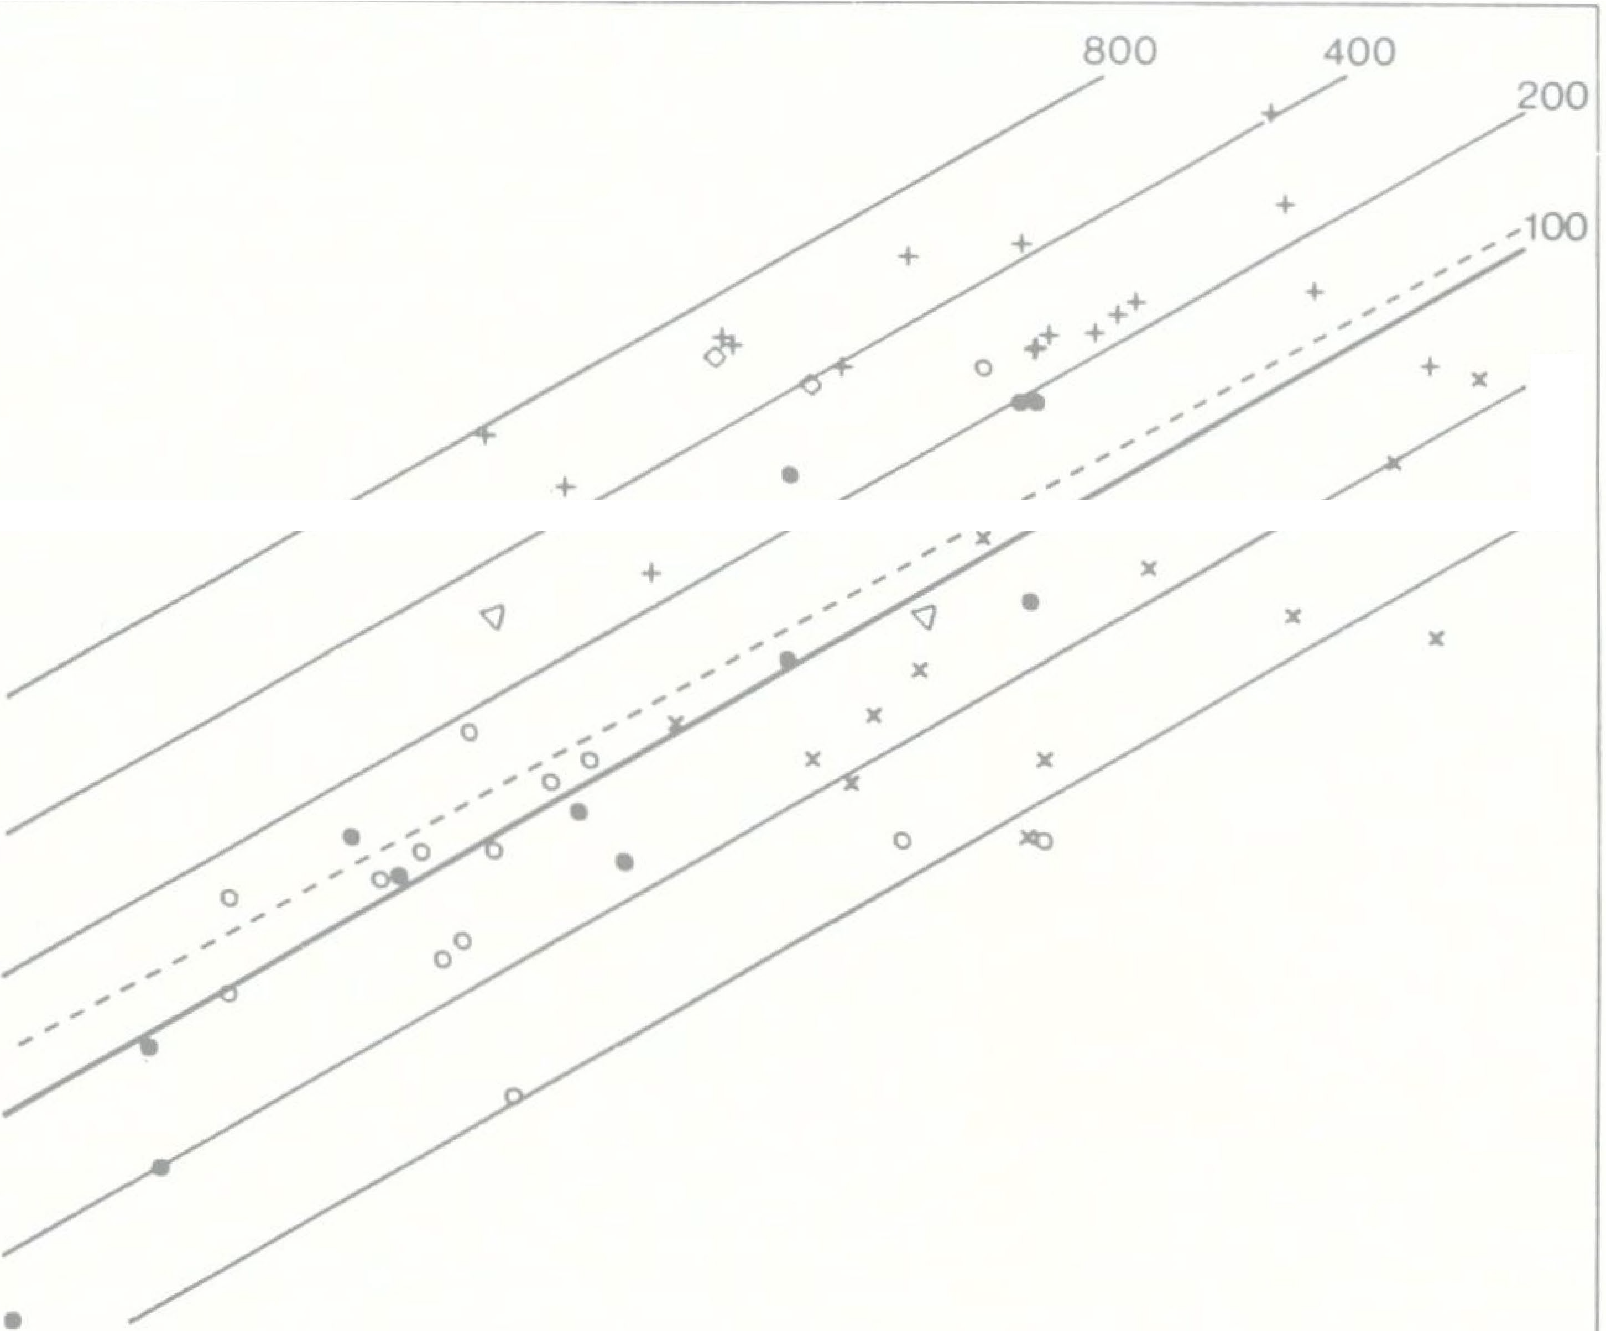
5 0 Stephan, H., et al.
50 25
1
�o ;:) _j a > al a a: 0) ,..0...
-1
1 2 3 4 log BODY \JEIGHT
l·ig. 1. Yolume (in mm3) of total .\.OB plolte I again t body weight (Bo\\' in g) in a double logarithmic scale. Hef •rt·nc line (tlti k line) is through the a,·erage of 'basal' Jnse tivora with the mosl common slope in all families and subfamilic. of ln�et.- tivora and Primate. for olfactory and e,·eral ,limbic :structures (se J\latcrial and 1ethods section). The formula is: log volume AOB = -1.6563 + 0.57 • lo0 Bo\V. The thinner parallel lines are in multiples of :! and refer to the size inclk •s givt•n in column t, of Table l and ar scak<l in Figure :3. The stippled line is the overall r gres ion line for the total of 61 sp cics in which an AOB was found. The formula is: logvolum AOB = -1.501 + o.::;1,2 -logBoW. The correlation c effici nt (r2) is 0.:i0li. e basal Insectivora (n = 12); O progressive Insectivora (n = '14); <J Macrosceliclea (n = 2); O ·candcntia (n � 2); + prosimians (n = 18); X New World simians (n = 13).
Th lowest ize indices are found in In cti, ora and in simian Primates. The ize indice of the Insectivora rang from 20 in Solenodon to 262 in Hcmiechinus. Thu in H eniiechinus the relativ iz of the AOB i ab ut 13 time larger than in an i oponderou ole-11odon (2u2: 20). For many year it was not clear wh ther or not an AOB really xi t d in olenodon ( TEPHAN, 1966, 1967; TEPHAN and ANDY, 1981), but we now believe that vestiges are pr nt. Other low inclic • were found in Micropotamogale, Desniana and ore.x mimdits, another very high ind x was found in Potamogale. B ide Polarnogale, the highest valu • within the In ectivora were found in th Erinaceidae. Within th tenrecs (Tenrecidae), the indic of th Tenr cinae wer di tinctl lower than tho e of th Oryzorictinae (exc pt Oryzorictes). The index of Ory::orictes was in th range of that of Tenrecinae. Within the Potamoga- 1ida , the two species repre ented in our material had | quite diff r nt indice . Wherea Polamogale had one of the highe t indic within In ectivora (25fl), that of lllicropotamogale was one of the }owe t (21i). In Polamogale the r Iative size of the AOB wa nearly 10 times larger than in H icropotamogale (r8: 2(i). Large differ nces wer al o found in the oricida , wh re the high st ind x (L50 in Crociditra jlavescens was Ii .3 tirn larger than th lowest (35 in ore.x minu-lus), in the Talpidae, where the highest ( 112 in Talpu) was 3.G times larger than the lowest (31 in De ·mana) and in the Macro celidea, where the ind x of Ele-phantul1ts (299) was 3.li time larger than that of Rhynchocyon ( '). Thu in only a few y tematic groups (Tenrecina , Erinaceidae) all the peci : in-Yestigat d ·o far had AOBs of similar relative size, wherea i11 oth r (Potamogalidae, oricida , Tal-pidae, Macro c lid a) the relative size could b cl arly different. A in In ectivora, relativ ly low indices wer found

Table 9
,,
10 I - ,,9 |  |  |  | 31 |  | 36.1 |  | :'>3.0 |  |  | 10.!J |  | 31 ,: |  |  |  | r,i. :!I
2 10 50- 70 |  |  |  | G2 |  | 36.5 |  |  |  |  | 12.1 |  | (ii |  |  |  | 1,3
3 10 |  |  | 72-110 |  |  |  | !JG | :1,1.1 |  | ;d.', .9 |  |  | 15.,, |  |  | \J:3 |  |  | 10!) 86
t, | 10 | 110-1.96 |  |  | I t,6 |  | 33.2 |  | l,G.9 |  |  | 19.9 |  | 1:30 | l:-i8 |  |  | 173
5 | 11 | :..23-299 |  |  | 249 |  | 30.t, |  | 1,j.:i |  |  | 211. I |  | 20', | 2G3 |  |  | :31,7
G | 10 | 387-757 |  |  | :i21 |  | 31.i |  | 39.8 |  |  | 2 .r:i |  | ,,1,1, | 1,83 |  |  | Ii I
1-fi | Iii | I -7:ii |  |  | 185 |  | 33.8 |  | ,, i .fi |  |  | 1R.6 |  | 162 | 18 |  |  | 2:i7
(29.8%-G7.0%) for lay rs 3-5, and18.Go/o(li.3% -39.2%) for lay r 6. Within the ba al In ectivora, the Tenrecinae clearly deviated from Erinaceidae and Soricidae. In the T n- recinae only, lay r l + 2 were distinctly larg r than layers 3-5 (4.8.4. % versus 39.0%) whereas in Erinaceida and Soricida the relation was reversed and the per entages were close to the overall average. Furthermor Tenrecinae had a mall percentage of lay r Ci, which was clearly below the overall aver-age (t .0%) and below that of Erinaceidae (22.6%) and oricidae ( U). %). The progressive Insectivora (n = lli) were a heterogeneou group. Mo t of their repre entative shared a relatively small granular la r (layer G) and large intermediate layer (3-5). The outer layer (1 + 2) were clo e to the overall average. Within the Macro celidea, the two specie (Ele-phanltlhts /uscipe and Rhynchocyon cfrnei) had a learly diff rent compo ition of the AOB with large difference in the granular layer, which in Elephan-titlus wa 27.0% but only 13.5% in Rhynchocyon. imilar but le pronounced difference were found in th cand ntia, where the percentage of the granular layer of Tupaia wa distinctly higher than that of Urogale. In th prosimians the percentage of the gra!lular lay r (layer G) was distinctly higher on the average than that of all (:il pecies (26.6% ver us 18.6%) wherea the percentages of the other layers were corr pondingly lower. Within the prosimians, th re w re two different groups with respect to the granu-lar layer (Table 1, column 12): high values in Cheiroga-leidae, Lemuridae and Lorisidae, and low values in Indriidae, Daubenton1·a and Tarsius. In the Indriida and in Tar iu , the |  |  |  |  |  |  |  |  |  |  | than that of all (j I p ci ( 11. I% ver. u 18.H¾); the other comp nent were corr pondingly larger. To compar the perc ntage composition of the AOB with th size indic s, Table 2 hows th GL species ar-ranged in six groups according to a cending size indi-ce . The average value show that there is a very clear and steady increase of the percentage of the granular layer (layer 6) from :L0.9% in the first group (average ize index = 31) to 28.5% in the ixth group (aver- ag iz index = 521). 1 he p rcentage increase of layer 6 is accompanied by a light decrease in layer l + 2, which however i not teady, and by a clear and t ady p re ntag d crea e of layer 3- 5 from 53.0% in the fir t group t 3!).8% in the sixth group. \,\ hen plotting comp nent of the AOB against the total A B in double logarithmic seal (Fig. 2) it is not urpri ing that the correlation coefficients are high, and that th y ar higher for the relatively larger component , than for th mailer one . The largest component i the intermediate layer (3-5) which on th averag r pre nt 47.G¾ of the total AOB (n = Gl), follow d by lay rs L + 2 (33.9%) and layer 6 (1 .fo/o). The correlation coefficient (r2) were 0.9 6, 0.97ft and 0.932, respectively. Of interest too are the lope f th thr r gre ion line which were 0.936, 0.99!) and I.. I 2 r sp ctively. They how that with in- er asing ize of the AOB , only layers 1 + 2 increase at th ame rate a the total AOB, whereas the inter-m diate layer (layers 3-5) increase at a lower rate and the granular layer (layer 6) rate is overproportio-nal (Fig. 2). This corresponds to the percentage decrea e of layer 3- 5 and percentage increase of layer f-i in th

Table 10
w
::,
:f
>
0
.,,
"_{M}'
"w"
+
+
►
�
1
.
w
::,
.:f
•
0
0
• •
>0
• •
•
0
-0
;"w'
1
•
0
log A08 VOLUME
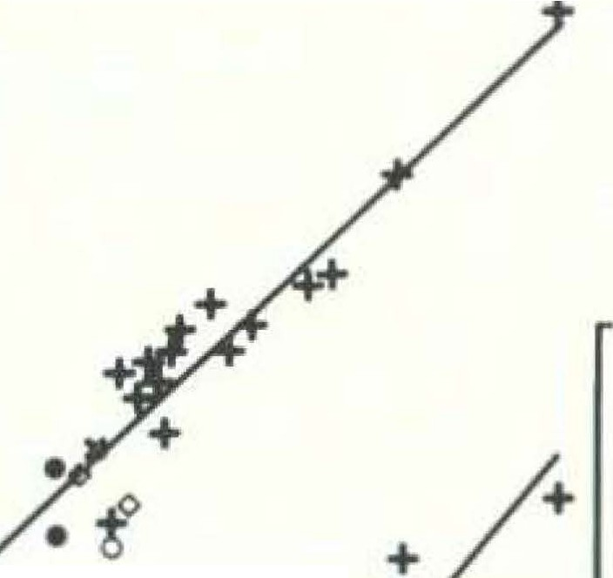
+
• • •
+.
• •
0
0
0
.
•
.J' •
Comparison of AOB volumes 583
0.5 0 -0.5 |  | 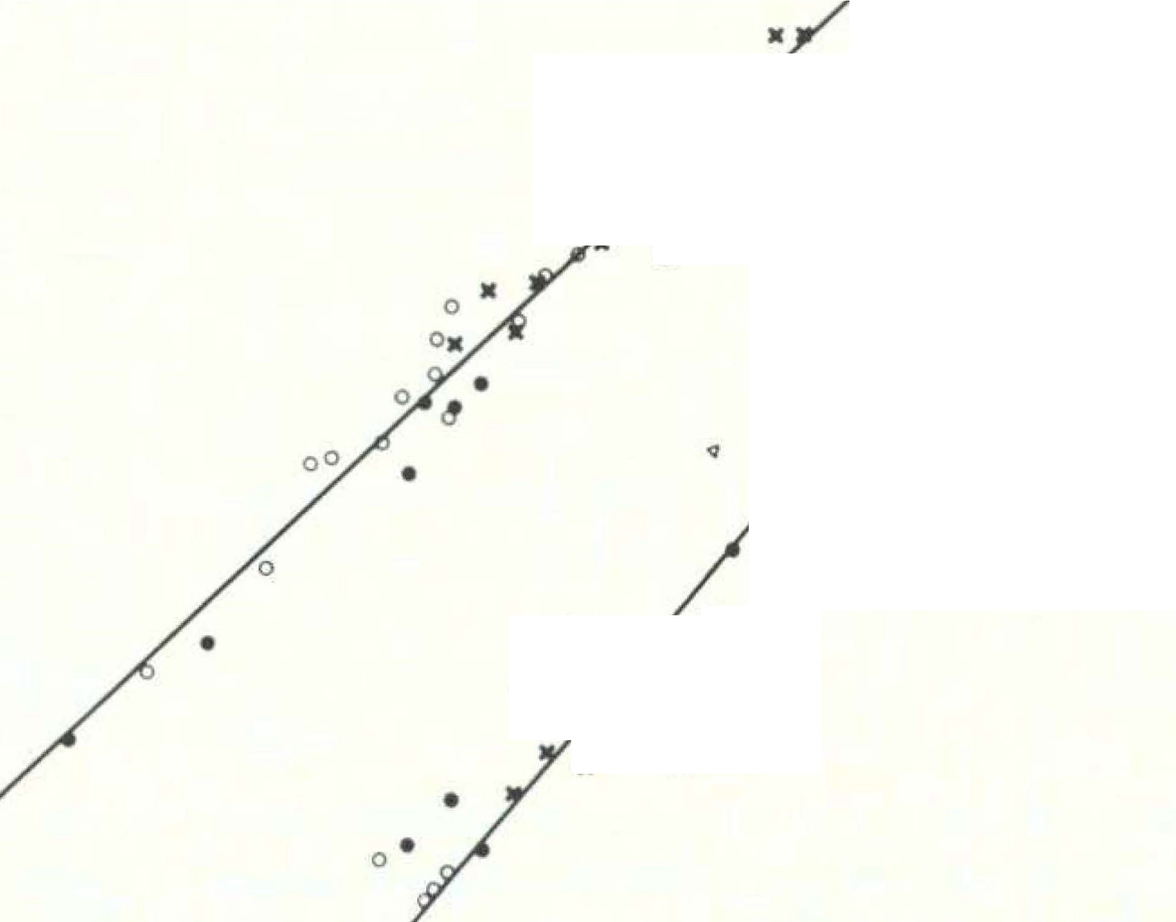 o.s 0
-.s
-I
Fig. 2. Volumes of layer 3- 5 (upp r line) and layer 6 (lower line) plotted again t volume of AOB in a double logarithrni . cale for the total of 61 species. All vol-umes are in mm3. Marks as in Figure 1. Formulas of the regression lines arc for layers 3-5 (r2 = 0.986): log volume layers 3-.5 = -3.149 4- 0.93fi x log volume AOB; and for layer 6 (r2 = 0.932): log volume layer G = -4.290 + 1.1 2 X log volume AOB. | -1.5 -2 | 1.5 2 2.5 3 3.5 |  | -1 -1.5 -2
body weight and the size indices were calculated. These indices (Table 1, columns 13-15; and Figure 3) show that not only the inner component (layer 6) increased in well developed AOBs, but there was also an increase in the outer compon nts (layers 1 + 2 and 3-5), which revealed a p re ntage decrea e. The percentage r duction of the outer components i cau ed by th cl arly greater enlargement of the inner granular layer (layer 6) which r ached e.g. an aver-age index of 1078 in Ch irogal idae, whereas th outer layer underwent distinctly le s enlarg m nt (indices 562 for layers 1 + 2 and 595 for layers 3- ). The average ize indices of the three components calculated for the ix groups in Table 2 show that with increasing size of the AOB its three components in-crease in a clear and steady mann r. However, when the systematic groups of Tabl 1 are arranged accord-ing to a cending ize indice of the total AOB, the teadine s of incr ase i not complet for the various component . Thu , in Tarsius and Daubentonia th inner granular layer appears to b smaller than would be expected from the development of the total AOB. This may he due to difficulti s in delimiti11g th |  |  | various components but it may also be related to differences in the composition of the AOB due to different functional requirement (see Di cussion). Discussion (1) Methods of comparison: Relating th AOB and/or it components to larger tructures and/or complexe of the brain (either in percentage or in regre sion analyses) i not an appropriat method for comparing the AOB size of different species. In relation to the total brain, even a large AOB would have a relatively small percentage when other parts of the brain (e.g. neocortex) are very large. In relation to the pri-mary olfactory centers, the percentage of a large AOB would be relatively small when the MOB is al o large (In ectivora, some pro imians); the percentage of a small AOB would be relatively large when the MOB is al o small ( ew World simians). Furthermore, when relating the components of the AOB to the total AOB, the resulting percentages are no useful criteria for interspecific cornpari on. In the large AOB
9*

584 Stephan, H., et al.

Table 11
1300 1300
1200 | total AOB |  |  | layers 1•2 |  | layers 3-5 |  | layer 6 | 1200
1100 | -CHE |  |  |  |  |  |  |  | 1100
1000 1000
900 900
800 800
1
!
i
f
f
f _{t}
-
-
i
700 600 500 400 300 200 |  | I I I I I I I ·1 - | -CHE -TUP -DAU -LOR _LEM -TAR -MAC -JND -IN3 | -CHE { -_-TUP 11 -DAU t -LOR I - -TAR -LEM -MAC |  |  | -CHE -TUP _DAU -LOR -TAR -LEM -MAC -IND -INS | -LOR -TUP -DAU -LEM _MAC -TAR -IND -JNS | 700 600 500 400 300 200
100 f 0 |  | -NWS _ows |  | -IND -JNS -NWS _ows |  | -NWS _ows |  | -NWS _ows | 100 0
Fig. 3. Size indices for tot.al AOB, layers 1 + 2, layers 3- 5, and layer (i_ The reference basis for the total AOB is given in fo'igurc 1 (thick line). The formula is given in the legend to Figure 1. For the thrc, AOBcomponents the corresponding formulas of the reference bases (index = 100) are: log volume layers 1 + 2 = -2.087 + 0.57 • log BoW log volume layers 3-5 = -2.023 + 0.57 • log BoW log volum layer 6 = -2.1,20 + 0.57- log BoW Each of the small horizontal bars represents the size index for a species. ln each of the four parts of Figure 3 the range (vertical bars) and the mean (0) of various groups arc given on the left, while the sequence of the means for the vai;ous groups is scaled on the right. CHE Cheirogaleidae, DAU Daubentonia, I ro Indriidae, IN'S lnscctivora, LE '1 Lemuridae, LOR Lorisidae, MAC Macro- scelidea, N\VS New World simian., OWS Old World simians, TAR Tarsius, TUP Tupaiidac (= Scandeatia).
of Microcebus, the outer layers I + 2 have a lower percentage (30.7%) than in the small AOB of the nearly isoponderous Micropotamogale (39.3%), though these layers in the former are 23 times larger than in the latter (size indices 626 versus 27; Table 1). Simi-lar but less pronounced differences are obtained when comparing other isoponderous species (Cheirogaleus maf or versus Desmana moschata; Loris tardigradu.s versus Saguinus midas). The only useful tool for interspecific comparisons is a regression analysis in which the brain structures under investigation (here AOB) are related to body weight. This has been found in many former papers and is confirmed by the present study. However, for the AOB, it is difficult to derive a well-founded com- |  |  |  |  | mon slope from the regression lines of the various narrowly related groups which then can be used for a common reference base line since there are very big differences in relative size of the AOB even within such groups. For the various components of the main olfactory system and most of the components of the limbic system we generally found a slope close to 0.57, and have therefore given the same value as the reference base of the AOB (see also FRAHM, 1981, in Chiroptera). The precision of our size indices given for the AOB is relative because of the uncertain slope. It is, however, noteworthy that the indices are gen-erally in clear accordance with the results on com-pari ons of structural differentiation performed by STEPHAK (1965, J 975).

Table 16
Comparison f AOB volumes -su
at different p riods (e.g. maint nance of pair-bonds, aggressive b haviour etc.). It i therefor possible that the vom ronasal syst m i not only involved in sexual but al o in gen ral ocial interaction. The extent of the involvement remains, how ver, an pen question. Among primates chemical signals may be contain d and discharg d by everal body product . t the pre ent tage of knowledge, it would be impos-ible to find a clear-cut correlation between the variety of pheromon produced and the development of the AOB. However, there is sufficient evidence that Pri-mates which di po e of a great variety of chemical signals have a better developed vomerona al ystem than Primate with a predominantly visual commu-nication sy tern. In this context the diverg nt development of the main and the accessory olfactory sy tern becomes more plau ible. Despite the ame or even, in many ea. e , the mailer relative izc of their MOB ( TEPHA. , 1975), pro imians in general have a much better developed AOB than basal In ectivora. The ize in-crease of the AOB in relation to the MOB among pro-imians can b explained by their more complex and ophisticated communication ystem. Thus it app ar that th r i no simple r lation bet-ween the ize of the AOB and any known ecological, behavioural or phylogenetic factor. pecie belonging to the same taxonomic group may be as divergent in term of th ize of the AOB a pecies with irnilar b haviour pattern and imilar cological adaptation . The ize and, hence, the functional importance and ven the pr cise functional r le of the AOB seem to d pend upon a variety of interacting factor including general sen ory equipment, the ecological nich occu-pied, ocial organization, complexity | 3. In general, in Primates the r lative size of the AOB d crea es with increa ing complexity of ocial organization. 4. Greater complexity of chemical communication i r fleeted by a better developed AOB. 5. pecies with v ry hort and v ry limited peri d of sexual respon ivenes have better develop d acce - ory bulbs than species in which exual attraction i not limited to the peak of the oe tru cycle. Acknowledgements The valuable help of Hi.re ROBERG, l'v[ nika fARTIN, Barbara HECHLER (histology), Helga GROBECKER (photography), Michael STEPHAN (computer work), and Helma LEHMA1'N (typing) is gratefully acknowledged. Thanks arc due to Je si a POTTIER for eh eking the Engli ·h text. References ABEL, E.: Uber da eru h vennogen der Eidech en. ter-reichische Zoologische Zeitschrift 3, 83- 125 (1951/52). BAILEY, K.: Flehmen in the ring-tail ·cl lemur (Lemur catta). Behaviour 65, 309-3EJ (1978). BALOGH, . : Das Jacobson' che Organ des Schafes. Sitzungs-ber. Kai . Akad. \, i en eh., \\'ien, Iatbem.-naturw. I. 42, t,t,9-476 ('I 61). BROMA , I.: Das rganon Yomero-nasale Jacobsoni - ein Wassergeru h organ! Anat. H., I. bt. 58, 137-'1!)2 (ID20). BR NS, V.: Peripheral auditory tuning for fine fr q ucncy analysis by the r-FM bat, Rhinoloplms /erru111equiniun. I. J\I,chanical pecializations of the cochlea. J. comp. Phy- siol. 106, 77-8(i (HJ67a). BRUNS, V.: Periph ral auditory tuning for fine frequency analysis by th CF'-P'M bat, Rhinolophus ferrumequinum. lI. Frequency mapping in th co·hlea. J. comp. Physiol. 106, 87-97 (197Gb). AJAL, . R. y: Textura de! lobulo olfativo accesorio. Trab. Lab. lnve t. Biol. niv. :\fadrid 1, 11, 1-150 (1902). HARLES-DO�IINIQVE, P.: Ecology and behavio

,.

