Table 1
a
l
Comparative Size of Brains and Brain Components Heinz Stephan, Georg Baron, and Heiko D. Frahm Max-Planck-Institut fur Himforschung, Frankfurt/Main-Niederrad, Federal Republic of Germany (H.S., H.D.F.), and Departement de Sciences Biologiques, Universite de Montreal, Montreal, Quebec, Canada (G.B.)
INTRODUCTION The functional capacity of a biological system in general, and of the brain in particular, depends on its size and structural differentiation. Small and poorly differentiated brains and brain components are not as capable of such highly developed and complex functions as those that are larger and better differentiated. As a rule, the two variables (size and differentiation) do not vary indepen-dently. An increase in size is almost always ac-companied by progressive differentiation, and vice versa. However, the differentiation can vary in many ways (eg, in construction, arrangement, and connections of cells, units, layers, etc), whereas there are only two possibilities for varia-tion in size: enlargement or reduction. Thus, size comparison may serve as a relatively simple first criterion for the functional capacity of a brain or brain part in a given species. The questions of the most appropriate method for comparing brain size and evaluating the results obtained are still open to controversy. Our require-ments for a method are that it 1) be easily appli-caole to large numbers of specimens and species, 2) give similar results for species that are closely related and thus have similar basic morphological and ecoethological features, and 3) reflect differ-ences in these features in different taxonomic groups in an intuitively reasonable manner (eg, high, possibly highest position in Homo sapiens). The purposes of this chapter are to examine methods of scaling brain size and select the best available; to compare, by means of tilts method, the size of brains and brain parts of various pri-mate species and larger taxonomic units; and to | stress ,major trends in brain evolution and interpret size differences in behavioral or ecoethological terms, since differences in the size of the brain and its parts should reflect major evolutionary trends in niche diversification. PROBLEMS IN SCALING OF BRAIN SIZE An easy way is to scale absolute brain size, eg, the brain weight (BrW). Within extant primates, BrWs vary from 1.78 g in Microcebus murinus to 1.33 kg in man (Table 1). The ratio between the smallest and the largest brain is thus about 1:750, and the ratio between the smallest and any given brain could be used as a relative measure. How-ever, such ratios are biased in that the larger ratios (brains) are found in the larger species and the smaller in the smaller. Closely related species of different body size have different ratios, and, in mammals, large whales have much higher ratios than man. To compensate for the strong influence of body size and to obtain a more independent measure of relative brain size (RBrS), the body weight (BoW) was taken into consideration by its ratio with BrW [eg, Cuvier, 1845; Brandt, 1867; Weber, 1896]. However, in this method, the RBrS values (ratios or percentages) are in general high in small species (4.17% in Galagoides) and low in large species (0.48% in Gorilla, 2.05% in man). Such differences exist even in closely related forms, and man has a lower RBrS than small prosimians. Therefore, these two methods do not meet the requirements. That the RBrS values progress in two opposite directions when going from small to large species, ie, either in an ascending order when BoW is
Comparative Primate Biology, Volume 4: Neurosciences, pages 1-38 © 1988 Alan R. Liss, Inc.

I 2 Stephan, Baron, and Frahm Size of Brains and Brain Parts 3

Table 4
Alexandra de Sousa
2008-02-01 08:36:09
--------------------------------------------
get these
_,, 30.2x It-HO
6 Stephan, Baron, and Frahm Size of Brains and Brain Parts 7
fore, in such species the RBrS values are easy to determine by calculating the ratios of the BrWs. We selected five groups of equal or similar BoWs from our data (around 115 g, 250 g, 850 g, 6 kg, and 56 kg) and found that in the three groups, which included Insectivora (all groups of up to 1 kg), the smallest BrWs were always those of Ten-recinae (Fig. 1). The prosimian BrWs were found to be 3.0-4.9 times larger than those of isoponder-ous Tenrecinae, the BrWs of Callitrichidae (pres-ent in 2 groups), 5.0 times larger, and the BrWs of Cebidae (850 g group only), 6.7-7.4 times larger. In this last group, the BrWs of monkeys were on the average 1.8 times larger than those of prosimians. In the group with BoW of about 6 kg, the smallest BrW was found in the Jndri. The BrWs of the monkeys (Alouatta, Cercopithecus, Presbytis) were between 1.4 and 2.0 times (aver-age 1.7 times), and those of apes (Hylobates), 2.5 times larger than that of the Jndri. In the 56-kg group, comprising only apes and man, the BrW of Pan was about 1.1, and that of man, about 3.5 times larger than that of Pongo. Within the three groups of up to 1 kg BoW, the prosimians had on the average similar ratios as compared to tenrecs; the ratios were 4.3 (n = 1), 3.8 (n = 2), and 3.9 (n = 4). If we assume that this would also be true of larger prosimians, we � HOMO I 33.2 11 - HYLOBATES C :��GO - CAltfCEBUS - CERCOPITHECUS |  |  |  |  |  |  | 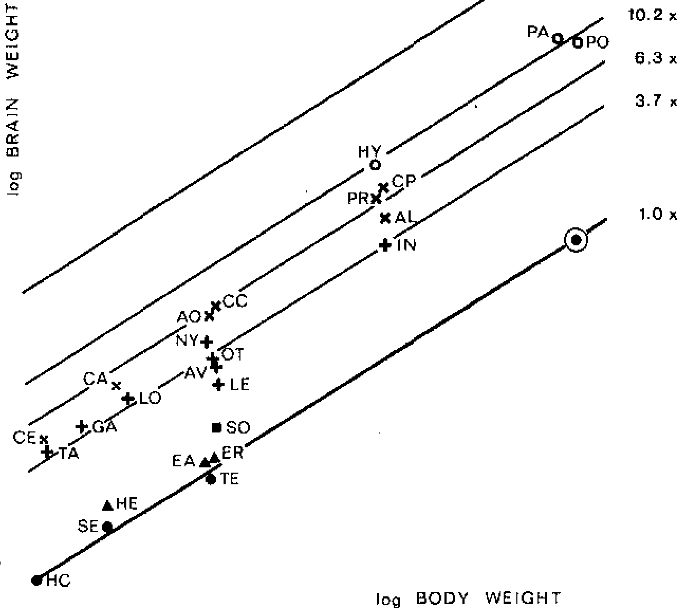 can expect a ratio of about 3.9 for the Indri. Then, in comparison with Tenrecinae, the BrWs of the other members of the 6-kg group would also be 3.9 times larger; the BrWs of monkeys would be between 5.3 and 7.6 (average 6.8), and that of Hylobates, 9.8 times larger than the BrWs of iso-ponderous tenrecs. With reference to Hylobates, the BrW of man (1,330 g), being 3.4 times larger than the average of pongids of similar BoW, would monkeys pros,m,ans Fig. 2. BrWs (in milligrams) plotted against BoWs (in grams) in a double logarithmic scale. The species are the same as presented in Figure 1. The connect-ing line between three existing species of Tenrecinae and the theoretically derived large tenrec has the equation log BrW = 1.638 + 0.624 x log BoW. Thinner parallel lines are through the averages of prosimians (n = 8), monkeys (n = 5), and pongids (n = 3) and through the point for man. BoWs and BrWs are given in Table 1. BoW/BrW data from species not included in Table 1 are given in parenthe-ses after the species' names. Abbreviations: AL, Alouatta seniculus; AO, Aotus trivirgatus; AV, Avahi | be about 33.2 times larger than that of a hypothet-ical tenrec of equal BoW. Thus, a hypothetical tenrec (as a member of the 56-kg BoW group) would have a BrW of about 40.1 g (1,330:33.2). As shown in the preceding paragraphs, the means of the BrW ratios in the various isoponder-ous groups are as follows: about 3.9 from tenrecs to prosimians, about 5.0 from tenrecs to marmo-sets, and about 1.7 from prosimians to monkeys. In log-log plots (Fig. 2), these ratios correspond to the distances between parallel lines. The lowest line is that through the data points of the tenrecs. A connecting line between the existing small ten-recs of the first three groups and the theoretically derived large tenrec of the 56-kg group has a slope of 0.624. Such a line predicts for each BoW an expected BrW of Tenrecinae. The BrWs of aver-age Tenrecinae calculated from such a line are regarded to be uniformly 1, and BrW deviations in isoponderous species are expressed as encephali-zation indexes (Els). The Els calculated from this reference line closely correspond to those obtained from direct comparisons and two additional steps of adjustment (Fig. 1), and differ from them mainly by taking into account the relatively small differ-ences in BoW existing within each of our five isoponderous groups. The preceding comparison of BrWs in isopon-derous speqies provides solid criteria for evaluat-ing the slope of the best-fit line. Only a slope close to O.624 produces Els similar to those obtained from direct BrW comparisons (see below, Slopes Across Orders). Thus, our Els are a reliable mea-sure of RBrS. Slopes Obtained From lnterspecific Regression Analyses Figures 1 and 2 show that species that are equi-distant from Tenrecinae belong to the same family | investigation contains only species that are similar in BoW, the slope can be extremely high or low. In isoponderous species, the slope may even reach infinite values if the BrW differs only slightly. This is independent from the number of species. The slope is much more stable if the species in a group have a large range of BoW. Within genera, this range is generally limited [see Bronson, 1981]. Slopes Within Genera. In Insectivora we have eight, and in Primates 13 genera with more than one species. The average of the eight slopes of Insectivora is 0.575 (coefficient of variation, CV, is 63.9), and that of the 13 genera of Primates is 0.421 (CV 67.3). When considering only those genera in which the BoW of the largest species is at least twice that of the smallest (ie, BoW range >2), we obtain different results. Within the eight genera oflnsectivora, four have a BoW range >2. The average slope of these four genera, which all belong to the Soricidae, is 0.637 (CV 1.2). Among Primates, we have only three genera with a BoW range > 2; their average slope is 0.577 (CV 44.5). Finally, the average of all the genera of Insectivora and Primates with a BoW range >2 is 0.611 (CV 24.8; n = 7). Since this is weak material and the CVs are relatively high, we will also include our large sample of Chiroptera containing 38 genera with more than one (up to 16) species: the average of the 38 slopes is 0.699 (CV 42.9). Among the 38 genera, there are 20 with a BoW range >2 (up to 1:8). The average of these 20 slopes is 0.633, and the variation is much smaller (CV 16.6). Our 12 species of the genus Rhinolophus are plotted in Figure 3. The average slope of well-represented genera is similar to that found from the direct comparison (Fig. 2). Slopes Within Subfamilies and Families. All the

- CEBUELLA | - CALLITHRIX |  | - AOTUS - NYCTICEBUS | - PRESBYTIS - ALOUATTA |  | laniger occidentalis; CA, Callithrix jacchus; CC, Callicebus moloch; CE, Cebuella pygmaea; CP, Cercopithecus mitis; EA, Erinaceus algirus (790/ |  | (Lorisidae, Callitrichidae) or suborder (Prosimii). Consequently, the lines connecting the data points | regression lines of subfamilies and families with their respective BoW ranges are presented as full
- TARSIUS | - LORJS - GALAGO | - OTOLEMUR INDRI - AVAHI - LEPtLEMUR |  |  | 3,200); ER, Erinaceus europaeus (860/3,350); GA, Ga/ago senegalensis; HC, Hemicentetes semispino- |  |  | of such taxonomic units must also have slopes close to 0.624. We found slopes of about 0.63 in | lines in Figure 4. For the four families of Insecti-vora that are well represented in our material, the
- SOLENOOON _ HEMIECHINUS _ ERINACEUS - HEMICENTETES - SETIFER - TENREC Fig. 1. Direct comparison of BrWs in species with equal or similar BoWs (isoponderous groups). The left-hand scale shows how many times the BrWs of the various species are larger than the smallest BrW within a given group. This refers to the first three groups only. The two last (heaviest) groups are ad- justed to the results of the first three groups. |  |  |  |  |  |  | sus (110/830); HE, Hemiechinus auritus (250/1,900); HO, Homo sapiens; HY, Hylobates spp. (5,800/ 96,000); IN, lndri indri; LE, Lepilemur ruficauda-tus; LO, Loris tardigradus; NY, Nycticebus cou-cang; OT, Otolemur crassicaudatus; PA, Pan troglodytes; PO, Pongo pygmaeus (58,000/383,000); PR, Presbytis obscura (5,800/66,000); SE, Setifer setosus (248/1,510); SO, Solenodonparadoxus (900/ 4,670); TA, Tarsius spp.; TE, Tenrec ecaudatus (832/2,570). | genera, subfamilies, and families; about 0.68 in primate suborders; about 0.79 in the order Pri-mates; and about 0.91 when the two orders (Insec-tivora and Primates) were combined. Since determining a common slope is crucial to our method of comparison, we present details of our material and procedure. The reliability of the slope of a regression line depends on the range of BoWs. If the group under | following slopes were found (number of species in parentheses): Tenrecidae 0.562 (11), Erinaceidae 0.456 (3), Soricidae 0.612 (16), and Talpidae 0.661 (4). Within the Tenrecidae, the Oryzorictinae and Potamogalinae have nearly twice the BrWs of Ten-recinae of similar BoWs. The slopes are 0.613 for Tenrecinae (4), 0.736 for Oryzorictinae (4), and 0.689 for Potamogalinae (3). In shrews, the Sori- cinae have somewhat larger BrWs than Crociduri-
l-

Table 5
l
I
I
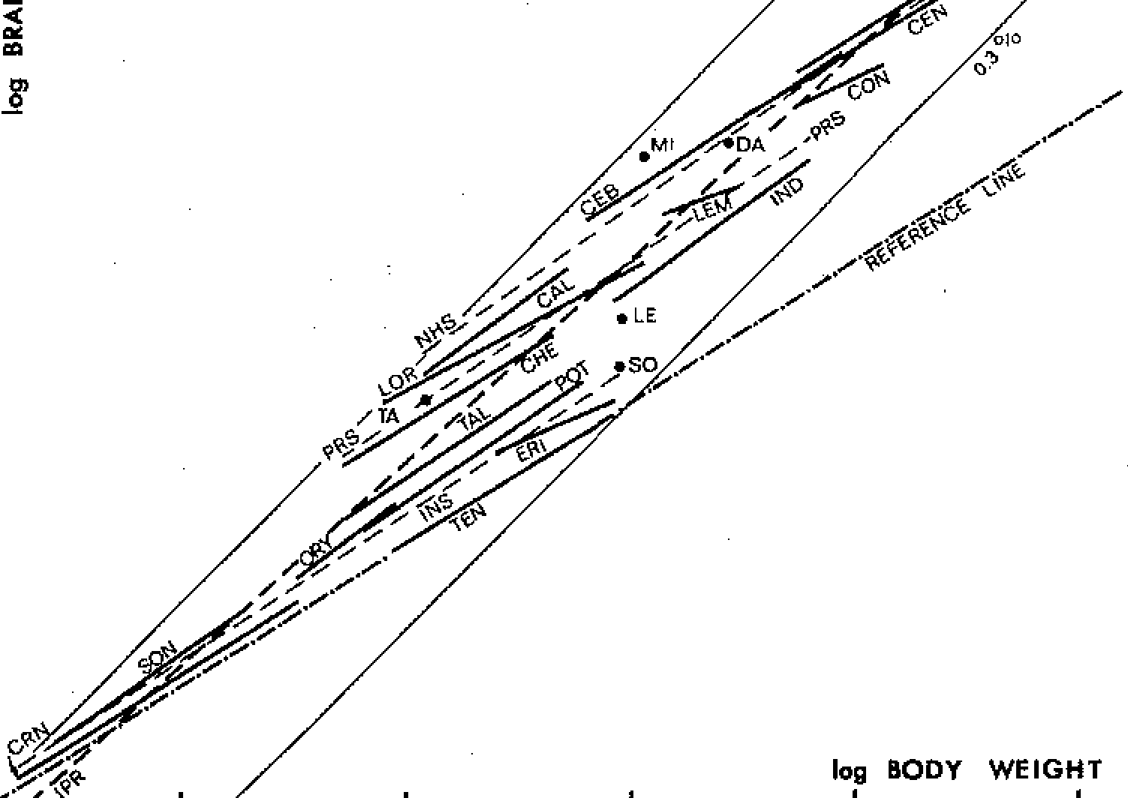
.<O /
�/
/, /<*
/��,,o�
i I 8 Stephan, Baron, and Frahm 2.9 >- l. Q :L;L;l z <( c0o:: |  |  |  | • • |  | A similar average slope (0.611) was obtained within genera (see above). Thus, there is no substantial difference between genera, subfamilies, and/or families in the slopes of the regression lines. |  | Size of Brains and Brain Parts 9 ilar in closely related groups and thus in contradic-tion with the direct comparisons (Fig. 1). The smaller species would have distinctly large Els than the larger species. Both in Tenrecinae and in Pro-simii, the Els from the representatives of the 115-g
2.5 2.0 | ."2' | 0.5 | • • • • log BODY WEIGHT. 1.0 1.5 |  |  | Slopes Within Suborders and Orders. In calculat-ing the regression line for all the 37 species of Insectivora (fine broken line INS in Fig. 4), the common slope was found to be 0.648, which is only slightly higher than that found 1) for the gen-era (0.637) and 2) for subfamilies and families (0.638) (see above). |  | group would be twice as large as those from the 850-g group. Thus a reference baseline across or-ders does not meet the requirement of producing similar RBrS values (expressed as Els) for closely related species independent of differences in BoW. Slope Selected for Interspecific Comparisons. Sum-
Fig. 3. Least-squares regression for the genus Rhin- olophus to demonstrate the relations within a genus well represented both by number of species (n = 12) 2 and range of BoW (1:7.6). The slope is 0.643; the correlation coefficient (r2) is 0.958. Fig. 4. Least-squares regression analyses of taxo- |  |  |  |  |  |  | In the order Primates, the differences were much larger. The common slope was 0.792 including man (n = 67) and 0.773 excluding man. For the 18 prosimian species (fine broken line PRS in Fig. 4), we found a slope of 0.659, and for the 48 nonhuman simian species (fine broken line NHS in | marizing our investigation on slopes, we found an average of 0.611 for seven genera of Insectivora and Primates, 0.633 for 20 genera of bats, and 0.630 for 15 subfamilies and families of Insectivora and Primates. The values converge at 0.63, and this value will be used in the interspecific compar-
nae of similar BoWs [Fons et al, 1984]. The slope of Crocidurinae is 0.631 (9), and that of Soricinae is 0.680 (7). The average of the seven slopes of families or subfamilies of Insectivora is 0.638 (CV 14.1). Two of the six families of prosimians have only one (Daubentoniidae) or few species (Tarsiidae). In the other four families, the following slopes were found (number of species in parentheses): Cheiro-galeidae 0.625 (3), Lemuridae 1.103 (3), Indriidae 0.746 (4), Lorisidae 0.542 (6). In the Lemuridae, Lepilemur differs greatly from the rest of the family by its low BrW. If Lepilemur is excluded, the slope of Lemurinae [Rumpler, 1975] drops to 0.396 (2). The BoW range of this group, however, is only 1:2.1. The average of the slopes of the families (or subfamilies) ofprosimians is 0.577 (CV 25.5; n = 4) including Lemurinae, and 0.638 (CV 16.1; n = 3) excluding them. Of the five families of simians, one (Hominidae) is monospecific. In the remaining four families, the following slopes were found (number of species in parentheses): Callitrichidae O.723 (7), Cebidae 0.658 (11), Cercopithecidae 0.525 (23), Pongidae 0.607 (7). In the Cercopithecidae there are two distinct subfamilies (Cercopithecinae and Colobi-nae) and one strongly deviating species (Miopithe-cus) whose small BoW has been attributed to dwarfism [Bauchot and Stephan, 1969; Frahm et al, 1982]. While Colobinae have distinctly lower Els than Cercopithecinae, Miopithecus has a dis-tinctly higher El (Table 1). The slope of Cercopi-thecinae (Miopithecus excluded) is 0.613 (17); that of Colobinae is 0.467 (5). The average for the five |  |  |  |  | nomic units in Insectivora and Primates. Thick stip-pled line (IPR) is across the orders of lnsectivora and Primates, thin stippled lines (INS, NHS, PRS) are from orders and suborders, and solid lines are from families and subfamilies. The slope of the ref-erence line was determined from regression analyses within genera, subfamilies, and families. The refer-ence line itself is placed through the average of the Tenrecinae, where the lowest RBrS was found. The equation for the reference line is log BrW = 1.6128 + 0.63 x log BoW. Fine solid lines mark the limits of the percentage BrW relative to BoW in extant species of Insectivora and Primates (min = 0.3 % , max= 4.2%, respectively). These lines are isomet- ric (slope = 1). Abbreviations (single species have only two capitals; number of species in parentheses): CAL, Callitrichidae (7); CEB, Cebidae (11); CEN, Cercopithecinae (17); CHE, Cheirogaleidae (3); CON, Colobinae (5); CRN, Crocidurinae (9); DA, Daubentonia; ERi, Erinaceidae (3); HO, Homo; IND, Indriidae (4); INS, lnsectivora (37); IPR, In-sectivora and Primates (104); LE, Lepilemur; LEM, Lemurinae (2); LOR, Lorisidae (6); Ml, Miopithe-cus; NHS, nonhuman simians (48); ORY, Oryzoric-tinae (4); PON, Pongidae (7); POT, Potamogalinae (3); PRS, prosimians (18); SO, Solenodon; SON, Soricinae (7); TA, Tarsius spp.; TAL, Talpidae (4); TEN, Tenrecinae (4). slopes offamilies or subfamilies of simians is 0.614 (CV 15.4), and that for all families and subfamilies of Primates (Lemurinae excluded) is 0.623 (CV 14.6; n = 8). Finally, the average slope for all the families or subfamilies of Insectivora and Primates (Lemurinae excluded) is 0.630 (CV 13.9; n = 15). |  | Fig. 4), the slope was 0.704. These slopes, too, are distinctly higher than those found from the genera, subfamilies, and/or families. Slopes calculated from orders may be similar to those calculated from genera to families when spe-cies with different Els are distributed over the whole BoW range of the order. This is the case in Insec-tivora, where the Talpidae, with high Els, are counterbalan(i:ed by the Tenrecinae, with low Els. No such balance exists in the Primates. Prosimians and Callitrichidae with low Els are generally small-bodied (between 54 g and 6 kg), whereas monkeys, apes, and man, which have higher Els, range from 0.6 to more than 100 kg. Very large prosimians, which may have reached gorilla size, are now ex-tinct. The lack of small primates with high Els and large primates with low Els results in a regression line for the primate order, with a distinctly higher slope than the regression lines of lower taxonomic units (genera to families). Slopes Across Orders. The common regression line of all the 104 species of Insectivora and Pri-mates (including man) (thick broken line IPR in Fig. 4) has a slope of 0.907, which again is dis-tinctly higher than all the slopes resulting from the lower taxonomic units. The main reason for this is the difference in the size range between Insectivora and Primates. Using the regression line across the two orders as a basis for reference, man would have a lower EI than many of the sryaller primates (eg, Miopithecus). In the IPR line, the BoW power is too high, and thus the BoW influence on the Els would not be minimized. The Els would be dissim- | ison of RBrS. Using this slope results in Els similar to those found in direct BrW comparisons in iso-ponderous species and thus meets the fundamental requirement for employing the regression method to estimate actual species-specific differences in RBrS. Variability of Slopes and Possible Explanations. In addition to the differences due to different taxo-nomic levels of the samples, there are several other possible reasons for the great variability of the slopes. Poor Data. In a given species, the BoW data are generally more variable than the BrW data. Young animals generally have higher Els. The reason for this is that BrW increases more rapidly than BoW to reach or even exceed adult values, and then remains nearly unchanged or decreases slightly. On the other hand, gravid females and overweight an-imals (eg, from zoos) have lower Els. To minimize the influence of such specimens, we introduced for each species a standardized BoW obtained from as many specimens as possible, excluding obvious juveniles and very fat or very thin as well as sick animals, and by subtracting the uterus weight in gravid females. Despite these precautions, our standardized BoWs may differ markedly from the actual average BoW of a given species when the sample is poor and/or mainly based on data from the literature and/or on material from zoos. For example, our adult chimpanzees from the wild uni- formly had BoWs close to 46 kg, whereas values ofup to 80 kg are reported in the literature [Bauchot

Table 6
f
[
i
I l
f f
Stephan, Baron, and Frahm and Stephan, 1969]. Our data come mainly from free-living animals, but there is no guarantee that they do not include poor specimens. Number of species and body weight range. The range of BoW within a taxon is often too limited to arrive at stable slopes. This is especially true in primates, and of course poses more of a problem in lower taxonomic units than in higher ones. By using taxa with a great number of species, some of which are distinctly different in BoW, the slopes become highly stable (ie, show little change when new species are added), and they clearly converge on a common value for all genera and families and/ or subfamilies (eg, in bats [Stephan et al, 198lb]). Deviating species. In bats we have found (be-side great uniformity) single, highly deviant species |  | 30 25 20 15 ff] () 0 10 :!: | ► - HOMO NON-HUMAN SIMIANS |  |  | - CERCOPITHECINAE - CEBIO',f - OAIJIIIENTONIA _ CALUTRICHIOAE - 'LEMURINAE' - LORISIOAE - TARSIUS SCANDENTIA - INDR!IOAE - CHEIROGALEIOAE | Size of Brains and Brain Parts 11 in more detail in conjunction with differences in the relative size of the brain structures (expressed as Sis). Summary Comparison of brain weights in groups of iso-ponderous species gives reliable data on relative brain size, which can be used directly as criteria for validating the results obtained from regression analyses of species with different BoWs. RBrS values similar to those obtained from isoponderous groups result only when using BoW powers (slopes a in log-log plots) slightly higher than 0.6. Such slopes are obtained in regression analyses for gen-era, subfamilies, and families but not for species (lower values), suborders, or orders or across mammalian orders (generally higher values).
(eg, the giant form Hipposideros commersoni [Ste- 5 phan et al, 1981b]. Such deviating species can be f |  |  |  | PROSIMIANS SCANOENTIA | Fig. 6. Els of Scandentia and lower taxonomic units of the 44 species of nonhuman primates (listed in |  | Within the taxonomic units from genera to fami-lies, the slopes may show a great variability. This seems mainly to be due to poor material, since in
easily recognized in large samples. This is much more difficult in primates, since many primate fam-ilies comprise only a few extant species. Further-more, many, or even most, of the prosimian, cebid, and pongid species appear to be unique, and only a few genera (Saguinus, Macaca, Cercopithecus, Presbytis) comprise more than ten species. In taxa with few species, unique and/or deviating species will have a relatively great influence on the slope. If they are included in the regression line calcula-tion, the fact that they are deviating forms may go unnoticed. Therefore, instead of considering the slopes obtained only from the weak material of primates, those obtained from related ·mammalian orders with large numbers of species, such as In-sectivora and Chiroptera, should be taken into ac-count when establishing the reference line for calculating Els of primates. It is surprising that, despite the weak data on primates, the slopes of the var1ous families and/or subfamilies are still quite similar (Fig. 4). Brain Weight Comparison Based on Parallel Reference Lines The following comparison includes only those species from which both BrWs and volumes of brain parts are known. In prosimians, the number of species is the same, but in nonhuman simians voiume measurements of brain parts, and thu; calculation of size indexes (Sis, corresponding to the bis of the total brain), were possible in only 26 of the 48 species used in Figure 4. | f INSECTIVORA Fig. 5. Ranges and averages of the Els of the large taxonomic units. The Els are numerical values of distances from the reference line given in Figure 4. The reference line represents the "average tenrec," and the indexes of all points on it are equal to 1. According to the results given above, the most meaningful slope is 0.63. For universal compari-sons among all the primate groups, we have as-sumed this slope to be common to all the groups under comparison, even if in single groups the slopes resulting from the available data differ. A reference line with a slope of 0.63 placed through the average of the Tenrecinae (n = 4) has a y intercept of 1.6128. Based on this line (ie, referring to Tenrecinae = 1), the mean EI is 1.38 for Insectivora, 3.48 for Scandentia, 4.15 for pro-simians, 8.01 for nonhuman simians, and 30.12 for man (Fig. 5; Tables 1, 4). When the reference line is shifted to the prosimian average (ie, refer-ring to the prosimian average = 1), they intercept increases by 0.6178 ( = log 4.15) to 2.2306, and when it is displaced to the average of nonhuman simians (ie, referring to the nonhuman simian av-erage = 1), the y intercept increases by 0.9035 ( = log 8.01) to 2.5163 (Table 2). All the indexes for the species given in Table 1 can be easily converted in this way (ie, by dividing them by |  |  |  |  | Table 1) whose structures were measured: The ver-tical bars represent the range of variation within each taxonomic unit with the average marked by a dot. The horizontal bars to the right correspond with the means of the units, whose names are given. 4.15 or 8.01) to the prosimian or nonhuman simian reference baselines. Such conversion by constant factors corresponds to the subtraction (or in the reversed direction, to the addition) of constant y intercepts and thus to a parallel shifting of the reference line. The Els of Insectivora slightly overlap those of prosimians but not those of Scandentia (Fig. 5). The Els of Scandentia completely overlap those of prosimians, but the average is distinctly lower. There is a wide overlap of the Els of prosimians and simians, but all the prosimian Els are below the nonhuman simian average. Man has an ex-tremely high El, and the distance between chim-panzee and man is larger than that between chimpanzee and Tenrecinae. The Els of prosimians have a wide range, which is largely due to the very high value of Dauben-tonia (Fig. 6). The lowest EI is found in Lepile-mur. Within nonhuman simians, low Els are found in Callitrichidae and Colobiiiae. Most of the Ce-bidae, together with Cercopithecinae and Pongi-dae, have higher Els, which almost completely overlap in their ranges of variation. The differ-ences in RBrS (expressed as Els) will be discussed | samples with large numbers of species having a sufficient range of BoWs the slopes become more stable and converge at 0.63. A reference line with this slope was placed through the average of Ten-recinae, which in all our isoponderous groups (which include Insectivora; Fig. 1) had the small-est brains. The equation of this line is fog BrW = 1.6128 + 0.63 X log BoW. Based on this line, prosiinians have an average brain size enlargement (EI) of 4.15, nonhuman simians of 8.01, and man of 30.12. These Els are independent of differences in BoW. The Els of prosimians partly overlap those of simians; in both groups, the values di-verge enormously. COMPARISON OF BRAIN STRUCTURES The methods and procedures for size compari-sons of brain structures are the same as those used for comparisons of total BrW. Using photoprints of serial sections, the total brain was subdivided into the five basic brain parts (medulla OB-Longata, MESencephalon, CERebellum, DIEn-cephalon, and TELencephalon), and the TEL was subdivided into seven parts (Bulbus OLfactorius, PALeocortex, SEPtum, HIPpocampus, SCHizo-cortex, STRiatum, and NEOcortex). The borders of the brain parts were delineated on the photo-prints, and the components were cut out and weighed. The weights were converted to the fresh

Table 8
�
�
=
"'
.s
"'
�
i
,S
B
>.
�,...!.;,.:.;,�....�;..�...:�...�..;�No�o.^{S}....!:0&0..^{i}...^{R}.;N�N�,..�..;
,r, t- ,r, .- M \0 M ,r, t- t- 0\ ,r, ,r,
�,..;N�V")-.i-cici.,...;N�tnci
.......i lO t""--- t--- """ 00 V) 00 00 00 'o:::t 00 \0
N
...;0000...;0...;00000
ooooo,r,00,. \00.,-,00
NMO\O\\Ol"--::10\'S!"t-Ot-O\
::o���!;;:�0088���!;;:
I
�@;:;!;(o@�};:;};:;};:;};:;@@to:;:;�
000000000000000
�.:,i =.'".C.l ..s.. ... .0... ..;.. �u '"Cl § .c,f, .s ,-.l, �... � � 'S ="-' .i.. >. '"Cl �., =- r:r:, N es � | volume of the standardized brain of a given spe-cies. The volume data as well as details of all the steps of measurement and conversion are pub-lished elsewhere [Stephan et al, 1981a]. The same methods as for the total brain were used to deter-mine common slopes for each of the brain parts. When the brain components were plotted against Bow, the slopes were different for the various brain parts. They vary from 0.54 for the MES to 0.67 for CER and NEO (Table 2). Slopes lower than 0.54 have been found in some visual struc-tures-eg, 0.48 for the lateral geniculate body [Stephan et al, 1984] and 0.51 for the gray matter of the area striata [Frahm et al, 1984]; a distinctly higher slope than 0.67 has been found for the white matter of the NEO (0.86) [Frahm et al, 1982]. The Sis were scaled for detailed comparisons between and within the various taxonomic units. The reference base groups were 1) the Tenrecinae for ·comparison of the orders (Insectivora, Scan-dentia), primate suborders (prosimians, simians excluding man) and for strongly deviating species (man) (Figs. 7-9); 2) the primate suborders for families and subfamilies and for species that mark-edly deviate from these taxonomic units (Figs. 10, 11); and 3) New World families for their species (Fig. 12). As mentioned above, conversion from one reference basis to another is easy using the constant factors given in Table 2. To obtain a general indication of the trends (whether progressive or regressive) and intensities of the size modifications within the brains, the Sis were averaged (basis Tenrecinae; Table 4), and the mean Sis of Insectivora (Tenrecinae excluded), Scandentia, prosimians, nonhuman simians, and Homo were scaled. In Figures 7-9 the Scandentia were positioned between lnsectivora and prosimi-ans with no regard for their classification. Of the five fundamental brain part | Size of Brains and Brain Parts 15 than that of CER, whereas in man the sequence is reversed. Overall, there is a steady increase of the Sis of all basic brain parts from Tenrecinae through other Insectivora, prosimians, and nonhuman sim-ians up to man, whereas Scandentia deviated from these trends with a relatively large DIE and an especially large MES (Fig. 7). Within the TEL (Fig. 8), the mean Sis of the BOL become distinctly lower, and those of the PAL (amygdala included) become slightly lower (except in Scandentia and man). Whereas in the limbic structures (SEP, HIP, and SCH) the in-crease of the mean Sis is modest, it is strong in STR and very strong in NEO. In SCH, SEP, PAL, and BOL, Scandentia again do not follow the trend, having relatively high mean Sis in all these struc-tures. In SCH and HIP, the nonhuman simians have lower mean Sis on the average than the pro-simians. Thus, these limbic structures show no uniform trend. The NEO is by far the most progressive struc- ture. In Insectivora (Tenrecinae excluded), the NEO is on the average 2.7 times larger than in Tenrecinae; in prosimians, 21 times; in nonhuman simians, 51 times; and in man, 200 times (Fig. 9). The Scandentia, when positioned between Insecti-vora and prosimians, are in line with this general trend. In summary, the slopes of the various brain structures range from 0.48 (lateral geniculate body) to 0.86 (white matter of the neocortex). Thus, changes in body size do not affect size modifica-tions of all brain parts at the same rate. A classification of the various brain components based on the trends and intensities of size modifi-cations from low Insectivora through prosimians, monkeys, and apes to man may be suggested as follows: an extremely strong progressive structure is the neocortex (NEO); strongly progressive structures are striatum (STR), cerebel

Table 10
,;;;- M
'a'
·fl
₋00
"§'
:§
M N
'<t" \Cl M M
\Cl N
1/'l 00
0₋
r-- M M
"i:':
�
0)
o:I
o:I
�
'l)
ol
bl)
i
i::
�·c:
:g
0)
.�s
0)
a
:§
0)
o:I
:g i::
Tl
"'
g
]
u
:€
0..
0)
�
�
:g
o:I
"'
8
1
u
s
�
'l)
-
:§
i::
·c":' ·c":'
tll
u
�
8
....l
3 3
"i
�
.$l
l:I
0)
�
�
�
u
:..f_{s}l
0)
u
0)
0
t
u
0
t
0..
u
I
i::
u
�
0
�
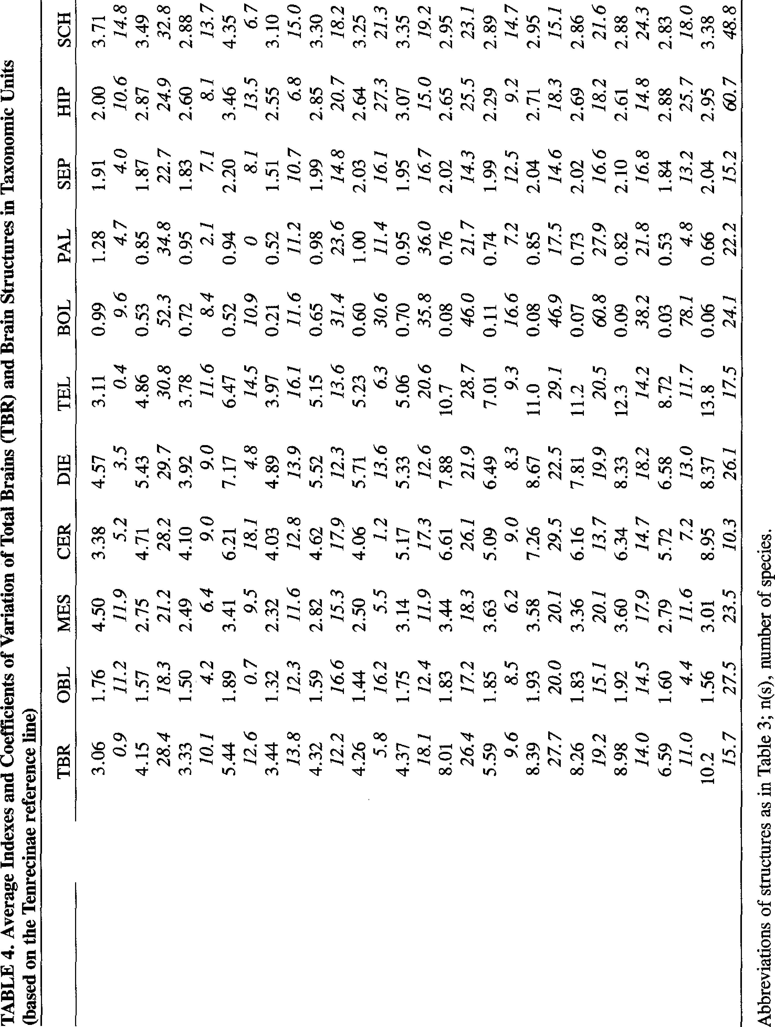 INTERPRETATION OF SIZE DIFFERENCES IN BRAINS AND BRAIN PARTS Characteristics of Taxonomical Groups The large increase in RBrS, which is mainly due to an increase of the NEO, may be considered one of the prime factors in primate evolution and indic-ative of the successful progress of these mammals. Adaptive radiation, which has been very diverse in primates, is reflected by the differential growth of individual brain parts in the various groups. Although they show many of the basic charac-ters that might be expected in primitive primates, tree shrews (Scandentia) differ from prosimians by higher Sis of brainstem components and olfactory centers but lower Sis of CER, STR, and NEO. Either limbic structures have lower Sis (HIP) or the Sis are within the range of variation in prosim-ians. Visual components show a generally weak development with high adaptation to diurnal activ-ities [Frahm et al, 1984]. Prosimians, Prosimians are characterized by a considerable variety of forms, which may be grouped into three infraorders: Lemuriformes, Lorisiformes and Tarsiiformes [Gregory, 1915]. Tarsiers are highly specialized, showing a number of adaptations, some of which suggest that they are more closely related to simians. Therefore, tarsiers and simians have been combined as Haplorhini [Pocock, 1918]. However, most of their brain fea-tures bear a greater resemblance to those of prosim-ians [Stephan, 1965, 1984; Bauchot, 1982], and we have therefore maintained the subdivision into pro-simians and simians. The extant tarsiers are rela-tively uniform, whereas the Lemuriformes on Madagascar and the Lorisiformes in Africa and Southeast Asia have radiated to occupy a wide variety of niches. Because of the absence of simians on the island of Madagascar, the Lemuriformes could occupy niches that are elsewhere occupied by simians. Thus, Lemuriformes are more dive | Size of Brains and Brain Parts 19 and Stephan, 1969; Frahm et al, 1982]. Dauben-tonia differs in many ways from the other Lemuri-formes. It has rodentlike incisor teeth, elongated digits, and a very long and slender third finger, which is used to dig insects from the bark of trees. According to Tattersall [1982], Daubentonia is a highly adaptable form found in numerous habitats but never in high density. In Cheirogaleidae, the only structures with higher Sis than the average prosimian are BOL and PAL (Fig. 10). The Sis of the strongly progressive brain components, such as DIE and TEL but especially STR and NEO, show low mean values compared with other prosimian families. The external mor-phology of the brain shows conservative features too [see Stephan et al, 1977]. Other morphological and behavioral features are also characterized by retention of the primitive state [Hill, 1972]. Lemuridae comprise two subfamilies: Lemuri-nae and Lepilemurinae [Rumpler, 1975]. In Lemu-rinae, the mean Sis of all brain structures (except BOL) are higher than the mean Sis of the total sample of prosimians (Fig. 10). The strongly pro-gressive structures (NEO, STR) reach particularly high Sis. With the exception of Daubentonia, Le-mur has the highest SI of the NEO. The species of the genus Lemur, and particularly Lemur fulvus, are the most successful primates on Madagascar [see Petter and Petter-Rousseaux, 1979]. Despite a higher EI than the average prosimian, Varecia does not reach the EI of Lemur. Varecia, highly confined in its distribution, has a number of primitive char-acters that distinguish it markedly from Lemur [Pet-ter and Petter-Rousseaux, 1979]. Lepilemur, which occupies a very different niche, differs dramatically in EI and brain composition from the Lemurinae. In many cases it has the lowest Sis of all prosimians (Fig. 10), and the SI of its NEO

Table 11
40
20 Stephan, Baron, and Frahm 10). In NEO and STR, the two diurnal forms (ln-dri, Propithecus) have distinctly higher mean Sis than the nocturnal Avahi. It is interesting to note that the Avahi has the most primitive karyotypes of the Indriidae [Petter and Petter-Rom,seaux, 1979]. Unlike Indri and Propithecus, Avahi is a relatively solitary type, forming at the most family units of 2-4 individuals [Klopfer and Boskoff, 1979]. The two subfamilies of the Lorisidae (Lorisi-formes) differ from each other by a series of mor- 35 phological and behavioral characteristics [see Szalay and Delson, 1979] but show no distinctive trends in brain composition. From the brain com-ponents, the strongly progressive NEO, STR, and DIE have slightly higher mean Sis in Lorisinae 30 than in Galaginae. On the other hand, brainstem components (OBL, MES) and BOL have higher mean Sis in Galaginae than in Lorisinae. Of the motor centers, the CER has a higher mean SI in Galaginae, and the STR has a lower one. The 25 limbic structures also have higher mean indexes at times in Galaginae (HIP, SCH) and at times in Lorisinae (SEP, PAL). Interspecific differences in the Sis are more marked in Galaginae than in Lorisinae (Table 4). 20 In several cases (eg, NEO, BOL) Galagoides has the highest SI of the Lorisidae and Otolemur has the lowest. The SI of the NEO, which in Gala-goides is even one of the highest in prosimians, seems to be inconsistent with the view that this 15 form represents a conservative primate pattern [Ei-senberg, 1981]. In Tarsius, the Sis of the brainstem components surpass the prosimian average. The SI of NEO is high for a prosirnian; this is true even if the rela- 10 Figs. 7-9. Average size indexes (Sis; number of 5 species in parentheses) of |  |  | 20 200 150 15 100 10 5 4 3 2 0 |  |  |  |  |  |  |  |  |  |  |  |  | Size of Brains and Brain Parts 21 NEO * I I I I I I I I I I I I I I I I I I I I I I I I I I I I I I I I

TEL + I I I I I I I I I I I I I I I I I I I I I I I I CER I I I I I I I I I I I I I I I I I I D!E I / I I / I I I I I I I /II I l1 // // 0 j/ //- MES • /1/ /,,. -;:::; _,- /.1/ / 4 i - _,,Y _ - - OBL .:::::::::= o --0---0---0

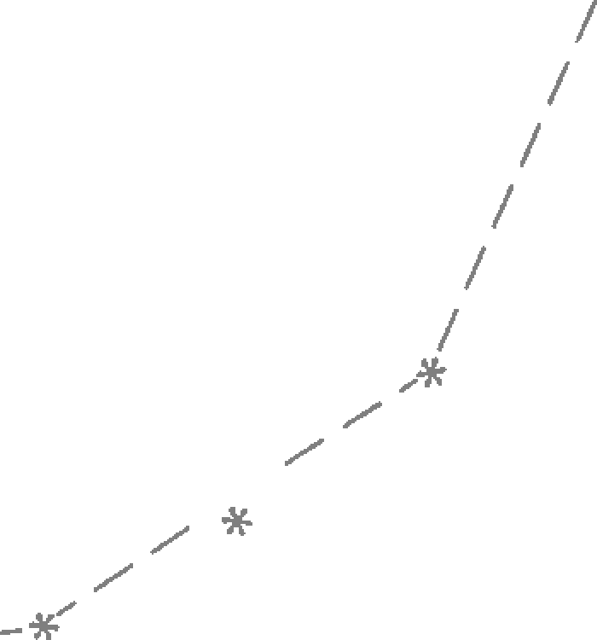
50 |  |  |  |  |  |  |  |  |  |  |  |  |  |  |  |  |  |  | *I
40

30
20
10
0

u
z
4
4
u
4
I
 |  |  |  |  |  |  |  |  |  |  |  |  | u, |  | 4 |  | en |  | z
tures in the four Tenrecinae is uniformly given the value 1. Fig. 7. The five fundamental brain components: 0, medulla oblongata (OBL); ■, mesencephalon | 0 4z ,'.'! u, z u, u, 0 |  |  |  | ezn '.'! ::, | z 4::, ::,en IZ |  | 4 iz= u, 0z 4 &l |  | ezn � ui 0a:: Q. | �::, ::,en I,Z-,: z- 0Ze�n | 0 ::, 0 I |  | 4z u, az:: ,u, |  |  |  | iz= u, 0z cen3 |  | z � 8a:: Q. | 4::, ::, z 0z | 0 ::, 0 I
(MES); ◊, cerebellum (CER); A., diencephalon (DIE);+, telencephalon (TEL). |  | Q'. ,u, |  | z eun | en 0 Q'. Q. | ,4 z� �iii | 0 ::, 0 I |  | Fig. 8. The seven telencephalic components: •, olfactory bulb (BOL); □, paleocortex.. + amygdala (PAL); ♦, septum (SEP); L, hippocampus (HIP); T, schizocortex (SCH); X, striatum (STR); *, neo-cortex (NEO). |  |  |  |  | Fig. 9. The neocortex(*) in a reduced scale to show the position of nonhuman simians and man true to scale.

NEO I
I
I
*I
I
I
I
I
I
I
I
I
I
I
I
STR
)(
I I I
I
I I I
I I I
I
I
I
I
I
I
I
I
I
I
I
I
I
I I I
I
I
I
I
I
I I
PAL
--
.□.⁻.⁻...
-□
.._
--. .. - -
BOL
 |  |  |  |  |  |  |  |  | 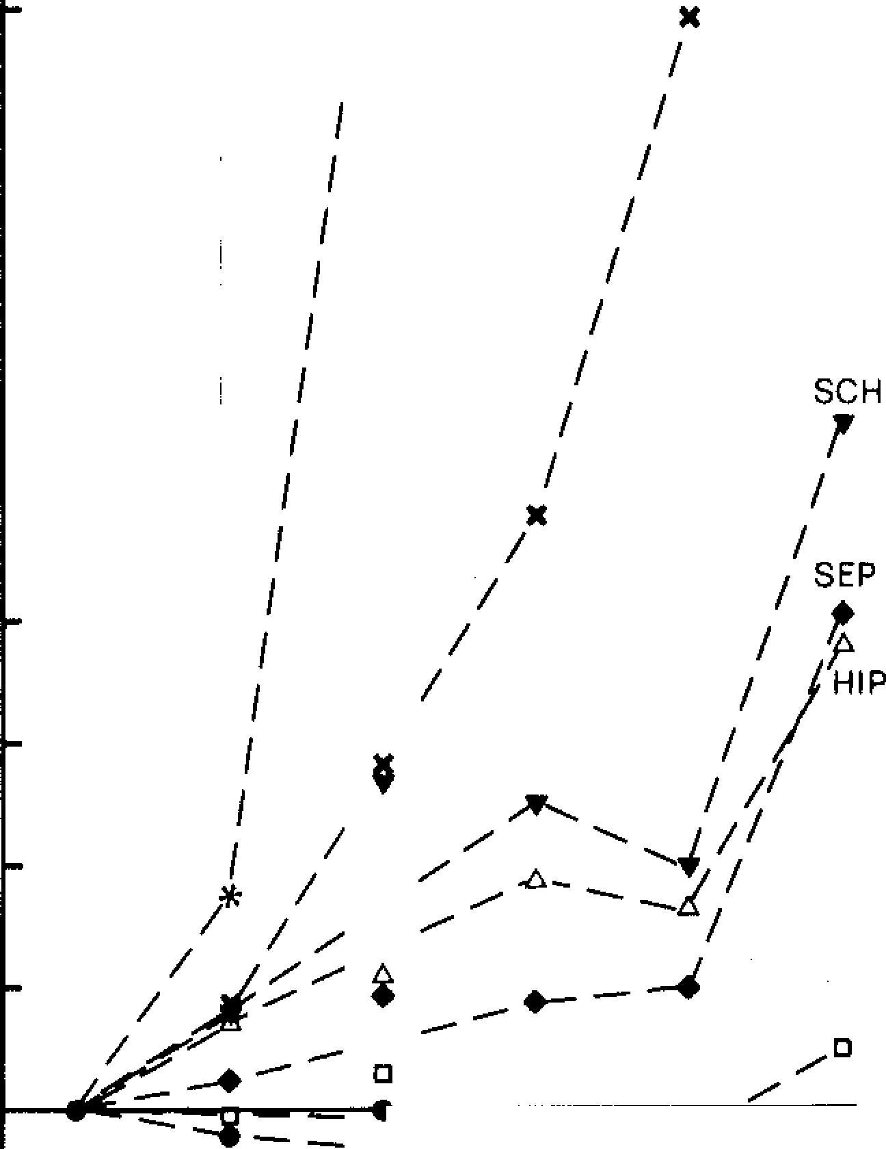

Table 12
•
.
*
22 Stephan, Baron, and Frahm .•. |  |  |  |  |  | the olfactory structures are also far below the pro-simian average; those of the limbic structures are |  |  | Size of Brains and Brain Parts 23 primates, and the Sis of all its brain components (with the exception of the BOL) surpass the mean
2.0 1.5 | • .. " □ |  | • 2.0 • 1.5 • □ i* |  |  |  | near, but still below the means for prosimians (Fig. 10). Simians. The simians (New World and Old World monkeys, apes, and men) have morphological characters in common that set them apart from the prosimians. One of the most distinct features is their relatively larger brain. The New World monkeys comprise two groups, the small Callitrichidae and the larger Cebidae. In |  | Sis of the total sample of nonhuman simians. One possible explanation for the high indexes is a sec-ondary reduction in BoW (see below). Although Miopithecus shows, particularly in cranial mor-phology, the basic characteristics of Cercopithecus, it has a somewhat neotenous appearance and re-sembles the juvenile stages of the larger species [Verheyen, 1962]. Marked differences exist even among various species of the genus Cercopithecus. Differences in quantitative brain composition cer-
1.0 �.�----------, .-.---.-.----11.o |  |  |  |  |  |  | Callitrichidae, the Sis of limbic structures and |  | tainly correspond to the exceptional niche diversi-
0
0.5 1.8 1.5 | ".. | .. •�* " •* • |  |  | i 0 0.5 • ,.. |  | brainstem components are close to the simian av-erages (Fig. 11). In all species of this family, how-ever, NEO and STR have much lower Sis than in simians on the average. Cebuella, which is the most primitive member of Callitrichidae [Hersh-kovitz, 1977], has the least-developed NEO, STR, and DIE of simians (Alouatta excluded). In Cebidae, the mean EI is about 1.5 times higher than in Callitrichidae. Cebidae also show, in con-trast to Callitrichidae, higher Sis of the strongly progressive brain components. Among Cebidae there is, however, a great interspecific variability |  | o• ,.,1-+O■-�•011 | ------ | � ·* �:..,�i:--�- -' .. .. | fication of this widespread and abundant genus of African monkeys. This group, which occupies var-ious grades of biotopes, shows a fair amount of dietary, locomotory, and behavioral variation [see Napier and Napier, 1967]. Chromosome number,
■ (Fig. 12), indicating occupancy of a wide variety ■ of niches. Whereas in Callitrichidae the coefficients 0 0 of variation (CV) vary between 6.2% (MES) and �o 16.6% (BOL), they range from 14.6% (SEP) to |  |  |  |  |  |  |  |  | Fig. 11. Size indexes (mostly means) of the brain components in simian taxonomic units. The mean SI of each component in the 26 nonhuman simian spe- cies is uniformly set at 1. On the left, the five
0
+ • 1.0 1--0 .---.;:;.o.--11.0 ■ 0 |  |  |  |  |  |  | 46.9% (BOL) in Cebidae (Table 4). In fact, Cebi-dae exhibit a great variability in size, morphology, |  | fundamental brain components; on the right, the seven telencephalic components. Symbols as in Fig-
"
+ • 0 ! 0.5 |  |  |  | .w, |  | 0.5 | and behavioral adaptations. Alouatta, with very low Sis, and the lowest SI of NEO of the simians, differs from the other Cebidae by its special gut adaptations (large stomach and intestines) [Kuhn, 1964]. The differences in Els and Sis may be related to |  | ures 7-9. means of either Callitrichidae or Cebidae (Table 4). The relatively high CVs indicate a great varia- bility in quantitative brain composition, reflecting extensive radiation. In fact, in addition to their |  |  |  |  | .0. | ♦.O
z iii g Fig. 10. Size indexes (partly means) of the brain components in prosimian taxonomic units. The mean SI of each component in the 18 prosimian species is uniformly set at 1. In the lower part, the five funda-mental brain components; in the upper part, the seven telencephalic components. Symbols as in Fig-ures 7-9. tively large area striata is extracted from the NEO [Stephan, 1984]. The motor centers, such as STR and CER, have lower Sis than the prosimian aver-age. Similarly low Sis have been found for dience- phalic motor structures [Baron, 1979]. The Sis of |  |  |  |  |  |  |  | differences in home range size. Cebidae generally occupy larger home ranges than Callitrichidae [Ei-senberg, 1979; Clutton-Brock and Harvey, 1980]. Therefore it may be assumed that Cebidae need to store more environmental information than Callitri-chidae. A similar trend can be observed within the Cebidae. Lagothrix and Cebus albifrons, with the best-developed brains in this family (Fig. 12), oc-cupy a much larger home range than Alouatta de-spite their larger body size [see Eisenberg, 1979]. Old World monkeys, which are among the most successful of all primates, have a higher mean El than New World monkeys; this is mainly because of the high mean SI of the NEO. In contrast, all other parts have mean Sis that do not surpass the | • widespread geographical distribution, they are very varied in morphological, ecological, and locomotor _ adaptations. Cercopithecidae are divided into two subfami-lies, the Cercopithecinae and the Colobinae. The two groups differ in a number of features, such as digestive specializations. Cercopithecinae have cheek pouches, and Colobinae have sacculated stomachs. Cercopithecinae are more numerous and ·widely distributed than Colobinae. Most of the 0,brain components of Cercopithecinae have Sis that :_surpass the means of simians. Th,,..most significant Jncrease in Sis is reached by the NEO (Fig. 11). -- Miopithecus, the smallest species of Cercopithe- cidae, has one of the highest Els of the nonhuman |  |  |  | -�◊ --O-•--♦--- J ·�0 +o Fig. 12. Size indexes of the brain components in the New World simian species. The mean SI of each component in each of the two families is uniformly set at 1; ie, on the left for Callitrichidae, on the right for Cebidae. In the lower part, the five fundamental brain components; in the upper part, the seven telen- cephalic components. Symbols as in Figures 7-9.

Table 14
nd
TABLE 5. Average Indexes and Coefficients of Variation of Total Brain (TBR) (based on the Tenrecinae reference line) s a |  |  |  |  |  |  |  |  |  |  |  |  |  | · Bram |  |  |  | 8tructures· IIl Prosmuan• • Ecoethological Groups
Activity timing |  | n(s) TBR OBL MES CER DIE TEL BOL PAL SEP |  |  |  |  |  |  |  |  |  |  |  |  |  |  |  |  |  |  |  |  |  |  | HIP SCH STR NEO
Nocturnal 14 4.01 1.56 2.70 4.55 5.20 4.69 0.58 0.88 1.87
30.4 17.7 22.0 29.7 32.6 33.1 |  |  |  |  |  |  |  |  |  |  |  |  |  |  |  |  |  | 48.7 35.7 |  |  |  |  | 2.81 3.40 5.58 19.9
Diurnal | 4 4.62 1.60 2.94 5.30 |  |  |  |  |  |  |  |  |  | 6.24 5.47 0.36 0.75 |  |  |  |  |  |  |  |  |  | 24.2 27.2 36.5 |  |  |  |  |  |  |  |  |  | 44.3 33.5
22.1 22.7 20.0 23.4 17.6 23.2 54.6 29.9 1.89 3.05 3.79 6.80 23.2
Dietary types Insectivores (grade 1) 6 4.84 1.68 3.08 5.24 6.29 5.78 0.65 1.05 |  |  |  |  |  |  |  |  |  |  |  |  |  |  |  |  |  |  |  | 19.6 17.8 20.2 21.9 26.0 2.07 3.08
28.3 20.6 18.1 33.4 32.2 29.6 52.0 33.4 25.7 34.6 3.83 6.98 25.2
Frugivores (grade 2) 5 3.69 1.59 |  |  |  |  |  |  |  |  |  | 2.63 4.33 4.56 4.24 0.68 0.90 1.92 2.79 |  |  |  |  |  |  |  |  |  |  |  |  |  |  |  |  | 46.6 47.1 25.0
14.5 7.6 15.3 15.6 16.9 16.0 17.9 15.9 11.4 14.5 3.21 4.88 17.4
Folivores (grade 3) |  |  |  | 7 3.88 1.46 2.55 4.54 5.31 4.52 |  |  |  |  |  |  |  |  |  |  |  | 0.31 0.65 1.67 2.74 |  |  |  |  |  |  |  |  |  |  | 21.8 |  |  | 17.0 19.4
Generalist folivores 2 |  |  |  |  |  |  |  | 30.8 21.5 25.9 28.8 27.8 33.5 5.44 1.89 3.41 6.21 7.17 6.47 |  |  |  |  |  |  |  |  | 48.2 31.9 23.6 20.6 0.52 0.94 2.20 3.46 |  |  |  |  |  |  |  |  |  | 3.40 5.59 19.1 22.0 33.5 36.1
(grade 3a) |  |  |  |  | 12.6 0.7 9.5 18.1 |  |  |  |  |  |  | 4.8 14.5 10.9 0 8.1 13.5 |  |  |  |  |  |  |  |  |  |  |  |  |  |  | 4.35 7.97 27.7
Nocturnal strict folivores |  |  |  |  |  |  | 3 2.89 1.28 2.04 3.54 |  |  |  | 4.07 3.25 0.26 0.51 1.38 2.33 |  |  |  |  |  |  |  |  |  |  |  |  |  |  |  |  | 6.7 13.2 20.0
(grade 3b) |  |  |  |  | 14.2 9.2 16.5 12.1 20.9 |  |  |  |  |  |  |  | 14.5 26.6 12.9 13.4 |  |  |  |  |  |  |  |  |  |  |  |  | 2.88 3.98 |  |  |  |  |  | 13.5
Diurnal strict folivores |  |  |  |  |  | 2 3.81 1.31 2.46 4.39 5.32 4.48 |  |  |  |  |  |  |  |  |  | 0.19 0.56 1.59 |  |  |  |  |  |  |  | 11.6 9.7 |  |  |  |  |  | 15.2 17.3
(grade 3c) 0.6 Locomotory types |  |  |  |  |  |  |  |  | 18.4 6.3 4.4 4.9 2.5 |  |  |  |  |  |  |  | 14.9 6.4 5.8 |  |  |  |  |  |  | 2.65 3.24 5.64 18.8 2.9 21.0 5.4 2.2
Arboreal quadrupeds 6 4.71 1.73 2.94 5.54 6.03 5.53 0.71 1.04 2.15 3.28
36.5 15.4 17.8 33.9 42.4 39.5 29.5 22.5 21.5 29.4 4.12 6.93 22.9
Vertical clingers and 9 |  |  |  |  |  |  |  | 3.73 1.51 2.71 4.38 4.94 4.29 |  |  |  |  |  |  |  | 0.38 0.67 1.64 2.67 |  |  |  |  |  |  |  |  |  |  | 43.3 51.7 40.7
leapers |  |  | 21.5 19.6 26.0 19.8 17.3 23.3 71.8 |  |  |  |  |  |  |  |  |  |  |  |  |  |  |  | 41.0 19.2 |  |  |  |  |  |  | 3.15 4.93 18.6
Slow-climbing quadrupeds 3 |  |  |  |  |  |  |  | 4.26 1.44 2.50 4.06 5.71 5.23 0.60 1.00 2.03 |  |  |  |  |  |  |  |  |  |  |  |  |  |  |  | 15.7 15.1 21.1 26.8
5.8 16.2 5.5 1.2 13.6 |  |  |  |  |  |  |  |  |  |  |  |  | 6.3 30.6 11.4 |  |  |  |  |  |  |  |  | 2.64 3.25 |  |  |  |  |  |  | 6.48 22.5
Abbreviations of structures as in Table 3; n(s), number of species. |  |  |  |  |  |  |  |  |  |  |  |  |  |  | 16.1 |  |  |  |  |  |  |  |  | 27.3 21.3 15.5 10.9
TABLE 6. Average Indexes and Coefficients of Variation of Total Brains (TBR) and Brain Structures in Simian Ecoethological Groups (based on the Tenrecinae reference line) n(s) TBR OBL MES CER DIE TEL BOL PAL SEP HIP SCH STR NEO Activity timing Nocturnal (Aotus) 1 6.04 1.96 2.93 5.60 6.50 7.72 0.17 0.78 1.97 3.02 3.59 8.45 36.6 Diurnal 25 8.09 1.82 3.46 6.65 7.94 10.8 0.08 0.76 2.03 2.64 2.93 9.99 51.2 • 26.2 17.6 18.3 26.3 21.9 28.4 43.2 22.1 14.6 26.0 23.3 30.1 28.4 Dietary types Frugivores (grade 2) 21 8.33 1.92 3.64 6.78 8.24 11.l 0.09 0.81 2.09 2.68 3.04 10.4 53.2 26.0 14.2 13.7 26.3 20.7 28.5 34.6 16.7 12.5 25.2 23.0 29.9 27. 7 Folivores (grade 3) 5 6.64 1.46 2.60 5.91 6.36 8.78 0.04 0.54 1.74 2.53 2.58 7.95 39.8 19.2 14.1 13.4 23.4 10.8 20.3 57.6 8.1 13.6 29.3 19.2 9.7 19.5
Locomotory types NW arboreal quadrupeds 10 6.96 2.00 3.71 6.12 7.66 8.93 0.10 0.81 2.05 2.56 2.98 9.02 43.9 29.5 10.9 11.0 28.5 22.3 32.0 33.2 11.4 11.7 17.7 13.2 34.2 32.2 NW semibrachiators 3 8.49 1.56 3.22 7.44 8.39 11.3 O.Q7 0.79 1.92 2.52 2.77 12.2 52.5 36.9 24.4 29.0 37.9 32.6 38.1 34.6 31.1 20.8 21.5 20.2 32.6 39.9 OW arboreal quadrupeds 4 9.31 2.02 3.93 6.73 8.98 12.6 0.11 0.94 2.23 2.73 3.13 11.3 60.8 17.1 13.8 17.0 16.7 18.9 17. 7 27.5 15.1 18.9 16.0 27.9 25.9 20.1 OW terrestrial quadrupeds 3 8.54 1.80 3.16 5.83 7.47 11.9 0.08 0.67 1.94 2.45 2.54 9.57 55.9 7.9 15.3 8.5 2.3 10.6 9.3 57.3 10.4 10.4 12.7 4.3 6.7 11.3 OW semibrachiators 3 6.59 1.60 2.79 5.72 6.58 8.72 0.03 0.53 1.84 2.88 2.83 7.93 40.2 11.0 4.4 11.6 7.2 13.0 11. 7 78.1 4.8 13.2 25.7 18.0 13.6 12.7 OW true brachiator (Hylobates) 1 10.7 2.02 3.69 9.92 10.6 14.4 0.05 0.83 2.36 5.00 5.26 14.8 66.5 OW modified brachiators 2 9.89 1.33 2.67 8.47 7.24 13.5 0.07 0.58 1.89 1.93 2.44

Table 15
.
-
28 Stephan, Baron, and Frahm Feeding Ecology. Differences in feeding ecology are, to a certain extent, reflected by differences in the Els and Sis. A classification according to the trophic behavior of the species described here was used in studies on the relative size of the main olfactory bulb [Baron et al, 1983] and of the area striata [Frahm et al, 1984]. This classification, which was proposed by Hladik [1975, 1979], con-tains three dietary grades characterized by particu-lar food preferences: insectivorous and carnivorous species complementing their diet with fruits and gum (grade 1); frugivorous forms, including gum and seed eaters that consume some animal protein (grade 2); and folivores, which eat mainly leaves as well as shoots and flowers with a supplement of various amounts of fruit (grade 3). A detailed de-scription of the species and their dietary habits is given in the publications cited above. Prosimians. The mean EI of folivorous (grade 3) prosimians is similar to that of frugivorous spe-cies but markedly lower than that of insectivorous and carnivorous forms (Table 5). Within folivores, the relatively high CV indicates that there must be marked differences in their feeding strategies. Fo-livorous forms cover almost the whole range of Els found among prosimians. The nocturnal Lepilemur has the lowest, and the diurnal Lemur fulvus the highest EI (next to the exceptional case of the insect-eating Daubentonia). Of the diurnal foli-vores, the Els of Lemuridae differ from those of Indriidae. Thus, within the folivorous prosirnians, three groups can be distinguished: the diurnal Le-muridae (Lemur, Varecia; grade 3a), with the larg-est mean EI; the diurnal Indriidae (Propithecus, Indri; grade 3c), with an intermediate value; and the nocturnal Avahi and Lepilemur (grade 3b), with the lowest EI (see Table 5). All the major | [Baron, 1979], and corpus geniculatum laterale [Stephan, 1969; Baron, 1981], have been reported to have higher Sis in diurnal Lemuridae (grade 3a) than in diurnal lndriidae (grade 3c). The ecological niche of the nocturnal leaf eater Lepilemur seems to be less complex than that of other folivorous species: Lepilemur occupies a very small home range and shows little dietary diversity [Clutton-Brock and Harvey, 1977, 1979b], and it therefore needs to process less varied information. This species feeds mainly on the tough foliage of trees commonly found in the forest [Charles-Dom-inique and Hladik, 1971; Hladik, 1979]. Lepilemur belong to what Ripley [1979] calls the "strict foli-vores." In the Avahi subspecies, which are the other nocturnal leaf eaters, the Sis of the progres-sive brain structures are slightly higher than in Lepilemur. We could not find any report on the exact feeding strategy of Avahi. Unlike Lepilemur, which generally live in spring bush forests [Hladik and Charles-Dominique, 1974], Avahi is found in a more complex habitat, such as rain forests. All frugivorous (grade 2) prosimians are noctur-nal forms. The Els, and the Sis of the progressive brain parts, are less variable than in folivorous forms, suggesting that niche complexity is more similar among frugivores. Most brain parts have, on the average, similar Sis in frugivores and in folivores. The only parts with higher Sis in frugi-vores are the BOL (2.2 times) and the PAL (1.4 times). However, when only nocturnal forms are compared, the Sis of all major brain parts, and particularly those of the strongly progressive struc-tures, are on the average higher in frugivores than in folivores. Frugivores tend to occupy larger home ranges than folivores [Clutton-Brock and Harvey, 1977]. Since fruit trees are usually widely dis-persed, frugivorous species have to travel over ra | tents from the prosimian means (Fig. 10). The highest differences are found in centers related to the motor system (CER, STR, DIE) and in the BOL. Daubentonia locates the larvae of wood-boring insects by smelling and hearing the noise produced by the insects beneath the bark [Hladik, 1979]. Tarsiers form the second type of grade 1 prosim- ians. They feed exclusively on animal prey detected mainly by sight and hearing [Niemitz, 1979, 1984]. Olfaction plays a minor role. Next to Indriidae, tarsiers have the lowest Sis for the BOL and PAL of the prosirnians [Stephan, 1966; Baron et al, 1983]. In contrast, their visual centers are well developed [Stephan, 1969; Baron, 1981; Stephan et al, 1984; Frahm et al, 1984]. In Tarsius, the MES, including the anterior colliculi, which are important visual structures, has the highest SI of all brain parts, when compared to other prosimians (Fig. 10). In Cheirogaleidae, the EI, and most Sis of the predatory Microcebus, are similar to those of the two frugivorous forms. However, in Microcebus, the SI of the BOL is slightly lower and that of the NEO is slightly higher. According to Hladik [1979], hearing and sound detection of movements seem to be more important than olfaction in the predation strategy of Microcebus. Galagoides resembles Mi-crocebus in its diet, feeding strategy, and ecology. There are, however, differences in their microen-vironments. While Microcebus lives in the dense undergrowth, Galagoides lives at the top of the _canopy. Furthermore, the proportion of dietary an-imal protein is higher in Galagoides than in Micro-cebus [Hladik, 1979]. Next to Daubentonia, Galagoides has the highest EI among insectivorous prosirnians, and all Sis are higher in Galagoides than in Microcebus. This is also true of the olfac-tory structures (BOL, PAL), which reach the high-est values among pr | Size of Brains and Brain Parts 29 and Bearder, 1979; Hladik, 1979]. The high inten-sity of the normally repulsive odors of the prey may explain why the BOL in the two species is only two-thirds the size of that of other prosimians that hunt insects by smell. Although olfaction pre-dominates in the detection of prey, vision is an important source of information about the environ-ment. In fact, the Sis of the striate area [Frahm et al, 1984] and the corpus geniculatum laterale [Ste-phan et al, 1984] are highest among night-active prosimians (except for Tarsius). Simians. Among nonhuman simians, the mean EI and all mean Sis of the frugivorous species are higher than those of the folivorous forms (Table 6). The greatest difference is in the BOL: its mean SI is more than twice as large. There are clear paral-lels with prosimians in this respect. In all simian families there is a clear relationship between the indexes and the dietary types. Alouatta, which av-erages the greatest leaf consumption of all neotrop-ical primates [Eisenberg, 1979], has the lowest Sis of all Cebidae for most of the brain parts (Fig. 12). Among the paleotropical Cercopithecidae, the pre-dominantly folivorous (grade 3) Colobinae have, as already mentioned, much lower mean Els and Sis than the mainly frugivorous (grade 2) Cercopi-thecinae (Table 4). Similar results have been re-ported by Bauchot and Stephan [1969] and by Clutton-Brock and Harvey [1980]. One of the most extreme folivores, Nasalis [Kay, 1978], has the smallest Sis for most of the brain parts (Table 3). Finally, in Pongidae, the Els and nearly all Sis of the predominantly frugivorous forms (Pan, Hy-lobates) are clearly higher than those of the pre-dominantly folivorous Gorilla (Tables 1, 3). Locomotor Types Prosimians. In prosimians there are three dif-ferent locomotor types: vertical clingers and leap-ers [Napier and

Table 20
f
l
I
i
!
I
\I
38 Stephan, Baron, and Frahm FORSCHUNG 8:200-236, 1970. Stephan, H.; Baron, G.; Frahm, H.D. Comparison of brain structure volumes in Insectivora and Primates. II. Accessory olfactory bulb (AOB). JOURNAL FUR HIRNFORSCHUNG 23:575-591, 1982. Stephan, H.; Frahm, H.; Baron, G. New and revised data on volumes of brain structures in insectivores and primates. FOLIA PRIMATOLOGICA 35:1-29, 1981a. Stephan, H.; Frahm, H.; Baron, G. Comparison of brain structure volumes in Insectivora and Primates. IV. Non-cortical visual structures. JOURNAL FUR HIRNFORSCHUNG 25:385-403, 1984. Stephan, H.; Frahm, H.; Bauchot, R. Vergleichende Untersuchungen an den Gehirnen madagassischer Halbaffen. I. Encephalisation und Makromorpholo-gie. JOURNAL FUR HIRNFORSCHUNG 18:115-147, 1977. Stephan, H.; Nelson, J.E.; Frahm, H.D. Brain size | d'une meme espece. MEMOIRES DU MUSEE ROYALE D'HISTOIRE NATURELLE DE BEL-GIQUE 3:627-634, 1936. Tuttle, R. Parallelism, brachiation, and hominoid phy-logeny. Pp. 447-480 in PHYLOGENY OF THE PRIMATES. W.P. Luckett; F.S. Szalay, eds. New York, Plenum, 1975. Verheyen, W.N. Contribution a la craniologie comparee des primates. Musee Royal de l'Afrique Centrale-Tervuren, Belgique, Annales-Serie 8. SCIENCES ZOOLOGHJUES 105:1-247, 1962. Walker, A. The locomotion of the lorises, with special reference to the potto. EAST AFRICAN WILD-LIFE JOURNAL 7:1-5, 1969. Walker, A. Locomotor adaptations in past and present prosimian primates. Pp. 349-381 in PRIMATE LO-COMOTION. F.A. Jenkins Jr., ed. New York, Ac-ademic Press, 1974. Walker, A. Prosimian locomotor behavior. Pp. 543- | Input-Output Organization of the Primate Cerebral Cortex Deepak N. Pandya, Benjamin Seltzer, and Helen Barbas Edith Nourse Rogers Memorial Veterans Hospital, Bedford, Massachusetts 01730; Departments of Neurology and Anatomy, Boston University School of Medicine, Boston, Massachusetts 02118 (D.N.P., B.S.); and Department of Health Sciences, Boston University, Boston, Massachusetts 02215 (H.B.)
comparison in Chiroptera. ZEITSCHRIFT FUR ZOOLOGISCHE SYSTEMATIK UND EVOLU-TIONSFORSCHUNG 19:195-222, 1981b. Steudel, K. Patterns of intraspecific and interspecific allometry in Old World primates. AMERICAN JOURNAL OF PHYSICAL ANTHROPOLOGY 59:419-430, 1982. Szalay, F.S.; Delson, E. EVOLUTIONARY HISTORY OF THE PRIMATES. New York, Academic Press, 1979. Tattersall, I. THE PRIMATES OF MADAGASCAR. New York, Columbia University Press, 1982. Teissier, G. Croissance comparee des formes locales | 565 in THE STUDY OF PROSIMIAN BEHAVIOR. G.A. Doyle; R.D. Martin, eds. New York, Aca-demic Press, 1979. Walker, A.; Falk, D.; Smith, R.; Pickford, M. The skull of Proconsul africanus: Reconstruction and cranial capacity. NATURE 305:525-527, 1983. Weber, M. Vorstudien iiber das Hirngewicht der Sau-gethiere. FESTSCHRIFT FUR GEGENBAUR 3:105-123, 1896. Wirz, K. Studien iiber Cerebralisation. Zur quantita-tiven Bestimmung der Rangordnung bei Sauge-tieren. ACTA ANATOMICA 9:134-196, 1950. | INTRODUCTION The cerebral cortex is not a homogeneous struc-ture. A fundamental issue, then, concerns how it should properly be divided. Probably one of the earliest, and simplest, classifications divided the cerebral cortex into two major types: "primary" and "association" cortex [Flechsig, 1920]. "Pri-mary cortex" chiefly encompasses primary motor (Ml), som�tic sensory (SI), auditory (Al), and visual (VI) areas. Although principally defined in terms of function, certain anatomical criteria were also used in the original definitions of these re-gions. One of these criteria was architectonic. Each primary cortex corresponds to an area with distinct architectonic features. In the schema ofBrodmann [1905, 1909], MI is equivalent to area 4, SI to areas 3, 1, and 2, AI to area 41, and VI to area 17 (Fig. 1). Furthermore, there is some similarity in the cytoarchitectonic appearance of at least the three primary sensory cortices, since each has a prominent fourth layer of granular cells ("konio-cortex"). Another anatomical criterion originally used to define the primary cortices was the pattern of subcortical connections. Motor cortex is the main source of the classical corticospinal tract. Each of the three primary sensory cortices receives relatively direct input from the periphery by way of one of the thalamic sensory relay nuclei. Initially, "association" cortex was defined, in a negative sense, as comprising all areas of the ce-rebral cortex other than primary cortex. Behav-ioral observations suggested that these areas subserved particularly complex operations [Chow | and Hutt, 1953]. Since they did not appear to have direct connections with lower centers in the neur-axis, the association areas were assumed, in the case of post-Rolandic cortex, to receive sensory input by way of the primary sensory cortices, or in the case of frontal association cortex, to influ-ence motor function by way of projections to pri-mary motor cortex. Implicit was the assumption of a series of cortico-cortical connections underlying the functions of these areas, but technical limita-tions made it impossible to trace the cortico-corti-cal connections with any degree of confidence. Although there were numerous attempts earlier in this century to subdivide association cortex in terms of architectonics [von Bonin and Bailey, 1947; Brodmann, 1905, 1909; von Economo and Koski-nas, 1925; Vogt and Vogt, 1919], these efforts met with limited acceptance in the absence of connec-tional correlations. Subsequent developments tended to call the sim-ple dichotomy of primary and association cortices into question. In the 1940s and 1950s, physiologi-cal studies showed that certain areas of "associa-tion cortex" have functional properties that are not dissimilar from those of the traditional primary areas (Fig. 2). Thus, a second somatic sensory representation (SIi) was identified in the parietal opercular region of the rhesus monkey, adjacent to primary somatic sensory cortex [Woolsey, 1947; Woolsey and Fairman, 1946]. A second represen-tation of the musculature of the opposite side of the body (MIi) was discovered, rostral to primary motor cortex, in the dorsal part of the premotor region (Area 6) [Woolsey et al, 1951]. A second
Comparative Primate Biology, Volume 4: Neurosciences, pages 39-80 © 1988 Alan R. Liss, Inc.

