Table 1
Original Paper
Brain Behav Evol 1998;52:308–314
a Department of Anthropology and Yerkes Regional Primate Research Center, Emory University, Atlanta, Ga., b Department of Psychiatry and Behavioral Sciences and Yerkes Regional Primate Research Center, Emory University, Atlanta, Ga., USA | Evolution of the Cerebellum in Primates: Differences in Relative Volume among Monkeys, Apes and Humans
James K. Rilling a Thomas R. Insel b
oooooooooooooooooooooooooooooooooooooooooooo Key Words Cerebellum Evolution Primates Human Allometry Comparative |  | ooooooooooooooooooooooooooooooooooooooooooooooooooooooooooooooooooooooooooooooooooooooooooo Abstract According to the ‘developmental constraint hypothesis’ of comparative mam-malian neuroanatomy, brain structures enlarge predictably as the entire brain grows both ontogenetically and phylogenetically. In this study, brain and cere-bellum volumes are measured from in vivo magnetic resonance scans of 44 pri-mates from 11 haplorhine species. After controlling for overall brain volume, the cerebellum in both pongid and hylobatid apes is, on average, 45% larger than in monkeys. These results demonstrate that all primate brains are not similarly organized and that developmental constraints are not tight enough to preclude selection for increased cerebellar volume independent of selection on overall brain size. oooooooooooooooooooo
© 1998 S. Karger AG, Basel
Introduction Although primate brains vary considerably in overall size, the extent to which their internal organization varies is still open to question [Falk, 1980; Deacon, 1990; Holloway, 1992; Preuss, 1993]. The developmental constraint hypoth-esis of comparative neuroanatomy holds that intractable developmental programs force mammalian brain growth to follow predictable allometric trends [Finlay and Darlington, 1995]. Localized expansion of specific brain areas is as-sumed to be rare, and all mammalian brains are expected to be similarly organized. In a test of this hypothesis based on data from 131 mammalian species, brain size accounted for 96.29 percent of the variance in the sizes of the component structures [Finlay and Darlington, 1995]. Yet, because of the large range of variation present in the analysis, the mag- nitude of the unexplained variance was such that two |  |  |  | species with similar brain volumes could differ by as much as 2.5 times in the size of a given structure. In support of the hypothesis, studies using volumetric data from post-mortem brain specimens have concluded that mammalian cerebella grow allometrically such that their size can be accurately predicted from total brain volume [Radinsky, 1975; Jerison, 1997]. To further test this hypothesis in a more restricted phylogenetic range, we compare cerebellar volume to total brain volume in 11 species of haplorhine primates using data from in vivo magnetic resonance imag-ing (MRI). Materials and Methods The sample consists of forty-four subjects from eleven haplorhine species (see table 1). Intraspecific sample sizes range from two to six individuals. The use of multiple subjects from each species provides
Fax + 41 61 306 12 34 E-Mail karger@karger.ch Accessible online at: www.karger.com http://BioMedNet.com/karger |  |  | Thomas R. Insel Yerkes Primate Center, Emory University Atlanta, GA 30322 (USA) Tel. 404-727-7707, Fax 404-727-0623 E-Mail insel@rmy.emory.edu

Table 2
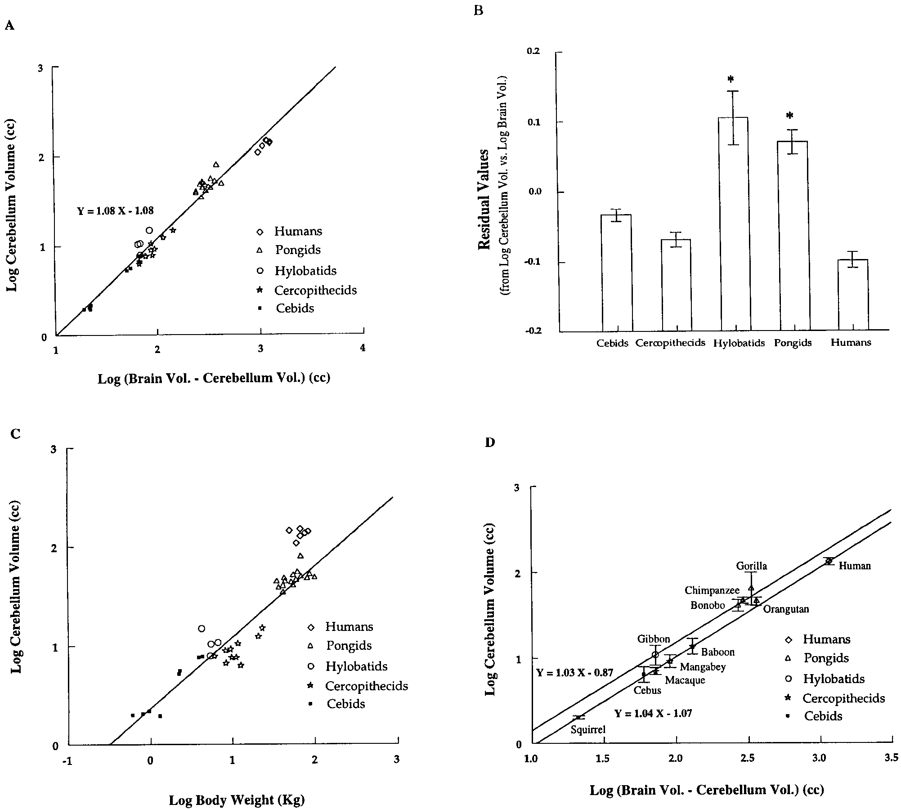
Table 1. Mean (± SEM) body weight, brain volume and cerebellum volume in 11 haplorhine primate species
Species Common name Number Mean body weight, kg Mean brain volume, cc Mean cerebellum volume, cc
H. sapiens | Human | 3 M | 3 F | 67.7 ± 4.9 |  | 1,298.9 ± 52.0 | 134.1 ± 6.0
P. paniscus | Bonobo | 2 M | 2 F | 45.4 ± 7.8 |  | 311.2 ± 11.0 | 41.3 ± 3.2
P. troglodytes | Chimpanzee | 3 M | 3 F | 55.4 ± 6.5 |  | 337.3 ± 15.8 | 46.4 ± 2.0
G. gorilla | Gorilla | 1 M | 1 F | 85.0 ± 23.6 |  | 383.5 ± 40.8 | 64.7 ± 14.0
P. pygmaeus | Orangutan | 3 M | 1 F | 73.5 ± 11.9 |  | 406.9 ± 28.7 | 46.0 ± 2.6
H. lar | Gibbon | 2 M | 2 F | 5.4 ± 0.5 |  | 83.0 ± 5.6 | 10.9 ± 1.4
P. cynocephalus | Baboon | 2 M | 0 F | 21.9 ± 1.3 |  | 143.3 ± 15.9 | 13.7 ± 1.3
M. mulatta | Rhesus monkey | 2 M | 2 F | 10.4 ± 0.9 |  | 79.1 ± 3.4 | 7.1 ± 0.3
C. atys | Mangabey | 3 M | 1 F | 10.5 ± 1.1 |  | 99.7 ± 1.9 | 9.2 ± 0.8
C. apella | Cebus | 2 M | 2 F | 3.2 ± 0.5 |  | 66.5 ± 5.3 | 6.5 ± 0.7
S. sciureus | Squirrel monkey | 3 M | 1 F | 0.9 ± 0.2 |  | 23.1 ± 0.8 | 2.0 ± 0.1
M = Males; F = females.
an estimate of intraspecies variance, usually absent in comparative studies. Informed consent was obtained from human subjects after the nature and possible consequences of the study were explained (HIC protocol 760-94). Nonhuman primate care was in accordance with Emory University IACUC guidelines (IACUC protocol 062-95Y). MRI Scans Magnetic resonance imaging of living tissue avoids artifacts of the postmortem fixation process [Stephan et al., 1970, 1981, 1988] and permits three-dimensional reconstruction for volume measure-ments. Prior to scanning, nonhuman primate subjects were anes-thetized with Ketamine (10 mg/kg) and then weighed. Throughout the scan, subjects received a continuous IV infusion of Propofol anes-thetic. T1-weighted images of the entire brain were acquired with a 1.5 Tesla Philips NT scanner (Philips Medical System, The Netherlands) using a protocol designed to provide both high contrast and good spatial resolution (fig. 1). Protocol parameters were: slice thickness = 1.2 mm, slice interval = 0.6 mm, TR = 19.0 msec, TE = 8.5 msec, field of view = 180 mm, # signals averaged = 8, matrix = 256 256 pixels. Monkeys were scanned in a prone position using the human knee coil, whereas apes were scanned in a supine position using the human head coil. Scan duration was a function of brain size. Approximate scan-ning times for monkeys, apes, and humans were 40, 60, and 80 min, respectively. Volume Measurements Whole brain, isocortex and cerebellum volumes were measured with an image analysis software program (‘Easyvision’, Philips Med-ical Systems) that integrates user-defined areas from successive slices to arrive at a volume estimate. Isocortical volume includes all cortical gray matter with the exception of the hippocampus. Gray matter was separated from white matter using a thresholding tool that defines gray matter based on the signal intensity of its MRI pixels. Hippocampus and subcortical gray matter were manually edited out |  |  |  |  | rater reliability of isocortical measures was estimated from manual tracings of isocortical gray matter performed by two raters on several axial slices (from five different brains). The mean % CV of the two raters was 4.3 (n = 10 slices). Statistical Analysis To examine the size of the cerebellum relative to total brain vol-ume or body size, the first variable was plotted vs. the second two, and a line was fit through the 44 data points using the method of least squares regression. Residual values from these regressions were then compared across phyletic groups to assess relative cerebellar volume. These residuals reflect the size of the cerebellum after brain volume or body weight has been factored out. Other line fitting techniques such as major axis and reduced major axis regression produced nearly iden-tical results to those obtained using least-squares regression. Conse-quently, only the results of the least-squares analyses are reported here. For the regression on brain size, cerebellum volume was sub-tracted from total brain volume before plotting brain volume on the x-axis to alleviate concerns with including the dependent variable as part of the independent variable in allometric regressions [Deacon, 1990]. Conducting the analyses without subtracting cerebellar volume did not significantly alter our findings. Results The regression of cerebellum volume on the volume of the rest of the brain is depicted in figure 2A. Data points for cercopithecids (Old World Monkeys) and cebids (New World Monkeys) cluster below the least-squares regression line (16 of 18 residuals are negative), whereas data points for hylobatid apes (gibbons) and pongid apes (bonobos, chimpanzees, orangutans, gorillas) cluster above the line (16 of 20 residuals are positive). The data points for hu-mans cluster below the regression line (all six residuals are negative). Mean residuals of the families differ significantly

Fig. 1. Coronal MRI sections through the brain of A, a rhesus macaque (Macaca mulatta); B, a gibbon (Hylobates lar); C, a common chimpanzee (Pan troglodytes); and D, a human (Homo sapiens). Scale represents 1,27 cm. The plane of each image is perpendicular to a line connecting the anterior and posterior commissures, and the slice displayed is that in which the cerebellar white matter has its greatest area. In relation to the overlying cerebrum, the macaque cere-bellum (A) appears smaller than the cerebellum of the gibbon (B) or the chimpanzee (C) but comparable to that of the human (D). The difference is most apparent in the cerebellar hemispheres which increasingly enlarge relative to the ver-mis in macaques (A) apes (B and C) and humans (D).
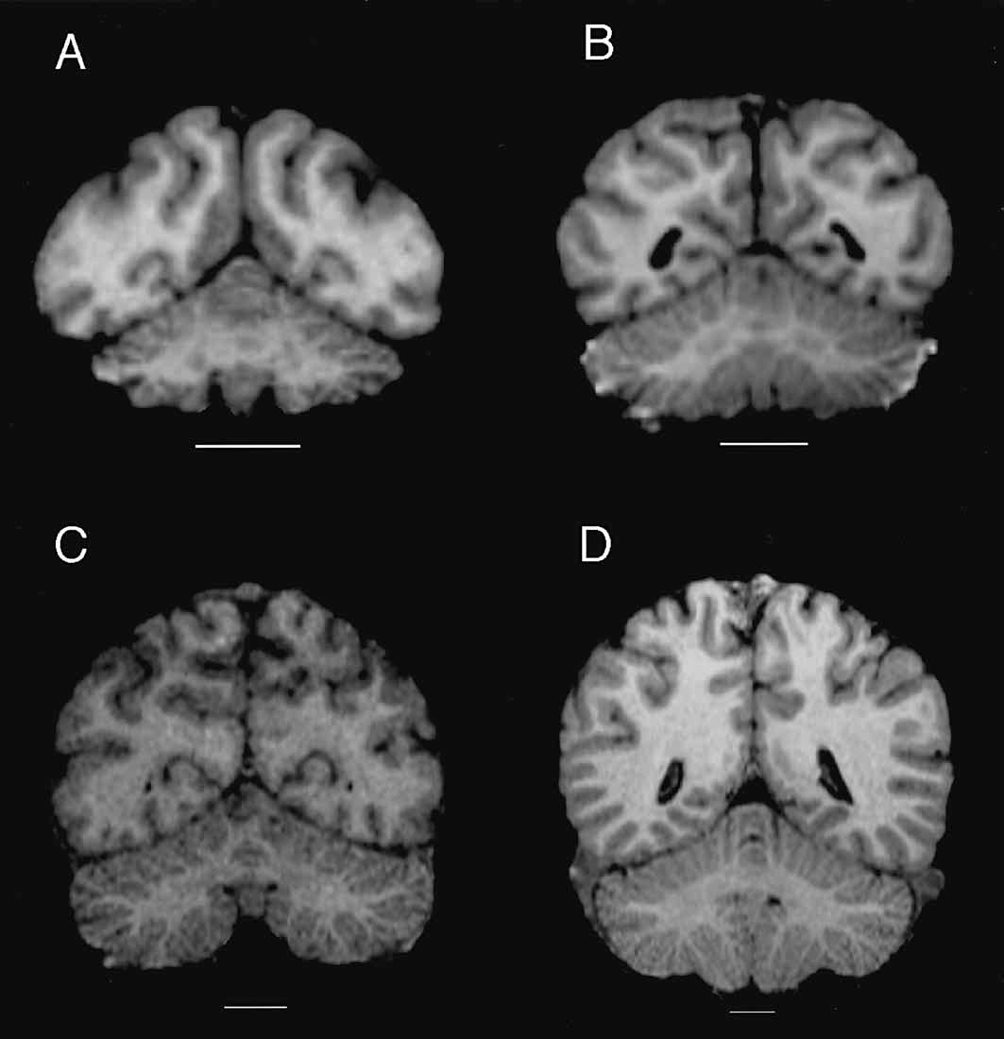

Fig. 2. Regressions for comparison of relative cerebellar volume across five anthropoid families. A Log trans-formed plot of cerebellar volume vs. the volume of the rest of the brain in 44 haplorhine primate subjects. Least-squares regression fit the following line through the data: Y= 1.08 X – 1.08. B Mean ± SEM residual value for each family from graph A. Groups marked with an * are significantly different from the other three groups (p<0.05) but not from each other (by ANOVA with Tukey’s post-hoc test). C Log transformed plot of cerebellar volume vs. body weight in 44 hap-lorhine primate subjects (humans excluded from regression). D Log transformed plot of mean cerebellum volume vs. mean volume of the rest of the brain in 11 haplorhine primate species. Data represent mean ± 2 SEM for each species. Separate least squares regression lines were fit through the ape species(n= 5) and the monkey species (n = 5). The human point is plotted but is not included in either regression. The equation describing the ape data is Y = 1.03 X – 0.87; that describing the monkey data is Y = 1.04 X – 1.07. Each of the five primate families included in the sample is repre-sented by a different symbol in A, C, and D: diamonds = humans (n = 6); triangles = pongids (n = 16; 6 Pan troglodytes, 4 Pan paniscus, 4 Pongo pygmaeus, 2 Gorilla gorilla); open circles = hylobatids (n = 4; 4 Hylobates lar); stars = cerco-pithecids (n = 10; 4 Macaca mulatta, 2 Papio cynocephalus, 4 Cercocebus atys); filled squares= cebids (n = 8; 4 Cebus apella, 4 Saimiri sciureus).

Table 3
(F = 21.38; p <0.001); both hylobatid and pongid means are significantly greater than those of the other three families (all p-values <0.005 using Tukey’s post-hoc test) but are not different from each other (p = 0.77; fig. 2B). These re-sults suggest that monkeys and apes have reached different grades of relative cerebellar size. In the presence of a grade shift, relative cerebellar volume can be assessed by measur-ing vertical displacement from a regression line through the families occupying the lowest grade [Stephan et al., 1988]. The mean vertical displacement from the monkey regres-sion line (Y = 1.038 X – 1.062) is significantly greater than zero for hylobatids (t = 4.13, 3 d.f., p <0.05) and pongids (t = 8.94, 15 d.f. p <0.001) but not humans (t = 0.55, 5 d.f., p >0.05). Although this analysis suggests that the cerebellum in human brains is relatively small, the marked enlargement of the forebrain in humans may confound this result. When log-transformed cerebellar volumes are regressed on body weight rather than brain volume, all six human data points have very large positive residuals. Observed volumes range from 1.9 to 3.0 times the value predicted by the regression line. If human data points are excluded from the regression in order to remove their strong leverage (fig. 2C), the cere-bellum of humans averages 2.8 (range: 2.47–3.76) times larger than expected for a nonhuman primate of equivalent body weight. Pongid and hylobatid points cluster above this line (16 of 20 residuals are positive), and cercopithecids cluster below (all 10 residuals are negative), essentially replicating the results shown in figure 2A for the relation-ship of cerebellar volume to brain volume. The four data points for large-bodied cebids that lie above the regression line in figure 2C are all capuchin monkeys, suggesting that capuchins have large cerebellums for monkeys of their body size. This finding is consistent wit | 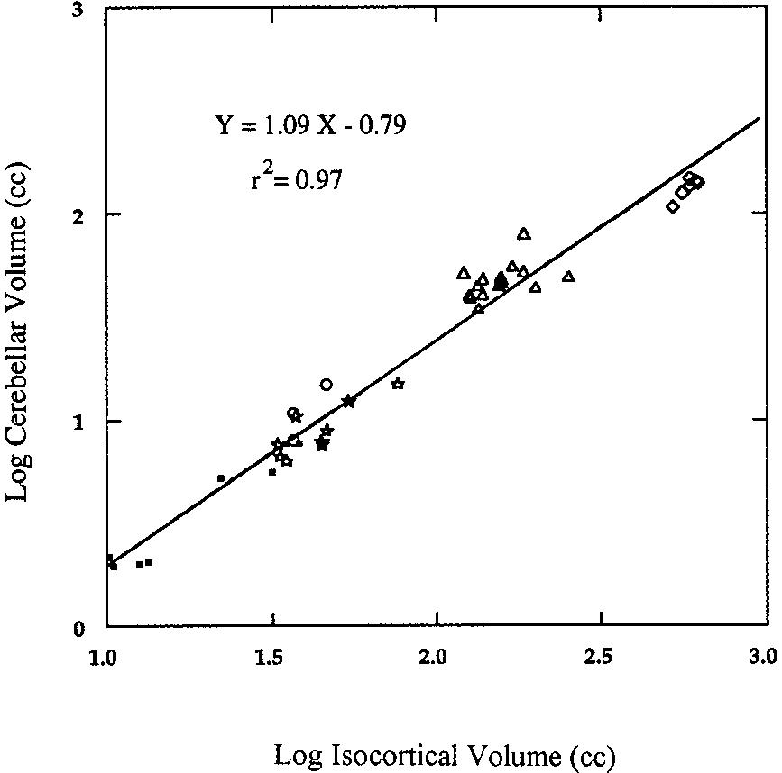 Fig. 3. Logarithmic regression of cerebellar volume on isocorti-cal gray matter volume in 41 haplorhine primates. Images from two monkey subjects and one ape were not of sufficient quality to permit an accurate measurement of isocortical volume. Least-squares regres-sion fit the following line through the data: Y= 1.09 X – 0.79. Symbols as in figure 2. Discussion These data suggest that apes have larger cerebellums than monkeys independent of the effect of brain volume or body weight. Additionally, the findings imply that there was spe-cific selection for an increase in cerebellar volume at one or several points in primate evolution. Multiple linear regres-sion can be used to test two different models of primate cere-bellar evolution. The first model assumes that humans are a divergent case and fits separate regression lines through the data for monkeys and apes in figure 2A. Figure 2D illustrates this model using means for 11 primate species rather than individual subjects. The lines do not differ significantly in their slopes (t = 0.42, p = 0.68), but they do differ significantly in their -intercepts after fitting a common slope (t= 6.00, p <0.001; common slope = 1.023). The difference in intercept (0.162 log units) implies that the average ape cerebellum is 45 percent larger than the average monkey cerebellum after controlling for brain size. According to this model, natu-ral selection increased cerebellum volume in the common ancestor of modern hominoids without altering the scaling relationship of the cerebellum to the rest of the brain; in allo-metric terms, a ‘grade shift’ [Martin and Harvey, 1985].

