Table 1
See discussions, stats, and author profiles for this publication at: https://www.researchgate.net/publication/299027052 Developmental constraints on or developmental structure in brain evolution? Conference Paper in Attention and Performance · January 2006
CITATIONS 68 | READS 20
3 authors, including:
Barbara Finlay Cornell University 160 PUBLICATIONS 7,862 CITATIONS
 | SEE PROFILE
Some of the authors of this publication are also working on these related projects:
Primates Visual System Evolution View project
 |  | Brain Evolution Collaboration View project
All content following this page was uploaded by Barbara Finlay on 25 November 2018. The user has requested enhancement of the downloaded file.

Part 2 Constraints on learning

Chapter 6 Developmental constraints on or developmental structure in brain evolution? Barbara L. Finlay, Desmond Cheung, and Richard B. Darlington Abstract The more we discover about the basic structure of vertebrate and invertebrate evolution, the more impressive the evidence of its conservative nature becomes. Evidence for commonalities versus special adaptations in brain evolution, with particular attention to rules for the proliferation of the cortex will be discussed. Conserved developmental rules that produce highly predictable brain organization seem best described as rules that produce generic, optimal organization rather than limiting constraints. 6.1 Introduction How do we understand the structure of organisms, from body plan to brain to behavior? Ever since Darwin, the answer from evolutionary biology is simple: the characteristics of organisms are adaptations that have allowed their survival and reproductive success. We understand the nature of evolution to be competition between organisms on the basis of inheritable variation in those adaptations that improve their reproductive success. This view, centered on the premise that adapta- tions are produced by accretion of small, adaptive changes, is best laid out in the various works of Richard Dawkins (Dawkins 1976, 1986). Excluding absurd ‘just-so’ stories, this view suggests that every feature of an organism should be subject to an adaptive account, usually in terms of the special niche of the organism. Remarkable cases of convergent evolution tend to reinforce the view that virtually every feature of an organism can be the target of special selection. For example the Tasmanian wolf (Fig. 6.1A), a marsupial, occupies the same niche as the North American timber wolf (Fig. 6.1B), and the similarity of the two, coming from such different stem species, is

132 j PROCESSES OF CHANGE IN BRAIN AND COGNITIVE DEVELOPMENT
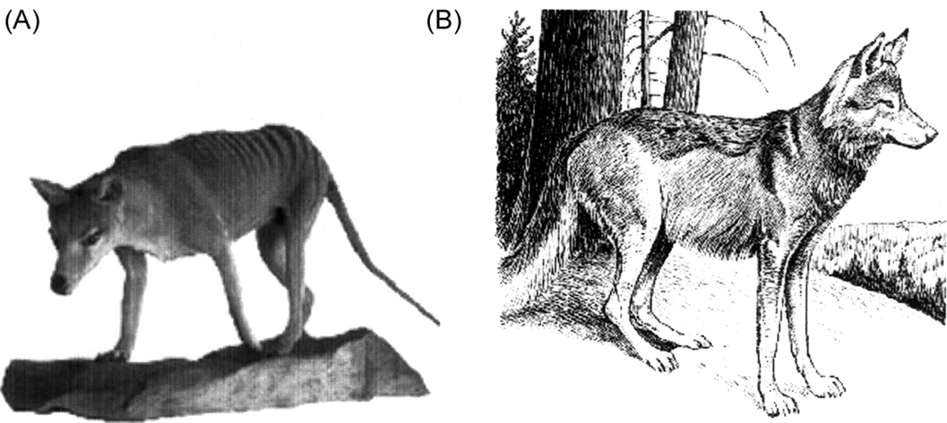 Fig. 6.1 (A) The thylacine (Thylacinus cynocephalus), also known as the Tasmanian wolf, was a large marsupial carnivore that lived in Australia and New Guinea. The last known captive animal died in 1936. (Image: http://collections.ucl.ac.uk/ zoology/highlights.asp). (B)Wolf (Canis lupus). (Image : www.nature.ca/notebooks/ english/wolf/htm).
quite remarkable – the type of pelt (dark above, white below); the approximate size; the frontally placed eyes; the sharp canines; the behavioral adaptations for hunting. We can go further still in phylogenetic distance: consider the hawk moth, an inverte- brate, compared to the hummingbird, both of which feed on trumpet-shaped blos- soms, and both of which have made the elaborate adaptation of hovering flight and a long proboscis or beak, so much that they can be confused for each other where their habitats overlap. So, one aspect of understanding the structure of organisms is to take each feature as an adaptation to a functional role in a specific environment, from inference from species that have arisen from different origins but have converged on similar forms. Another type of structure is common to all four of the organisms, the two mam- mals, the bird and the insect (and in fact is common to every complex invertebrate and vertebrate on earth), however, which defies this kind of account. This is the pattern of early regulatory gene expression, ‘Hox genes’, that controls the initial polarization, bilateral symmetry, and segmentation of both vertebrates and inverte- brates. The pattern is complex, a series of nested and overlapping gradients of gene expression, and most important, very highly conserved across all of these creatures (Duboule and Dolle´ 1989; Graham et al. 1989; reviewed in Wilkins 2001). Further, this is only one of a number of highly conserved gene functions that control particular kinds of operations, or regulate the production of certain pieces of morphology. For example there is the Notch/Delta signaling complex, often employed as a generic ‘symmetry breaker’ which takes an initially uniform set of cells and sends them out on two separate developmental paths (Gerhart and Kirschner 1997). Or the famous Pax6,
DEVELOPMENTAL CONSTRAINTS ON OR DEVELOPMENTAL STRUCTURE j 133
which controls the positioning of the eye, and is so conserved that if this gene is taken from the genome of the mouse and inserted into an atypical position and species, like the leg in a developing fruit fly, it will induce a fruit fly-appropriate compound eye in that location (Callaerts et al. 1997). Or, the Robo/Slit signaling complex, which directs the formation of axonal pathways that approach and then cross the body midline (Stein and Tessier-Lavigne 2001). Since it is highly unlikely that these rather complex, yet basic, organizational features represent convergent evolution, it is assumed they are conserved features, present in our ancestors and present in us. Are these universal developmental features ‘developmental constraints’? Stephen Jay Gould argued forcefully for understanding the role of history in the constraint of present form, and his arguments centered on how evolution, as a historical phenomenon, limits the possibilities of present form (Gould 1977, 2002). When selecting for better adaptations to particular niches, not all logical possibilities are presented for selection. In ‘The Panda’s Thumb’ he argued that the strongest evidence for developmental constraint are those cases when evolution produces out of a problematic substrate (the wrist bones of the proto-panda) an inefficient con- trivance (the rather clumsy panda ‘thumb’), an unhandy solution quite different from what engineers would choose to solve a problem were they given carte blanche on materials and manufacturing techniques (Gould 1980). The thumb itself is not the constraint, but rather the range of substrates and mechanisms evolution can use to address an adaptive problem. In developmental and cognitive psychology, constraint tends to be used in the same restrictive way, though prior form and history are not necessary parts of this kind of constraint argument. Out of the universe of multiple solutions to learning about or

134 j PROCESSES OF CHANGE IN BRAIN AND COGNITIVE DEVELOPMENT
developmental pathway in mammalian evolution, this time the order of generation of neurons in the brain that produces the very reliable scaling of brain parts across animals as the brain enlarges, (Finlay and Darlington 1995; Finlay et al. 2001) and, finally, present new work on the conserved structure of the scaling of cortical areas and connectivity with brain size. In these last cases, we will attempt to evaluate whether robust developmental structure, developmental constraint, or specific adaptation is the best conceptual domain to capture the empirical results. 6.2 Adaptation, catastrophe, and evolvability The scenario for evolution with which we started this chapter, of individuals strug- gling against members of their own species for reproductive success on the basis of their special adaptations in a stable world of available niches, only captures one aspect of the kind of challenges species face in evolutionary time, and only part of the nature of genetic change. The most salient single example for contrast is the meteor that hit the earth at the time of the Jurassic, suddenly and massively changing the environ- ment – the light, the air quality, nutrients, every important feature of niche, costing the world the dinosaurs (Alvarez et al. 1980; Albritton 1989). The locus of the most massive source of variability in the Earth’s collective genome in this kind of event is at the level of species or whole radiations of species, favoring those groups most able to survive and reproduce in the face of wholesale change. The range from global catastrophe, causing variation at the species level and higher, to the ‘adaptive walk’ where individuals compete and specialize in relatively stable settings, is a continuous range, not requiring wholesale catastrophe and extinction – there can be local catastrophes as well. The central issue is that a major source of genome variation across times of catastrophe, local or globa

DEVELOPMENTAL CONSTRAINTS ON OR DEVELOPMENTAL STRUCTURE j 135
concept is now under intensive investigation in the growing field of evolutionary robotics and computation, thus coming around to integrate evolution with cognition from an unanticipated direction (Lipson and Pollack 2000; Nolfi and Floreano 2002; Baum 2004). Everything else equal, the ‘evolvable’ organism is more likely to be with us today. Central themes that have emerged, both in evolutionary biology and in evolutionary computation, are the importance of modules as high-level building blocks, standardized processes of linkage or integration between modules, and the ability to recursively construct higher-order modules that can be addressed evolu- tionarily (Baum 2004). In biological evolution, the concept of meaningful variation of a module springs directly from the segmented embryo that enjoyed such extreme evolutionary success. Even the derivation of the name ‘Hox genes’ comes from the observation of ‘homeotic mutants’, mutants which erroneously repeat a higher-order piece of structure in their body plans, like two adjacent regions both giving rise to wings, or to mouth parts (Gerhart and Kirschner 1997). Regulatory mutations are not the only mutations, of course – single amino acid to single protein mutations (such as might appear in species differences in photoreceptor or hemoglobin molecules) exist as well as this modular, Hox-level of alteration. We will give an example of the interaction of these two kinds of genetic change in the evolution of primate vision at the very end of this chapter. In the next section, we will describe an initially surprising, conserved structure in the pattern of generation of the brain in mammals (and to a lesser degree, in vertebrates generally) that has direct consequences for the allometry of brain change in all mammalian radiations, and our own primate radiation. How can we discrim- inate whether we are looking at developmental constra

136 j PROCESSES OF CHANGE IN BRAIN AND COGNITIVE DEVELOPMENT
system-wide reconfigurations, which is an aspect of ‘evolvability’, and also examining the patterns of observed evolutionary changes across species for the structure of the developmental mechanisms that underlie them. In the search for levels of ‘grammar’ in the variation in neuron number in the brains of different species, empirical work using the first strategy showed potential co-ordinating regressive processes, such as developmental neuron death and axon retraction, did not appear to have enough power to propagate changes in number and connectivity much past a connection or two in the brain (Finlay et al. 1987; Finlay and Pallas 1989). Therefore, wholesale changes in the size of a spatially distributed system could not be accounted for by developmental events occurring after cells were generated and differentiated. The remaining logical possibility was neurogenesis, which we examined using the second strategy of looking for changes across species in development that could be plausibly related to adult differences. The structure of variation, both in the order and duration of neurogenesis and the structure of variation in the size of brain parts across species, could be directly compared. The intent was to quantify and understand the structure of variability in these directly related features (neurogenesis and the number of neurons in brain parts) at the level of individual structures; functional systems (like ‘visual system’, ‘motor system’); brain geography (‘midbrain’, ‘hindbrain’); and the whole brain. To our great surprise, both analyses of adult differences in brain volumes and neuron numbers, and early schedules of neurogenesis, returned an answer that the level of the variation of the whole brain, or the whole developmental schedule, grossly dominated the variation, the two sources of data congruent in detail. Not only that, brain parts varied both predictably and disproportionately as brains enlarged, and the disproporti

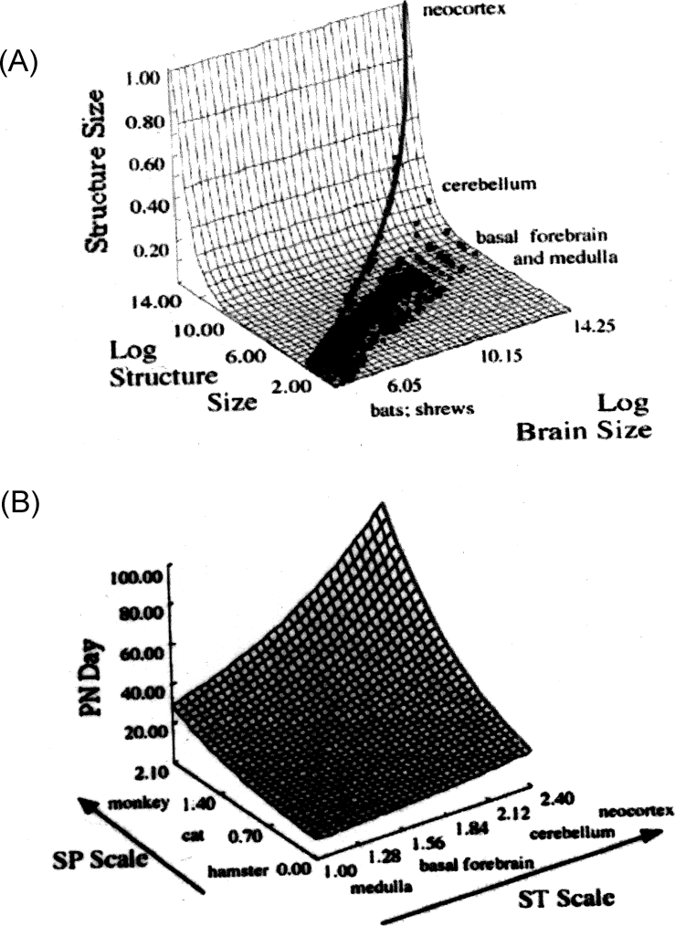 DEVELOPMENTAL CONSTRAINTS ON OR DEVELOPMENTAL STRUCTURE j 137 Fig. 6.2 (A) A combined log (y axis) and non-log (z axis) plot of brain structure volumes versus log brain volume (x azis) for the 131 primates, bats, and insectivores of the Stephan data set, redrawn from Finlay and Darlington (1995). This style of graphing is chosen to highlight both the predictable but disproportionate of those structures scaling at the steepest slopes with respect to brain size, particularly the neocortex. (B) Model of the predictability of the birth date of a structure in a species given the ordinal position of each structure’s birth date across animals (Structure Scale, ST) and the relative duration of neurogenesis in a species compared to others (Species Scale, SP). The seven species modeled in this analysis are hamsters, mouse, rat, spiny mouse, possum, cat, and monkey; 51 neural structures are modeled, from motor nuclei of the medulla to cortical layers. Those structures with high ST values are the latest generated ones, and are the same that become disproportionately large as brain volume enlarges.

emphasis, because most investigators interested in mapping the differences in size of brain parts to differences in animal’s behavior and niche disposed of the 99 per cent of shared variance, and examined the residual variance, using various statistical ap- proaches, even though the residual variance was so small. It is important to under- stand the actual physical characteristics of brain evolution to understand the nature of the shared and residual variance. In this dataset, brain weights vary from a fraction of a gram to over a kilogram, a factor of about 20 000. At any particular brain weight, the residual variance of individual structures is about 2.5 – that is, two species similar on the two factors (whole brain and limbic) might commonly have individual structures varying by over a factor of two, occasional pairs considerably larger, which would be
138 j PROCESSES OF CHANGE IN BRAIN AND COGNITIVE DEVELOPMENT
very conspicuous to an investigator looking for individual or species differences in the sizes of brain components. It proves that the distribution of variance in volume across structures is quite uneven (Glendenning and Masterton 1998). This is an interesting aspect of species variation, and we do not discount it, but we have set our job to understand the significance of the factor of two in the context of the factor of 20 000, not the factor of two alone. One potential answer to the question of the significance of brain size is that perhaps only ratios are important, and Harry Jerison, founder of much of the work in brain evolution and allometry, has shown that ‘encephalization’, essentially the ratio of brain size to body size, correlates much better with both our intuitions about and measures of behavioral complexity than does absolute brain size (Jerison 1973). Others have gone on to argue that there may be two different aspects of size, a scaling aspect and a species-difference aspect (Aboitiz 1996). This second argument, however, is perplex- ing when a second aspect of the regular structure of brain allometry is considered: disproportionality (Fig. 6.2). While the sizes of brain parts are predictable over brain scaling, a human brain does not look like a mouse brain enlarged a thousand times or so – each structure enlarges with brain size at its own characteristic rate, in particular, the cortex and cerebellum growing such as to completely dominate the volume of the brain in large-brained animals. If brain structures do not enlarge with increasing brain size at constant ratios, it is unclear how to understand what ‘residual mass’ is. The proximate cause of the disproportionality in the enlargement of brain parts can be understood by looking at neurogenesis, how neurons are generated in early development across mammalian species (Fig. 6.2 B). The ordinal position of the peak day that neurogenesis ceases for each cell group an

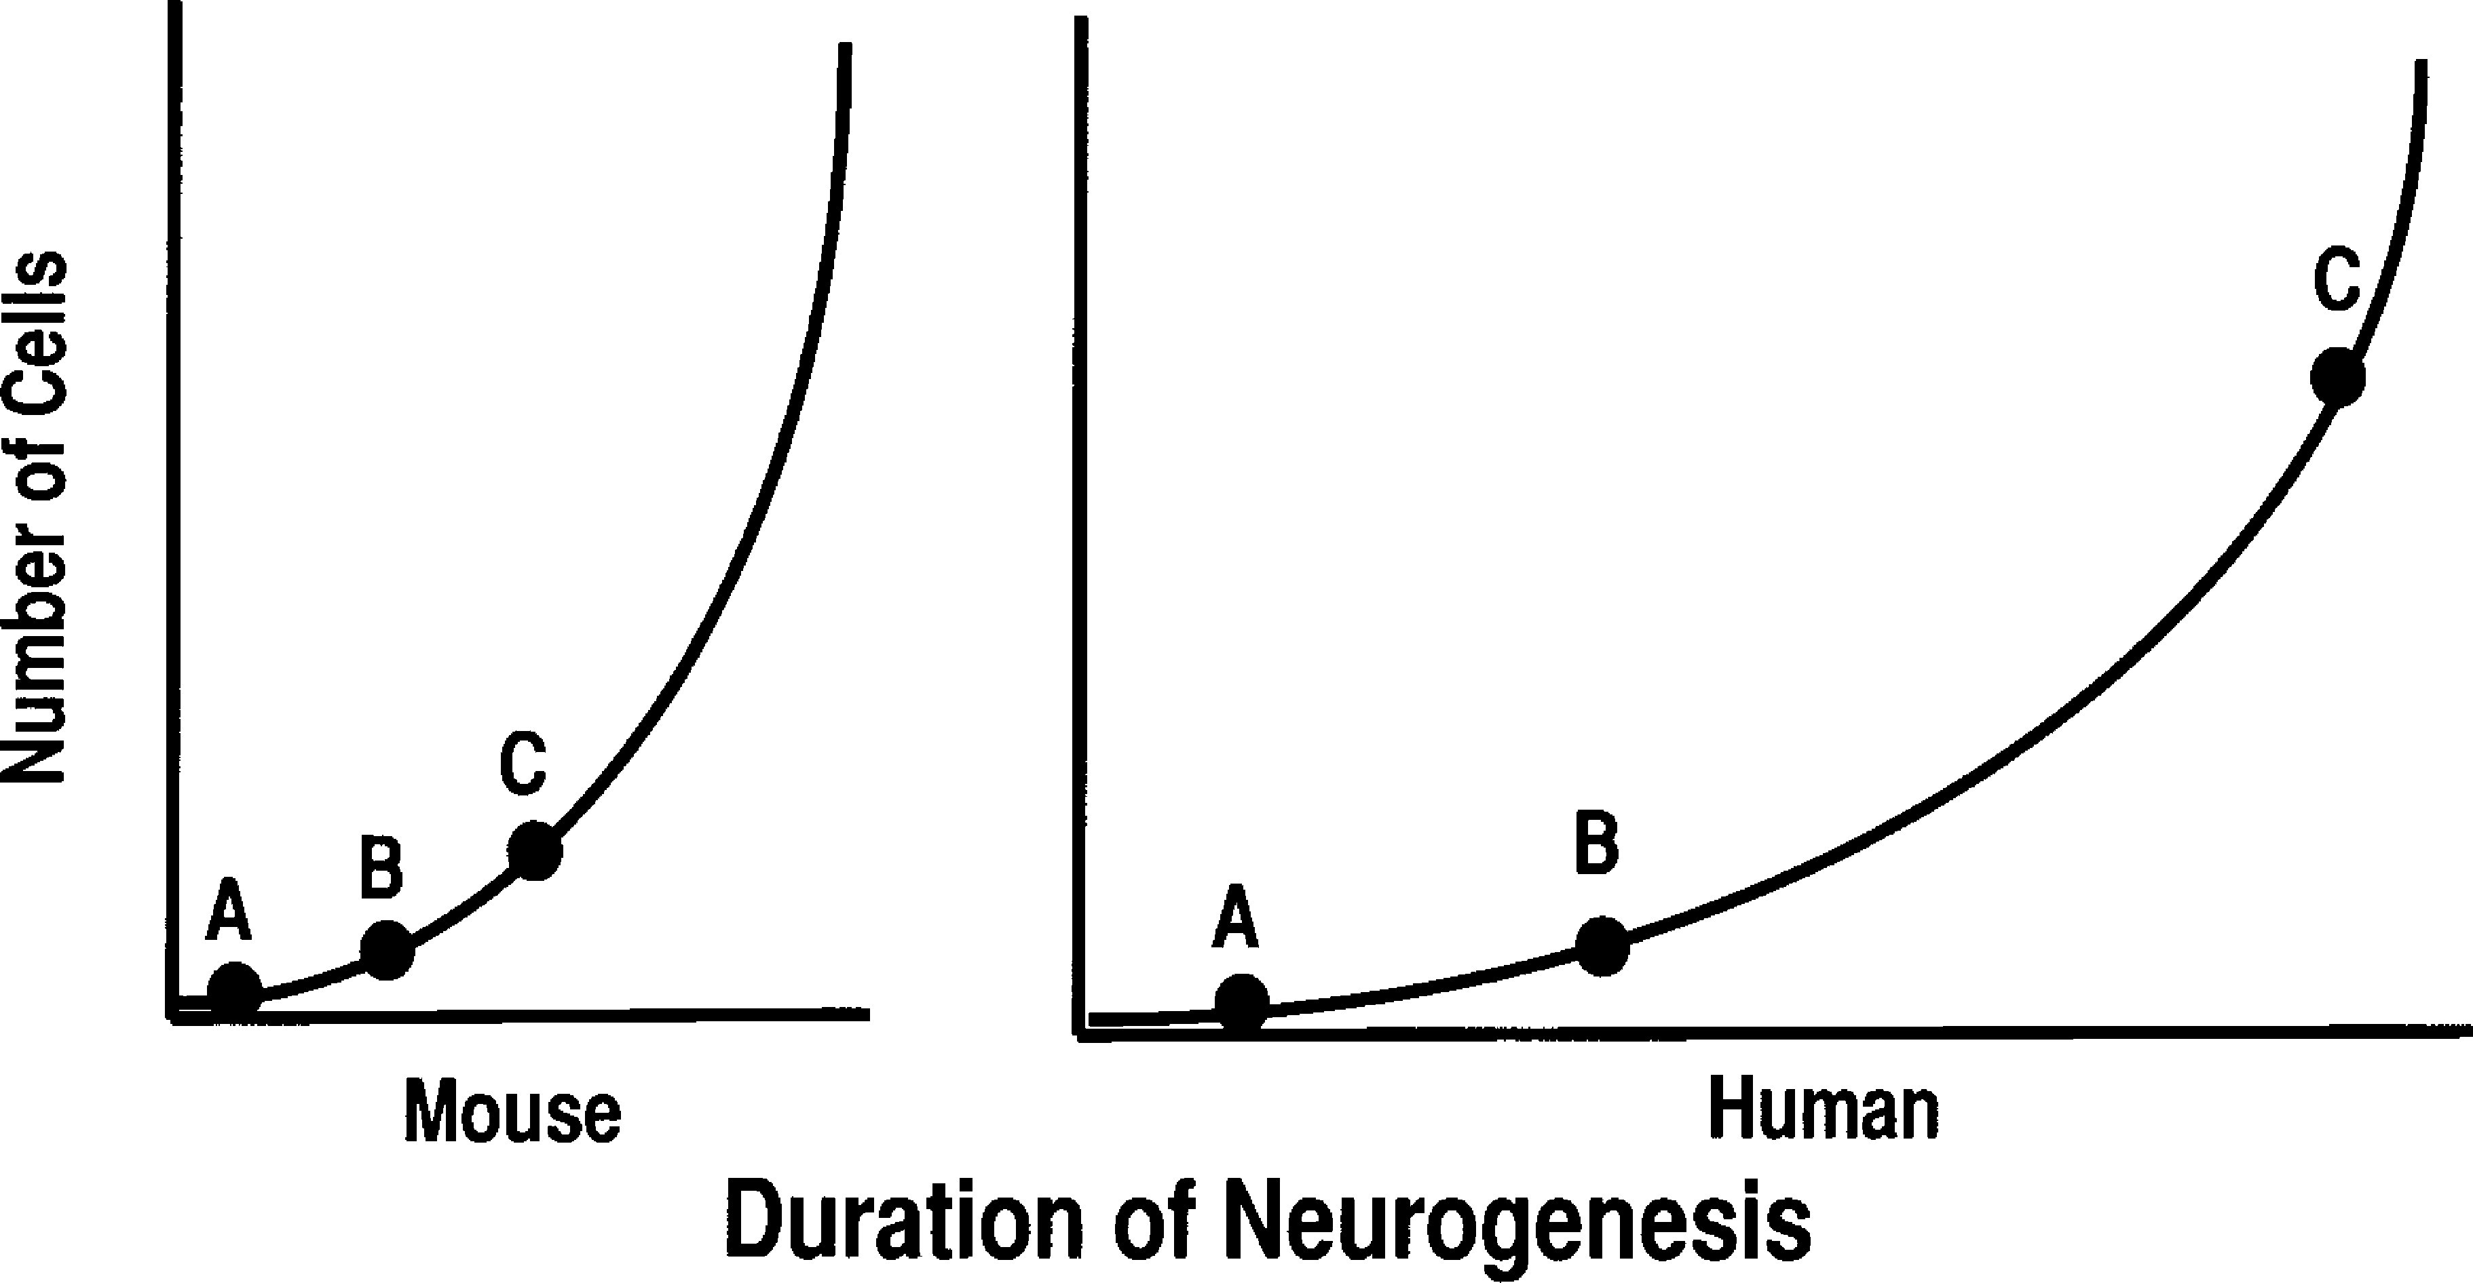 DEVELOPMENTAL CONSTRAINTS ON OR DEVELOPMENTAL STRUCTURE j 139 Fig. 6.3 ‘Late equals large.’ A schematic of the consequences for eventual size of a structure generated early (A), intermediate (B), or late (C) in the order of neurogenesis for a species with a short period of neurogenesis and a small brain, like a mouse, versus one with a long period of neurogenesis and a large brain. In the long-development species, the precursor pool for late- generated structures has a longer time to multiply and becomes disproportionately large.
resident in those small stem mammals with their small cortices, who presumably had no particular plans of their own for generating a useful structure to house a ‘language cortex’ someday. Before we go on to discuss this perplexing observation as structure, constraint, or adaptation, we will go into a little more detail about just what the developmental rule is. 6.5 Forebrain segmental structure Mammals are different from most other vertebrates by confining most of their neurogenesis to early development, rather than generating brain throughout life (there are exceptions to this generalization, of much current interest (Scharff 2000) ). The conserved pattern of early neurogenesis we see, as well as where ongoing neurogenesis is found, can be explained by reference to a relatively new organizational scheme that finds a type of segmental structure in the forebrain. The patterns of expression of regulatory genes and transcription factors in early neurogenesis were used to establish this prosomere model (Rubenstein et al. 1994). The basic axes that define this structure are common to the entire brain, which begins as an extended plate, the ‘neural plate’, which subsequently rounds up and connects its lateral-most edges to become the ‘neural tube’. The neural tube, whose original form is most obviously retained in the spinal cord, consists of repeating segments of similar fundamental structure with local variations. The part of the plate (and later tube) near the midline is called ‘basal’ for its position, and in the spinal cord this part gives
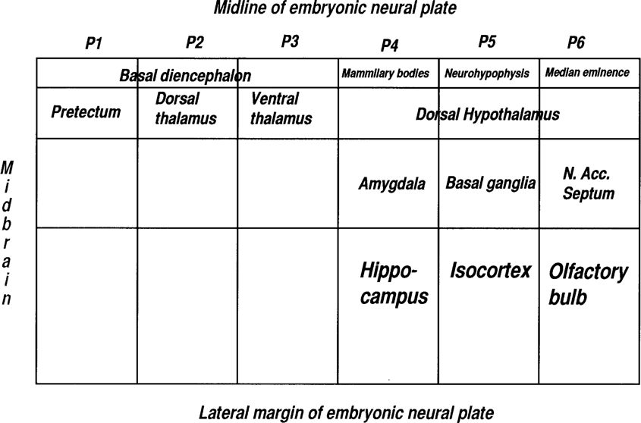 140 j PROCESSES OF CHANGE IN BRAIN AND COGNITIVE DEVELOPMENT Fig. 6.4 Components of prosomeres, the embryonic segments of the telencephalon, described by Rubenstein et al. (1994). The lateral-most part of the early neural plate is the part that undergoes the most extended cell division and becomes disproportionately large in large brains.
rise to motor neurons. The lateral part is called ‘alar’, Latin for ‘wing’, and in the spinal cord contains sensory neurons. This embryonic basal–medial, alar–lateral plate- reconformed-into-a-tube structure can be tracked down in the adult with classical neuroanatomical methods up to about the level of the midbrain. The extended and eventually convoluted pattern of neurogenesis in the forebrain, however, makes it impossible to track cell groups from their origin. Examination of gene expression gradients was required in order to trace each cell group back to its position of origin on the two axes of the embryonic brain, anterior–posterior and basal–alar. An assignment of the traditionally named brain parts to this axial system is given in Fig. 6.4 – for the most part (with some exceptions), as adult brain divisions reflect embryonic neural tube positions, these assignments can be made unambiguously. Hypothalamic and some basal forebrain structures are in the basal prosomeres, the large cellular masses of the forebrain, for example, the basal ganglia, are intermediate, and the cortical structures – olfactory bulb, hippocampus – most lateral or alar. If embryonic axial position is correlated with birth date (Finlay et al. 1998), both axes contribute to the solution, but the alar–basal axis predominates, with late birthdays for cell groups associated with alar positions, early birthdates with basal. Our short- hand for the relationship of timing of neurogenesis to brain part size ‘late equals large’ can now be extended to a spatial axis of gene expression ‘lateral equals late equals large’. Note that for two of the most anterior structures in the most lateral-alar position, the olfactory bulb and hippocampus, there is in fact no terminal ‘birthday’ and neurogenesis continues throughout life, even in mammals (Bayer 1980, 1983).
DEVELOPMENTAL CONSTRAINTS ON OR DEVELOPMENTAL STRUCTURE j 141
Therefore, the conserved pattern of neurogenesis is not the crystallization of an arbitrary order that happened at some point in mammalian evolution, but is an expression of an axial pattern that, at least in part, is common to all vertebrates. 6.6 The nature of constraints When this conserved pattern of neurogenesis producing disproportionate allometry is viewed in the language of special adaptation and constraint, the constraint is heavy. If it might be advantageous to select on the size of a brain part outside of the allowable factor of two, it appears that the only option to select on anything is to select on everything. For a hypothetical example, if a mouse could gather more food by increas- ing its auditory spatial resolution by increasing the size of the inferior colliculus more than a factor of two, all brain parts would have to be enlarged, with exceptional leverage on the size of the cortex and cerebellum, which would increase at a greater rate in size that the colliculus. This cost seems quite implausible, because brain tissue is metabol- ically expensive (with the possible exception of the largest cetaceans, where the fraction of metabolic energy allotted to the brain with respect to the body becomes negligible). An interesting example of the way minimal caloric requirements are defended can be found in the precise inverse relationship of brain size and intestine length (another expensive tissue) in primates – the more brain, the shorter the gut and the more limited the range of edible food becomes (Aiello and Wheeler 1995). So, if selection on the mouse increased auditory capacity happened in the way outlined, conserved neuro- genesis would indeed be a constraint and the mouse would have to pay for its extra auditory capacity with the metabolic load incurred for useless neural tissue elsewhere. If the premises of the hypothetical scenario for the improved mouse are taken apart, however, it has at least three in

142 j PROCESSES OF CHANGE IN BRAIN AND COGNITIVE DEVELOPMENT
detectable covariation past directly connected structures (Barton and Harvey 2000; Finlay et al. 2001) or exhibits a genetic marker that identifies it in early development. The second concept of the relationship of brain size to improved function is a major conundrum in brain evolution, and we cannot answer it here. Relative brain size is certainly linked to behavioral complexity, and has been directly linked to memory capacity in some cases (Nottebohm and Pandazis 1981; DeVoogd et al. 1993; Jacobs and Spencer 1994). Why absolute brain size does not necessarily have the same result is unclear. The final statement ‘structure–function mappings in the brain are fixed’ deserves the closest attention, and we need to consider both the phylogenetic and epigenetic aspects of the question. There is no doubt that some functions are really fixed – the eyes just don’t do well in somesthesis, and probably never will. The immediate connections of primary sensory and motor neurons are probably also somewhat limited in their potential functions. The multimodal, converging nature of the rest of the brain makes reassignment of functions to new structures, however, both plausible and likely, and can deliver us from the grip of a constraint that might appear crippling. Phylogenetically, it seems quite likely that new or modified functions might find their place in structures that become large easily by virtue of their embryonic position, rather than by modifying embryologically-disadvantaged locations. So, new functions find a place in the cortex because it becomes large, not the cortex becomes large because there are new functions in it. Many new observations in brain plasticity tell us that epigenetically, it is possible to map functions into structures where space is made available (one very interesting example and several reviews: Burton et al. 2002; Pallas 2001; Kingsbury and Finlay 2001; Finlay 2004). Especially, considering the requi

DEVELOPMENTAL CONSTRAINTS ON OR DEVELOPMENTAL STRUCTURE j 143
modular organization of the cortex, that is the physical separation of modalities and modes of computation from initial analysis to upper-level functions, has been important in accounts of cortical evolution. For example the cortical area, as an anatomical and functional module, has been hypothesized to be a unit of selection in cortical evolution, with specialized cortical areas duplicating in response to selection pressure for particular sensory and cognitive abilities (Kaas 2000a). Other functional and mechanistic accounts of cortical area proliferation exist, however, and many of these need not be mutually exclusive. At the functional level, the parcellation of cortex into areas might emerge from the computational require- ment to keep interactions local to maintain processing speed, or to ‘save wire’ in expanding, richly interconnected cortices (Ringo 1991; Cherniak 1992; Murre and Sturdy 1995). An experimentally produced alteration of early patterning molecules produces a kind of cortical proliferation: for example adding additional polarizing zones that control transcription factors that determine cortex polarity in an embryo can result in the duplication of cortical areas (Grove and Fukuchi-Shimogori 2003). The parcellation of the cortex into areas might emerge as an epiphenomenon of local organizational processes, such as activity-dependent stabilization of synapses, as the hexagonal structure of the honeybee comb arises from the construction of individual cells (Elman et al. 1996). A number of developmental models for the specification of cortical areas have been proposed (Rakic 1988, 1991, 1995; Kingsbury and Finlay 2001), but none have been linked explicitly with the pattern of areal proliferation in cortical evolution. In general, the number of cortical areas increases as overall brain size increases, but we do not

Table 6.1 Cortical areas for 24 mammalian species. Common Name Species Name Bodyweight(g) Brainweight(g) Visual Areas Somatomotor Areas Total Areas Cortical Area (mm2)
 |  |  | Owl Monkey | Aotus trivirgatus | 935.00 | 18.20 | 23.00 | 13.00 | 36.00 | 5,485.85
 |  |  | Short-tailed Shrew | Blarina brevicauda | 19.70 | 0.39 | 1.00 | 3.00 | 4.00 | 28.13
 |  |  | Marmoset | Callithrix jacchus | 246.00 | 7.90 | 19.00 | 11.00 | 30.00 | 910.26
 |  |  | Least Shrew | Cryptotis parva | 9.90 | 0.25 | 1.00 | 3.00 | 4.00 | 21.80
 |  |  | Striped Possum | Dactylopsila trivirgata | 435.00 |  | 2.00 | 6.00 | 8.00 | 248.65
 |  |  | Norhtern Quoll | Dasyurus hallucatus | 750.00 |  | 2.00 | 5.00 | 7.00 | 133.17
 |  |  | North American Opossum | Didelphis marsupialis | 1,700.00 | 6.30 | 4.00 | 5.00 | 9.00 | 269.60
 |  |  | Tenrec | Echinops telfairi | 87.55 | 0.62 | 2.00 | 3.00 | 5.00 | 24.24
 |  |  | Hedgehog | Erinaceus europaeus | 874.16 | 3.29 | 2.00 | 6.00 | 8.00 | 106.69
 |  |  | Cat | Felis cattus | 3,300.00 | 30.00 | 15.00 | 15.00 | 30.00 | 3,014.80
 |  |  | Galago | Galago sp. | 201.00 | 4.80 | 13.00 | 11.00 | 24.00 | 382.83
 |  |  | Rhesus Macaque | Macaca sp. | 7,950.00 | 95.00 | 32.00 | 22.00 | 54.00 | 10,598.20
 |  |  | Short-tailed Possum | Monodelphis domestica | 150.00 |  | 3.50 | 3.00 | 6.50 | 44.94
 |  |  | Mouse | Mouse sp. | 24.00 | 0.50 | 3.00 | 6.00 | 9.00 | 51.24
 |  |  | Flying Fox | Pteropus poliocephalus | 695.00 | 7.23 | 6.50 | 8.00 | 14.50 | 219.63
 |  |  | Rat | Rattus sp. | 217.00 | 1.79 | 4.00 | 7.00 | 11.00 | 90.69
 |  |  | Squirrel monkey | Saimiri sciureus | 901.25 | 24.00 | 20.00 | 10.00 | 30.00 | 4,373.52
 |  |  | Fat-tailed Dunnart | Sminthopsis crassicaudata | 20.00 |  | 2.00 | 3.00 | 5.00 | 11.37
 |  |  | Masked Shrew | Sorex cinereus | 5.90 | 0.17 | 1.00 | 3.00 | 4.00 | 14.93
 |  |  | Southeastern Shrew | Sorex longirostris |  |  | 1.00 | 3.00 | 4.00 | 9.48
 |  |  | Northern Water Shrew | Sorex palustris | 14.60 | 0.28 | 1.00 | 3.00 | 4.00 | 25.55
 |  |  | Squirrel | Squirrel sp. | 650.00 | 6.00 | 7.00 | 7.00 | 14.00 | 213.85
 |  |  | Brush-tailed Possum | Trichosurus vulpecula |  |  | 2.00 | 5.00 | 7.00 | 208.35
 |  |  | Tree Shrew | Tupia belangeri | 104.00 | 2.50 | 8.00 |  |  | 385.25

DEVELOPMENTAL CONSTRAINTS ON OR DEVELOPMENTAL STRUCTURE j 145
6.7.1 Cortical area enumeration and measurement Topographic maps of cortical areas were gathered from the above-cited literature, choosing only those where an exhaustive map of the cortical representation of a designated modality had been attempted. Each unimodal area was counted as one area, and bimodal areas, such as the audiovisual area in Monodelphis domestica, were allotted half to each sensory division. The identified subdivisions of major areas, such as the division of M1 into rostral and caudal subdivisions, were each counted as a single area. In cases where the cortex of a single animal has been extensively mapped by a single laboratory, we deferred to their counting scheme. For instance, the macaque visual cortex has been most extensively mapped in Van Essen’s laboratory, which counted 32 visual areas, a figure that is generally accepted by most researchers (Kaas 2000a). Finally, for the mouse and rat, we included in our count areas that have been mapped but not yet published (or named) in the literature (J. Kaas, personal communication). Most of the measurements of the area of the cortical surface, particularly for brains without extensive gyrification, come from flat-mounts of cortex (see Kaas (2001) for details). For published maps of this type, we traced the perimeters of flattened cortices into NIMH Image v.4 using a WACOM data tablet and used their accompanying scale bars to obtain surface area estimates for each animal (Table 6.1). Not all researchers agree on the definition or the number of cortical areas. Some make significantly fewer subdivisions (for example Zilles 1985) while others argue for the existence of a larger number of smaller areas even in small brains (for example Olavarria and Montero 1990). We chose to remain agnostic on the ‘true’ definition of a cortical area, and to rely instead on the pragmatic consideration of which explicit criteria allow us to examine the most speci

146 j PROCESSES OF CHANGE IN BRAIN AND COGNITIVE DEVELOPMENT
phylogenetic relatedness. The resolved phylogenetic tree required for CAIC analysis was compiled from recent work by Murphy et al. (2001) and Kaskan (2000). Branch lengths used for the computation of contrasts were set equivalent, assuming a punctuational model of change. This procedure yields contrasts upon which standard regression analyses can then be applied. The number of cortical areas might be best predicted by one of several independent variables, including cortical surface area, or the weight of the whole brain, or ‘ence- phalization’, the ratio of brain to body weight. There was reason to suspect that in the case of two animals with equal brain sizes, the more encephalized one might have a greater number of cortical areas. Looking at the sole example in this dataset of three approximately similar brain weights where body weight varies substantially, between the Northern American opossum (brain weight 6.3 g, body weight 1700 g); the squirrel (brain weight 6 g, body weight 650 g); and the marmoset, (brain weight 7.3 g, body weight 248 g), the number of cortical areas was 9, 14, and 30, respectively. Unfortunately in this dataset overall, the biggest-bodied animals and most encepha- lized are all primates, and the smallest, and least encephalized are all insectivores. The two measures of cortical area and encephalization are highly correlated (r ¼ 0.98. R2 ¼ 0:96, n ¼ 19). In addition, brain weight also correlates highly with cortical surface area (r ¼ 0.95, R2 ¼ 0:91, n ¼ 19), rendering all three measures of brain size statistically indistinguishable for the set of animals we were able to examine. Since cortical area is the most proximate variable to the dependent variables we measured (number of cortical areas, ocular dominance column width, and axonal spread in the cortex) we have done our statistical analyses with respect to cortical area, but, in explanation of these data, the covar

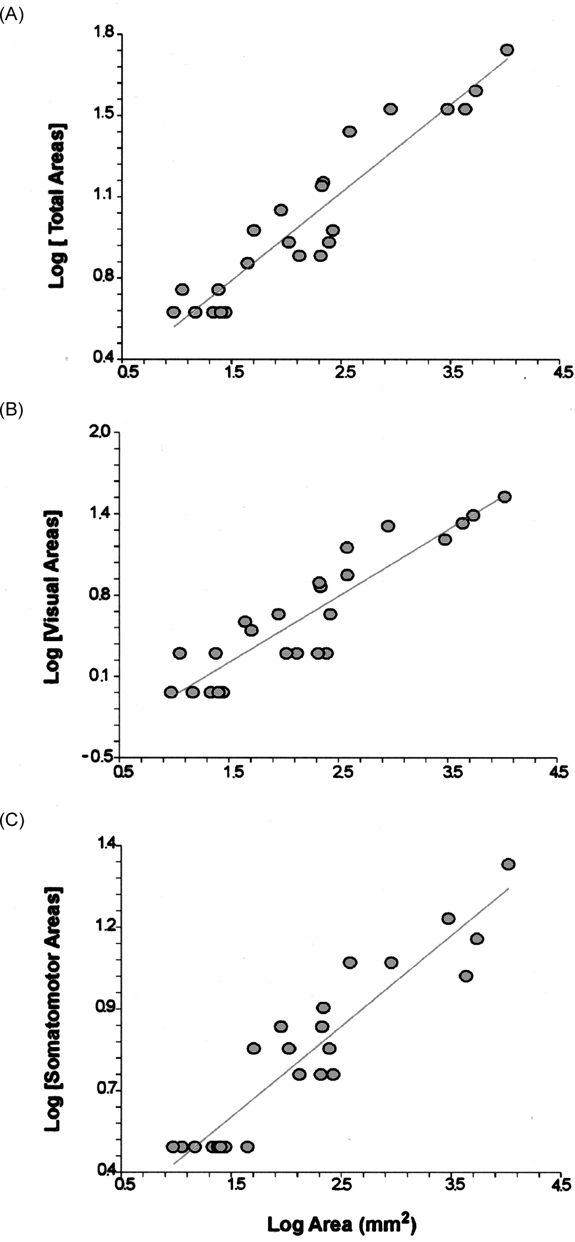 DEVELOPMENTAL CONSTRAINTS ON OR DEVELOPMENTAL STRUCTURE j 147 Fig. 6.5 Simple regression of (A) log total cortical area proliferation on log cortex surface area (log total areas ¼ 0:172 þ 0:379 log area, R2 ¼ 0:89, n ¼ 23); (B) visual area proliferation (log visual areas ¼ -0:529 þ 0:509 log area, R2 ¼ 0:82, n ¼ 24); and (C) somatomotor area proliferation (log somatomotor areas ¼ 0:154 þ 0:287 log area, R2 ¼ 0:87, n ¼ 23).

148 j PROCESSES OF CHANGE IN BRAIN AND COGNITIVE DEVELOPMENT
mechanisms, the number of cortical areas was plotted against cortical surface area without logarithmic transformation in Fig. 6.6. The brains and grids adjoining the graph show the approximate number and surface area of visual and somatomotor areas for the smallest, medium-sized, and largest brains in comparable scales. For increases from the smallest cortices (from 10 to 400 mm2), cortical area proliferation is rapid. Thereafter, however, only massive increases in cortical area produce new cortical areas. 6.8 Known developmental mechanisms which produce primary sensory areas 6.8.1 Setting initial positional information Following Gould, the way cortical areas proliferate will depend not only on adaptation – selection on the basis of function – but also on what developmental mechanisms are available to modify cortical layout. At least two general classes of mechanism work in parallel to pattern the developing cortex, one through direct genetic specification of
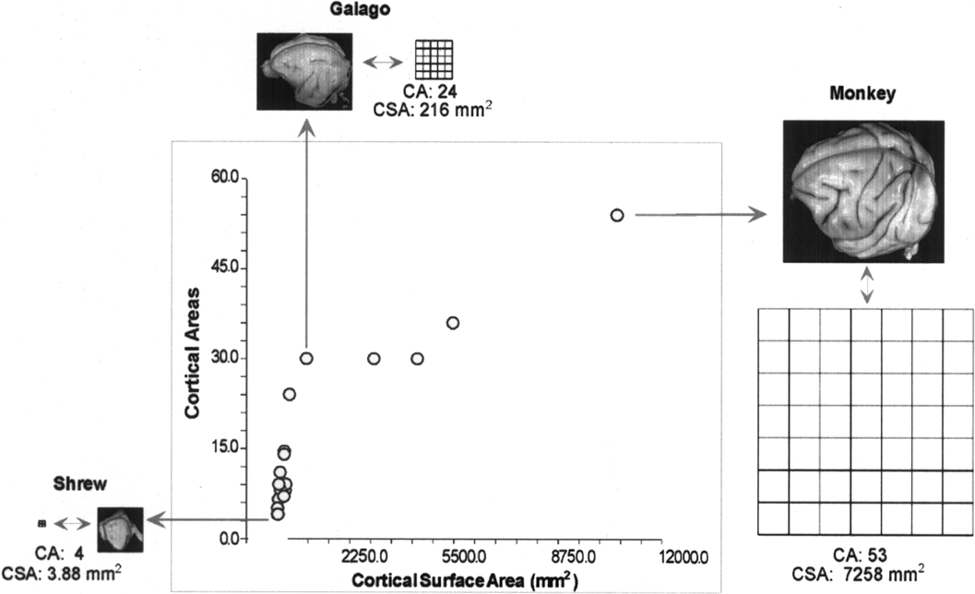 Fig. 6.6 The number of cortical areas plotted as a function of cortex surface area, without logarithmic transformation. To permit direct visual comparison, the approximate total cortical surface area of mapped visual and somatomotor areas (CSA) and number of cortical areas (CA) for the shrew, galago, and macaque are inset, as an example of small, medium, and large cortex area. Note that the entire cortex of the smaller brains would fit conveniently within any single cortical area of the rhesus monkey.
DEVELOPMENTAL CONSTRAINTS ON OR DEVELOPMENTAL STRUCTURE j 149
the cells of the cortex, and the second through instruction of the cortex by its major input, the thalamus. For the first class of mechanism, regions of the cortex are made distinct by the graded and overlapping expression of molecular markers, ranging from transcription factors such as Emx-2 and Pax 6 (Bishop et al. 2000; Grove and Fukuchi- Shimogori 2003) to the ephrin family of receptors and their ligands (Gao et al. 1996; Donoghue and Rakic 1999), to cell-adhesive molecules such as the cadherins (Redies and Takeichi 1996). While no single molecular gradient serves to define a particular cortical area per se, some cortical areas may be delineated by the combined or nested expression of multiple transcription factors. For instance, in the rat, the combined gradients of transcription factors Lhx-2, Emx-1, and SCIP appear to distinguish early auditory cortex from early visual cortex (Nakagawa et al. 1999). Experimental manipulation of the relative concentration of other molecules can shift cortical area boundaries rostrally or caudally, such as the transcription factors Pax6 and Emx2 appear to do (Bishop et al. 2000). Molecular gradients thus serve to set the basic polarity, position, and size of the primary areas (Grove and Fukuchi-Shimogori 2003). Some of the first-expressed molecules in these cortical areas designated by the transcription factors described above are axon-guidance molecules, such as the ephrins and their receptors, and contribute to the establishment of specific projections from the thalamus to the cortex, the next major developmental event. 6.8.2 Secondary thalamic instruction of the cortex Once in place, thalamic projections represent the second major source of cortical patterning, driving multiple features of cortical organization. Thalamic projections can induce the expression of particular neurotransmitters, control cell number, and, in concert with molecular mechanisms, ca

150 j PROCESSES OF CHANGE IN BRAIN AND COGNITIVE DEVELOPMENT
Many features distinguish primary somatomotor and visual areas from secondary and tertiary areas. The constant presence and topographic arrangement of the pri- mary somatomotor, auditory and visual areas in all mammals but monotremes, and the conservation of their direct input from primary sensory thalamic nuclei has led to the hypothesis that these areas are a conserved, organizing ‘core’ of the cortex, as described above (Krubitzer 1998). Molecular gradients in early cortical development primarily demarcate primary somatomotor and visual areas (Ragsdale and Grove 2001). Relative to primary areas, secondary and tertiary sensory/motor areas are cytoarchitectonically indistinct with borders between areas lacking sharp transitions, and also, relative to V1, extrastriate areas tend to have more complex visuotopic maps with less defined visual topographies (with the notable exception of area MT (Rosa 2002)). 6.9 Axonal sorting as a candidate for segregation of secondary areas The relationship of cortical surface area to cortical area number (Fig. 6.6) – rapid increase followed by slow change – could be consistent with a two-factor model of proliferation in which the effects of one factor become negligible at some size. Activity-dependent axonal sorting is a potential candidate for the first factor. What is the cortical area over which activity-dependent axonal sorting might operate? One rough quantitative assessment of this is the size of ocular dominance columns, which have been demonstrated by numerous manipulations in various species to depend on local activity and competition in the axonal populations (Tigges and Tigges 1979; Florence et al. 1986; Hess and Edwards 1987; Anderson et al. 1988; Law et al. 1988; Florence and Kaas 1992; Horton and Hocking 1996; Chappert-Piquemal et al. 2001; Cheng et al. 2001), though activity-independent factors also play a role in setting the size of t

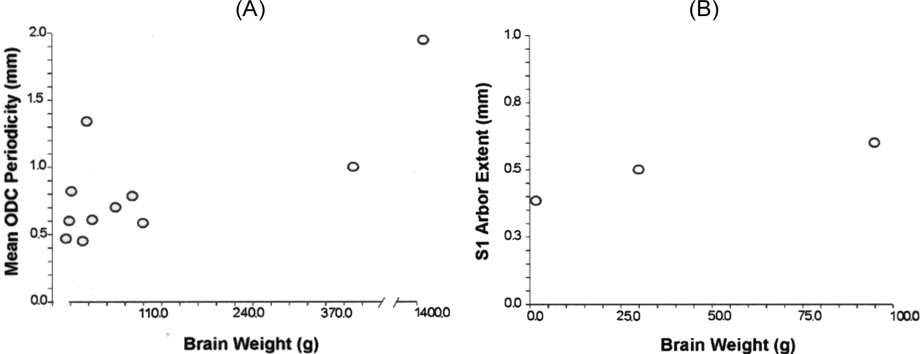 DEVELOPMENTAL CONSTRAINTS ON OR DEVELOPMENTAL STRUCTURE j 151 Fig. 6.7 (A) Mean ocular dominance column periodicity plotted against brain size, including humans, chimpanzees, six species of monkey the prosimian galago, the ferret, and domestic cat. Note that column periodicity varies only 4.5 times among brains that vary in size by a factor of 200. (B) Mean mediolateral extents of intracellularly-labeled thalamocortical axons terminating in primary somatosensory cortex for the rat, cat, and macaque monkey plotted against brain size. Note that axon extents vary only two times among brains that vary in size by a factor of 50.
(Anderson et al. 1988), humans (Cheng et al. 2001; Goodyear 2001), and chimps (Tigges and Tigges 1979). To examine to what extent ocular dominance columns scale with brain size, we plotted the average periodicity (average width of one light and one dark stripe) of ocular dominance columns against brain weight (Fig. 6.7A). Brain weights were obtained from various sources (Stephan 1981; Huffman et al. 1999; Website 2001, 2003). In Fig. 6.7A, average ocular dominance column width (width of one contralateral and ipsilateral stripe) was plotted against brain size in 10 mammalian species whose brain sizes range from 7 g to 1400 g: the average width of ocular dominance columns remains in the range of 0.45 to 2 mm, varying very little, in species whose primary visual cortex area varies by a factor of approximately 38. Using the most permissive statistical technique, simple regression, this regression just reaches statistical significance, with a large component of this relationship clearly due to the human outlier data point (log ODC width ¼ -0:3097 þ 0:1260 log brain weight, p ¼ 0:0313, n ¼ 11). 6.9.2 Axon arbor extents in S1 For another estimation of the extent to which axon arbors vary in size in a comparable cortical context, we gathered measurements of the mediolateral extents of arbors in the primary somatosensory (S1) cortex of rats (Jensen 1987), cats (Landry and Deschenes 1981), and macaque monkeys (Garraghty and Sur 1990). Axons may have multiple arbors, widely spaced, but our intent in choosing this particular data source was to describe a single, spatially continuous arborization in a location
152 j PROCESSES OF CHANGE IN BRAIN AND COGNITIVE DEVELOPMENT
specifiable across species. As Fig. 6.7B illustrates, the average mediolateral extents of arbors in the primary somatosensory cortices of rats, cats, and macaque monkeys vary only slightly (384–600 mm) among species whose brains vary in size by a factor of approximately 50. Taking both examples together, both the widths of ocular dominance columns and the extents of thalamocortical axons in S1 vary very little over a wide range of brain sizes, both about two to five-fold, and both are the appropriate size to account for the fractionation of the cortex into areas at small-to-medium brain sizes. In addition, dendritic arbor size, which can also be affected by activity-dependent sorting mech- anisms (Quartz and Sejnowski 1997), also does not vary appreciably with either brain size of cortical area size (Kaas 2000b). It is thus possible that co-ordinated size constraints apply to both localized axonal and dendritic arbors, and our explanation should include both factors. The Southeastern shrew (Sorex longirostris) is has the smallest cortex in this set. The total surface area of somatomotor and visual cortex in this animal measures only 3:8 mm2, and the approximate dimensions of its average cortical area is 1.0 x 1.0 mm, a reasonable correspondence to the size range over which activity-dependent sorting has been shown to occur in the ocular dominance columns and somatosensory axon arbors of species with larger cortices (0.3–0.6 mm). Indeed V1 occupies only 0:5 mm2 in Sorex longirostris and typically occupies less than 1 mm2 in larger species of shrew (Catania et al. 1999). We hypothesize, as brains get bigger, more specific aspects of sensory stimuli may provide the correlational structure necessary to allow the segre- gation of new, functionally specific cortical areas once a minimum volume of tissue is made available. In fact the primary somatosensory areas, as they proliferate, segregate submodalities of sensory processing (Kaa

DEVELOPMENTAL CONSTRAINTS ON OR DEVELOPMENTAL STRUCTURE j 153
constraints, or developmental mechanisms present in all brains, could account for their regular patterns of proliferation, as opposed to special selection on cortical areas specified for particular functions. The specializations and the relative size of the sensory and motor periphery may be the means of the functional differentiation of cortical areas in specialized species, transmitted to the cortex through ‘generic’ developmental mechanisms. Thus, new cortical areas may not necessarily emerge in response to selective pressure for novel or enhanced computational abilities, but may instead be inevitable consequences of size-constrained developmental processes scal- ing over a wide range of brain sizes. The fact that they emerge, however, does tell us something significant about the nature of cortical processing. Cortical areas are primarily defined as topographic maps, either of sensory surfaces or of a wide variety of computed dimensions, a representation that preserves local interactions in sensory and motor sheets. The principal role we hypothesize for Hebbian mechanisms in proliferation of new regions also emphasizes the importance of local interactions in the cortex. When this mechanism is placed in the context of intracortical feedforward and feedback, a potential for continual recombination and contextualization of new maps is created. Further discussion of how intracortical and thalamic connectivity have an interesting ‘scalability’ can be found in recent reviews by Finlay (2003) and Merker (2004). 6.11 Is predictable brain and cortex scaling a ‘constraint’ or a demonstration of robust structure comparable to the vertebrate body plan? The observation that so much brain organization appeared to be the result of developmental rules first expressed in small brains and then extended with apparent grace into much larger ones was at first dismaying. Given that the usual account of brain structure w

154 j PROCESSES OF CHANGE IN BRAIN AND COGNITIVE DEVELOPMENT
fundamental tradeoffs in the way that neural systems perform different kinds of learning and memory tasks’ (O’Reilly, Chapter 16 this volume; Atallah et al. 2004) could be the key to understanding evolvable brain organization within conserved developmental structure. The cortex, particularly posterior cortex, appears specialized to acquire generalized statistical information about the environment, preserved over extended periods of time. Perhaps only those mammals which produced the necessary structure for this kind of computation in the alar prosomeres were able to make efficient use of the fact that neural structures generated in alar regions tended to increase disproportionately in size when body and brain size increased. Only those mammals were ‘evolvable’ and only those mammals are still here. In the case of the cortex, we have an interesting window into evolution by looking at normal variations in development, and at pathology, because we can view many kinds of mutations or genetic change as a similar class of accidental event to which the cortex must equilibrate. We will consider one example each of normal variability, pathology, and genetic change to illustrate the properties of the cortex when encoun- tering variation of different kinds. The report of remarkable individual variability in the size of cortical areas, which would seem to be in direct contradiction with the very regular scaling across species described in all allometric studies and in this paper, is a perplexing observation. We will assume that published allometric studies have managed to determine represen- tative mean structure sizes and address the more theoretical question of how we are to understand the importance of structure sizes if individual members may occasionally differ very substantially from one another in the relative sizes of brain parts (Adams et al. 2003; Purves and LaMantia 1993; Van Essen et al. 1984)

DEVELOPMENTAL CONSTRAINTS ON OR DEVELOPMENTAL STRUCTURE j 155
participate in the process of Braille reading (Burton et al. 2002; Merabet et al. 2003). Thus, in both early development and adulthood, the occasion of underutilization of a cortical area for its typical function, even a primary sensory cortex, is either announced or can be detected, and it can subserve new functions. Finally, an example in primate evolution illustrates a dramatic, species-specific niche adaptation arising apparently without genetic change in the cortex, though employing the new capacity requires the cortex. Several different radiations of pri- mates have a mutation in one of their genes (just the difference of a DNA base pair or two) that make a photoreceptor protein (an opsin) change the frequency of light that best excites it, by substituting one or two amino acids that make up the opsin protein. Some of those primates couple the amino acid change with gene duplication, also a very common event in evolution (Jacobs 1998). Either of those changes is all that is required to produce primate trichromacy, three-receptor color vision, from the mammalian baseline dichromatic state. No other organizational changes of a genetic nature have been described in our visual systems – from the remaining retina to cortex, existing mechanisms for information extraction can take this small difference signal and produce a new perceptual world. The cortex is not disabled by the structural change in the photoreceptors that inform it but rather exploits the subtle new information offered. We take these three examples as evidence that variability in cortical size can be assimilated gracefully into normal function both at the individual and the phylogen- etic level; that the same piece of cortical tissue, in this case primary visual cortex, can subserve widely different functions; and that new, species-specific perceptual capaci- ties need not require new cortical ‘hardware’ for their effi

156 j PROCESSES OF CHANGE IN BRAIN AND COGNITIVE DEVELOPMENT
Albritton CC (1989). Catastrophic episodes in earth history. London and New York: Chapman and Hall. Alvarez LW, Alvarez W, Asaro J and Michel HV (1980). Extraterrestrial cause for the Cretaceous- Tertiary extinction. Science, 208, 1095–1108. Anderson PA , Olavarria J and Van Sluyters RC (1988). The overall pattern of ocular dominance bands in cat visual cortex. Journal of Neuroscience, 6, 2183–2200. Atallah HE, Frank MJ and O’Reilly RC (2004). Hippocampus, cortex and basal ganglia: Insights from computational models of complementary learning systems. Neurobiology of Learning and Mem- ory, in press. Barton RA and Harvey PH (2000). Mosaic evolution of brain structure in mammals. Nature, 405, 1055–1058. Baum EB (2004). What is thought? Boston: MIT Press. Bayer SA (1980). Development of the hippocampal region in the rat. I. Neurogenesis examined with 3H-thymidine autoradiography. Journal of Comparative Neurology, 190, 87–114. Bayer SA (1983). (3H) Thymidine-radiographic studies of neurogenesis in the rat olfactory bulb. Experimental Brain Research, 50, 329–340. Beck P and Kaas JH (1999). Cortical connections of the dorsomedial visual area in Old World macaque monkeys. Journal of Comparative Neurology, 406, 487–502. Beck PD and Kaas JH (1998). Cortical connections of the dorsomedial visual area in the new world owl monkeys (Aotus trivirgatus) and squirrel monkeys (Saimiri scireus.) Journal of Comparative Neurology, 400, 18–34. Beck PD, Pospichal MW and Kaas JH (1996). Topography architecture and connections of somato- sensory cortex in opossums, evidence for five somatosensory areas. Journal of Comparative Neurology, 366, 109–133. Bishop KM, Gourdeau G and O’Leary DDM (2000). Regulation of area identity in the mammalian neocortex by Emx2 and Pax6. Science, 288, 344–349. Brodmann K (1909). Vergliechende Lokalisationslehre der Grosshirnrinde in ihren Prinzipien dargestellt auf Grund der Zellenbaues. Leipzig: Barth. Burton H, Snyder A

DEVELOPMENTAL CONSTRAINTS ON OR DEVELOPMENTAL STRUCTURE j 157
Cheung DT, Darlington RB and Finlay BL (2002). Scalable structure in cortical cartography: Rules for the proliferation of cortical areas. Society for Neuroscience Abstracts, 27, 877. Clancy B, Darlington RB and Finlay BL (1999). The course of human events, predicting the timing of primate neural development. Developmental Science, 3, 57–66. Clancy B, Darlington RB and Finlay BL (2001). Translating developmental time across mammalian species. Neuroscience, 105, 7–17. Collins CE, Stepniewska I and Kaas JH (2001). Topographic patterns of V2 cortical connections in a prosimian primate Galago garnetti. Journal of Comparative Neurology, 431, 155–167. Crowley JC and Katz LC (2002). Ocular dominance development revisited. Current Opinion in Neurobiology, 12, 104–109. Dawkins R (1976). The selfish gene. Oxford: Oxford University Press. Dawkins R (1986). The blind watchmaker. New York: W W Norton. DeVoogd TJ, Krebs JR, Healy SD and Purvis A (1993). Relations between song repertoire size and the volume of brain nuclei related to song, comparative evolutionary analyses among oscine birds. Proceedings of the Royal Society of London: B, 254, 75–78. Donoghue MJ and Rakic P (1999). Molecular gradients and compartments in the embryonic primate cerebral cortex. Cerebral Cortex, 9, 586–600. Duboule D and Dolle´ P (1989). The structural and functional organisation of the mouse Hox gene family resembles that of Drosophila homeotic genes. EMBO, 8, 1497–1505. Elman J, Bates E, Johnson M, Karmiloff-Smith A, Parisi D and Plunkett K (1996). Rethinking Innateness: A connectionist perspective on development. Massachusetts: MIT Press. Felleman DJ and Van Essen DC (1991). Distributed hierarchical processing in the primate cerebral cortex. Cerebral Cortex, 1, 1–47. Finlay BL (2004). Rethinking developmental neurobiology. In: M Tomasello and D Slobin, eds. Beyond nature-nurture, essays in honor of Elizabeth Bates, pp. 195–219. New York:

158 j PROCESSES OF CHANGE IN BRAIN AND COGNITIVE DEVELOPMENT
Gao PP, Zhang JH, Ceretti DP, Levitt P and Zhou R P (1996). Regulation of thalamic neurite outgrowth by the ephrin ligand ephrin A-5: implications for the development of thalamocortical projections. Proceedings of the National Academy of Sciences, USA, 95, 5329–5334. Garraghty PE and Sur M (1990). Morphology of single intracellularly stained axons terminating in area 3b of macaque monkeys. Journal of Comparative Neurology, 294, 583–593. Gerhart J and Kirschner M (1997). Cell, Embryos and Evolution. Malden, MA: Blackwell Science. Gilissen E and Zilles K (1995). The relative volume of the primary visual cortex and its intersubject variability among humans, a new morphometric study. Comptes Rendus Academie Sciences Paris, 320, 897–902. Glendenning KK and Masterton RB (1998). Comparative morphometry of mammalian central auditory systems: Variation in nuclei and form of the ascending system. Brain, Behavior and Evolution, 51, 59–89. Goodyear BG (2001). Brief visual stimulation allows mapping of ocular dominance in visual cortex using fMRI. Human Brain Mapping, 14, 210–217. Gosh S (1997). Comparison of the cortical connections of areas 4g and 4d in the cat cerebral cortex. Journal of Comparative Neurology, 388, 371–396. Gould SJ (1977). Ontogeny and phylogeny Cambridge, MA: Harvard University Press. Gould SJ (1980). The panda’s thumb. New York: W W Norton. Gould SJ (2002). The structure of evolutionary theory. Cambridge, MA: Belknap Press. Graham A, Papalopulu N and Krumlauf R (1989). The murine and drosophil homeobox gene complex have common features of organisation and expression. Cell, 57, 367–378. Grove EA and Fukuchi-Shimogori T (2003). Generating the cerebral cortical area map. Annual Review of Neuroscience, 26, 355–380. Hess D and Edwards M (1987). Anatomical demonstration of ocular segregation in the retinogen- iculate pathway of the New World capuchin monkey (Cebus apella). Jou

DEVELOPMENTAL CONSTRAINTS ON OR DEVELOPMENTAL STRUCTURE j 159
Kaas JH (1982). Segregation of function in the nervous system: Why do sensory systems have so many subdivisions? In: W Neff, ed. Contributions to sensory physiology, pp. 201–240. New York: Academic Press. Kaas JH (1987). The organization of the neocortex in mammals. Annual Review of Psychology, 38, 129–151. Kaas JH (1997). Topographic maps are fundamental to sensory processing. Brain Research Bulletin, 44, 107–112. Kaas JH (2000a). Why does the brain have so many visual areas? In: MS Gazzaniga, ed. Cognitive neuroscience: a reader, pp. 449–472. Malden, MA: Blackwell. Kaas JH (2000b). Why is brain size so important: Design problems and solutions as neocortex get bigger or smaller. Brain and Mind, 1, 1–25. Kaas JH (2002a). Proposed cortical areas of the New World monkey Callithrix jacchus. In: JF Baer, RE Weller and I Kakoma, eds. Aotus: the owl monkey, pp. 331–351. Orlando, Fl: Academic Press. Kaas JH (2002b). Proposed cortical areas of the owl monkey Aotus trivirgatus. In: JF Baer, RE Weller and I Kakoma, eds. Aotus: the owl monkey, pp. 331–351. Orlando, Fl: Academic Press. Kaas JH, Krubitzer L and Johanson KL (1989). Cortical connections of areas 17 (V-I) and 18 (V-2) of squirrels. Journal of Comparative Neurology, 281, 426–446. Kahn DM, Huffman KJ and Krubitzer L (2000). Organization and connections of V1 in Monodelphis domestica. Journal of Comparative Neurology, 428, 337–354. Kaskan P, Franco C , Yamada E, Silveira LCL, Darlington RB and Finlay BL (2004). Peripheral variability and central constancy in mammalian visual system evolution. Proceedings of the Royal Society: Biological Sciences, In press. Kaskan PM and Finlay BL (2001). Encephalization and its developmental structure, how many ways can a brain get big? In: T Sanderson, ed. Evolutionary anatomy of the primate cerebral cortex, pp. 14–29. Cambridge: Cambridge University Press. Kingsbury MA and Finlay BL (2001). The cortex in multidimensional space:

160 j PROCESSES OF CHANGE IN BRAIN AND COGNITIVE DEVELOPMENT
Krubitzer LA , Kunzle H and Kaas JH (1997). Organization of somatosensory cortex in a Madagas- can insectivore. Journal of Comparative Neurology, 379, 399–414. Krubitzer LA, Sesma MA and Kaas JH (1986). Microelectrode maps myeloarchitecture and cortical connections of three somatotopically organized representations of the body surface in parietal cortex of squirrels. Journal of Comparative Neurology, 253, 415–434. Landry P and Deschenes M (1981). Intracortical arborizations and receptive fields of identified ventrobasal thalamocortical afferents to the primary somatosensory cortex in the cat. Journal of Comparative Neurology, 199, 345–371. Law M, Zahs K and Stryker M (1988). Organization of primary visual cortex (area 17) in the ferret. Journal of Comparative Neurology, 178, 157–180. Letinic K and Rakic P (2001). Telencephalic origin of human thalamic GABAergic neurons. Nature Neuroscience, 4, 931–936. Lewis JWand Van Essen DC (2000a). Mapping of architectonic subdivisions in the macaque monkey with emphasis on parieto-occipital cortex. Journal of Comparative Neurology, 428, 79–111. Lewis J W and Van Essen DC (2000b). Corticocortical connections of visual sensorimotor and multimodal processing areas in the parietal lobe of the macaque monkey. Journal of Comparative Neurology, 428, 112–137. Lipson H and Pollack JB (2000). Automatic design and manufacture of artificial lifeforms. Nature, 406, 974–978. Lyon D, Jain N and Kaas JH (1998). Cortical connections of striate and extrastriate visual areas in tree shrews. Journal of Comparative Neurology, 401, 109–128. Merker B (2004). Cortex, countercurrent context and the logistics of personal history. Cortex, 40, 550–583. Moll J, De Oliveira-Souza R, Bramati I and Grafman J (2002). Functional networks in emotional moral and nonmoral social judgments. Neuroimage, 16, 696–703. Murphy WJ, Eizirik E, O’Brien S J, Madsen O, Scally M, Douady CJ, Teeling E, Ryder OA, Stanhope MJ, De Jong WW and

DEVELOPMENTAL CONSTRAINTS ON OR DEVELOPMENTAL STRUCTURE j 161
Pallas SL and Finlay BL (1989). Conservation of receptive-field properties of superiorcolliculus cells after developmental rearrangements of retinal input. Visual Neuroscience, 2, 121–135. Purves D and LaMantia A (1993). Development of blobs in the visual cortex of macaques. Journal of Comparative Neurology, 334, 169–175. Purvis A and Rambaut A (1995). Comparative analysis by independent contrasts (CAIC), an Apple Macintosh application for analysing comparative data. Computer Applications in Biosciences, 11, 247–251. Quartz SR and Sejnowski TJ (1997). The neural basis of cognitive development, a constructivist manifesto. Behavioral and Brain Sciences, 20, 537–556. Radman M, Matic I and Taddei F (1999). Evolution of evolvability. Annals of the New York Academy of Sciences, 870, 146–155. Ragsdale CW and Grove EA (2001). Patterning the mammalian cerebral cortex. Current Opinion in Neurobiology, 11, 50–58. Rakic P (1988). Specification of cerebral cortical areas. Science, 241, 170–176. Rakic P (1991). Experimental manipulation of cerebral cortical areas in primates. Philosophical Transactions of the Royal Society of London B, 331, 291–294. Rakic P (1995). A small step for the cell; a giant leap for mankind: a hypothesis of neocortical expansion during evolution. Trends in Neurosciences, 18, 383–388. Redies C and Takeichi M (1996). Cadherins in the developing nervous system, an adhesive code for segmental and functional subdivisions. Developmental Biology, 180, 413–423. Rezak KA, Huang L and Pallas SL (2003). NMDA receptor blockade in the superior colliculus increases receptive field size without altering velocity and size tuning. Journal of Neurophysiology, 90, 110–119. Ringo J (1991). Neural interconnection as a function of brain size. Brain, Behavior and Evolution, 38, 1–6. Rosa MG (2002). Visual maps in the adult primate cerebral cortex, some implications for brain development and evolution

162 j PROCESSES OF CHANGE IN BRAIN AND COGNITIVE DEVELOPMENT
Stephan HGB and Frahm H D (1988). Comparative size of brain and brain components In: Comparative primate biology. Alan R Liss. Tigges J and Tigges M (1979). Ocular dominance columns in the striate cortex of chimpanzee (Pan troglodytes). Brain Research, 166, 387–391. Valverde F (1991). The organization of striate cortex. In: B Dreher and SR Robinson, eds. Neuro- anatomy of the visual pathways and their development, pp. 235–276. Boca Raton: Macmillan Press. Van Essen DC, Newsome WT and Maunsell JH (1984). The visual field representation in striate cortex of the macaque monkey, asymmetries anisotropies and individual variability. Vision Research, 24, 429–448. Website (2001). Brain and bodyweights of mammals. University of New Mexico Department of Mathematics Website. Website (2003). What is the relationship between brain and body size? Serendipity Website. Weller RE , White DM and Walton MMG (2000). Intrinsic connections in the caudal subdivision of the dorsolateral visual area (DLc) in squirrel monkeys. Journal of Comparative Neurology, 420, 52–69. Wilkins A S (2001). The evolution of developmental pathways. Sunderland, MA: Sinauer Associates. Wu C, Bichot N and Kaas JH (2000). Converging evidence from microstimulation architecture and connections for multiple motor areas in the frontal and cingulate cortex of prosimian primates. Journal of Comparative Neurology, 423, 140–177. Zilles K (1985). The cortex of the rat: A stereotaxic atlas. Berlin: Springer-Verlag.
View publication stats

