SVM_OPT
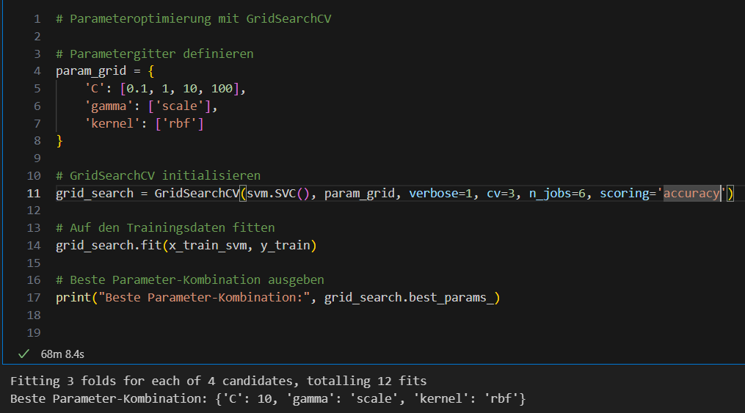
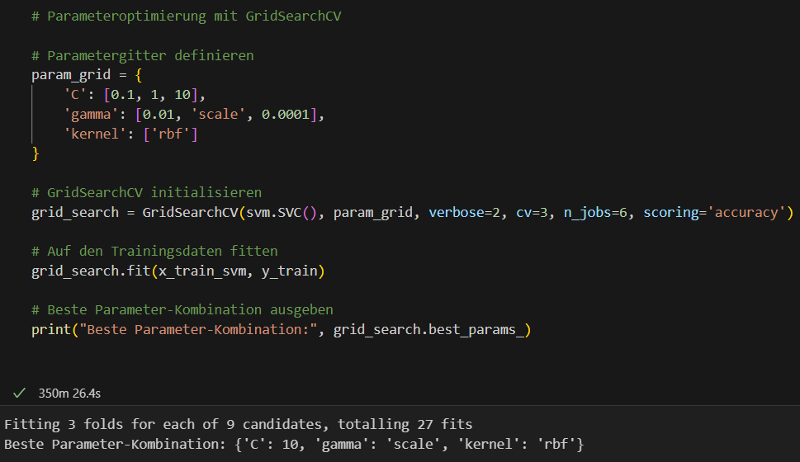
 |  |  |  |  |  |  | GridSearchCV Ergebnisse

mean_fit_time | std_fit_time | mean_score_time | std_score_time | param_C | param_gamma | param_kernel | params | split0_test_score | split1_test_score | split2_test_score | mean_test_score | std_test_score | rank_test_score
1583.8544952 | 3.6590281326 | 1220.538789 | 4.9928942099 | 0.1 | scale | rbf | {'C': 0,1; 'gamma': 'scale'; 'kernel': 'rbf'} | 0.9207 | 0.923 | 0.92515 | 0.92295 | 0.0018170488895 | 4
975.13372668 | 0.77792788858 | 784.01574659 | 0.15849280989 | 1 | scale | rbf | {'C': 1; 'gamma': 'scale'; 'kernel': 'rbf'} | 0.9596 | 0.9602 | 0.961 | 0.96026666667 | 0.00057348835114 | 3
724.63714012 | 2.638047343 | 699.71255501 | 4.2129033049 | 10 | scale | rbf | {'C': 10; 'gamma': 'scale'; 'kernel': 'rbf'} | 0.9685 | 0.96705 | 0.9677 | 0.96775 | 0.00059301489582 | 1
587.8530333 | 4.2592898144 | 325.79513431 | 3.7269029788 | 100 | scale | rbf | {'C': 100; 'gamma': 'scale'; 'kernel': 'rbf'} | 0.96835 | 0.96685 | 0.96745 | 0.96755 | 0.0006164414003 | 2

mean_fit_time | std_fit_time | mean_score_time | std_score_time | param_C | param_gamma | param_kernel | params | split0_test_score | split1_test_score | split2_test_score | mean_test_score | std_test_score | rank_test_score
6623.7431188 | 11.904727962 | 1987.6365524 | 4.3997319469 | 0.1 | 0.01 | rbf | {'C': 0,1; 'gamma': 0,01; 'kernel': 'rbf'} | 0.6045 | 0.60685 | 0.61235 | 0.6079 | 0.0032896301717 | 9
2295.7522566 | 3.7181607535 | 1835.3094198 | 6.6301849934 | 0.1 | scale | rbf | {'C': 0,1; 'gamma': 'scale'; 'kernel': 'rbf'} | 0.9207 | 0.923 | 0.92515 | 0.92295 | 0.0018170488895 | 5 |  |  | C | Gamma | Accuracy
3234.7335696 | 5.8024474387 | 1786.2814604 | 6.1092052081 | 0.1 | 0.0001 | rbf | {'C': 0,1; 'gamma': 0,0001; 'kernel': 'rbf'} | 0.88735 | 0.88715 | 0.893 | 0.88916666667 | 0.0027118054666 | 6 | MNIST | Standardparameter | 1 | scale | 0.966
6169.913058 | 76.293614802 | 2004.9066761 | 7.209797385 | 1 | 0.01 | rbf | {'C': 1; 'gamma': 0,01; 'kernel': 'rbf'} | 0.8268 | 0.83315 | 0.83215 | 0.8307 | 0.0027877709136 | 8 |  | GridSearchCV Parameter | 0.1, 1, 10 | 0.01, scale,0.0001
947.55233065 | 0.55757333149 | 1090.537819 | 2.0641713752 | 1 | scale | rbf | {'C': 1; 'gamma': 'scale'; 'kernel': 'rbf'} | 0.9596 | 0.9602 | 0.961 | 0.96026666667 | 0.00057348835114 | 2 |  | GridSearchCV Ergebnis | 10 | scale | 0.9678
1526.4460137 | 3.5891449982 | 1495.4574378 | 9.9350330828 | 1 | 0.0001 | rbf | {'C': 1; 'gamma': 0,0001; 'kernel': 'rbf'} | 0.9302 | 0.92815 | 0.93125 | 0.92986666667 | 0.0012873314345 | 4 | F-MNIST | Standardparameter | 1 | scale
5642.0662071 | 9.6748166272 | 783.8096354 | 7.9051844282 | 10 | 0.01 | rbf | {'C': 10; 'gamma': 0,01; 'kernel': 'rbf'} | 0.83835 | 0.84505 | 0.8445 | 0.84263333333 | 0.0030370855913 | 7 |  | GridSearchCV Parameter | 0.1, 1, 10 | 0.01, scale,0.0001 | 0.8836
873.75757408 | 6.5263362057 | 797.52013032 | 3.5525671851 | 10 | scale | rbf | {'C': 10; 'gamma': 'scale'; 'kernel': 'rbf'} | 0.9685 | 0.96705 | 0.9677 | 0.96775 | 0.00059301489582 | 1 |  | GridSearchCV Ergebnis | ? | ? | ?
572.83767708 | 2.0917224915 | 704.42503818 | 24.596975792 | 10 | 0.0001 | rbf | {'C': 10; 'gamma': 0,0001; 'kernel': 'rbf'} | 0.94615 | 0.9446 | 0.9468 | 0.94585 | 0.00092285787999 | 3

