BOM_E08gamer_st_Schematic1_3_20
No. | Quantity | Comment | Designator | Footprint | Value | Manufacturer Part | Manufacturer | Supplier Part | Supplier
1 | 34 | CPG151101S11-16 | 1,2,3,4,5,6,A,B,C,CAPS,D,E,ESC,F,F1,F2,F3,F4,G,GRV,LALT,LCTL,LSFT,LWIN,Q,R,S,SPS,T,TAB,V,W,X,Z | KAILH with poron |  | CPG151101S11-16 | Kailh(凯华) | C5156480 | LCSC
2 | 8 | 10uF | C1,C2,C3,C4,C5,C34,C35,C36 | C0402 | 10uF | CL05A106MQ5NUNC | SAMSUNG(三星) | C15525 | LCSC
3 | 9 | 100nF | C14,C15,C27,C28,C29,C30,C31,C32,C39 | C0402 | 100nF | CL05B104KO5NNNC | SAMSUNG(三星) | C1525 | LCSC
4 | 2 | 12pF | C24,C25 | C0402 | 12pF | 0402CG120J500NT | FH(风华) | C1547 | LCSC
5 | 2 | 22pF | C37,C38 | C0402 | 22pF | 0402CG220J500NT | FH(风华) | C1555 | LCSC

7 | 18 | BAT54C | D66,D67,D68,D71,D72,D73,D74,D75,D76,D77,D79,D80,D81,D83,D84,D85,D88,D89 | SOT-23-3_L2.9-W1.3-P1.90-LS2.4-BR |  | BAT54C | Hottech(合科泰) | C181200 | LCSC
8 | 2 | 0402WGF220JTCE | R1,R2 | R0402 |  | 0402WGF220JTCE | UNI-ROYAL(厚声) | C25092 | LCSC
9 | 1 | 1.5kΩ | R3 | R0402 | 1.5kΩ | 0402WGF1501TCE | UNI-ROYAL(厚声) | C25867 | LCSC
10 | 7 | 10kΩ | R4,R5,R6,R7,R8,R9,R10 | R0402 | 10kΩ | 0402WGF1002TCE | UNI-ROYAL(厚声) | C25744 | LCSC
11 | 34 | Yo-WS2812B-3528反贴雾状 | RGB1,RGB2,RGB3,RGB4,RGB5,RGB6,RGB7,RGB8,RGB9,RGB10,RGB11,RGB12,RGB13,RGB14,RGB15,RGB16,RGB17,RGB18,RGB19,RGB20,RGB21,RGB22,RGB23,RGB24,RGB25,RGB26,RGB27,RGB28,RGB29,RGB30,RGB31,RGB32,RGB33,RGB34 | LED-SMD_L3.2-W2.8_YO-WS2812B-3528 |  | Yo-WS2812B-3528反贴雾状 |  | C9900003682 | LCSC | https://item.taobao.com/item.htm?id=676874582870&mi_id=0000pZF7q7YYYYgxSaAk3BBUnoou3QHfjIi2zbKNCd2Og9Y&spm=tbpc.boughtlist.suborder_itemtitle.1.41692e8d5Cf1Ld
12 | 1 | STM32F103CBT6TR | U1 | LQFP-48_L7.0-W7.0-P0.50-LS9.0-BL |  | STM32F103CBT6TR | ST(意法半导体) | C279569 | LCSC | https://item.taobao.com/item.htm?id=678617424206&mi_id=0000P1bw-eJxaV7AkBfSEPJhqo3HZA5vmG4dt3lEl9LXWNo&spm=tbpc.boughtlist.suborder_itemtitle.1.41692e8d5Cf1Ld | 使用APM32F103CBT6替换
13 | 1 | XC6206P302MR | U2 | SOT-23-3_L3.0-W1.7-P0.95-LS2.9-BR |  | XC6206P302MR | UMW(友台半导体) | C347375 | LCSC
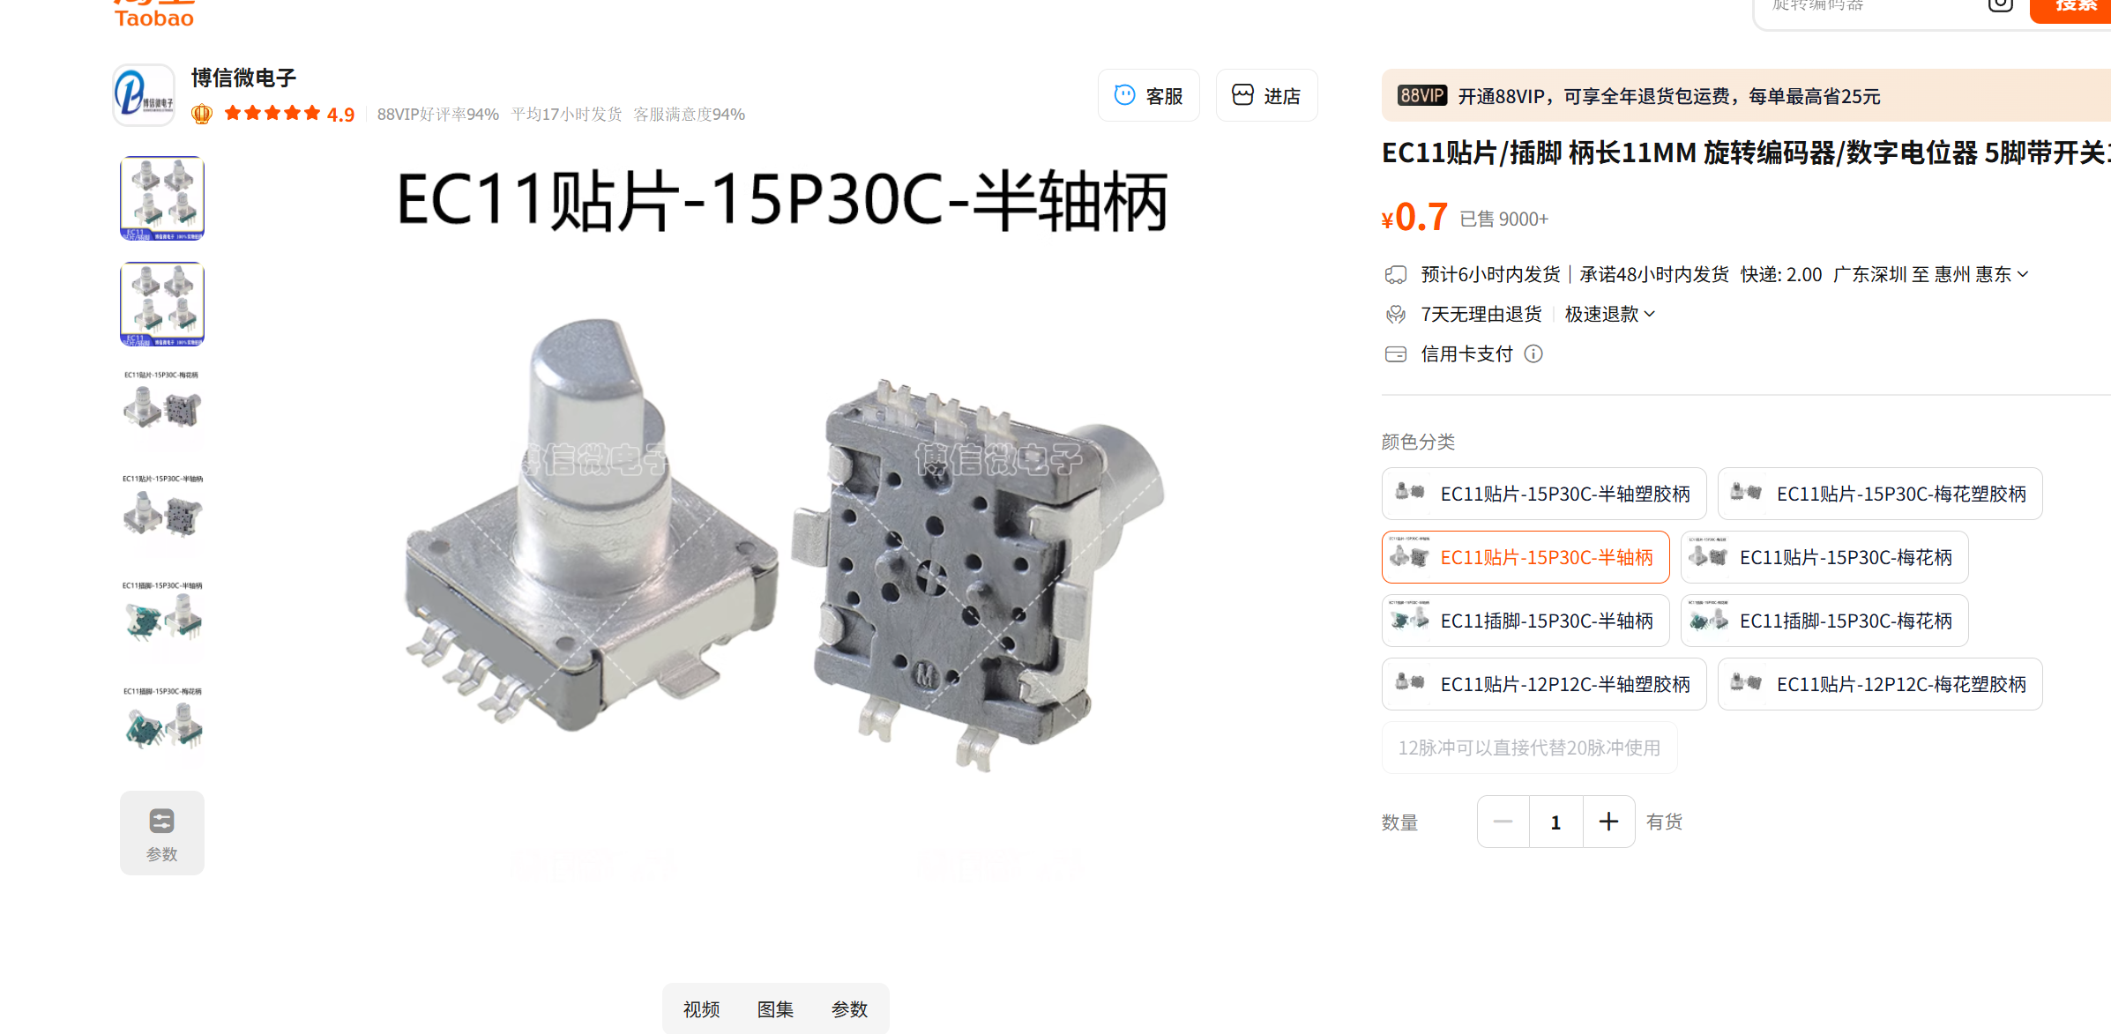
14 | 1 | EC115旋转编码器 | U4 | SW-SMD_EC115_C9900036245 |  | EC115旋转编码器 |  | C9900036245 | LCSC | https://item.taobao.com/item.htm?id=823079527886&mi_id=0000vfmBUaTp81EsxDma7XUZCegMz00on88-ZpUnUy39Fso&pvid=f3c0ba55-b8ec-42fd-9805-a4388c58bc11&scm=1007.56608.446695.0&skuId=5707955650313&spm=tbpc.boughtlist.repurchaseitem.d5.41692e8d5Cf1Ld&xxc=home_recommend
15 | 1 | 8MHz | X1 | OSC-SMD_4P-L3.2-W2.5-BL | 8MHz | X32258MOB4SI | YXC(扬兴晶振) | C2682775 | LCSC

