Sheet1
Linear Regression Explained

Formula: y=mx+b

Formula: degree_of_need = adhd_subtype + years_of_teaching + student_gender + teacher_knowledge

When using formula above we can look at variables together or independently
To analyze them together, we look at our R^2 which shows the percent of variance from the independent variables when predicting the dependent variable. We can also look at the F-value and you could run an F-test.

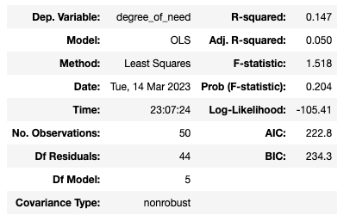

 |  |  | y=mx+b
 |  |  | degree of need predicted |  | 5.7422
 |  |  | All levels add up to 0 (example for years of teaching) |  |  | 3.0448

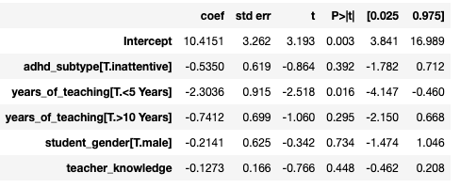
To analyze them individually we look at the p-values associated to each coefficient
 | Variables | Coef | Input ex 1 | Output ex 1 | Input ex 2 | Output ex 2
 | intercept=b | 10.415 |  | 10.415 | 10.415 | 10.415
 | subtype | -0.535 | 1 | -0.535 | 0 | 0
 | <5 | -2.3036 | 0 | 0 | 0 | 0
 | >10 | -0.7412 | 1 | -0.7412 | 0 | 0
 | student gen | -0.2141 | 1 | -0.2141 | 0 | 0
 | teach knowl | -0.1273 | 25 | -3.1825 | 12 | -1.5276
 |  |  |  | 5.7422 |  | 8.8874
Variables we cant see: years of teaching [5-10], adhd subtype [combined], student gender [female] |  |  |  | 7
 |  |  |  | 1.2578 | Example 2 written out
When analyzing variables independantly, we look at their p-values and compare them to 0.05. This 0.05 value comes from us using a 95% confidence interval. |  |  |  |  | Combined vignette, 7 years of teaching, female student and scored a 12

Explanation for adhd_subtype not being significant:
We have sufficient evidence to conclude that adhd subtype is not statistically significant meaning that there is no significant difference in weights between the inattentive and combined groups when predicting degree of need, holding other variables constant.

Explanation for years of teaching

For teacher knowledge, the degree of need is decreased by -0.1273 for ever unit increase in teacher knowledge, holding all variables constant.

