dprime
Old/New Judgments
Color Judgments, No adjust
Raw Data: |  |  | Standard Errors

1.0514316038 | 0.3065548758 |  | 0.12051359185 | 0.19420722845
1.2820143639 | 0.59276642105 |  | 0.12940923016 | 0.20227790983
1.4936879802 | 1.0431851271 |  | 0.13646937861 | 0.20104457322
1.6888029476 | 1.1956056912 |  | 0.14717622876 | 0.2170768639
0.63741066955 | 0.19712934152 |  | 0.096032140262 | 0.14653741305
0.65540021363 | 0.30194831507 |  | 0.10951739121 | 0.16105937345
0.83608418039 | 0.40628622272 |  | 0.1207161883 | 0.17897246835
0.9745951246 | 0.51469020156 |  | 0.12836348899 | 0.19041862835

 | Old/New |  | Color
 | Divided | Full | Divided | Full
 | 0.63741066955 | 1.0514316038 | 0.19712934152 | 0.3065548758
 | 0.65540021363 | 1.2820143639 | 0.30194831507 | 0.59276642105
 | 0.83608418039 | 1.4936879802 | 0.40628622272 | 1.0431851271
 | 0.9745951246 | 1.6888029476 | 0.51469020156 | 1.1956056912

Color Judgments
Root 2 adjust |  |  |  |  | 0.5 | 1 | 2 | 4
Forced choice recognition, to be comparable to old/new, is often multiplied by sqrt(2)
This seems based on signal detection, and while a little weird is being done for Aaron

 | Old/New |  |  | Color
 | Divided | Full |  | Divided | Full
0.5 | 0.63741066955 | 1.0514316038 | 0.5 | 0.27878298831 | 0.43353406296
1 | 0.65540021363 | 1.2820143639 | 1 | 0.42701940231 | 0.83829831197
2 | 0.83608418039 | 1.4936879802 | 2 | 0.57457548638 | 1.4752865549
4 | 0.9745951246 | 1.6888029476 | 4 | 0.72788186347 | 1.6908417838

Adjusted, formatted for state-trace

 | OldNew | Color
 | 1.0514316038 | 0.43353406296
 | 1.2820143639 | 0.83829831197
 | 1.4936879802 | 1.4752865549
 | 1.6888029476 | 1.6908417838
 | 0.63741066955 |  | 0.27878298831
 | 0.65540021363 |  | 0.42701940231
 | 0.83608418039 |  | 0.57457548638
 | Full Attention | Divided Attention
1.0514316038 | 0.43353406296
1.2820143639 | 0.83829831197
1.4936879802 | 1.4752865549
1.6888029476 | 1.6908417838
0.63741066955 |  | 0.27878298831
0.65540021363 |  | 0.42701940231
0.83608418039 |  | 0.57457548638
0.9745951246 |  | 0.72788186347
 | 0.9745951246 |  | 0.72788186347

redone
 | Old/New |  | Color
Time | Divided | Full | Divided | Full
0.5 | 0.63741066955 | 1.0514316038 | 0.19712934152 | 0.3065548758
1 | 0.65540021363 | 1.2820143639 | 0.30194831507 | 0.59276642105
2 | 0.83608418039 | 1.4936879802 | 0.40628622272 | 1.0431851271
Study Time .5s
4 | 0.9745951246 | 1.6888029476 | 0.51469020156 | 1.1956056912
Study Time 1s
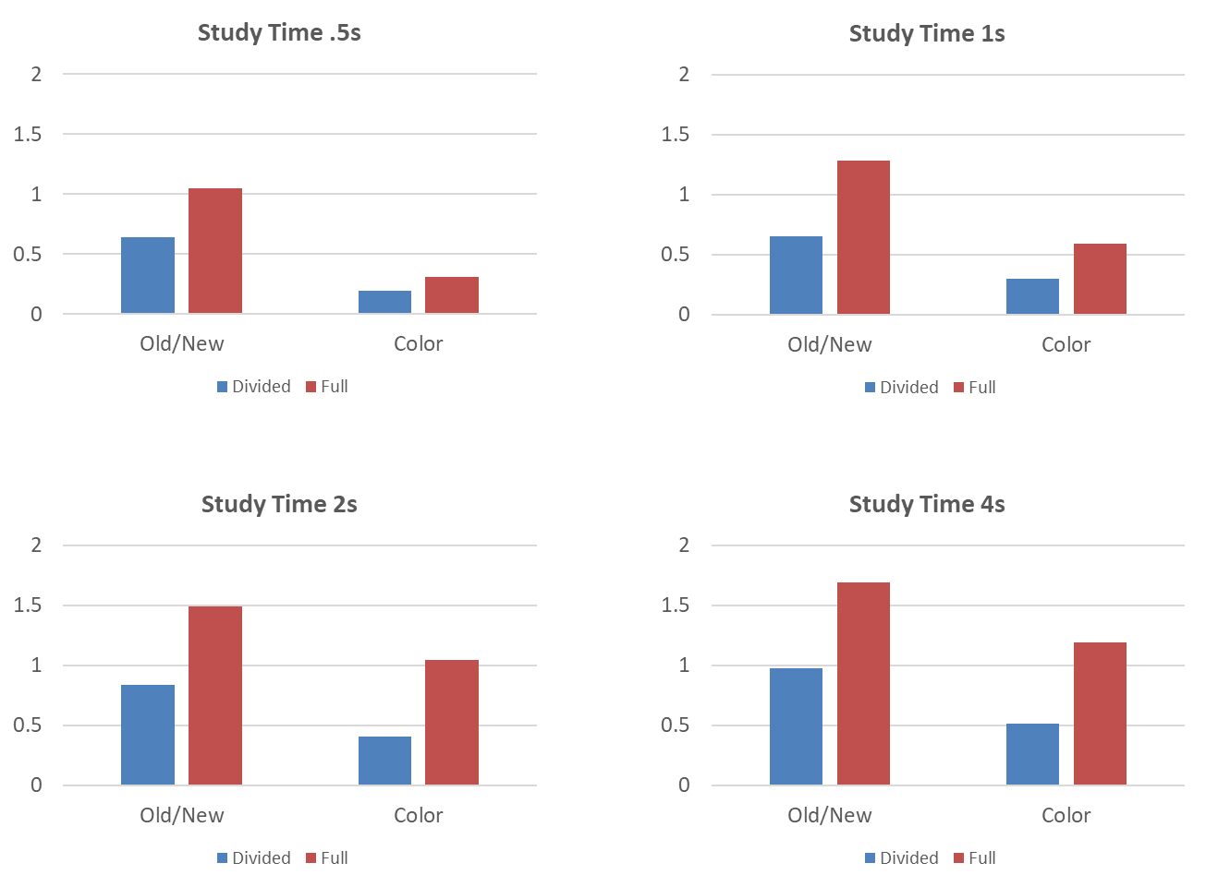

0.5 |  | Old/New | Color
 | Divided | 0.63741066955 | 0.19712934152
 | Full | 1.0514316038 | 0.3065548758

1 |  | Old/New | Color
 | Divided | 0.65540021363 | 0.30194831507
 | Full | 1.2820143639 | 0.59276642105

2 |  | Old/New | Color
 | Divided | 0.83608418039 | 0.40628622272
 | Full | 1.4936879802 | 1.0431851271

Study Time 2s
Study Time 4s
4 |  | Old/New | Color
 | Divided | 0.9745951246 | 0.51469020156
 | Full | 1.6888029476 | 1.1956056912

Sheet3
