main
 |  |  |  |  | EUR |  | Takover threshold
BOARD |  |  |  | Price | 220 |  | 0.25 | 2.805
CEO | Gasper lesjak |  |  | Shares | 51000
Shareholding familiy | Barabara lesjak [family] |  |  | MC | 11.22
CFO&Chairwoman | Verica žlabravec |  |  | Cash | 0.034
Other CIO | Stanislav Črne |  |  | Debt | 0
???? | Franc Props |  |  | EV | 11.186

2024-04-26 | Sklic skupscine
MATICNA STEVILKA | 1254103000
DAVCNA | SI 83206981
LEI | /

 | Manager | Activities | HQ | Class | Employee count | Working h
LITI DOO | Stanko | Usposabljanje invalidov???? | SI | mikro | 50
Predilnica Litija d.o.o. | Gašper | predenje bombažnih vlaken | SI | srednja druzba | 238
LITUS | Barbara | trgovanje(najem) z nepremicninami | SI |  | 0
Litijska Plaža | Verica | poslovanje z nepremicninami | HR Novi Grad |  | 1 | 180

2019

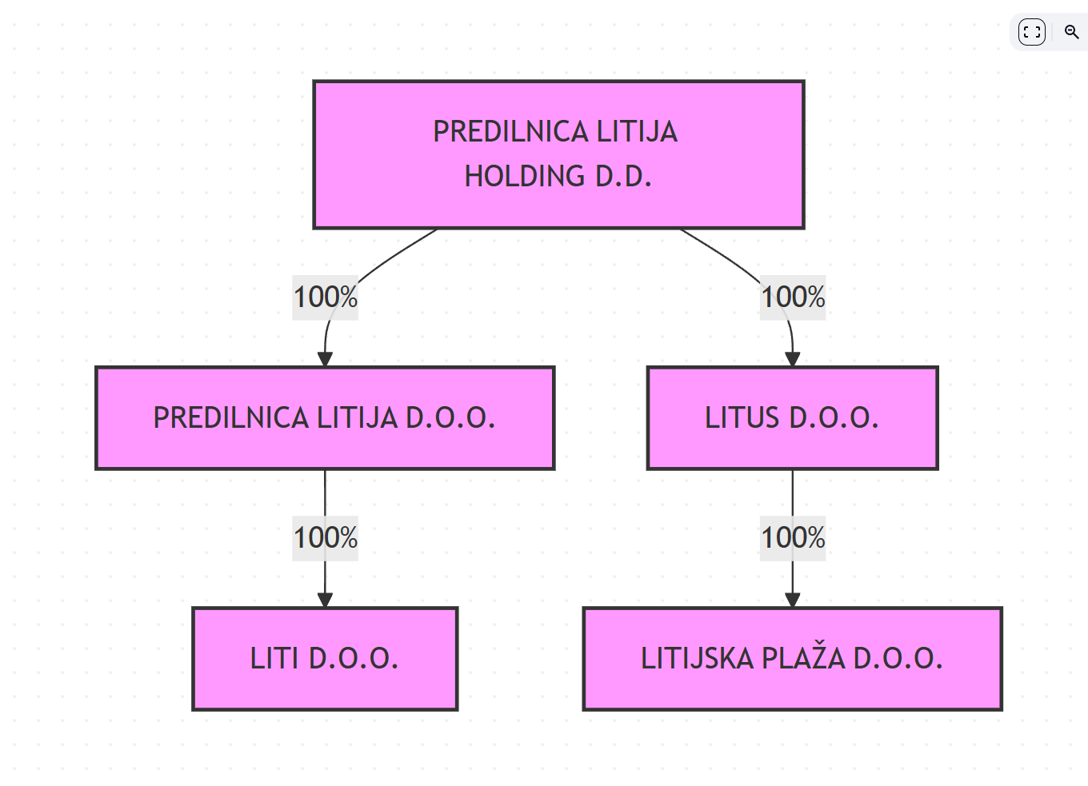
 |  |  |  |  |  |  |  |  | 76
 |  |  |  |  |  |  |  |  | 36480

