maridebart cafraglutide
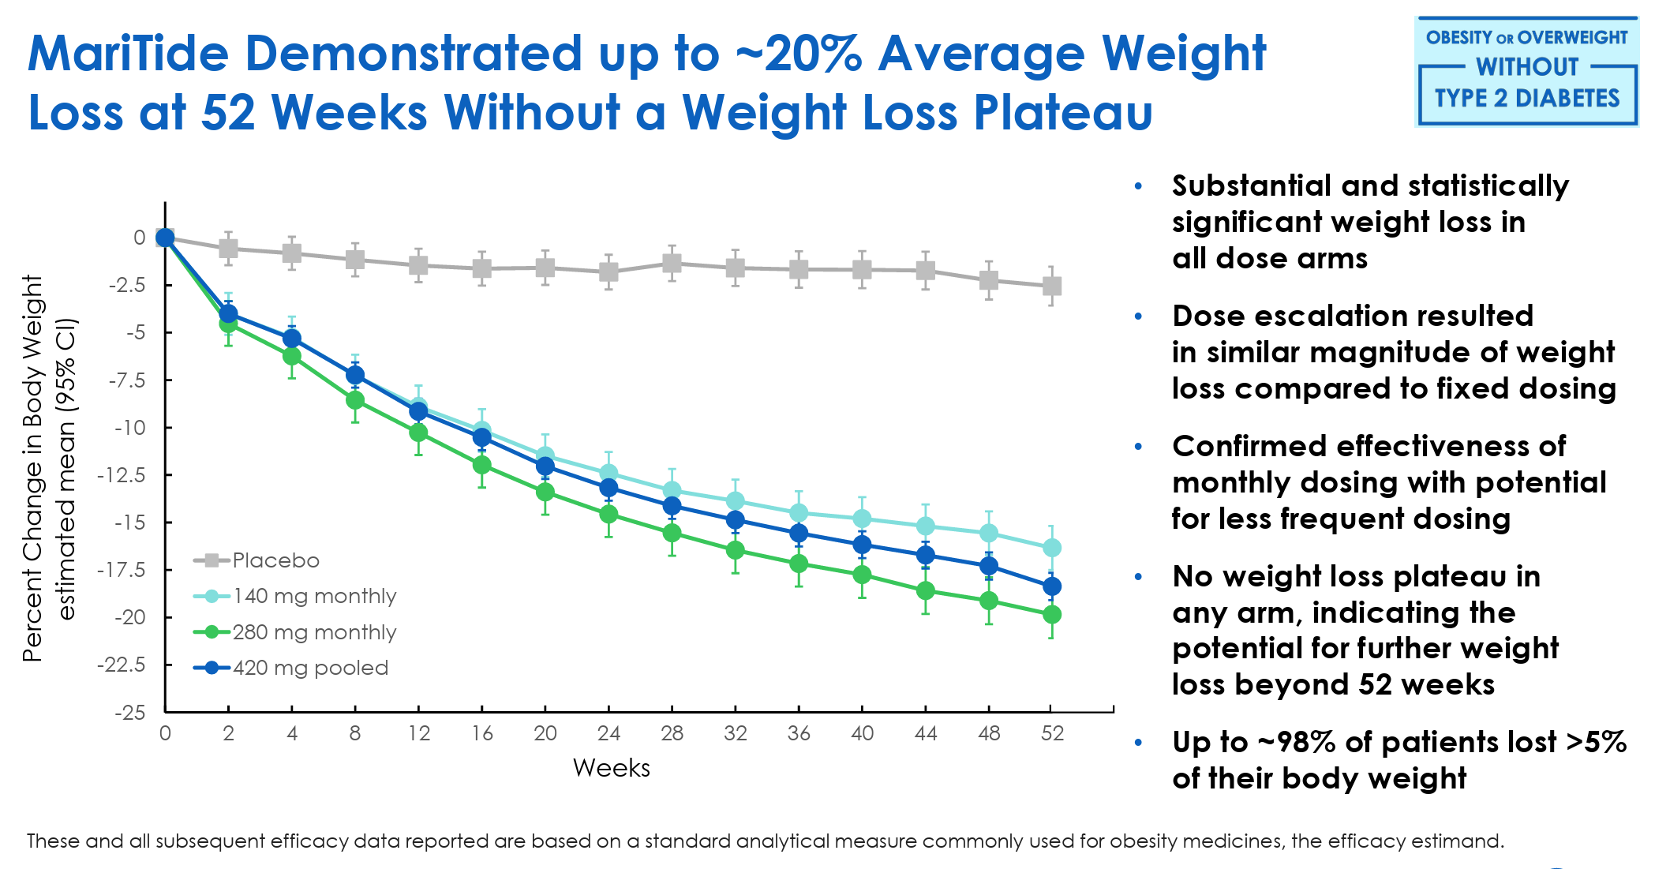
Main
 | Brand | AMG 133
 | Generic | maridebart cafraglutide
 | Economics | 100%
 | Mechanism | GLP-1/GIPR antagonist peptide-antibody conjugate
 | Clinical Trials
 |  | Phase II n=592 chronic weight management with or without obesity
 |  | Part 1: 52 week weight loss without a plateau
 |  | Part 2: data readout 2H25

 |  | Phase II n=350 T2DM

 |  | Phase I
 |  | 21mg, 70mg, 140mg, 280mg, 560mg, 840mg
 |  | single dose from -4% to -9% weight loss at day 150
 |  | multiple (3) doses from -6% to -15% weight loss at 90
 |  | BMD changes?

 |  | Phase III MARITIME
 |  | 1H25 group of studies

