brilaroxazine
Main

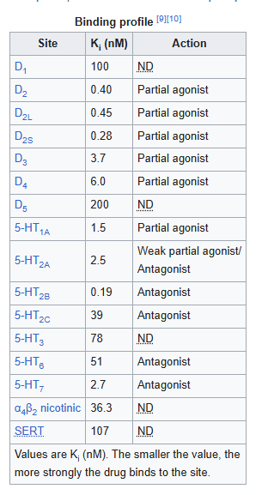
 | Brand | RP5063
 | Generic | oxaripiprazole, Brilaroxazine
 | MOA | partial agonist of D2, D3, D4 and 5-HT1A receptors, and as an antagonist of 5-HT2A, 5-HT2B, 5-HT2C, 5-HT6 and 5-HT7 receptors
 | BioAval. | 1 | as per Chemaxon
 | ADME | LogP - 4.14 | as per Chemaxon
 | SMILES | ClC1=C(Cl)C(=CC=C1)N1CCN(CCCCOC2=CC=C3OCC(=O)NC3=C2)CC1
 | IUPAC | 6-{4-[4-(2,3-dichlorophenyl)piperazin-1-yl]butoxy}-3,4-dihydro-2H-1,4-benzoxazin-3-one
 | MW | 450
 | Competition | Aripiprazole, Olanzapine, Risperidone, and Clozapine[positive symptoms] ,Lurasidone and Quetiapine

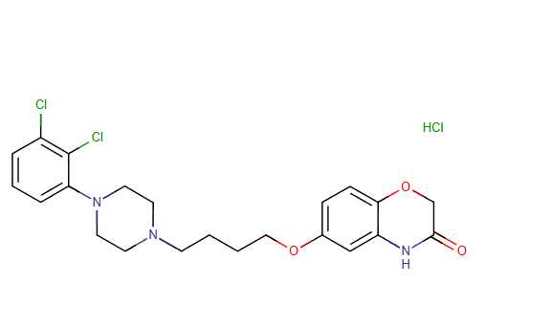
 | Ziprasidone (Geodon)
 | Risperidone (Risperdal)
 | Lurasidone (Latuda)
 | Quetiapine (Seroquel)
 | Clozapine (Clozaril)
 | Olanzapine (Zyprexa)
 | Aripiprazole (Abilify)

 | Clinical Trials
 | https://clinicaltrials.gov/study/NCT05184335?term=Reviva&intr=Brilaroxazine%20&rank=1

Trial
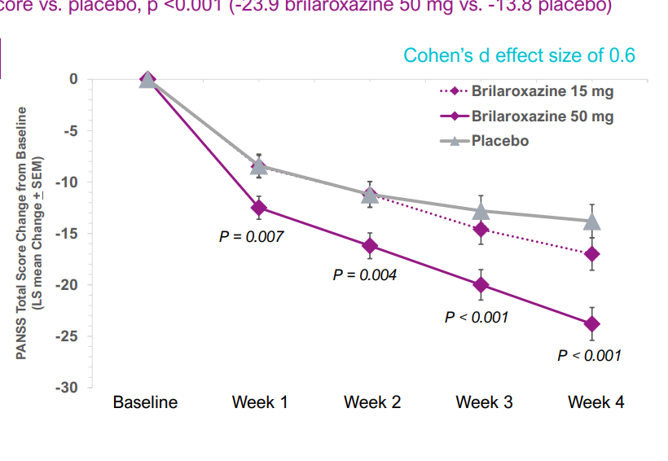
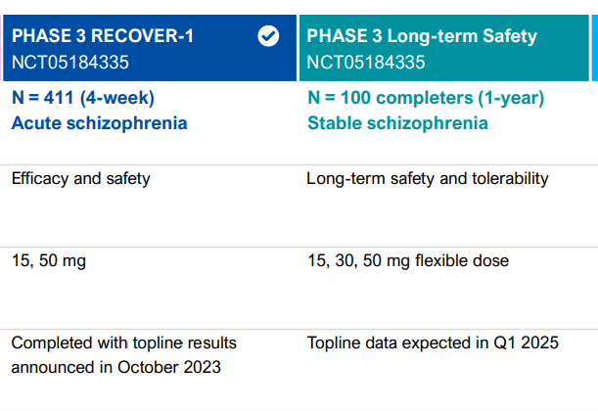
Main
 | OLE data expectd Dec Q424
 | ID | NCT05184335
 | Goal | The total duration of the study is 56 weeks (28 days/4 weeks DB treatment and 52-weeks OL treatment).

