Tracker
GP journey — requested changes (30). Decision = Pending 1:1 on every row. Filter, then fill Decision / Status / Owner / 1:1 outcome during the review.
Sources: D2C Feedback.msg (Saksham, 12 items + screenshots) and Gp.msg (18 items, several mobile-only). Severity is a discussion aid only. Phone-only rows can be parked if mobile is out of scope.
ID | Decision (1:1) | Status | Owner | Severity (discussion only) | Kind | Category | Journey step | Screen / component | Device | Phase hint | Requested change | Original wording | Context / notes | Screenshot | Screenshot file(s) | Source | Reviewer | Email date | Original # | 1:1 outcome / notes
FB-01 | Pending 1:1 | Not started | Unassigned | High | Change request | UX / data model | Your money | Savings & investments field | Desktop | TBD in 1:1 | Split savings and investments (do not combine) | The savings and investment grow at different rates so they shouldn’t be combined together. | Screenshot shows a single 'Savings & investments' line (S$80,000) with a 'YOU CHANGED THIS' chip. |  | S01_savings_investment_combined.png | Saksham Bhardwaj — D2C Feedback | Saksham Bhardwaj | 2026-09-11 | 1
FB-02 | Pending 1:1 | Not started | Unassigned | Medium | Change request | UX / animation | Global chrome | Explain / Hear CTA buttons | Desktop | TBD in 1:1 | Stop CTA pulse animation after 3–5 seconds | The animation on these buttons is very distracting. The animations should stop 3-5 seconds. | Two examples: 'Explain these figures' and landing 'Hear what you get'. |  | S02a_button_animation.png, S02b_button_animation.png | Saksham Bhardwaj — D2C Feedback | Saksham Bhardwaj | 2026-09-11 | 2
FB-03 | Pending 1:1 | Not started | Unassigned | High | Change request | UX / content | Your score | Goals & needs shortfall list | Desktop | TBD in 1:1 | Too many goals recommended — overwhelming | Too Many goals recommended - very overwhelming | Screenshot lists 5 shortfalls at once (Retirement S$3.9m through Savings S$22k). | 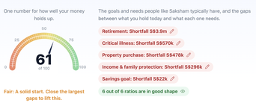 | S03_too_many_goals.png | Saksham Bhardwaj — D2C Feedback | Saksham Bhardwaj | 2026-09-11 | 3
FB-04 | Pending 1:1 | Not started | Unassigned | High | Gap vs live | Integration | About you | Insurance policy upload / OCR | Desktop | TBD in 1:1 | OCR / document parse is mock — needs to actually work | The OCR API does work - mock currently | Reading as: OCR should work; it is mock today. Dialog shows 'Simulated for this prototype' with truncated values (Life Protectio / Great Easterr). |  | S04_ocr_api_mock.png | Saksham Bhardwaj — D2C Feedback | Saksham Bhardwaj | 2026-09-11 | 4a
FB-05 | Pending 1:1 | Not started | Unassigned | Medium | Change request | UX / layout | Global chrome | Header: Assumptions + Tool tips + 5-step stepper | Desktop | TBD in 1:1 | Assumptions / tooltips should not compete with the 5 steps | The Assumption and tooltip should not take same space/ size as the 5 steps, which makes it difficult to interpret the 5 steps for new user | Email numbered this as a second '4'. Header shows Assumptions + Tool tips toggle at same visual weight as Start → Your plan. |  | S05_assumptions_tooltip_stepper.png | Saksham Bhardwaj — D2C Feedback | Saksham Bhardwaj | 2026-09-11 | 4b
FB-06 | Pending 1:1 | Not started | Unassigned | Medium | Change request | UX / layout | Your score | Dual explainer CTAs | Desktop | TBD in 1:1 | Overlapping / duplicate explainer buttons — rethink positioning | Same button - need to think about positioning | 'Explain your HappiU score' and 'Explain your goals and needs' overlap. |  | S06_duplicate_button_position.png | Saksham Bhardwaj — D2C Feedback | Saksham Bhardwaj | 2026-09-11 | 5
FB-07 | Pending 1:1 | Not started | Unassigned | Medium | Bug / investigation | Voice | Global chrome | Voice / system audio explainer | Desktop | TBD in 1:1 | System audio explainer does not play (reviewer laptop?) | When I use system audio to understand explanation- it doesn’t work for me. Maybe it’s just my laptop | No screenshot. Confirm whether this is device-specific or a product bug before treating as a change. | (no screenshot in email) | — | Saksham Bhardwaj — D2C Feedback | Saksham Bhardwaj | 2026-09-11 | 6
FB-08 | Pending 1:1 | Not started | Unassigned | Low | Change request | UX / layout | Your plan | HappiU uplift / gauge card | Desktop | TBD in 1:1 | Alignment on HappiU uplift card | Some alignment required | Gauge (99) vs '+38 HappiU uplift' copy; needle at 100 while score is 99. |  | S07_alignment.png | Saksham Bhardwaj — D2C Feedback | Saksham Bhardwaj | 2026-09-11 | 7
FB-09 | Pending 1:1 | Not started | Unassigned | Blocker | Bug | Bug | Your plan | Scenario Visualizer — Cash inflow & outflow | Desktop | TBD in 1:1 | Scenario Visualizer Internal Server Error — SV testing blocked | The scenario visualiser throwing an error so couldn’t proceed with SV Testing | Chart body shows {"detail":"Internal Server Error"}. Covering note: 'Couldn’t test SV as I was getting internal server error.' |  | S08_sv_error.png | Saksham Bhardwaj — D2C Feedback | Saksham Bhardwaj | 2026-09-11 | 8
FB-10 | Pending 1:1 | Not started | Unassigned | High | Change request | Feature | Your plan | Protection / investment plan detail modal | Desktop | TBD in 1:1 | Add affordability indicator for protection and investment plans | I dont have a view whether I am able to afford these protection and investment plans. A indicator somewhere would help. | Critical illness cover modal shows sum assured / premium sliders and funded status, but no affordability vs income/cashflow. | 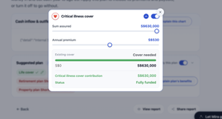 | S09_affordability_indicator.png | Saksham Bhardwaj — D2C Feedback | Saksham Bhardwaj | 2026-09-11 | 9
FB-11 | Pending 1:1 | Not started | Unassigned | Medium | Change request | UX / report | Report | HTML report — goals and gaps | Desktop | TBD in 1:1 | Report: reduce scrolling; keep goals/gaps in a well-formatted table | Report looks good but some lots of scrolling is required. Can keep the goals and gaps in a table format for simplicity but my need to format the table to look good. | Positive: report looks good. Ask is compactness + table polish (screenshot already shows a table). | 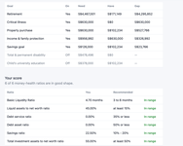 | S10_report_scrolling.png | Saksham Bhardwaj — D2C Feedback | Saksham Bhardwaj | 2026-09-11 | 10
FB-12 | Pending 1:1 | Not started | Unassigned | Low | Change request | UX / layout | Report | Report header Close / Share | Desktop | TBD in 1:1 | Move Close / Share report buttons to top right | Can move these button to top right - which is more natural than top left | Screenshot: Close + Share report clustered top-left. | 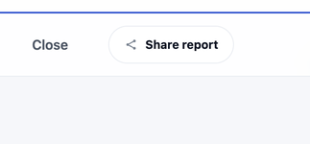 | S11_buttons_top_left.png | Saksham Bhardwaj — D2C Feedback | Saksham Bhardwaj | 2026-09-11 | 11
FB-13 | Pending 1:1 | Not started | Unassigned | Medium | Change request | UX / content | Start | Landing / audio explainer | Both | TBD in 1:1 | Highlight '3-minute planning' as a D2C wow factor | 3min planning is at end in page as well as audio explainer, for D2C customer it could be a wow factor so if it could be highlighted | Positive context from same email: voice explainer, page-real-estate explainer, and video summary are 'superb'. | (no screenshot in email) | — | GP notes (mobile) — Gp.msg | Captured in Gp.msg (Michael Gerber mailbox) | 2026-09-11 | 1
FB-14 | Pending 1:1 | Not started | Unassigned | Medium | Bug | Voice | About you | Speak-button transcript | Mobile only | TBD in 1:1 | Transcript repeats words (not as spoken) — mobile only | The transcript shown on UI from the speak button has repeated words not as spoken - *only on mobile* | Email preface: ignore phone-only items if we are not optimizing for phone now. | (no screenshot in email) | — | GP notes (mobile) — Gp.msg | Captured in Gp.msg (Michael Gerber mailbox) | 2026-09-11 | 2
FB-15 | Pending 1:1 | Not started | Unassigned | Medium | Change request | Voice | About you | Voice-to-text intake | Mobile only | TBD in 1:1 | Voice-to-text misses residency / dependents unless keywords are said | observed *only on Mobile* -voice to text needs a bit of improvement as it picks some keyword I guess like citizen for residency, dependent are not picked till I say relationship | Phone-only. Mapping seems keyword-triggered rather than natural speech. | (no screenshot in email) | — | GP notes (mobile) — Gp.msg | Captured in Gp.msg (Michael Gerber mailbox) | 2026-09-11 | 3
FB-16 | Pending 1:1 | Not started | Unassigned | Low | Enhancement | Voice / feature | About you | Mira voice intake | Both | TBD in 1:1 | Two-way voice: Mira asks for missing details | if we can two way the voice would become more interesting ( Mira asks for details - please share residency status) | Enhancement, not a defect. | (no screenshot in email) | — | GP notes (mobile) — Gp.msg | Captured in Gp.msg (Michael Gerber mailbox) | 2026-09-11 | 4
FB-17 | Pending 1:1 | Not started | Unassigned | High | Bug | Voice | About you | Voice intake → Next | Mobile only | TBD in 1:1 | Cannot proceed after voice fill until classic data-entry is toggled | Observed *only on phone* - even all details picked from voice - it didn't allow me to proceed to next steps(shows we fill once u pause) ( when triggered on and off classic data entry it picked) | Phone-only blocker for a voice-first path. Workaround: toggle classic data entry. | (no screenshot in email) | — | GP notes (mobile) — Gp.msg | Captured in Gp.msg (Michael Gerber mailbox) | 2026-09-11 | 5
FB-18 | Pending 1:1 | Not started | Unassigned | Medium | Bug / performance | Voice | Global chrome | Voice explainer | Both | TBD in 1:1 | Lag on the voice explainer | observed a bit of lag on the voice explainer |  | (no screenshot in email) | — | GP notes (mobile) — Gp.msg | Captured in Gp.msg (Michael Gerber mailbox) | 2026-09-11 | 6
FB-19 | Pending 1:1 | Not started | Unassigned | Medium | Change request | Voice | Global chrome | Voice explainer | Both | TBD in 1:1 | Add pause on voice explainer | can add a pause button on voice explainer as people would.like to grasp what is getting told while explaining needs and goals |  | (no screenshot in email) | — | GP notes (mobile) — Gp.msg | Captured in Gp.msg (Michael Gerber mailbox) | 2026-09-11 | 7
FB-20 | Pending 1:1 | Not started | Unassigned | Medium | Change request | Content / voice | Your score | Goals / needs audio explainer | Both | TBD in 1:1 | Start goal explainer with why people like you prioritise these needs | I feel if we start audio goal explainer with why these needs not just people like u but why people like u prioritise these things - could be confidence building |  | (no screenshot in email) | — | GP notes (mobile) — Gp.msg | Captured in Gp.msg (Michael Gerber mailbox) | 2026-09-11 | 8
FB-21 | Pending 1:1 | Not started | Unassigned | High | Change request | UX / ranking | Your score | Need listing / ranking | Both | TBD in 1:1 | Rank needs by relevance, not gap amount alone | currently the need listing seems be on gap amount - the priority could be changed with relevance rather than amount alone - ex critical illness could eat current savings hence should be top priority | Related to FB-03 (too many goals). Ranking vs quantity are separate 1:1 decisions. | (no screenshot in email) | — | GP notes (mobile) — Gp.msg | Captured in Gp.msg (Michael Gerber mailbox) | 2026-09-11 | 9
FB-22 | Pending 1:1 | Not started | Unassigned | Low | Change request | Content | Your score | Financial ratios | Both | TBD in 1:1 | Explain how financial ratios are arrived at (or a separate explainer) | should we add how we have arrived at the financial ratio? Or A seperate explainer for ratio? |  | (no screenshot in email) | — | GP notes (mobile) — Gp.msg | Captured in Gp.msg (Michael Gerber mailbox) | 2026-09-11 | 10
FB-23 | Pending 1:1 | Not started | Unassigned | Medium | Change request | UX | Global chrome | Inline figure edit | Both | TBD in 1:1 | Save to persist edits; X / close = discard | while editing any figure can we add a save button to Persist changes , cross can be taken as discard |  | (no screenshot in email) | — | GP notes (mobile) — Gp.msg | Captured in Gp.msg (Michael Gerber mailbox) | 2026-09-11 | 11
FB-24 | Pending 1:1 | Not started | Unassigned | High | Bug | Bug / calc | Your score | Insurance cover vs gap calculation | Both | TBD in 1:1 | Changing insurance cover amount is not reflected in the gap | changing insurance cover amount is not getting accounted for gap amount calculation | Looks like a calculation / mapping bug, not cosmetic. | (no screenshot in email) | — | GP notes (mobile) — Gp.msg | Captured in Gp.msg (Michael Gerber mailbox) | 2026-09-11 | 12
FB-25 | Pending 1:1 | Not started | Unassigned | Medium | Enhancement | Voice / UX | Your score | Goals audio explainer | Both | TBD in 1:1 | Auto open / close / highlight the goal being discussed in audio | while audio explains goals would becomes nicer if system auto opens/close or highligh the goal getting discussed |  | (no screenshot in email) | — | GP notes (mobile) — Gp.msg | Captured in Gp.msg (Michael Gerber mailbox) | 2026-09-11 | 13
FB-26 | Pending 1:1 | Not started | Unassigned | Low | Change request | UX / layout | Your plan | Scenario Visualizer page explainer tooltip | Both | TBD in 1:1 | Adjust Scenario Visualizer page-explainer tooltip (cosmetic) | cosmetic - scenario visualizer page explainer(tooltip) need to be adjusted | Blocked in practice until FB-09 (SV 500) is resolved; Saksham could not test SV. | (no screenshot in email) | — | GP notes (mobile) — Gp.msg | Captured in Gp.msg (Michael Gerber mailbox) | 2026-09-11 | 14
FB-27 | Pending 1:1 | Not started | Unassigned | Low | Enhancement | Voice / SV | Your plan | SV graph + explainer | Both | Next phase (reviewer) | Next phase: SV explainer auto-adjusts / highlights the graph | not sure how complex this could be - in next phase if we make sv explainer with auto adjusting/highlighting the graph | Reviewer already tagged this as next phase. | (no screenshot in email) | — | GP notes (mobile) — Gp.msg | Captured in Gp.msg (Michael Gerber mailbox) | 2026-09-11 | 15
FB-28 | Pending 1:1 | Not started | Unassigned | Medium | Enhancement | Feature / video | Report | Video explainer | Both | TBD in 1:1 | Add a report section on the video explainer | is it possible to add a report section on the video explainer will make the explainer out of world | Positive: video summary called superb in the same email. | (no screenshot in email) | — | GP notes (mobile) — Gp.msg | Captured in Gp.msg (Michael Gerber mailbox) | 2026-09-11 | 16
FB-29 | Pending 1:1 | Not started | Unassigned | Low | Change request | UX / layout | Report | Share button vs video | Both | TBD in 1:1 | Move Share button to just below the video | share button can be moved just below video | Related to FB-12 (Share currently top-left on report). | (no screenshot in email) | — | GP notes (mobile) — Gp.msg | Captured in Gp.msg (Michael Gerber mailbox) | 2026-09-11 | 17
FB-30 | Pending 1:1 | Not started | Unassigned | Medium | Change request | UX / report | Report | HTML report | Both | TBD in 1:1 | Add a report header / jump links to sections | since the report is in HTML - can we add a header to jump on relevant sections | Pairs with FB-11 (too much scrolling). | (no screenshot in email) | — | GP notes (mobile) — Gp.msg | Captured in Gp.msg (Michael Gerber mailbox) | 2026-09-11 | 18

Screenshots
Screenshots from Saksham’s D2C Feedback email (12 images across 11 items)
Gp.msg had no attachments. Full-resolution files: GP/docs/feedback-screenshots/

ID / item | Screenshot | Requested change + original wording
FB-01 email #1 Your money |  | Split savings and investments (do not combine) Original: The savings and investment grow at different rates so they shouldn’t be combined together. Screenshot shows a single 'Savings & investments' line (S$80,000) with a 'YOU CHANGED THIS' chip. File: S01_savings_investment_combined.png
FB-02 (1/2) email #2 Global chrome | 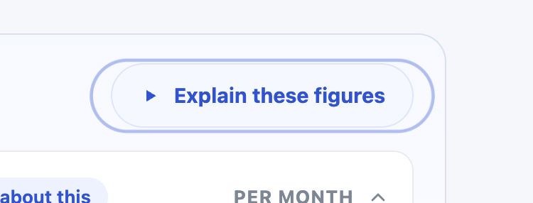 | Stop CTA pulse animation after 3–5 seconds Original: The animation on these buttons is very distracting. The animations should stop 3-5 seconds. Two examples: 'Explain these figures' and landing 'Hear what you get'. File: S02a_button_animation.png
FB-02 (2/2) email #2 Global chrome | 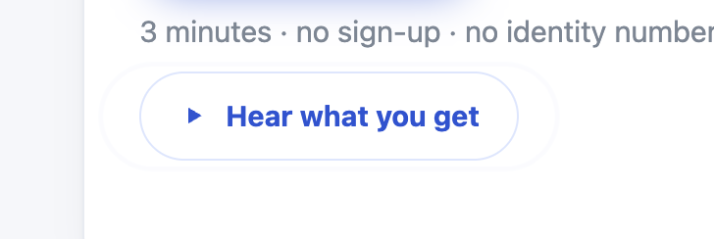 | Stop CTA pulse animation after 3–5 seconds Original: The animation on these buttons is very distracting. The animations should stop 3-5 seconds. Two examples: 'Explain these figures' and landing 'Hear what you get'. File: S02b_button_animation.png
FB-03 email #3 Your score |  | Too many goals recommended — overwhelming Original: Too Many goals recommended - very overwhelming Screenshot lists 5 shortfalls at once (Retirement S$3.9m through Savings S$22k). File: S03_too_many_goals.png
FB-04 email #4a About you | 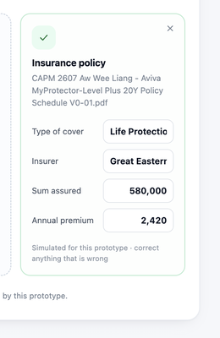 | OCR / document parse is mock — needs to actually work Original: The OCR API does work - mock currently Reading as: OCR should work; it is mock today. Dialog shows 'Simulated for this prototype' with truncated values (Life Protectio / Great Easterr). File: S04_ocr_api_mock.png
FB-05 email #4b Global chrome |  | Assumptions / tooltips should not compete with the 5 steps Original: The Assumption and tooltip should not take same space/ size as the 5 steps, which makes it difficult to interpret the 5 steps for new user Email numbered this as a second '4'. Header shows Assumptions + Tool tips toggle at same visual weight as Start → Your plan. File: S05_assumptions_tooltip_stepper.png
FB-06 email #5 Your score |  | Overlapping / duplicate explainer buttons — rethink positioning Original: Same button - need to think about positioning 'Explain your HappiU score' and 'Explain your goals and needs' overlap. File: S06_duplicate_button_position.png
FB-08 email #7 Your plan |  | Alignment on HappiU uplift card Original: Some alignment required Gauge (99) vs '+38 HappiU uplift' copy; needle at 100 while score is 99. File: S07_alignment.png
FB-09 email #8 Your plan |  | Scenario Visualizer Internal Server Error — SV testing blocked Original: The scenario visualiser throwing an error so couldn’t proceed with SV Testing Chart body shows {"detail":"Internal Server Error"}. Covering note: 'Couldn’t test SV as I was getting internal server error.' File: S08_sv_error.png
FB-10 email #9 Your plan | 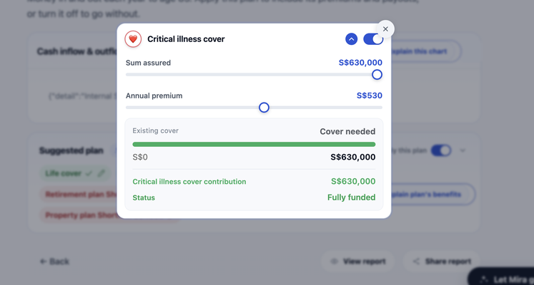 | Add affordability indicator for protection and investment plans Original: I dont have a view whether I am able to afford these protection and investment plans. A indicator somewhere would help. Critical illness cover modal shows sum assured / premium sliders and funded status, but no affordability vs income/cashflow. File: S09_affordability_indicator.png
FB-11 email #10 Report | 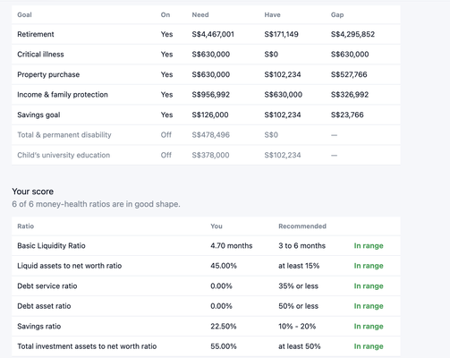 | Report: reduce scrolling; keep goals/gaps in a well-formatted table Original: Report looks good but some lots of scrolling is required. Can keep the goals and gaps in a table format for simplicity but my need to format the table to look good. Positive: report looks good. Ask is compactness + table polish (screenshot already shows a table). File: S10_report_scrolling.png
FB-12 email #11 Report |  | Move Close / Share report buttons to top right Original: Can move these button to top right - which is more natural than top left Screenshot: Close + Share report clustered top-left. File: S11_buttons_top_left.png

