Round 130


IOM is pleased to share with you the latest Displacement Tracking Matrix (DTM) Dataset Round 130, covering the months of May, June, July and August 2023
 | During this round of data collection, DTM has identified 1,142,014 internally displaced persons (195,880 households), dispersed across 18 governorates, 104 districts and 2,645 locations in Iraq

 |  | You can find in the Summary tab the number of IDPs breakdown by:
 |  | Shelter Type
 |  | Governorate of Origin
 |  | Period and Governorate of Displacement
 |  | Period of Displacement
 |  | District of Displacement

 |  | Dataset
 |  | The whole dataset is located under DTM Dataset tab

 |  | Other tabs
 |  | Period of Displacement includes a chart that shows the number of IDPs by Period of Displacement
 |  | Shelter Type is a breakdown chart that shows Shelter Type by Governorate of Displacement

Period of Displacement
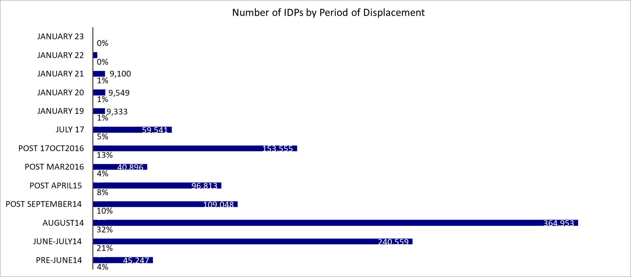
Row Labels | Sum of IDP Individuals | Sum of % | Sum of rank
Pre-June14 | 45247 | 0.039620354917 | 13
June-July14 | 240559 | 0.210644528 | 12
August14 | 364953 | 0.3195696375 | 11
Post September14 | 109048 | 0.095487445863 | 10
Post April15 | 96813 | 0.084773916957 | 9
Post Mar2016 | 40896 | 0.035810419137 | 8
Post 17Oct2016 | 153555 | 0.13445982273 | 7
July 17 | 59541 | 0.052136838953 | 6
January 19 | 9333 | 0.0081724041912 | 5
January 20 | 9549 | 0.0083615437289 | 4
January 21 | 9100 | 0.0079683786714 | 3
January 22 | 3348 | 0.0029316628343 | 2
January 23 | 72 | 6.3046512565E-05 | 1

Shelter Type
Governorate of Displacement | Camp | Host families | Hotel/Motel or short-term rental | Own Property | Apartment/House (not owned) (habitable) | Apartment/House (not owned) (uninhabitable) | Tent/Caravan/makeshift shelter/mud or block house | Unfinished/Abandoned building | Religious building | School building | Other Critical shelter | Public Buildings or Collective shelters | Unknown shelter type | Total
Anbar | 0 | 2028 | 0 | 300 | 11304 | 390 | 14988 | 744 | 162 | 12 | 0 | 5040 | 0 | 34968
Babylon | 0 | 432 | 0 | 1758 | 13668 | 0 | 360 | 30 | 0 | 0 | 0 | 0 | 0 | 16248
Baghdad | 0 | 600 | 0 | 888 | 13980 | 822 | 10020 | 120 | 78 | 66 | 0 | 60 | 0 | 26634
Basrah | 0 | 858 | 42 | 540 | 3240 | 0 | 174 | 0 | 0 | 0 | 0 | 0 | 0 | 4854
Dahuk | 106020 | 0 | 0 | 9084 | 106686 | 0 | 11658 | 6774 | 0 | 0 | 42 | 36 | 0 | 240300
Diyala | 330 | 3294 | 0 | 546 | 37524 | 1896 | 0 | 288 | 0 | 0 | 0 | 216 | 0 | 44094
Erbil | 12500 | 48 | 216 | 828 | 214530 | 0 | 378 | 366 | 0 | 0 | 0 | 48 | 0 | 228914
Kerbala | 0 | 30 | 0 | 4026 | 5988 | 0 | 150 | 0 | 36 | 0 | 0 | 0 | 0 | 10230
Kirkuk | 0 | 360 | 0 | 2244 | 77952 | 1836 | 10092 | 12 | 0 | 114 | 0 | 54 | 0 | 92664
Missan | 0 | 60 | 0 | 36 | 1074 | 0 | 90 | 0 | 6 | 0 | 0 | 0 | 0 | 1266
Muthanna | 0 | 36 | 0 | 0 | 654 | 0 | 0 | 24 | 6 | 0 | 0 | 0 | 0 | 720
Najaf | 0 | 0 | 0 | 1428 | 5538 | 18 | 0 | 0 | 0 | 0 | 0 | 510 | 0 | 7494
Ninewa | 36985 | 10110 | 0 | 9024 | 168882 | 4266 | 6024 | 4848 | 186 | 216 | 204 | 0 | 762 | 241507
Qadissiya | 0 | 0 | 0 | 0 | 2058 | 0 | 48 | 18 | 258 | 0 | 0 | 90 | 0 | 2472
Salah al-Din | 0 | 3114 | 0 | 1836 | 29520 | 6336 | 8346 | 1176 | 0 | 132 | 198 | 24 | 0 | 50682
Sulaymaniyah | 10495 | 12 | 36 | 4650 | 117294 | 0 | 0 | 96 | 12 | 12 | 0 | 0 | 0 | 132607
Thi-Qar | 0 | 336 | 0 | 444 | 1242 | 0 | 54 | 0 | 18 | 0 | 0 | 0 | 0 | 2094
Wassit | 0 | 48 | 0 | 168 | 4050 | 0 | 0 | 0 | 0 | 0 | 0 | 0 | 0 | 4266
Total | 166330 | 21366 | 294 | 37800 | 815184 | 15564 | 62382 | 14496 | 762 | 552 | 444 | 6078 | 762 | 1142014
 | 0.1 | 0.0 | 0.0 | 0.0 | 0.7 | 0.0 | 0.1 | 0.0 | 0.0 | 0.0 | 0.0 | 0.0 | 0.0
Shelter Type by Governorate of Displacement
 | Camp | Host families | Apartment/House (not owned)(habitable) | Others
Anbar | 0 | 2,028 | 11,304 | 21,636
Babylon | 0 | 432 | 13,668 | 2,148
Baghdad | 0 | 600 | 13,980 | 12,054
Basrah | 0 | 858 | 3,240 | 756
Dahuk | 106,020 | 0 | 106,686 | 27,594
Diyala | 330 | 3,294 | 37,524 | 2,946
Erbil | 12,500 | 48 | 214,530 | 1,836
Kerbala | 0 | 30 | 5,988 | 4,212
Kirkuk | 0 | 360 | 77,952 | 14,352
Najaf | 0 | 0 | 5,538 | 1,956
Ninewa | 36,985 | 10,110 | 168,882 | 25,530
Qadissiya | 0 | 0 | 2,058 | 414
Salah al-Din | 0 | 3,114 | 29,520 | 18,048
Sulaymaniyah | 10,495 | 12 | 117,294 | 4,806
Wassit | 0 | 48 | 4,050 | 168

IDP Shelter Types
 |  |  |  |  |  |  |  |  |  |  |  |  |  |  | Governorate of Displacement | Camp | Host families | Apartment/House (not owned)(habitable) | Others
 |  |  |  |  |  | Shelter | Individuals |  |  |  |  |  |  |  | Anbar | 0 | 2,028 | 11,304 | 21,636
 |  |  |  |  |  | Camp | 166,330 |  |  |  |  |  |  |  | Babylon | 0 | 432 | 13,668 | 2,148
 |  |  |  |  |  | Critical | 100,278 |  |  |  |  |  |  |  | Baghdad | 0 | 600 | 13,980 | 12,054
 |  |  |  |  |  | Private setting | 874,644 |  |  |  |  |  |  |  | Basrah | 0 | 858 | 3,240 | 756
 |  |  |  |  |  | Unknown | 762 |  |  |  |  |  |  |  | Dahuk | 106,020 | 0 | 106,686 | 27,594
 |  |  |  |  |  |  |  |  |  |  |  |  |  |  | Diyala | 330 | 3,294 | 37,524 | 2,946
 |  |  |  |  |  |  |  |  |  |  |  |  |  |  | Erbil | 12,500 | 48 | 214,530 | 1,836
 |  |  |  |  |  |  |  |  |  |  |  |  |  |  | Kerbala | 0 | 30 | 5,988 | 4,212
 |  |  |  |  |  |  |  |  |  |  |  |  |  |  | Kirkuk | 0 | 360 | 77,952 | 14,352
 |  |  |  |  |  |  |  |  |  |  |  |  |  |  | Missan | 0 | 60 | 1,074 | 132
 |  |  |  |  |  |  |  |  |  |  |  |  |  |  | Muthanna | 0 | 36 | 654 | 30
 |  |  |  |  |  |  |  |  |  |  |  |  |  |  | Najaf | 0 | 0 | 5,538 | 1,956
 |  |  |  |  |  |  |  |  |  |  |  |  |  |  | Ninewa | 36,985 | 10,110 | 168,882 | 25,530
 |  |  |  |  |  |  |  |  |  |  |  |  |  |  | Qadissiya | 0 | 0 | 2,058 | 414
 |  |  |  |  |  |  |  |  |  |  |  |  |  |  | Salah al-Din | 0 | 3,114 | 29,520 | 18,048
 |  |  |  |  |  |  |  |  |  |  |  |  |  |  | Sulaymaniyah | 10,495 | 12 | 117,294 | 4,806
 |  |  |  |  |  |  |  |  |  |  |  |  |  |  | Thi-Qar | 0 | 336 | 1,242 | 516
 |  |  |  |  |  |  |  |  |  |  |  |  |  |  | Wassit | 0 | 48 | 4,050 | 168

