Dashboard
BIKESTORES REVENUE DASHBOARD

Total Revenue Per Salesperson
 | Total
Layla Terrell | 445905.59
Kali Vargas | 516695.17
Mireya Copeland | 837423.65
Genna Serrano | 952722.26
Venita Daniel | 2887353.48
Marcelene Boyer | 2938888.73
Total Revenue Per State
 | Total
CA | 20.87%
NY | 67.91%
TX | 11.22%
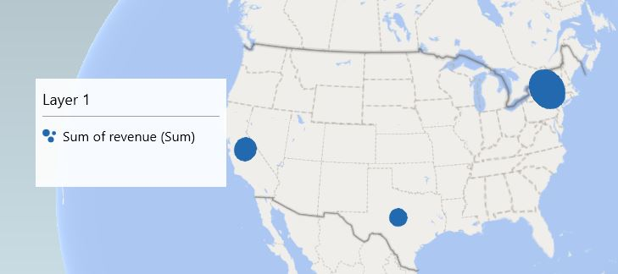

Total Revenue Per Store
 | Total
Baldwin Bikes | 67.91%
Rowlett Bikes | 11.22%
Santa Cruz Bikes | 20.87%
Total Revenue Per Year
 | Total
2017 | 3845515.02
2016 | 2709484.47
2018 | 2023989.39

