Sheet1
Reg | Name | Program Use
0 | $0 |  |  |  |  |  |  |  |  |  |  |  |  | 31-28 | 27-24
1 | $at |  |  |  |  |  |  |  |  |  |  |  | 0x | 0 | 0 | 0 | 0 | 0 | 0 | 0 | 0
2 | $v0 |  |  |  |  |  |  |  |  |  |  |  |  | 0001 | 0111
3 | $v1
4 | $a0
5 | $a1
6 | $a2
7 | $a3
8 | $t0
9 | $t1
10 | $t2 | Button values register
11 | $t3
12 | $t4
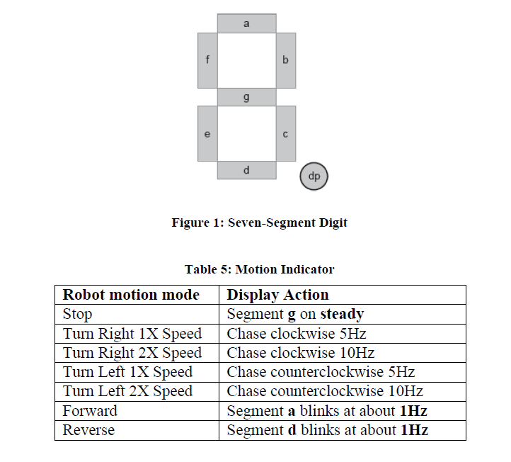
13 | $t5
14 | $t6 | Seven Seg enable register address
15 | $t7
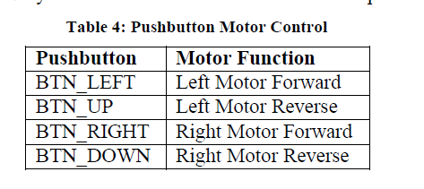
16 | $s0 | Seven Seg Lower (3:0) Digits value address
17 | $s1 | Seven Seg Decimal Point enable address
18 | $s2 | BCD counter binary value
19 | $s3 | Global counter value register
20 | $s4 | Clock flags register
21 | $s5 | Digit value memory register
22 | $s6 | Decimal Point Value register
23 | $s7 | Chase memory register (Remembers las segment in the chase)
24
25
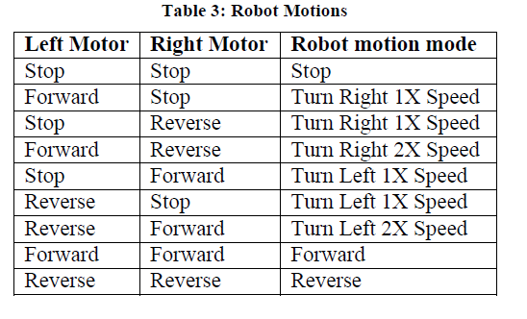
26
27
28
29
30
31

 |  |  | 1 | 2 | 3 | 4 | 5 | 6 | 7 | 8 | 9 | 10
 | BusBlaster Clock 476khz | 1hz | 476190
 |  | FiveHz | 95238 | 190476 | 285714 | 380952
 |  | 10hz | 47619 | 95238 | 142857 | 190476 | 238095 | 285714 | 333333 | 380952 | 428571 | 476190

 |  | 100
 |  | 5.00E+07
 |  | 0.000002 |  |  | 500000
 |  |  |  |  |  |  |  |  | 1 | 1 | 1

