Sheet1
Speed | Abundance | x-mean_x | y-mean_y | product | (x-mean_x)^2 | (y-mean_y)^2 | By hand
2 | 6 |  |  |  |  |  | numerator:
3 | 3 |  |  |  |  |  | denominator:
5 | 5
9 | 23 |  |  |  |  |  | r:
14 | 16 |  |  |  |  |  | slope:
24 | 12 |  |  |  |  |  | intercept:
29 | 48
34 | 43 |  |  |  |  |  | With functions
 |  |  |  |  |  |  | Calculate | Function | Result
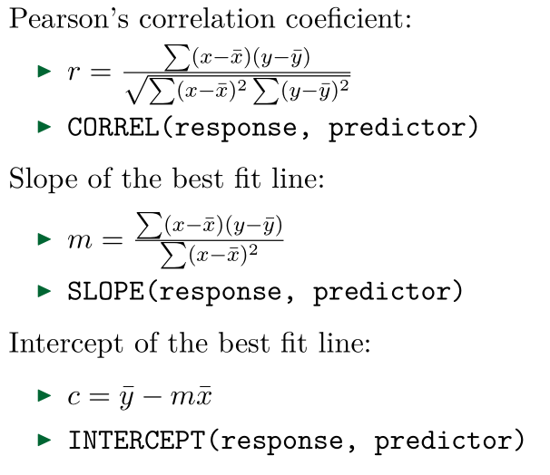
 |  |  |  |  |  |  | Correlation | CORREL()
 |  |  |  |  |  |  | Slope | SLOPE()
 |  |  |  |  |  |  | Intercept | INTERCEPT()

