Sheet1
 | Select evaluation element |  |  |  |  |  | Result
 | Safety and Environmental Pollution | Quality and Yield | Working (operating) status | Delay Factor (opportunity cost) | Period (failure interval) | Maintainability | PM Equipemnt
 | S | Q | W | D | P | M
1 |  |  |  |  |  |  | Fill in S
2 |  |  |  |  |  |  | Fill in S
3 |  |  |  |  |  |  | Fill in S
4 |  |  |  |  |  |  | Fill in S
5 |  |  |  |  |  |  | Fill in S
6 |  |  |  |  |  |  | Fill in S
7 |  |  |  |  |  |  | Fill in S
8 |  |  |  |  |  |  | Fill in S
9 |  |  |  |  |  |  | Fill in S
10 |  |  |  |  |  |  | Fill in S
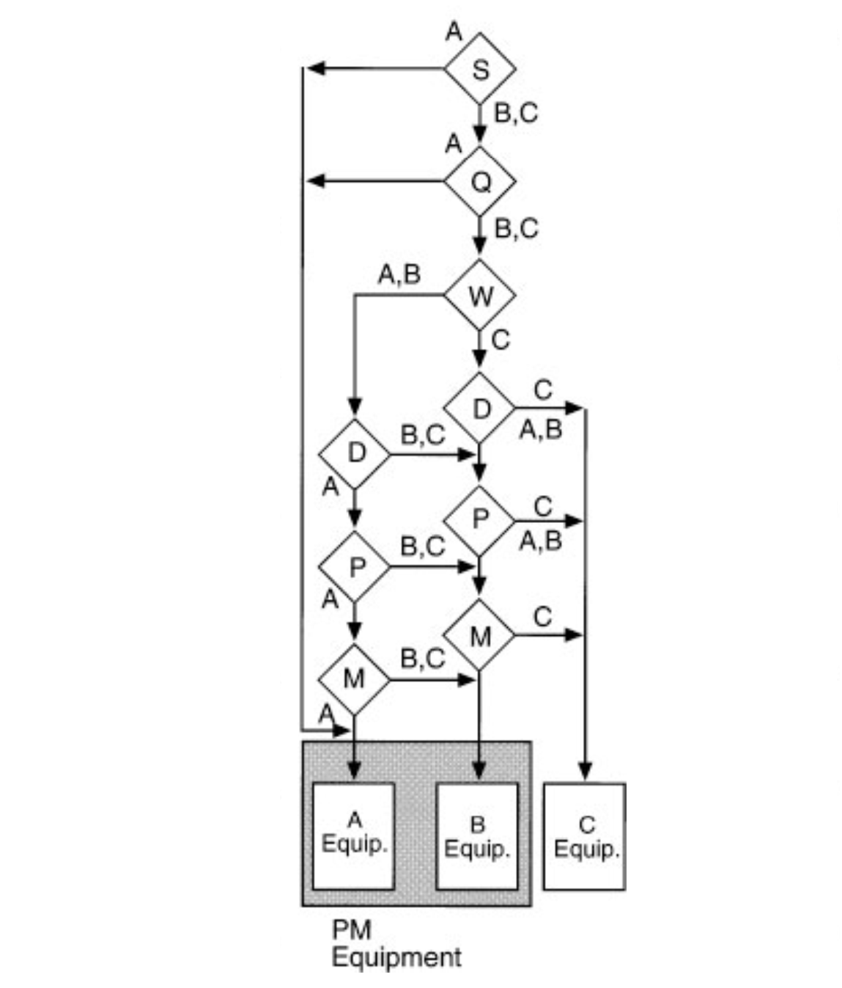
Criteria
Evalution element | A Rank | B Rank | C Rank
Safety and Environmental Pollution | Failure would cause serious safety and environmental problems in surrounding area | Failure would cause some safety and enviromental problems in surrounding area | Failure would cause no safety or environmental problems in surrounding area
Quality and Yield | Failure would cause defective product to be produced or seriously affect yield | Failure woud cause quality variation or affect yield moderately | Failure would affect neither quality nor yield
Working (operating) status | 24-hour operation | 7- to 14-hour operation | intermittent operation only
Delay Factor (opportunity cost) | Failure would shutdown entire plant | Failure would shutdown relevant system only | Standby unit available/more economical to wait for failure and then repair
Period (failure interval) | Frequent stops (every six months or more) | Occasional stops (approximately once a year) | Hardly any stops (less than once a year)
Maintainability | Repair time: 4hr or more Repair cost: over R22,921,44 | Repair time: 1-4hr Repair cost: R5730,36 - R22,921,44 | Repair time: less than 1hr Repair cost: less than R5730,36

