F5.1
VBT CAMP POINTS
 | Shakes | Fries
F5.1 - KAREN T. / MADONNA H.
Block 1 - Day 1
Time | Game |  | Location | Point Deduction
11:00:00 | Big Mac |  | Football Field | 0
11:30:00 | Talk |  | Main Hall | 0
12:00:00 | Cone Memory |  | Court | 0
12:20:00 | Chubby Bunny |  | Pool | 0
12:40:00 | Scale |  | Terrace | 0
13:00:00 | END OF BLOCK
Block 2 - Day 1
Time | Game |  | Location | Point Deduction
17:00:00 | Bible Whispers |  | Pool | 0
17:20:00 | Lift |  | Terrace | 0
17:40:00 | Puzzle |  | Court | 0
18:00:00 | Talk |  | Main Hall | 0
18:30:00 | Cheesy Strings |  | Football Field | 0
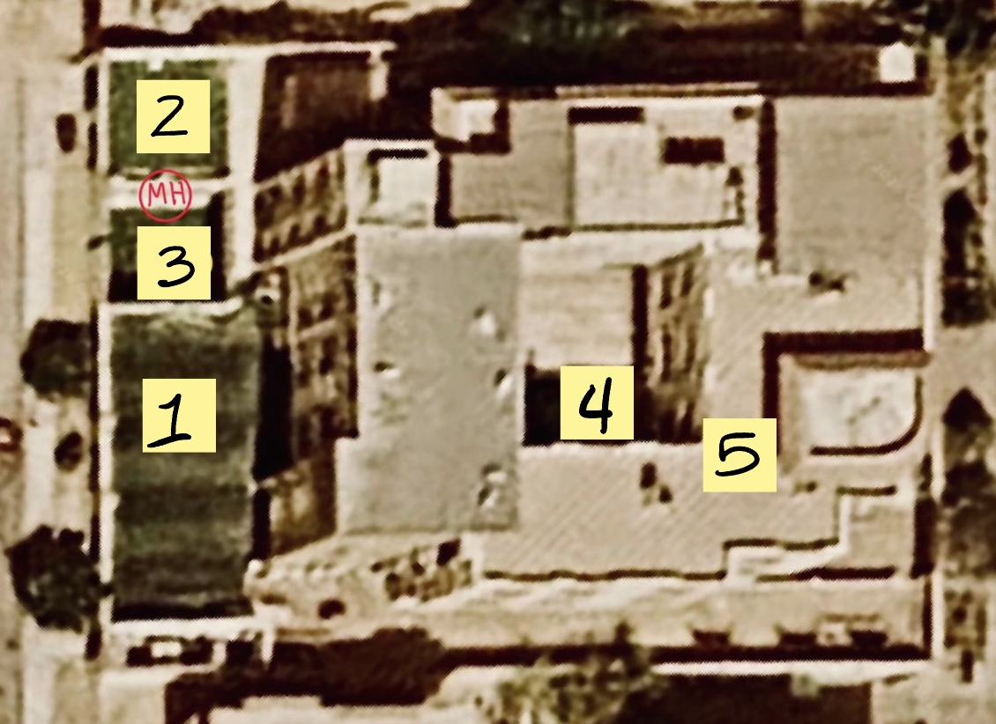
19:00:00 | END OF BLOCK
Block 3 - Day 1
Time | Game |  | Location | Point Deduction
19:15:00 | Talk 1 | Big Bucket 1 | Main Hall / Football Field | 0 | 1. Football Field
19:45:00 | Big Bucket 1 | Talk 1 | Football Field / Main Hall | 0 | 2. Terrace
20:15:00 | END OF BLOCK |  |  |  | 3. Court
Block 4 - Day 2 |  |  |  |  | 4. Pool
Time | Game |  | Location | Point Deduction | 5. Roof
10:00:00 | Golden Snitch 1 |  | Football Field | 0 | MH = Main Hall
10:30:00 | Nadala+ 1 |  | Roof | 0
11:00:00 | Talk 1 |  | Main Hall 1 | 0
11:30:00 | Balloon Darts 1 |  | Court | 0
12:00:00 | END OF BLOCK
 |  |  | Total Deduction: | 0

F5.2
VBT CAMP POINTS
 | Shakes | Fries
F5.2 - SHADY S. / MARY F.
Block 1 - Day 1
Time | Game |  | Location | Point Deduction
11:00:00 | Talk |  | Main Hall | 0
11:30:00 | Big Mac |  | Football Field | 0
12:00:00 | Scale |  | Terrace | 0
12:20:00 | Cone Memory |  | Court | 0
12:40:00 | Chubby Bunny |  | Pool | 0
13:00:00 | END OF BLOCK
Block 2 - Day 1
Time | Game |  | Location | Point Deduction
17:00:00 | Puzzle |  | Court | 0
17:20:00 | Bible Whispers |  | Pool | 0
17:40:00 | Lift |  | Terrace | 0
18:00:00 | Talk | Cheesy Strings | Main Hall / Football Field | 0
18:30:00 | Cheesy Strings | Talk | Football Field / Main Hall | 0
19:00:00 | END OF BLOCK
Block 3 - Day 1
Time | Game |  | Location | Point Deduction
19:15:00 | Talk 1 |  | Main Hall 1 | 0 | 1. Football Field
19:45:00 | Big Bucket 1 |  | Football Field 1 | 0 | 2. Terrace
20:15:00 | END OF BLOCK |  |  |  | 3. Court
Block 4 - Day 2 |  |  |  |  | 4. Pool
Time | Game |  | Location | Point Deduction | 5. Roof
10:00:00 | Nadala+ 1 |  | Roof | 0 | MH = Main Hall
10:30:00 | Talk 1 |  | Main Hall 1 | 0
11:00:00 | Balloon Darts 1 |  | Court | 0
11:30:00 | Golden Snitch 1 |  | Football Field | 0
12:00:00 | END OF BLOCK
 |  |  | Total Deduction: | 0

F5.3
VBT CAMP POINTS
 | Shakes | Fries
F5.3 - KIRMINA S. / JOHN A.
Block 1 - Day 1
Time | Game |  | Location | Point Deduction
11:00:00 | Talk | Big Mac | Main Hall / Football Field | 0
11:30:00 | Big Mac | Talk | Football Field / Main Hall | 0
12:00:00 | Chubby Bunny |  | Pool | 0
12:20:00 | Scale |  | Terrace | 0
12:40:00 | Cone Memory |  | Court | 0
13:00:00 | END OF BLOCK
Block 2 - Day 1
Time | Game |  | Location | Point Deduction
17:00:00 | Lift |  | Terrace | 0
17:20:00 | Puzzle |  | Court | 0
17:40:00 | Bible Whispers |  | Pool | 0
18:00:00 | Cheesy Strings |  | Football Field | 0
18:30:00 | Talk |  | Main Hall | 0
19:00:00 | END OF BLOCK
Block 3 - Day 1
Time | Game |  | Location | Point Deduction
19:15:00 | Talk 1 |  | Main Hall 1 | 0 | 1. Football Field
19:45:00 | Big Bucket 1 |  | Football Field 1 | 0 | 2. Terrace
20:15:00 | END OF BLOCK |  |  |  | 3. Court
Block 4 - Day 2 |  |  |  |  | 4. Pool
Time | Game |  | Location | Point Deduction | 5. Roof
10:00:00 | Talk 1 |  | Main Hall 1 | 0 | MH = Main Hall
10:30:00 | Balloon Darts 1 |  | Court | 0
11:00:00 | Golden Snitch 1 |  | Football Field | 0
11:30:00 | Nadala+ 1 |  | Roof | 0
12:00:00 | END OF BLOCK
 |  |  | Total Deduction: | 0

F6.1
VBT CAMP POINTS
 | Shakes | Fries
F6.1 - SHERRY W. / KIRO
Block 1 - Day 1
Time | Game |  | Location | Point Deduction
11:00:00 | Cone Memory |  | Court | 0
11:20:00 | Chubby Bunny |  | Pool | 0
23:40:00 | Scale |  | Terrace | 0
12:00:00 | Big Mac |  | Football Field | 0
12:30:00 | Talk |  | Main Hall | 0
13:00:00 | END OF BLOCK
Block 2 - Day 1
Time | Game |  | Location | Point Deduction
17:00:00 | Talk |  | Main Hall | 0
17:30:00 | Cheesy Strings |  | Football Field | 0
18:00:00 | Bible Whispers |  | Pool | 0
18:20:00 | Lift |  | Terrace | 0
18:40:00 | Puzzle |  | Court | 0
19:00:00 | END OF BLOCK
Block 3 - Day 1
Time | Game |  | Location | Point Deduction
19:15:00 | Talk 2 | Big Bucket 2 | Main Hall / Football Field | 0 | 1. Football Field
19:45:00 | Big Bucket 2 | Talk 2 | Football Field / Main Hall | 0 | 2. Terrace
20:15:00 | END OF BLOCK |  |  |  | 3. Court
Block 4 - Day 2 |  |  |  |  | 4. Pool
Time | Game |  | Location | Point Deduction | 5. Roof
10:00:00 | Golden Snitch 2 |  | Football Field | 0 | MH = Main Hall
10:30:00 | Nadala+ 2 |  | Roof | 0
11:00:00 | Talk 2 |  | ? | 0
11:30:00 | Balloon Darts 2 |  | Court | 0
12:00:00 | END OF BLOCK
 |  |  | Total Deduction: | 0

F6.2
VBT CAMP POINTS
 | Shakes | Fries
F6.2 - ROBERTO / MICHAEL H.
Block 1 - Day 1
Time | Game |  | Location | Point Deduction
11:00:00 | Scale |  | Terrace | 0
11:20:00 | Cone Memory |  | Court | 0
23:40:00 | Chubby Bunny |  | Pool | 0
12:00:00 | Talk |  | Main Hall | 0
12:30:00 | Big Mac |  | Football Field | 0
13:00:00 | END OF BLOCK
Block 2 - Day 1
Time | Game |  | Location | Point Deduction
17:00:00 | Talk | Cheesy Strings | Main Hall / Football Field | 0
17:30:00 | Cheesy Strings | Talk | Football Field / Main Hall | 0
18:00:00 | Puzzle |  | Court | 0
18:20:00 | Bible Whispers |  | Pool | 0
18:40:00 | Lift |  | Terrace | 0
19:00:00 | END OF BLOCK
Block 3 - Day 1
Time | Game |  | Location | Point Deduction
19:15:00 | Big Bucket 2 |  | Football Field | 0 | 1. Football Field
19:45:00 | Talk 2 |  | Main Hall | 0 | 2. Terrace
20:15:00 | END OF BLOCK |  |  |  | 3. Court
Block 4 - Day 2 |  |  |  |  | 4. Pool
Time | Game |  | Location | Point Deduction | 5. Roof
10:00:00 | Nadala+ 2 |  | Roof | 0 | MH = Main Hall
10:30:00 | Talk 2 |  | ? | 0
11:00:00 | Balloon Darts 2 |  | Court | 0
11:30:00 | Golden Snitch 2 |  | Football Field | 0
12:00:00 | END OF BLOCK
 |  |  | Total Deduction: | 0

F6.3
VBT CAMP POINTS
 | Shakes | Fries
F6.3 - GINEVRA / NADA N.
Block 1 - Day 1
Time | Game |  | Location | Point Deduction
11:00:00 | Chubby Bunny |  | Pool | 0
11:20:00 | Scale |  | Terrace | 0
23:40:00 | Cone Memory |  | Court | 0
12:00:00 | Talk | Big Mac | Main Hall / Football Field | 0
12:30:00 | Big Mac | Talk | Football Field / Main Hall | 0
13:00:00 | END OF BLOCK
Block 2 - Day 1
Time | Game |  | Location | Point Deduction
17:00:00 | Cheesy Strings |  | Football Field | 0
17:30:00 | Talk |  | Main Hall | 0
18:00:00 | Lift |  | Terrace | 0
18:20:00 | Puzzle |  | Court | 0
18:40:00 | Bible Whispers |  | Pool | 0
19:00:00 | END OF BLOCK
Block 3 - Day 1
Time | Game |  | Location | Point Deduction
19:15:00 | Talk 2 |  | Main Hall | 0 | 1. Football Field
19:45:00 | Big Bucket 2 |  | Football Field | 0 | 2. Terrace
20:15:00 | END OF BLOCK |  |  |  | 3. Court
Block 4 - Day 2 |  |  |  |  | 4. Pool
Time | Game |  | Location | Point Deduction | 5. Roof
10:00:00 | Talk 2 |  | ? | 0 | MH = Main Hall
10:30:00 | Balloon Darts 2 |  | Court | 0
11:00:00 | Golden Snitch 2 |  | Football Field | 0
11:30:00 | Nadala+ 2 |  | Roof | 0
12:00:00 | END OF BLOCK
 |  |  | Total Deduction: | 0

S5.1
VBT CAMP POINTS
 | Shakes | Fries
S5.1 - KARINE K. / MARIA N.
Block 1 - Day 1
Time | Game |  | Location | Point Deduction
11:00:00 | Big Mac |  | Football Field | 0
11:30:00 | Talk |  | Main Hall | 0
12:00:00 | Cone Memory |  | Court | 0
12:20:00 | Scale |  | Terrace | 0
12:40:00 | Chubby Bunny |  | Pool | 0
13:00:00 | END OF BLOCK
Block 2 - Day 1
Time | Game |  | Location | Point Deduction
17:00:00 | Puzzle |  | Court | 0
17:20:00 | Lift |  | Terrace | 0
17:40:00 | Bible Whispers |  | Pool | 0
18:00:00 | Talk | Cheesy Strings | Main Hall / Football Field | 0
18:30:00 | Cheesy Strings | Talk | Football Field / Main Hall | 0
19:00:00 | END OF BLOCK
Block 3 - Day 1
Time | Game |  | Location | Point Deduction
19:15:00 | Big Bucket 1 |  | Football Field 1 | 0 | 1. Football Field
19:45:00 | Talk 1 |  | Main Hall 1 | 0 | 2. Terrace
20:15:00 | END OF BLOCK |  |  |  | 3. Court
Block 4 - Day 2 |  |  |  |  | 4. Pool
Time | Game |  | Location | Point Deduction | 5. Roof
10:00:00 | Golden Snitch 1 |  | Football Field | 0 | MH = Main Hall
10:30:00 | Nadala+ 1 |  | Roof | 0
11:00:00 | Talk 1 |  | Main Hall 1 | 0
11:30:00 | Balloon Darts 1 |  | Court | 0
12:00:00 | END OF BLOCK
 |  |  | Total Deduction: | 0

S5.2
VBT CAMP POINTS
 | Shakes | Fries
S5.2 - MARLA I. / MARK E.
Block 1 - Day 1
Time | Game |  | Location | Point Deduction
11:00:00 | Talk |  | Main Hall | 0
11:30:00 | Big Mac |  | Football Field | 0
12:00:00 | Scale |  | Terrace | 0
12:20:00 | Chubby Bunny |  | Pool | 0
12:40:00 | Cone Memory |  | Court | 0
13:00:00 | END OF BLOCK
Block 2 - Day 1
Time | Game |  | Location | Point Deduction
17:00:00 | Bible Whispers |  | Pool | 0
17:20:00 | Puzzle |  | Court | 0
17:40:00 | Lift |  | Terrace | 0
18:00:00 | Talk |  | Main Hall | 0
18:30:00 | Cheesy Strings |  | Football Field | 0
19:00:00 | END OF BLOCK
Block 3 - Day 1
Time | Game |  | Location | Point Deduction
19:15:00 | Talk 1 | Big Bucket 1 | Main Hall / Football Field | 0 | 1. Football Field
19:45:00 | Big Bucket 1 | Talk 1 | Football Field / Main Hall | 0 | 2. Terrace
20:15:00 | END OF BLOCK |  |  |  | 3. Court
Block 4 - Day 2 |  |  |  |  | 4. Pool
Time | Game |  | Location | Point Deduction | 5. Roof
10:00:00 | Nadala+ 1 |  | Roof | 0 | MH = Main Hall
10:30:00 | Talk 1 |  | Main Hall 1 | 0
11:00:00 | Balloon Darts 1 |  | Court | 0
11:30:00 | Golden Snitch 1 |  | Football Field | 0
12:00:00 | END OF BLOCK
 |  |  | Total Deduction: | 0

S5.3
VBT CAMP POINTS
 | Shakes | Fries
S5.3 - YOUSSEF S. /MARINA A.
Block 1 - Day 1
Time | Game |  | Location | Point Deduction
11:00:00 | Talk | Big Mac | Main Hall / Football Field | 0
11:30:00 | Big Mac | Talk | Football Field / Main Hall | 0
12:00:00 | Chubby Bunny |  | Pool | 0
12:20:00 | Cone Memory |  | Court | 0
12:40:00 | Scale |  | Terrace | 0
13:00:00 | END OF BLOCK
Block 2 - Day 1
Time | Game |  | Location | Point Deduction
17:00:00 | Lift |  | Terrace | 0
17:20:00 | Bible Whispers |  | Pool | 0
17:40:00 | Puzzle |  | Court | 0
18:00:00 | Cheesy Strings |  | Football Field | 0
18:30:00 | Talk |  | Main Hall | 0
19:00:00 | END OF BLOCK
Block 3 - Day 1
Time | Game |  | Location | Point Deduction
19:15:00 | Talk 1 |  | Main Hall 1 | 0 | 1. Football Field
19:45:00 | Big Bucket 1 |  | Football Field 1 | 0 | 2. Terrace
20:15:00 | END OF BLOCK |  |  |  | 3. Court
Block 4 - Day 2 |  |  |  |  | 4. Pool
Time | Game |  | Location | Point Deduction | 5. Roof
10:00:00 | Talk 1 |  | Main Hall 1 | 0 | MH = Main Hall
10:30:00 | Balloon Darts 1 |  | Court | 0
11:00:00 | Golden Snitch 1 |  | Football Field | 0
11:30:00 | Nadala+ 1 |  | Roof | 0
12:00:00 | END OF BLOCK
 |  |  | Total Deduction: | 0

S6.1
VBT CAMP POINTS
 | Shakes | Fries
S6.1 - JASON / DANIEL S.
Block 1 - Day 1
Time | Game |  | Location | Point Deduction
11:00:00 | Chubby Bunny |  | Pool | 0
11:20:00 | Cone Memory |  | Court | 0
23:40:00 | Scale |  | Terrace | 0
12:00:00 | Talk | Big Mac | Main Hall / Football Field | 0
12:30:00 | Big Mac | Talk | Football Field / Main Hall | 0
13:00:00 | END OF BLOCK
Block 2 - Day 1
Time | Game |  | Location | Point Deduction
17:00:00 | Talk |  | Main Hall | 0
17:30:00 | Cheesy Strings |  | Football Field | 0
18:00:00 | Bible Whispers |  | Pool | 0
18:20:00 | Puzzle |  | Court | 0
18:40:00 | Lift |  | Terrace | 0
19:00:00 | END OF BLOCK
Block 3 - Day 1
Time | Game |  | Location | Point Deduction
19:15:00 | Big Bucket 2 |  | Football Field | 0 | 1. Football Field
19:45:00 | Talk 2 |  | Main Hall | 0 | 2. Terrace
20:15:00 | END OF BLOCK |  |  |  | 3. Court
Block 4 - Day 2 |  |  |  |  | 4. Pool
Time | Game |  | Location | Point Deduction | 5. Roof
10:00:00 | Golden Snitch 2 |  | Football Field | 0 | MH = Main Hall
10:30:00 | Nadala+ 2 |  | Roof | 0
11:00:00 | Talk 2 |  | Main Hall | 0
11:30:00 | Balloon Darts 2 |  | Court | 0
12:00:00 | END OF BLOCK
 |  |  | Total Deduction: | 0

S6.2
VBT CAMP POINTS
 | Shakes | Fries
S6.2 - PHILO E. / MARK
Block 1 - Day 1
Time | Game |  | Location | Point Deduction
11:00:00 | Scale |  | Terrace | 0
11:20:00 | Chubby Bunny |  | Pool | 0
23:40:00 | Cone Memory |  | Court | 0
12:00:00 | Talk |  | Main Hall | 0
12:30:00 | Big Mac |  | Football Field | 0
13:00:00 | END OF BLOCK
Block 2 - Day 1
Time | Game |  | Location | Point Deduction
17:00:00 | Talk | Cheesy Strings | Main Hall / Football Field | 0
17:30:00 | Cheesy Strings | Talk | Football Field / Main Hall | 0
18:00:00 | Puzzle |  | Court | 0
18:20:00 | Lift |  | Terrace | 0
18:40:00 | Bible Whispers |  | Pool | 0
19:00:00 | END OF BLOCK
Block 3 - Day 1
Time | Game |  | Location | Point Deduction
19:15:00 | Talk 2 |  | Main Hall | 0 | 1. Football Field
19:45:00 | Big Bucket 2 |  | Football Field | 0 | 2. Terrace
20:15:00 | END OF BLOCK |  |  |  | 3. Court
Block 4 - Day 2 |  |  |  |  | 4. Pool
Time | Game |  | Location | Point Deduction | 5. Roof
10:00:00 | Nadala+ 2 |  | Roof | 0 | MH = Main Hall
10:30:00 | Talk 2 |  | Main Hall | 0
11:00:00 | Balloon Darts 2 |  | Court | 0
11:30:00 | Golden Snitch 2 |  | Football Field | 0
12:00:00 | END OF BLOCK
 |  |  | Total Deduction: | 0

S6.3
VBT CAMP POINTS
 | Shakes | Fries
S6.3 - MARIA E. / JOHN E.
Block 1 - Day 1
Time | Game |  | Location | Point Deduction
11:00:00 | Cone Memory |  | Court | 0
11:20:00 | Scale |  | Terrace | 0
23:40:00 | Chubby Bunny |  | Pool | 0
12:00:00 | Big Mac |  | Football Field | 0
12:30:00 | Talk |  | Main Hall | 0
13:00:00 | END OF BLOCK
Block 2 - Day 1
Time | Game |  | Location | Point Deduction
17:00:00 | Cheesy Strings |  | Football Field | 0
17:30:00 | Talk |  | Main Hall | 0
18:00:00 | Lift |  | Terrace | 0
18:20:00 | Bible Whispers |  | Pool | 0
18:40:00 | Puzzle |  | Court | 0
19:00:00 | END OF BLOCK
Block 3 - Day 1
Time | Game |  | Location | Point Deduction
19:15:00 | Talk 2 | Big Bucket 2 | Main Hall / Football Field | 0 | 1. Football Field
19:45:00 | Big Bucket 2 | Talk 2 | Football Field / Main Hall | 0 | 2. Terrace
20:15:00 | END OF BLOCK |  |  |  | 3. Court
Block 4 - Day 2 |  |  |  |  | 4. Pool
Time | Game |  | Location | Point Deduction | 5. Roof
10:00:00 | Talk 2 |  | Main Hall | 0 | MH = Main Hall
10:30:00 | Balloon Darts 2 |  | Court | 0
11:00:00 | Golden Snitch 2 |  | Football Field | 0
11:30:00 | Nadala+ 2 |  | Roof | 0
12:00:00 | END OF BLOCK
 |  |  | Total Deduction: | 0

Overall Schedule
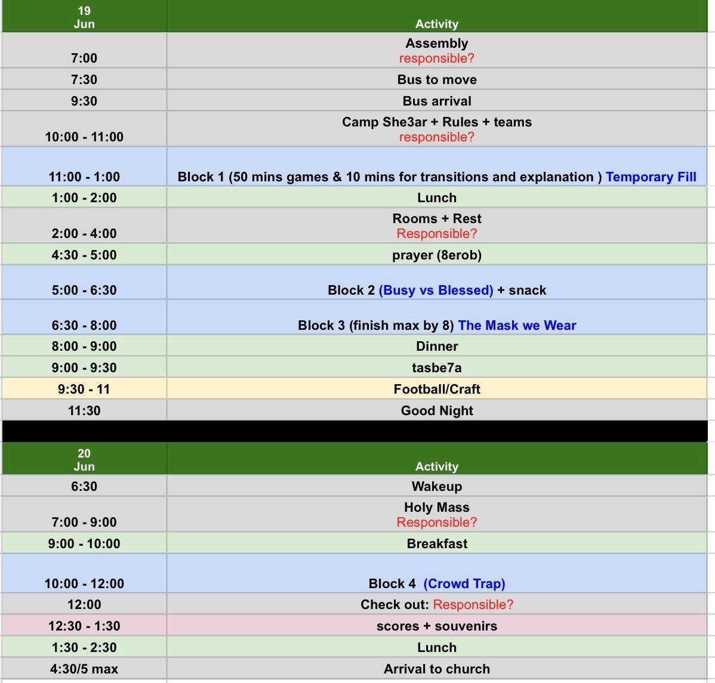

Points Bar Chart
VBT CAMP POINTS
 | Shakes | Fries

Score Calculator
VBT CAMP POINTS
 |  | Block 1 - Temporary fill
 |  |  |  |  |  |  | Shakes | Fries
 |  | Big Mac | Cone Memory | Scale | Chubby Bunny
 | Round 1 | NA | NA | NA | NA |  | 0 | 0
 | Round 2 | NA | NA | NA | NA |  | 0 | 0
 | Round 3 | NA | NA | NA | NA |  | 0 | 0
 | Round 4 | NA | NA | NA | NA |  | 0 | 0
 | Round 5 |  | NA | NA | NA |  | 0 | 0
 | Round 6 |  | NA | NA | NA |  | 0 | 0
 |  |  |  |  |  | Block 1 Total: | 0 | 0

 |  | Block 2 - Busy vs Blessed
 |  |  |  |  |  |  | Shakes | Fries
 |  | Cheesy Strings | Lift | Bible Whispers | Puzzle
 | Round 1 | NA | NA | NA | NA |  | 0 | 0
 | Round 2 | NA | NA | NA | NA |  | 0 | 0
 | Round 3 | NA | NA | NA | NA |  | 0 | 0
 | Round 4 | NA | NA | NA | NA |  | 0 | 0
 | Round 5 |  | NA | NA | NA |  | 0 | 0
 | Round 6 |  | NA | NA | NA |  | 0 | 0
 |  |  |  |  |  | Block 2 Total: | 0 | 0

 |  | Block 3 - The Mask we Wear
 |  |  |  |  |  |  | Shakes | Fries
 |  |  | Big Bucket 1 | Big Bucket 2
 | Round 1 |  | NA | NA |  |  | 0 | 0
 | Round 2 |  | NA | NA |  |  | 0 | 0
 |  |  |  |  |  | Block 3 Total: | 0 | 0

 |  | Block 4 - Crowd Trap
 |  |  |  |  |  |  | Shakes | Fries
 | Nadala+ 1 | Balloon Darts 1 | Golden Snitch 1 | Nadala+ 2 | Balloon Darts 2 | Golden Snitch 2
Round 1 | NA | NA | NA | NA | NA | NA | 0 | 0
Round 2 | NA | NA | NA | NA | NA | NA | 0 | 0
Round 3 | NA | NA | NA | NA | NA | NA | 0 | 0
 |  |  |  |  |  | Block 4 Total: | 0 | 0

 |  |  |  |  |  | Blocks Total: | 0 | 0

 |  |  |  |  |  | Karine Kastour | 0 | 0 | Karen Tadrous
 |  |  |  |  |  | Marla Isaac | 0 | 0 | Shady Shahir
 |  |  |  |  |  | Youssef Sadek | 0 | 0 | Kirmina Sadek
 |  |  |  |  |  | Jason | 0 | 0 | Sherry Wael
 |  |  |  |  |  | Philo Ehab | 0 | 0 | Roberto
 |  |  |  |  |  | Maria Ehab | 0 | 0 | Ginevra

 |  |  |  |  |  | Tokens: | 0 | 0
 |  |  |  |  |  | Token Points: | 0 | 0

 |  |  |  |  |  | Final Total: | 0 | 0

 |  |  |  |  |  | Winner: | TIE

