working
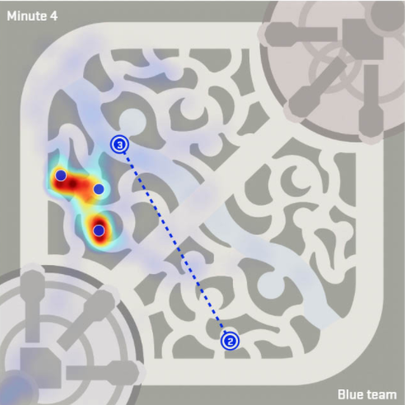
 |  |  |  |  |  |  |  |  |  |  |  |  |  |  |  |  |  |  | [
 |  |  |  |  |  |  |  |  |  |  |  |  |  |  |  |  |  | Top: | (0,16000) | [(0,16000), | Bot: | (16000,0) | [(16000,0),
16000 |  |  |  |  |  |  |  |  |  |  |  |  |  |  |  |  |  |  | (0,6000) | [(0,16000), (0,6000), |  | (6000,0) | [(16000,0), (6000,0),
15000 |  |  |  |  |  |  |  |  |  |  |  |  |  |  |  |  |  |  | (3950,6000) | [(0,16000), (0,6000), (3950,6000), |  | (6000,3500) | [(16000,0), (6000,0), (6000,3500),
14000 |  |  |  |  |  |  |  |  |  |  |  |  |  |  |  |  |  |  | (3950,12700) | [(0,16000), (0,6000), (3950,6000), (3950,12700), |  | (13000,3500) | [(16000,0), (6000,0), (6000,3500), (13000,3500),
13000 |  |  |  |  |  |  |  |  |  |  |  |  |  |  |  |  | 4200 6000 |  | (11000,12700) | [(0,16000), (0,6000), (3950,6000), (3950,12700), (11000,12700), |  | (13000,10000) | [(16000,0), (6000,0), (6000,3500), (13000,3500), (13000,10000),
12000 |  |  |  |  |  |  |  |  |  |  |  |  |  |  |  |  |  |  | (11000,16000) | [(0,16000), (0,6000), (3950,6000), (3950,12700), (11000,12700), (11000,16000)] |  | (16000,10000) | [(16000,0), (6000,0), (6000,3500), (13000,3500), (13000,10000), (16000,10000)]
11000
10000 |  |  |  |  |  |  |  |  |  |  |  |  |  |  |  |  |  | Mid: | (6000,3700) | [(6000,3700),
9000 |  |  |  |  |  |  |  |  |  |  |  |  |  |  |  |  |  |  | (8000,5000) | [(6000,3700), (8000,5000),
8000 |  |  |  |  |  |  |  |  |  |  |  |  |  |  |  |  |  |  | (8500,4700) | [(6000,3700), (8000,5000), (8500,4700),
7000 |  |  |  |  |  |  |  |  |  |  |  |  |  |  |  |  |  |  | (10500,7000) | [(6000,3700), (8000,5000), (8500,4700), (10500,7000),
6000 |  |  |  |  |  |  |  |  |  |  |  |  |  |  |  |  |  |  | (10000,8000) | [(6000,3700), (8000,5000), (8500,4700), (10500,7000), (10000,8000),
5000 |  |  |  |  |  |  |  |  |  |  |  |  |  |  |  |  |  |  | (12500,10500) | [(6000,3700), (8000,5000), (8500,4700), (10500,7000), (10000,8000), (12500,10500),
4000 |  |  |  |  |  |  |  |  |  |  |  |  |  |  |  |  |  |  | (11000,13000) | [(6000,3700), (8000,5000), (8500,4700), (10500,7000), (10000,8000), (12500,10500), (11000,13000),
3000 |  |  |  |  |  |  |  |  |  |  |  |  |  |  |  |  |  |  | (8000,9500) | [(6000,3700), (8000,5000), (8500,4700), (10500,7000), (10000,8000), (12500,10500), (11000,13000), (8000,9500),
2000 |  |  |  |  |  |  |  |  |  |  |  |  |  |  |  |  |  |  | (7000,10500) | [(6000,3700), (8000,5000), (8500,4700), (10500,7000), (10000,8000), (12500,10500), (11000,13000), (8000,9500), (7000,10500),
1000 |  |  |  |  |  |  |  |  |  |  |  |  |  |  |  |  |  |  | (5000,9000) | [(6000,3700), (8000,5000), (8500,4700), (10500,7000), (10000,8000), (12500,10500), (11000,13000), (8000,9500), (7000,10500), (5000,9000),
0 | 1000 | 2000 | 3000 | 4000 | 5000 | 6000 | 7000 | 8000 | 9000 | 10000 | 11000 | 12000 | 13000 | 14000 | 15000 | 16000 |  |  | (6000,7500) | [(6000,3700), (8000,5000), (8500,4700), (10500,7000), (10000,8000), (12500,10500), (11000,13000), (8000,9500), (7000,10500), (5000,9000), (6000,7500),
 |  |  |  |  |  |  |  |  |  |  |  |  |  |  |  |  |  |  | (4000,6000) | [(6000,3700), (8000,5000), (8500,4700), (10500,7000), (10000,8000), (12500,10500), (11000,13000), (8000,9500), (7000,10500), (5000,9000), (6000,7500), (4000,6000)]

 |  |  |  |  |  |  |  |  |  |  |  |  |  |  |  |  |  | (16000, 1000)

Sheet1
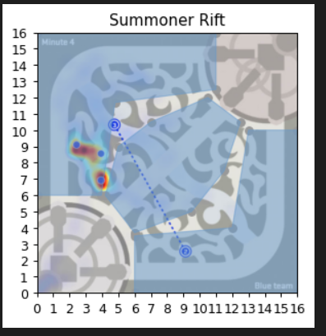
from matplotlib import pyplot
from shapely.geometry import MultiPolygon
from descartes.patch import PolygonPatch
from figurespy import BLUE, SIZE, set_limits, plot_coords, color_isvalid
fig = pyplot.figure(1, figsize=SIZE, dpi=90)
# 1: valid multi-polygon
ax = fig.add_subplot(121)
top = [(0,16), (0,6), (3.950,6), (4.8,11.700), (11.000,12.500), (11.000,16.000)]
mid = [(6.000,3.700), (9.500,5.000), (11.500,7.500), (12.500,10.500),
(10.500,12.000), (7.000,10.500), (5.000,9.000), (4.200,6.000)]
bot=[(16.000,0), (6.000,0), (6.000,3.500), (12.000,4.00), (13.000,10.000), (16.000,10.000)]
multi1 = MultiPolygon([[top, []], [mid, []], [bot, []]])
for polygon in multi1:
plot_coords(ax, polygon.exterior)
patch = PolygonPatch(polygon, facecolor=color_isvalid(multi1), edgecolor=color_isvalid(multi1, valid=BLUE), alpha=0.5, zorder=2)
ax.add_patch(patch)
ax.set_title('Summoner Rift')
img = pyplot.imread("sr.png")
ax.imshow(img, extent=[0, 16, 0, 16])
set_limits(ax, 0, 16, 0, 16)
pyplot.show()

Top = [(0,16), (0,6), (3.950,6), (4.8,11.700), (11.000,12.500), (11.000,16.000)]
mid = [(6.000,3.700), (9.500,5.000), (11.500,7.500), (12.500,10.500), (10.500,12.000), (7.000,10.500), (5.000,9.000), (4.200,6.000)]
bot=[(16.000,0), (6.000,0), (6.000,3.500), (12.000,4.00), (13.000,10.000), (16.000,10.000)]

top_area = [(0,16000), (0,6000), (3950,6000), (4800,11700), (11000,12500), (11000,16000)]
mid_area = [(6000,3700), (9500,5000), (11500,7500), (12500,10500), (10500,12000), (7000,10500), (5000,9000), (4200,6000)]
bot_area =[(16000,0), (6000,0), (6000,3500), (12000,4000), (13000,10000), (16000,10000)]

