Sheet1
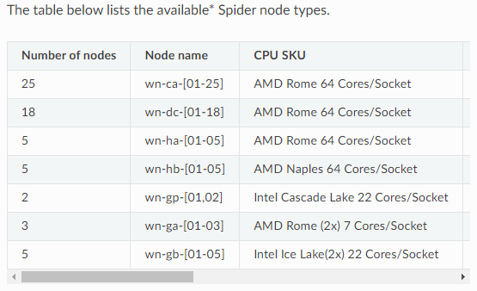

Param | original | n | total_run | CompHours | Compdays | Total (days)
KsatHorFrac | 7 | 7 |  | 0 | 0.000 |  | ModelRun
f | 7 | 7 |  | 0 | 0.000 |  | 20.00 | hours
SoilThickness | 5 | 5 |  | 0 | 0.000 |  | 1 | timeseries divide
Nriver | 5 | 5 |  | 0 | 0.000 |  | 64 | cores
RootingDepth | 4 | 4 |  | 0 | 0.000
MaxLeakage | 3 | 3 |  | 0 | 0.000
Nland/Nflp | 3 | 3 | 3000 | 60000 | 2500.000 | 15000.000 | 6 | levels
 | 44100 |  |  |  |  | 14.648 | 16 | Nodes
 |  |  |  |  |  |  | 1024

