Graphs
 | True distances | Overlay | Mirroring | Rotation
lRSC | 0.027 | 0.047 | 0.000 | 0.000
rRSC | 0.054 | 0.030 | 0.000 | 0.000
lPPA | 0.037 | 0.030 | 0.000 | 0.000
rPPA | 0.002 | -0.028 | 0.000 | 0.000
lOPA | 0.049 | 0.078 | 0.000 | 0.000
rOPA | 0.049 | 0.074 | 0.000 | 0.000
lHC | 0.000 | -0.013 | 0.000 | 0.000
rHC | 0.028 | 0.013 | 0.000 | 0.000
...
rPPA | lOPA | rOPA |  |  | lHC | rHC
0.002 | 0.049 | 0.049 |  |  | 0.000 | 0.028
-0.028 | 0.078 | 0.074 |  |  | -0.013 | 0.013
#REF! | #REF! | #REF! |  |  | #REF! | #REF!
#REF! | #REF! | #REF! |  |  | #REF! | #REF!
#REF! | #REF! | #REF! |  |  | #REF! | #REF!
#REF! | #REF! | #REF! |  |  | #REF! | #REF!
...
 | True distances | Overlay | Mirroring | Rotation | Remapping | Grouping
lRSC | 0.027 | 0.047 | 0.000 | 0.000 | 0.000 | 0.000
rRSC | 0.054 | 0.030 | 0.000 | 0.000 | 0.000 | 0.000
 | True distances | Overlay | Mirroring | Rotation | Remapping | Grouping
lPPA | 0.037 | 0.030 | 0.000 | 0.000 | 0.000 | 0.000
rPPA | 0.002 | -0.028 | 0.000 | 0.000 | 0.000 | 0.000
...
0.019 | 0.018 | 0.025 |  |  | 0.014 | 0.020
0.020 | 0.020 | 0.033 |  |  | 0.022 | 0.021
#REF! | #REF! | #REF! |  |  | #REF! | #REF!
#REF! | #REF! | #REF! |  |  | #REF! | #REF!
#REF! | #REF! | #REF! |  |  | #REF! | #REF!
#REF! | #REF! | #REF! |  |  | #REF! | #REF!

 |  |  |  |  |  | JRD - Correlation to overlay matrix |  |  |  |  |  |  |  |  |  |  | JRD - remapping effect (difference correlation to distances within-between)
rOPA (JRD) | lHC (anatomical) | rHC (anatomical) | lEC (anatomical) | rEC (anatomical) |  | lRSC (JRD) | rRSC (JRD) | lPPA (JRD) | rPPA (JRD) | lOPA (JRD) | rOPA (JRD) | lHC (anatomical) | rHC (anatomical) | lEC (anatomical) | rEC (anatomical) |  | lRSC (JRD) | rRSC (JRD) | lPPA (JRD) | rPPA (JRD) | lOPA (JRD)
0.150 | -0.096 | 0.009 | -0.026 | 0.038 | Subj01 | 0.024 | -0.046 | -0.142 | -0.083 | 0.173 | 0.063 | -0.128 | -0.025 | -0.140 | 0.017 | Subj01 | -0.137 | -0.065 | -0.335 | 0.154 | -0.116
-0.073 | -0.050 | -0.165 | -0.144 | -0.048 | Subj02 | -0.161 | 0.151 | 0.034 | -0.051 | -0.057 | 0.004 | -0.084 | -0.078 | -0.189 | -0.186 | Subj02 | -0.125 | 0.093 | 0.100 | -0.091 | 0.003
-0.030 | 0.124 | 0.177 | 0.040 | 0.082 | Subj04 | 0.249 | 0.062 | 0.012 | 0.048 | -0.012 | 0.062 | 0.205 | 0.060 | 0.100 | 0.014 | Subj04 | -0.022 | -0.153 | -0.136 | 0.191 | 0.058
-0.158 | 0.088 | 0.136 | -0.033 | 0.033 | Subj05 | -0.040 | -0.006 | 0.000 | 0.043 | 0.306 | -0.117 | -0.178 | -0.021 | -0.023 | -0.067 | Subj05 | 0.025 | 0.031 | 0.066 | 0.009 | 0.111
-0.018 | -0.003 | -0.113 | -0.046 | -0.011 | Subj06 | 0.047 | -0.011 | 0.206 | 0.025 | 0.078 | 0.096 | 0.002 | 0.002 | 0.036 | 0.012 | Subj06 | -0.161 | -0.234 | 0.190 | -0.077 | -0.298
-0.008 | 0.051 | 0.021 | 0.016 | 0.046 | Subj08 | 0.113 | -0.107 | 0.046 | -0.097 | 0.130 | 0.066 | -0.110 | -0.011 | 0.082 | -0.019 | Subj08 | 0.450 | 0.024 | -0.013 | 0.146 | 0.243
...
 |  |  |  |  |  | Object viewing d2minusd1 - Correlation to overlay matrix |  |  |  |  |  |  |  |  |  |  | Object viewing d2minusd1 - remapping effect (difference correlation to distances within-between)
 |  | 0.032 | 0.051 | -0.005 | Subj26 | 0.017 | 0.059 | -0.181 | -0.138 | -0.130 | -0.029 | 0.108 | 0.017 | 0.024 | 0.027 | Subj26 | -0.087 | 0.099 | -0.004 | -0.146 | 0.219
 |  | 0.058 | 0.012 | -0.101 | Subj27 | 0.020 | 0.011 | -0.003 | 0.041 | 0.142 | -0.078 | 0.127 | -0.057 | 0.037 | -0.135 | Subj27 | 0.052 | -0.248 | 0.007 | 0.014 | -0.127
 |  | -0.073 | 0.056 | -0.084 | Subj28 | 0.033 | 0.041 | -0.097 | -0.220 | 0.179 | 0.023 | 0.020 | -0.006 | 0.029 | 0.061 | Subj28 | -0.117 | 0.281 | 0.332 | 0.226 | -0.181
 |  | 0.044 | 0.056 | 0.101 | Subj30 | 0.181 | -0.194 | 0.059 | -0.149 | -0.029 | -0.016 | -0.011 | 0.061 | 0.015 | 0.107 | Subj30 | 0.413 | -0.063 | 0.069 | -0.179 | 0.069

 | True distances | Overlay | Mirroring | Rotation
lRSC | 0.047 | 0.026 | 0.000 | 0.000
rRSC | 0.000 | -0.005 | 0.000 | 0.000
lPPA | 0.001 | -0.028 | 0.000 | 0.000
rPPA | -0.025 | -0.064 | 0.000 | 0.000
lOPA | 0.033 | 0.019 | 0.000 | 0.000
rOPA | 0.017 | 0.004 | 0.000 | 0.000
lHC | 0.030 | 0.051 | 0.000 | 0.000
rHC | -0.004 | -0.003 | 0.000 | 0.000
...
 |  | rOPA |  |  | lHC | rHC
 |  | 0.017 |  |  | 0.030 | -0.004
 |  | 0.004 |  |  | 0.051 | -0.003
 |  | #REF! |  |  | #REF! | #REF!
 |  | #REF! |  |  | #REF! | #REF!
 | #REF! | #REF! |  |  | #REF! | #REF!
 | #REF! | #REF! |  |  | #REF! | #REF!
...
 | True distances | Overlay | Mirroring | Rotation | Remapping | Grouping
lRSC | 0.047 | 0.026 | 0.000 | 0.000 | 0.000 | 0.000
rRSC | 0.000 | -0.005 | 0.000 | 0.000 | 0.000 | 0.000
 | True distances | Overlay | Mirroring | Rotation | Remapping | Grouping
lPPA | 0.001 | -0.028 | 0.000 | 0.000 | 0.000 | 0.000
rPPA | -0.025 | -0.064 | 0.000 | 0.000 | 0.000 | 0.000
 | 0.019 | 0.015 |  |  | 0.018 | 0.017
 | 0.020 | 0.016 |  |  | 0.013 | 0.017
 | #REF! | #REF! |  |  | #REF! | #REF!
 | #REF! | #REF! |  |  | #REF! | #REF!
 | #REF! | #REF! |  |  | #REF! | #REF!
 | #REF! | #REF! |  |  | #REF! | #REF!

 | 4 4
4 | 4
4 | 4
 |  | x-axis corrected | 0
 |  | 0.75 | -0.00063924854394
 |  | 0.95 | 0.17285419595
 |  | 1 | 0.0947894417
 |  | 0.75 | 0.047436410973
 |  | 0.85 | 0.049798851244
 |  | 1.05 | 0.16238997522
 |  | 0.9 | 0.032705901047
 |  | 1 | 0.013577083205
 |  | 0.85 | -0.074986633546
 |  | 0.95 | 0.0061770864735
 |  | 0.95 | -0.010019526091
 |  | 1.05 | 0.065606355999
 |  | 1.15 | 0.072172550282
 |  | 1 | 0.069302880188
 |  | 1.05 | 0.23564646869
 |  | 1 | -0.0081226255203
 |  | 1.15 | -0.070755086119
 |  | 1 | -0.00302948223
 |  | 1.25 | 0.12445196381
 |  | 1.25 | -0.0069553020922
 |  | 1 | 0.060513212708
 |  | 1.1 | -0.040460263819
 |  | 1 | 0.039056696364
 |  | 1.95 | -0.087563153812
 |  | 1.7 | -0.0056351148819
 |  | 2.05 | -0.077703439857
 |  | 2 | 0.13648651249
 |  | 1.9 | 0.071137245575
 |  | 1.95 | 0.1908851739
 |  | 1.8 | -0.01875360674
 |  | 1.9 | 0.0090745499825
 |  | 1.9 | 0.0073791516703
 |  | 1.9 | 0.10076502592
 |  | 2.05 | 0.047415565911
 |  | 2.1 | 0.19564479621
 |  | 2 | 0.0020845061215
 |  | 2 | 0.10801910722
 |  | 2 | 0.042051436825
 |  | 2.2 | 0.050278287652
 |  | 2.1 | -0.014230228456
 |  | 2.1 | 0.013306097409
 |  | 2 | 0.06986569684
 |  | 2.3 | -0.15375317153
...

Behavior correlation
...
 |  |  |  |  |  |  |  |  |  |  |  |  |  |  |  |  |  |  |  |  | 0.00 | 0.00 | 0.00 | 0.00 | 0.00 | 0.00 | 0.00 | 0.00 | 0.00 | 0.00 | 0.00 | 0.00 | 0.00 | 0.00 | 0.00 | 0.00 | 0.00 | 0.00

#DIV/0! | #DIV/0! | #DIV/0! | #DIV/0! | #DIV/0! | #DIV/0! | #DIV/0! | #DIV/0! | #REF! | #REF! | #REF! | #DIV/0! | #DIV/0! | #DIV/0! | #DIV/0! | #DIV/0! | #DIV/0! | #DIV/0! | #DIV/0! | #DIV/0! | #DIV/0! | #DIV/0! | #DIV/0! |  | #DIV/0! | #DIV/0! | #DIV/0! | #DIV/0! | #DIV/0! | #DIV/0! |  | #DIV/0! | #DIV/0! | #DIV/0! | #DIV/0! | #DIV/0! | #DIV/0! |  | #DIV/0!
#DIV/0! | #DIV/0! | #DIV/0! | #DIV/0! | #DIV/0! | #DIV/0! | #DIV/0! | #DIV/0! | #REF! | #REF! | #REF! | #DIV/0! | #DIV/0! | #DIV/0! | #DIV/0! | #DIV/0! | #DIV/0! | #DIV/0! | #DIV/0! | #DIV/0! | #DIV/0! | #DIV/0! | #DIV/0! |  | #DIV/0! | #DIV/0! | #DIV/0! | #DIV/0! | #DIV/0! | #DIV/0! |  | #DIV/0! | #DIV/0! | #DIV/0! | #DIV/0! | #DIV/0! | #DIV/0! |  | #DIV/0!

#DIV/0! | #DIV/0! | #DIV/0! | #DIV/0! | #DIV/0! | #DIV/0! | #DIV/0! | #DIV/0! | #REF! | #REF! | #REF! | #DIV/0! | #DIV/0! | #DIV/0! | #DIV/0! | #DIV/0! | #DIV/0! | #DIV/0! | #DIV/0! | #DIV/0! | #DIV/0! | #DIV/0! | #DIV/0! |  | #DIV/0! | #DIV/0! | #DIV/0! | #DIV/0! | #DIV/0! | #DIV/0! |  | #DIV/0! | #DIV/0! | #DIV/0! | #DIV/0! | #DIV/0! | #DIV/0! |  | #DIV/0!
...
0.32 | 0.00
0.51 | 0.00
0.45 | 0.00
0.29 | 0.00
0.23 | 0.00
0.51 | 0.00
0.45 | 0.00
0.46 | 0.00
0.31 | 0.00
0.37 | 0.00
0.55 | 0.00
0.65 | 0.00
0.46 | 0.00
0.41 | 0.00
0.44 | 0.00
0.21 | 0.00
0.42 | 0.00
0.42 | 0.00
0.37 | 0.00
0.85 | 0.00
0.11 | 0.00
0.20 | 0.00
0.50 | 0.00
0.53 | 0.00
...
0.32 | 0.00
0.51 | 0.00
0.45 | 0.00
0.29 | 0.00
0.23 | 0.00
0.51 | 0.00
0.45 | 0.00
0.46 | 0.00
0.31 | 0.00
0.37 | 0.00
0.55 | 0.00
0.65 | 0.00
0.46 | 0.00
0.41 | 0.00
0.44 | 0.00
0.21 | 0.00
0.42 | 0.00
0.42 | 0.00
0.37 | 0.00
0.85 | 0.00
0.11 | 0.00
0.20 | 0.00
0.50 | 0.00
0.53 | 0.00
...
 |  |  |  |  | #DIV/0!

MDS
...
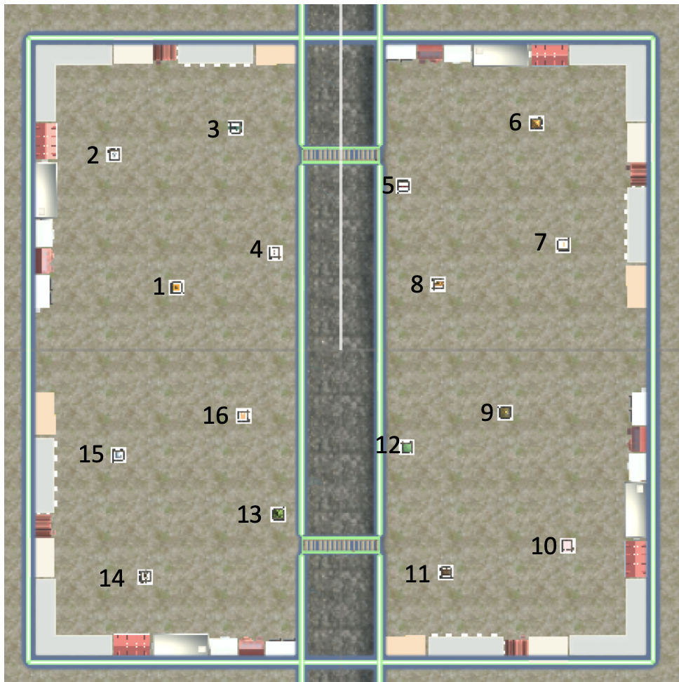
...

MVPA
...
HC (JRD) | HC (obj view) | RSC | PPA | OPA | LOC
...
Distance matrix
...
Distance matrix - high behavioral segment effect subjects
...
#DIV/0! | #DIV/0! | #DIV/0! | #DIV/0! | #DIV/0! | #DIV/0! | sem | #DIV/0! | #DIV/0! | #DIV/0! | #DIV/0! | #DIV/0! | #DIV/0!
 |  |  |  |  |  |  | HC (JRD) | HC (obj view) | RSC | PPA | OPA | LOC
 |  |  |  |  |  | mean high environmental knowledge | #DIV/0! | #DIV/0! | #DIV/0! | #DIV/0! | #DIV/0! | #DIV/0! | SEM | #DIV/0! | #DIV/0! | #DIV/0! | #DIV/0! | #DIV/0! | #DIV/0!
 |  |  |  |  |  |  | HC (JRD) | HC (obj view) | RSC | PPA | OPA | LOC
 |  |  |  |  |  | mean high segment effect | #DIV/0! | #DIV/0! | #DIV/0! | #DIV/0! | #DIV/0! | #DIV/0! | SEM | #DIV/0! | #DIV/0! | #DIV/0! | #DIV/0! | #DIV/0! | #DIV/0!
...
HC (JRD) | HC (obj view) | RSC | PPA | OPA | LOC
...
Segments matrix
HC (JRD) | 0.000
HC (obj view) | 0.000
RSC | 0.000
PPA | 0.000
OPA | 0.000
LOC | 0.000
Segments matrix - high behavioral segment effect subjects
...
 | #DIV/0! | #DIV/0! | #DIV/0! | #DIV/0! | #DIV/0! | sem | #DIV/0! | #DIV/0! | #DIV/0! | #DIV/0! | #DIV/0! | #DIV/0!
 |  |  |  |  |  |  | HC (JRD) | HC (obj view) | RSC | PPA | OPA | LOC
 |  |  |  |  |  | mean high environmental knowledge | #DIV/0! | #DIV/0! | #DIV/0! | #DIV/0! | #DIV/0! | #DIV/0! | SEM | #DIV/0! | #DIV/0! | #DIV/0! | #DIV/0! | #DIV/0! | #DIV/0!
 |  |  |  |  |  |  | HC (JRD) | HC (obj view) | RSC | PPA | OPA | LOC
 |  |  |  |  |  | mean high segment effect | #DIV/0! | #DIV/0! | #DIV/0! | #DIV/0! | #DIV/0! | #DIV/0! | SEM | #DIV/0! | #DIV/0! | #DIV/0! | #DIV/0! | #DIV/0! | #DIV/0!
...
 | HC (obj view) | RSC | PPA | OPA | LOC
...
Quadrants matrix
HC (JRD) | 0.000
HC (obj view) | 0.000
RSC | 0.000
PPA | 0.000
OPA | 0.000
LOC | 0.000
Quadrants matrix - high behavioral segment effect subjects
...
 | #DIV/0! | #DIV/0! | #DIV/0! | #DIV/0! | #DIV/0! | sem | #DIV/0! | #DIV/0! | #DIV/0! | #DIV/0! | #DIV/0! | #DIV/0!
 |  |  |  |  |  |  | HC (JRD) | HC (obj view) | RSC | PPA | OPA | LOC
 |  |  |  |  |  | mean high environmental knowledge | #DIV/0! | #DIV/0! | #DIV/0! | #DIV/0! | #DIV/0! | #DIV/0! | SEM | #DIV/0! | #DIV/0! | #DIV/0! | #DIV/0! | #DIV/0! | #DIV/0!
 |  |  |  |  |  |  | HC (JRD) | HC (obj view) | RSC | PPA | OPA | LOC
 |  |  |  |  |  | mean high segment effect | #DIV/0! | #DIV/0! | #DIV/0! | #DIV/0! | #DIV/0! | #DIV/0! | SEM
...
 | HC (obj view) | RSC | PPA | OPA | LOC
...
Distances matrix
HC (JRD) | 0.000
HC (obj view) | 0.000
RSC | 0.000
PPA | 0.000
OPA | 0.000
LOC | 0.000
...
 | #DIV/0! | #DIV/0! | #DIV/0! | #DIV/0! | #DIV/0! | sem | #DIV/0! | #DIV/0! | #DIV/0! | #DIV/0! | #DIV/0! | #DIV/0!
 |  |  |  |  |  |  | HC (JRD) | HC (obj view) | RSC | PPA | OPA | LOC
 |  |  |  |  |  | mean high environmental knowledge | #DIV/0! | #DIV/0! | #DIV/0! | #DIV/0! | #DIV/0! | #DIV/0! | SEM
 |  |  |  |  |  |  | HC (JRD) | HC (obj view) | RSC | PPA | OPA | LOC
 |  |  |  |  |  | mean high segment effect | #DIV/0! | #DIV/0! | #DIV/0! | #DIV/0! | #DIV/0! | #DIV/0! | SEM
...
 | HC (obj view) | RSC | PPA | OPA | LOC
...
Segments matrix
HC (JRD) | 0.000
HC (obj view) | 0.000
RSC | 0.000
PPA | 0.000
OPA | 0.000
LOC | 0.000
...
 | #DIV/0! | #DIV/0! | #DIV/0! | #DIV/0! | #DIV/0! | sem | #DIV/0! | #DIV/0! | #DIV/0! | #DIV/0! | #DIV/0! | #DIV/0!
 |  |  |  |  |  |  | HC (JRD) | HC (obj view) | RSC | PPA | OPA | LOC
 |  |  |  |  |  | mean high environmental knowledge | #DIV/0! | #DIV/0! | #DIV/0! | #DIV/0! | #DIV/0! | #DIV/0! | SEM
 |  |  |  |  |  |  | HC (JRD) | HC (obj view) | RSC | PPA | OPA | LOC
 |  |  |  |  |  | mean high segment effect | #DIV/0! | #DIV/0! | #DIV/0! | #DIV/0! | #DIV/0! | #DIV/0! | SEM
...
 | HC (obj view) | RSC | PPA | OPA | LOC
...
Quadrants matrix
HC (JRD) | 0.000
HC (obj view) | 0.000
RSC | 0.000
PPA | 0.000
OPA | 0.000
LOC | 0.000
...
 | #DIV/0! | #DIV/0! | #DIV/0! | #DIV/0! | #DIV/0! | sem | #DIV/0! | #DIV/0! | #DIV/0! | #DIV/0! | #DIV/0! | #DIV/0!
 |  |  |  |  |  |  | HC (JRD) | HC (obj view) | RSC | PPA | OPA | LOC
 |  |  |  |  |  | mean high environmental knowledge | #DIV/0! | #DIV/0! | #DIV/0! | #DIV/0! | #DIV/0! | #DIV/0! | SEM
 |  |  |  |  |  |  | HC (JRD) | HC (obj view) | RSC | PPA | OPA | LOC
 |  |  |  |  |  | mean high segment effect | #DIV/0! | #DIV/0! | #DIV/0! | #DIV/0! | #DIV/0! | #DIV/0! | SEM
...

