PC_PE_PS_PG_PI_M-H
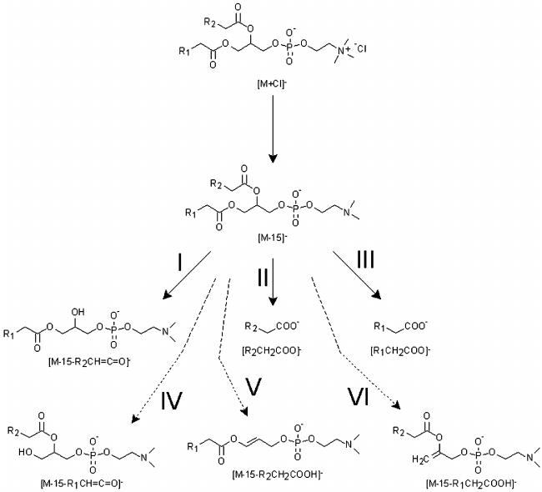
 |  | PC |  | PE |  | PS |  | PG |  | PI
 |  | PC(16:0/18:1), [M+FA-H]- |  | PE(16:0/18:1), [M-H]- |  | PS(18:0/18:1), [M-H]- |  | PG(18:0/18:1), [M-H]- |  | PI(18:0/18:2), [M-H]-
 | comment | mz | intensity | mz | intensity | mz | intensity | mz | intensity | mz | intensity
precursor |  |  |  | 716.52 |  | 788.54 |  | 775.55 |  | 861.55
headgroup_loss |  | - adduct - CH3 |  | 673.48 |  | 701.51 |  | 701.51 |  | 699.5
phosphoheadgroup_loss | DAG like
precursor - sn1_loss | lyso like, loss of sn1 as ketene |  |  | 478.29 |  |  |  | 509.29 |  | 595.29
precursor - sn2_loss | lyso like, loss of sn2 as ketene |  |  | 452.28 |  |  |  | 511.3 |  | 599.32
precursor - sn1_loss_H2O | loss of sn1 as fatty acid |  |  | 460.28 |  |  |  | 491.28 |  | 577.28
precursor - sn2_loss_H2O | loss of sn2 as fatty acid |  |  | 434.27 |  |  |  | 493.29 |  | 581.31
headgroup_loss - sn1_loss | LPA like, loss of sn1 as ketene |  |  |  |  | 435.25
headgroup_loss - sn2_loss | LPA like, loss of sn2 as ketene |  |  |  |  | 437.27
headgroup_loss - sn1_loss_H2O | LPA like, loss of sn1 as fatty acid |  |  |  |  | 417.24
headgroup_loss - sn2_loss_H2O | LPA like, loss of sn2 as fatty acid |  |  |  |  | 419.26
phosphoheadgroup_loss_sn1_loss
phosphoheadgroup_loss_sn2_loss
phosphoheadgroup_loss_sn1_loss_H2O
phosphoheadgroup_loss_sn2_loss_H2O
sn1 | [R1COO]- |  |  | 255.23 |  | 283.26 |  | 283.26 |  | 283.26
sn2 | [R2COO]- |  |  | 281.25 |  | 281.25 |  | 281.25 |  | 279.23
phosphoheadgroup |  |  |  | 140.01 |  | 184 |  | 171.01 |  | 259.02
phosphoheadgroup - H2O |  |  |  |  |  |  |  |  |  | 241.01
headgroup |  |  |  |  |  | 104.09

