Zadanie_1
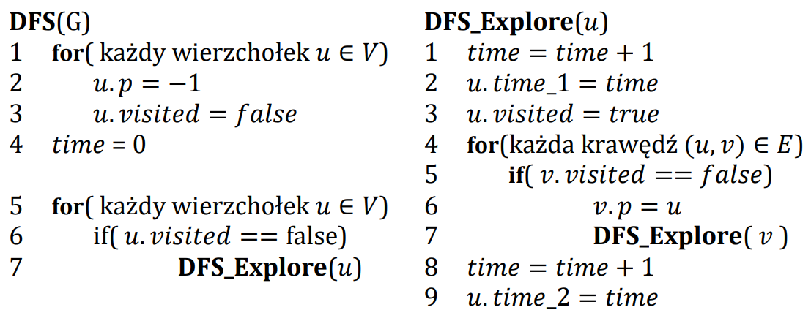

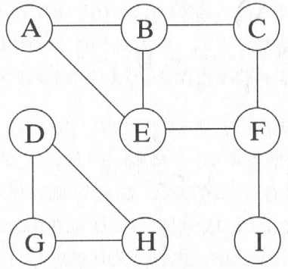
 | A | B | C | D | E | F | G | H | I
visited | true | true | true | true | true | true | true | true | true
p | -1 | A | B | -1 | F | C | D | G | F
time_1 | 1 | 2 | 3 | 13 | 5 | 4 | 14 | 15 | 8
time_2 | 12 | 11 | 10 | 18 | 6 | 7 | 17 | 16 | 9

 | Ścieżki
A
B | A | B |  |  |  |  |  |  |  |  |  |  |  |  | A | B | C | D | E | F | G | H
C | A | B | C |  |  |  |  |  |  |  |  |  |  | visited | true | true | true | true | true | true | true | true
D |  |  |  |  |  |  |  |  |  |  |  |  |  | p | -1 | A | B | C | F | G | H | D
E | A | B | C | F | E |  |  |  |  |  |  |  |  | time_1 | 1 | 2 | 3 | 4 | 8 | 7 | 6 | 5
F | A | B | C | F |  |  |  |  |  |  |  |  |  | time_2
G | D | G
H | D | G | H
I | A | B | C | F | I
 |  |  |  |  |  |  |  |  |  | A | B | C | D | H | G | F | E |  |  | Ścieżki
 |  |  |  |  |  |  |  |  |  |  |  |  |  |  |  |  |  |  | A
 |  |  |  |  |  |  |  |  |  |  |  |  |  |  |  |  |  |  | B | A | B
 |  |  |  |  |  |  |  |  |  |  |  |  |  |  |  |  |  |  | C | A | B | C
 |  |  |  |  |  |  |  |  |  |  |  |  |  |  |  |  |  |  | D | A | B | C | D
 |  |  |  |  |  |  |  |  |  |  |  |  |  |  |  |  |  |  | E | A | B | C | D | H | G | F | E
 |  |  |  |  |  |  |  |  |  |  |  |  |  |  |  |  |  |  | F | A | B | C | D | H | G | F
 |  |  |  |  |  |  |  |  |  |  |  |  |  |  |  |  |  |  | G | A | B | C | D | H | G
 |  |  |  |  |  |  |  |  |  |  |  |  |  |  |  |  |  |  | H | A | B | C | D | H

