Boxplots
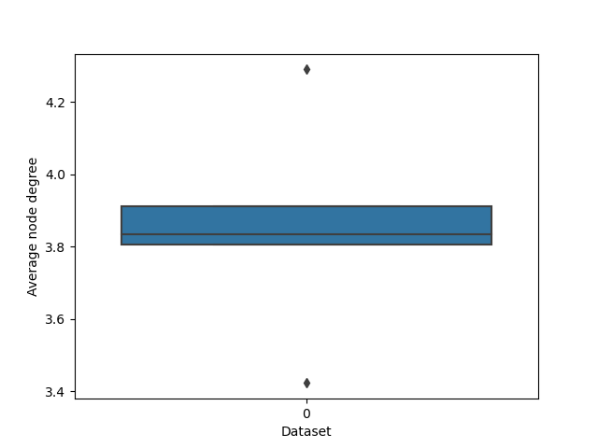

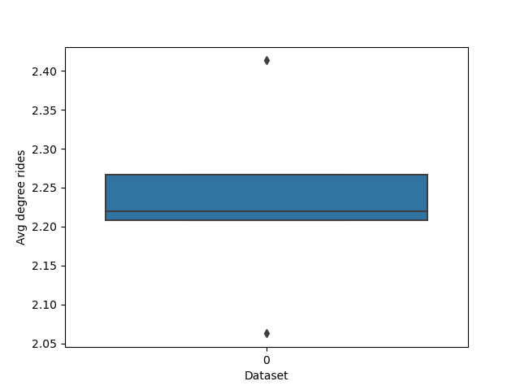

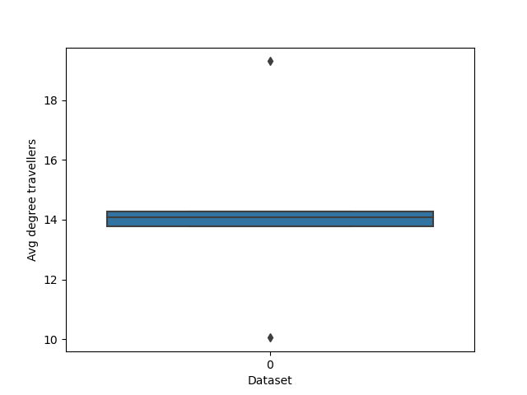

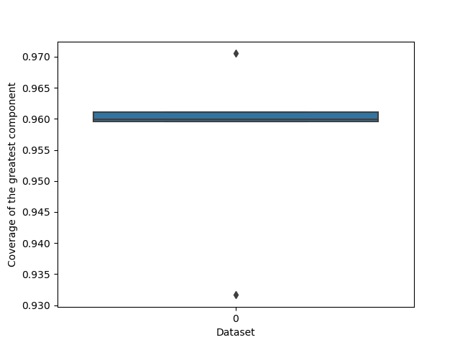

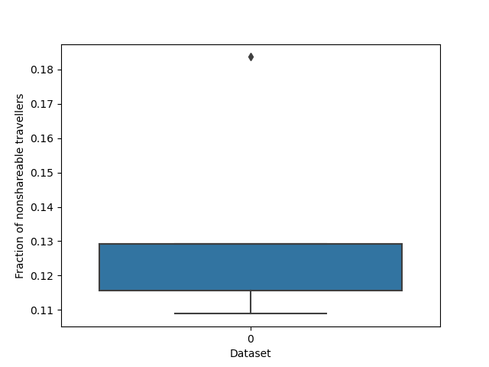

Lineplots
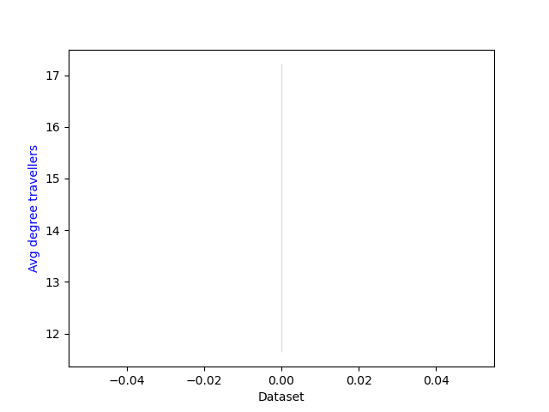

KpiPlots
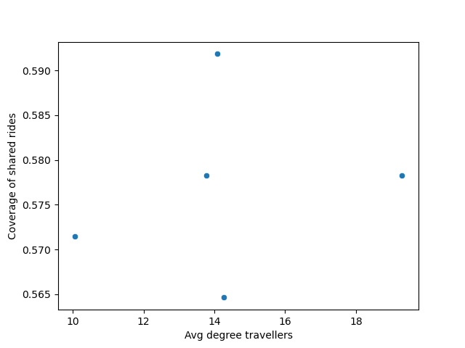

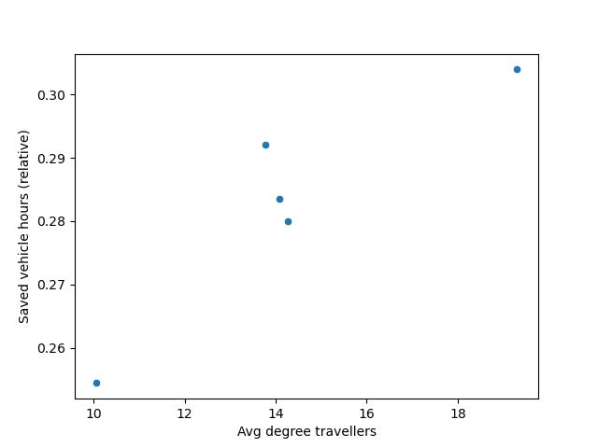

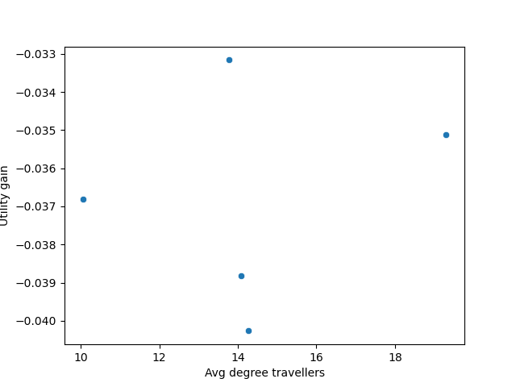

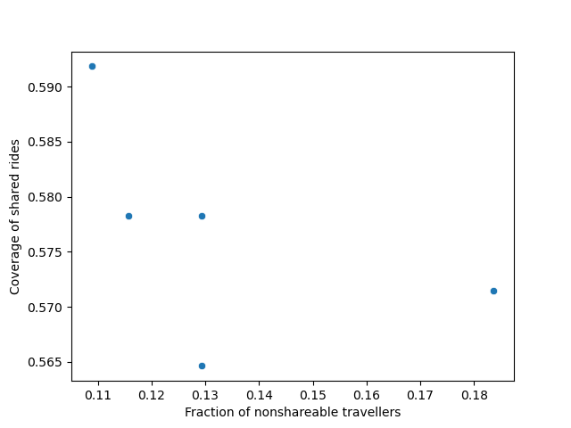

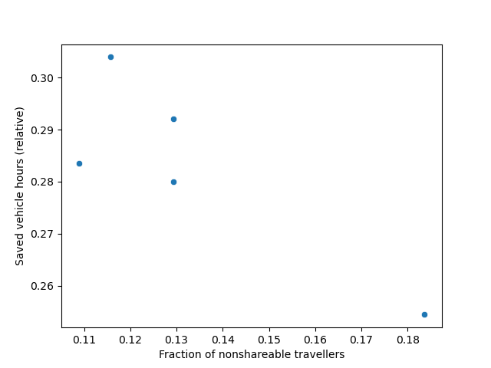

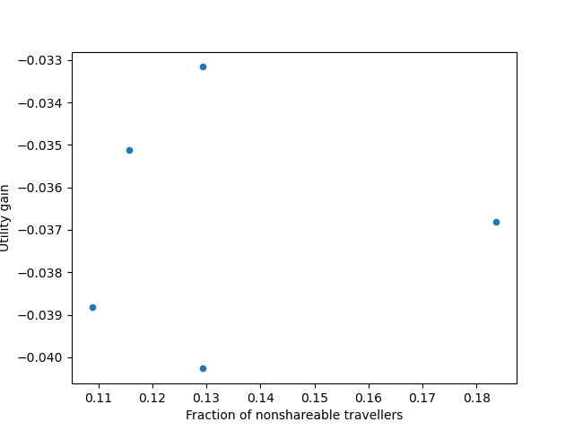

Correlation
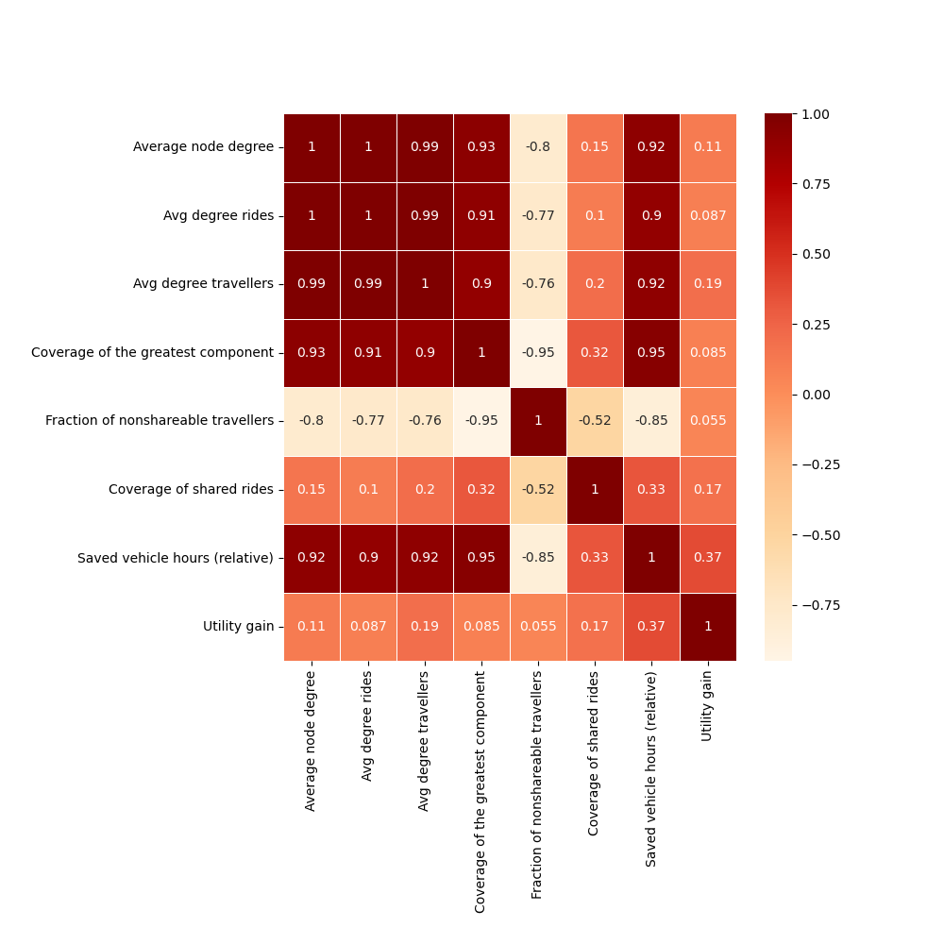
 | Average node degree | Avg degree rides | Avg degree travellers | Coverage of the greatest component | Fraction of nonshareable travellers | Coverage of shared rides | Saved vehicle hours (relative) | Utility gain
Average node degree | 1 | 0.998 | 0.992 | 0.928 | -0.795 | 0.151 | 0.918 | 0.114
Avg degree rides | 0.998 | 1 | 0.988 | 0.914 | -0.772 | 0.103 | 0.899 | 0.087
Avg degree travellers | 0.992 | 0.988 | 1 | 0.897 | -0.759 | 0.199 | 0.916 | 0.19
Coverage of the greatest component | 0.928 | 0.914 | 0.897 | 1 | -0.949 | 0.315 | 0.954 | 0.085
Fraction of nonshareable travellers | -0.795 | -0.772 | -0.759 | -0.949 | 1 | -0.521 | -0.854 | 0.055
Coverage of shared rides | 0.151 | 0.103 | 0.199 | 0.315 | -0.521 | 1 | 0.326 | 0.171
Saved vehicle hours (relative) | 0.918 | 0.899 | 0.916 | 0.954 | -0.854 | 0.326 | 1 | 0.374
Utility gain | 0.114 | 0.087 | 0.19 | 0.085 | 0.055 | 0.171 | 0.374 | 1

