Boxplots
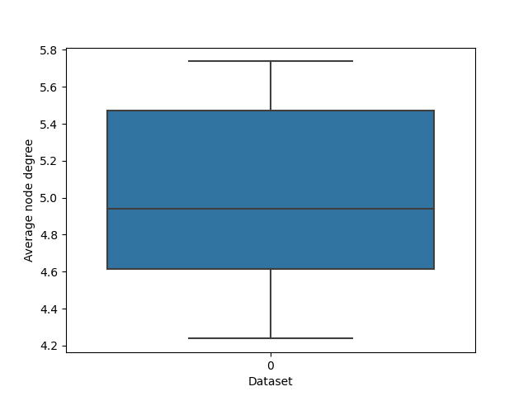

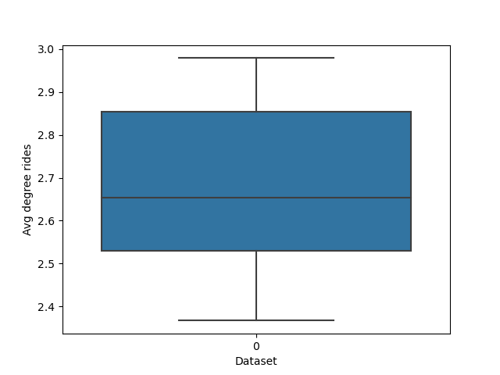

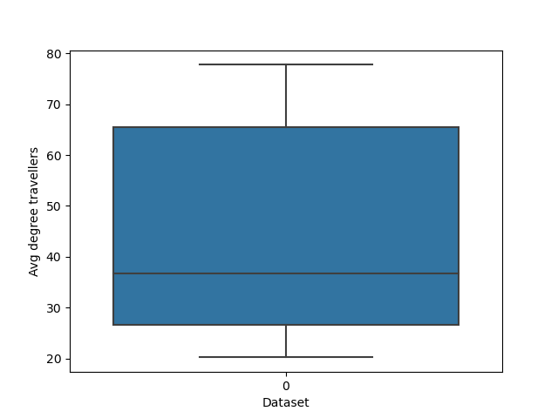

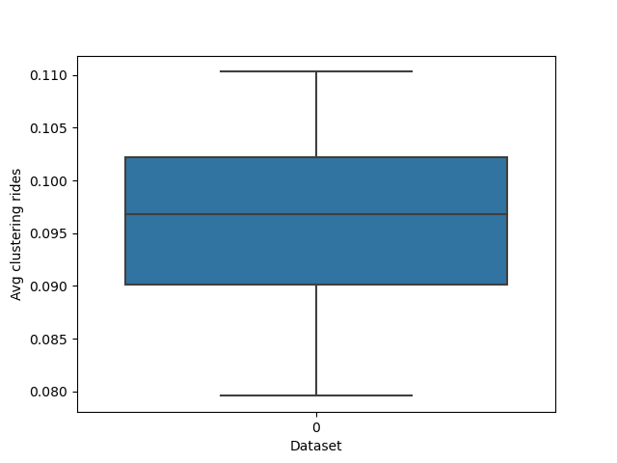

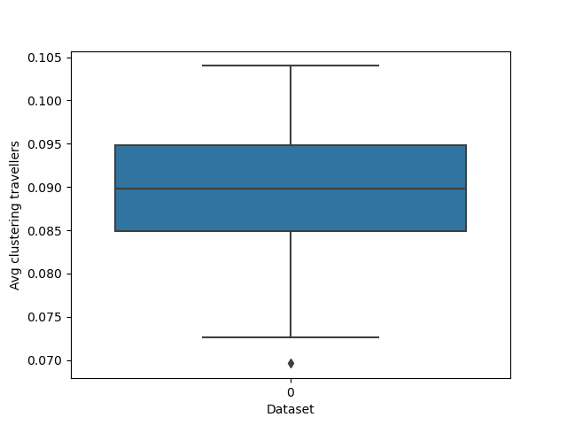

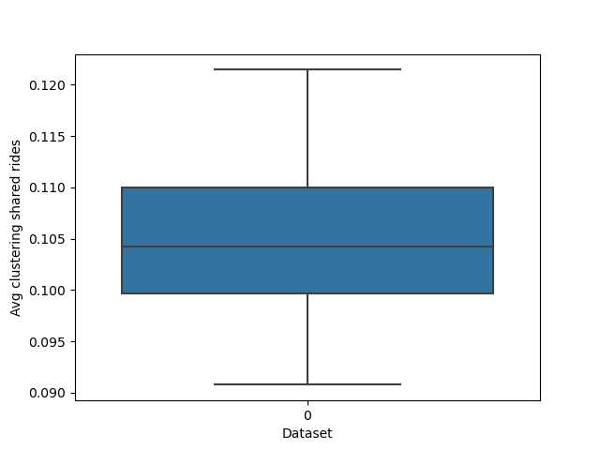

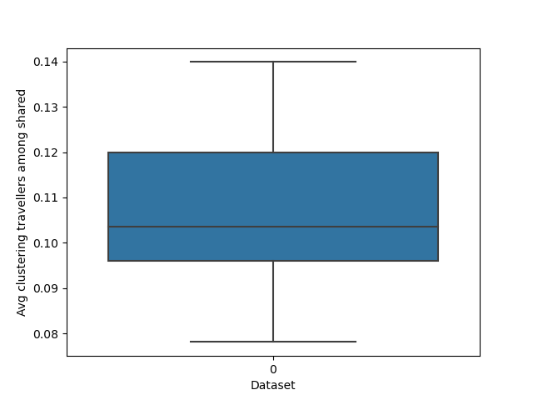

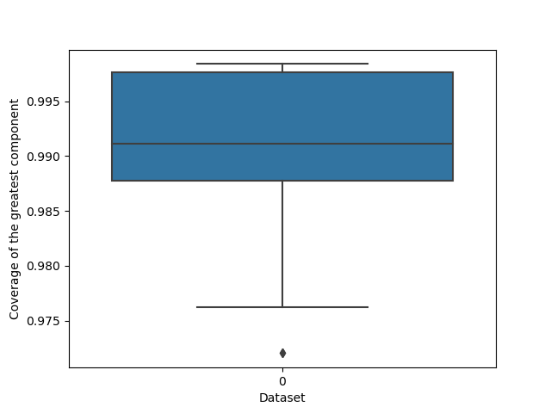

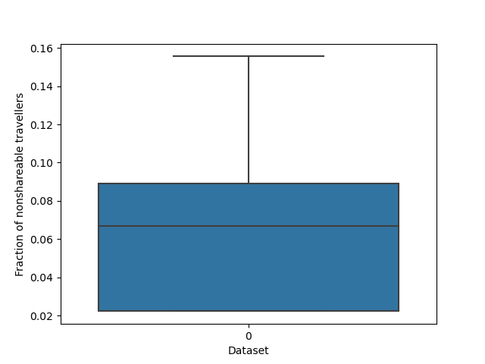

Lineplots
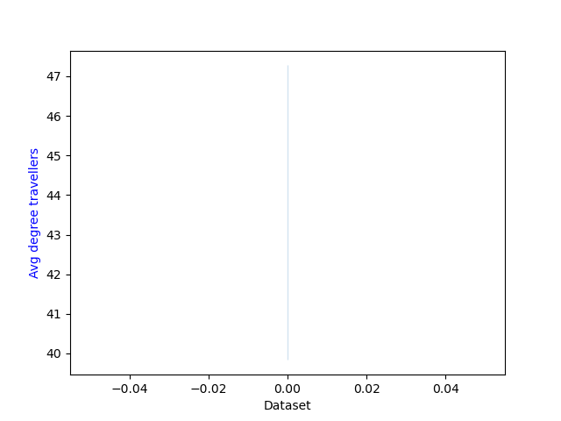

KpiPlots
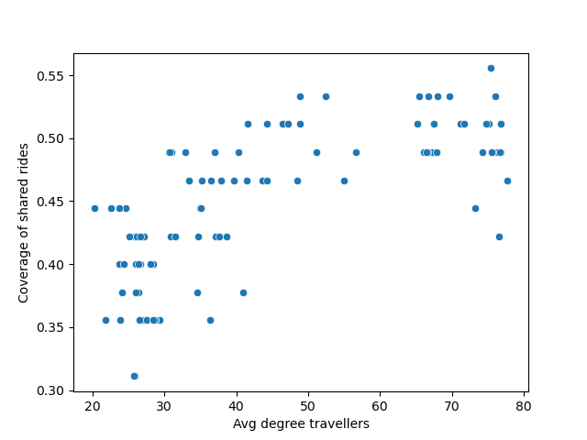

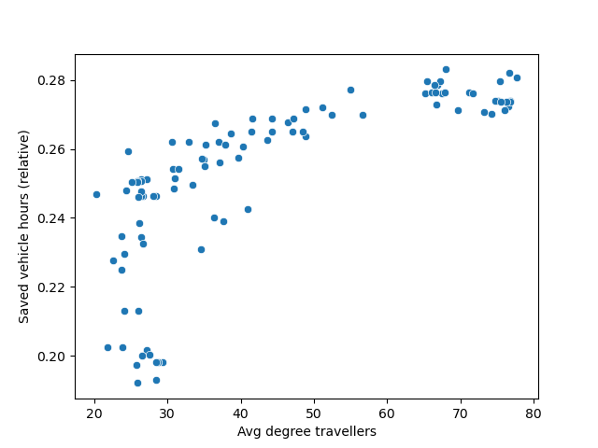

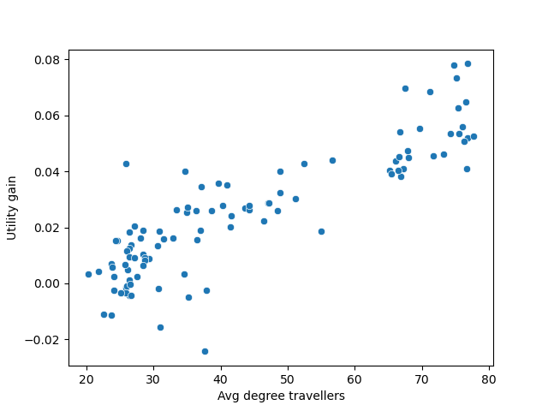

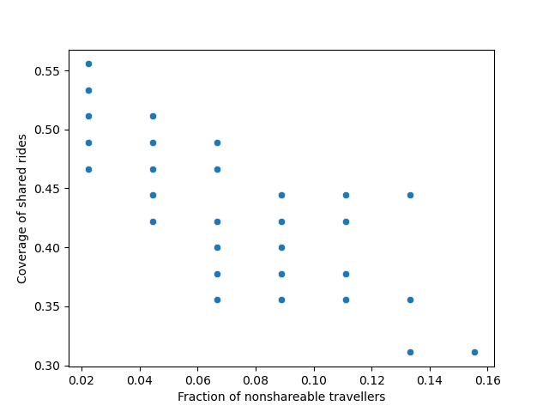

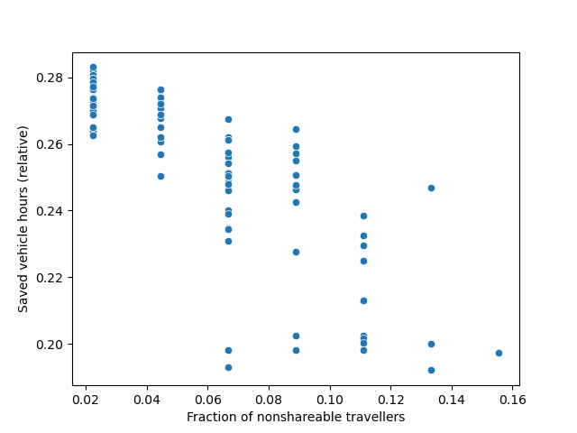

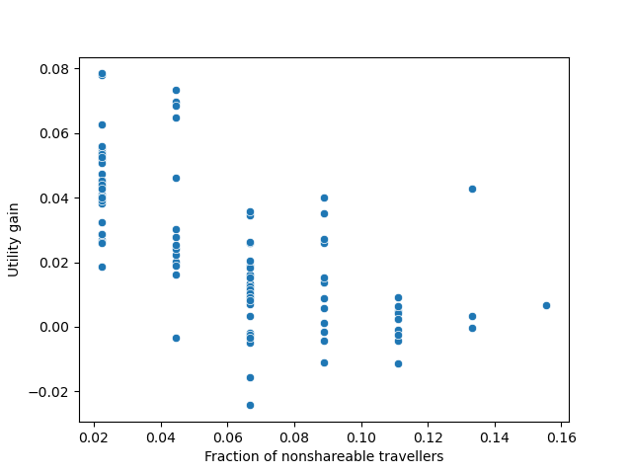

Correlation
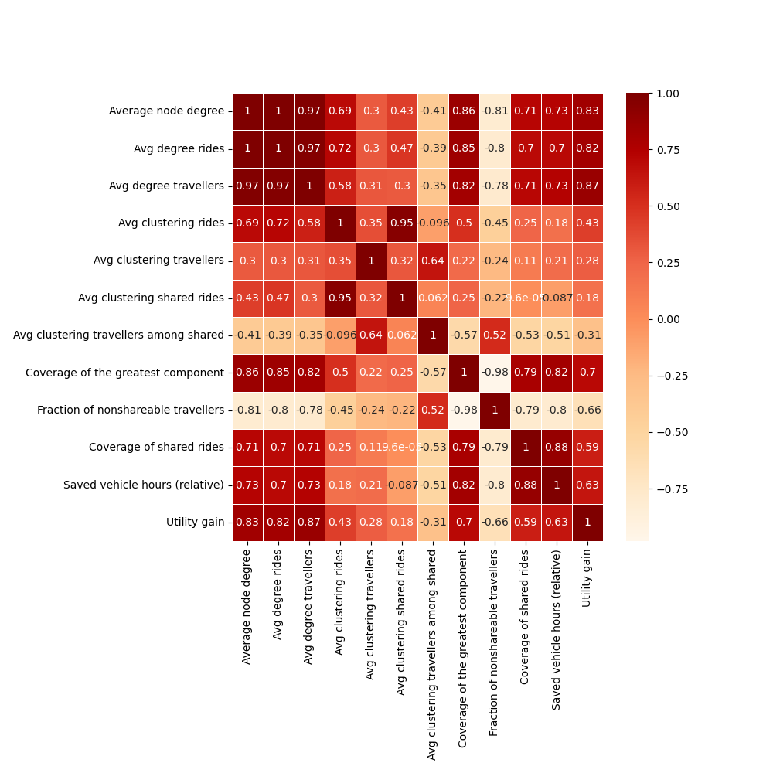
 | Average node degree | Avg degree rides | Avg degree travellers | Avg clustering rides | Avg clustering travellers | Avg clustering shared rides | Avg clustering travellers among shared | Coverage of the greatest component | Fraction of nonshareable travellers | Coverage of shared rides | Saved vehicle hours (relative) | Utility gain
Average node degree | 1 | 0.999 | 0.974 | 0.693 | 0.3 | 0.432 | -0.406 | 0.858 | -0.811 | 0.715 | 0.725 | 0.829
Avg degree rides | 0.999 | 1 | 0.967 | 0.72 | 0.304 | 0.467 | -0.393 | 0.845 | -0.798 | 0.696 | 0.702 | 0.817
Avg degree travellers | 0.974 | 0.967 | 1 | 0.576 | 0.315 | 0.3 | -0.348 | 0.816 | -0.783 | 0.71 | 0.73 | 0.866
Avg clustering rides | 0.693 | 0.72 | 0.576 | 1 | 0.35 | 0.949 | -0.096 | 0.498 | -0.451 | 0.248 | 0.183 | 0.43
Avg clustering travellers | 0.3 | 0.304 | 0.315 | 0.35 | 1 | 0.315 | 0.637 | 0.215 | -0.244 | 0.114 | 0.206 | 0.283
Avg clustering shared rides | 0.432 | 0.467 | 0.3 | 0.949 | 0.315 | 1 | 0.062 | 0.254 | -0.22 | 0 | -0.087 | 0.177
Avg clustering travellers among shared | -0.406 | -0.393 | -0.348 | -0.096 | 0.637 | 0.062 | 1 | -0.565 | 0.524 | -0.527 | -0.512 | -0.307
Coverage of the greatest component | 0.858 | 0.845 | 0.816 | 0.498 | 0.215 | 0.254 | -0.565 | 1 | -0.982 | 0.79 | 0.822 | 0.7
Fraction of nonshareable travellers | -0.811 | -0.798 | -0.783 | -0.451 | -0.244 | -0.22 | 0.524 | -0.982 | 1 | -0.795 | -0.803 | -0.656
Coverage of shared rides | 0.715 | 0.696 | 0.71 | 0.248 | 0.114 | 0 | -0.527 | 0.79 | -0.795 | 1 | 0.877 | 0.586
Saved vehicle hours (relative) | 0.725 | 0.702 | 0.73 | 0.183 | 0.206 | -0.087 | -0.512 | 0.822 | -0.803 | 0.877 | 1 | 0.63
Utility gain | 0.829 | 0.817 | 0.866 | 0.43 | 0.283 | 0.177 | -0.307 | 0.7 | -0.656 | 0.586 | 0.63 | 1

