Boxplots
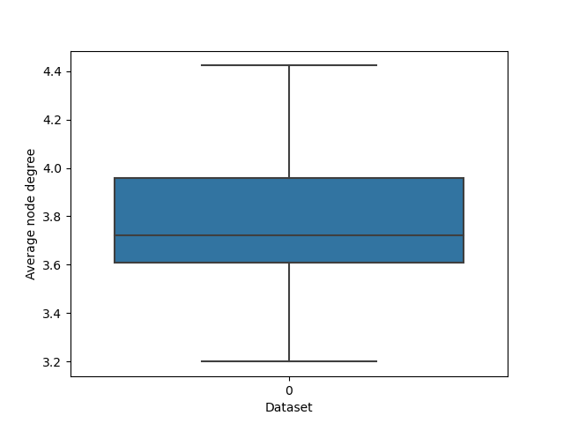

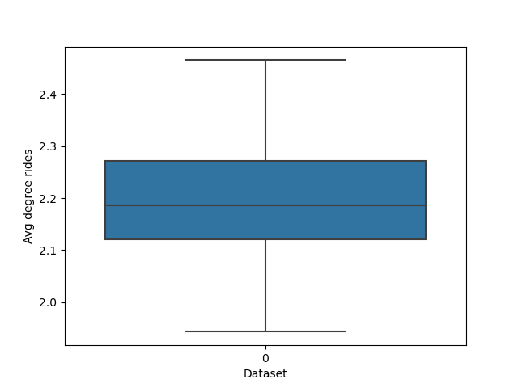

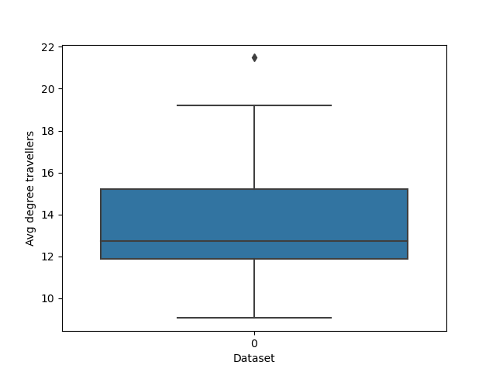

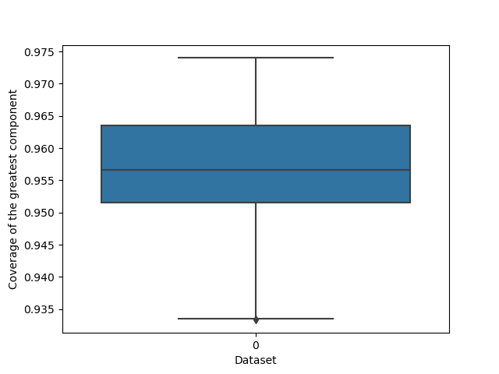

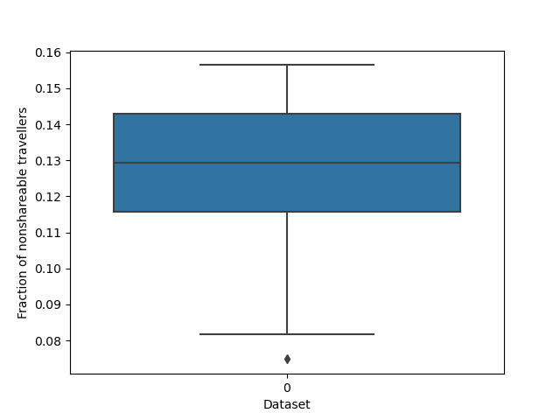

Lineplots
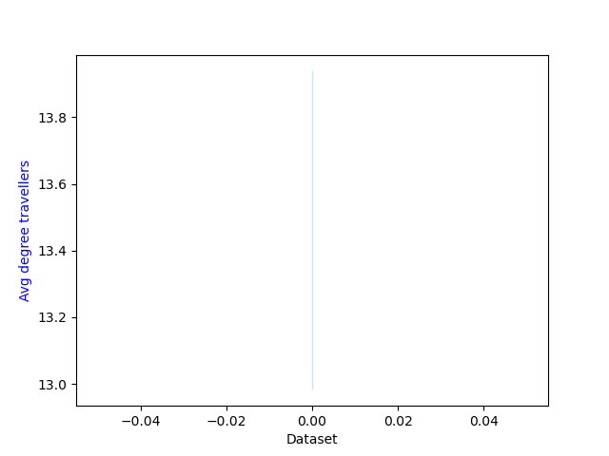

KpiPlots
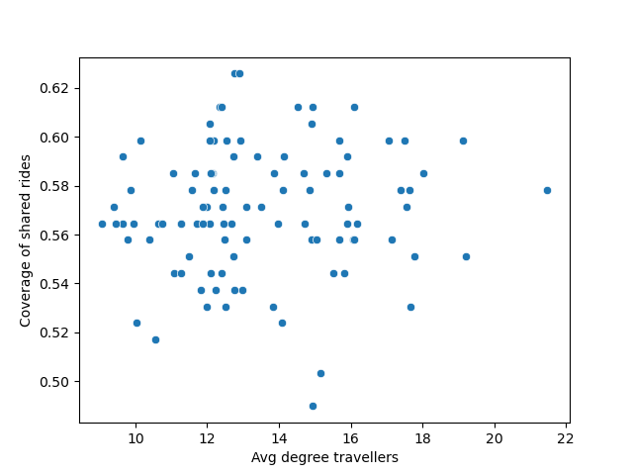

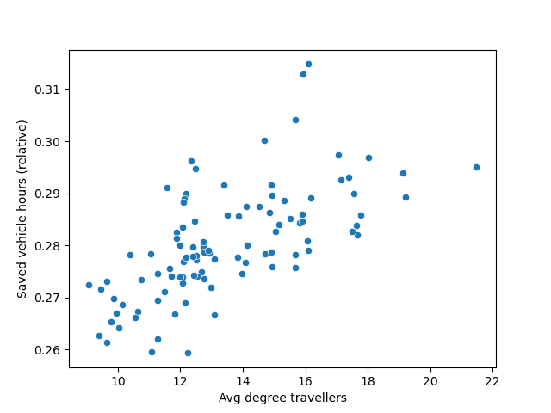

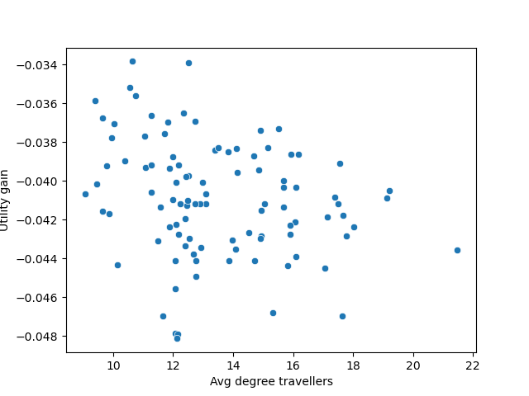

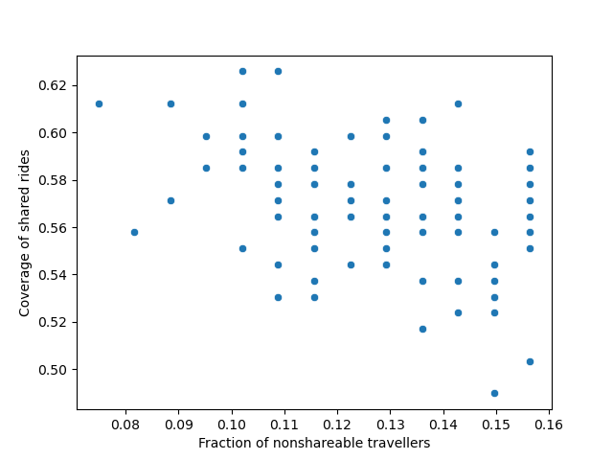

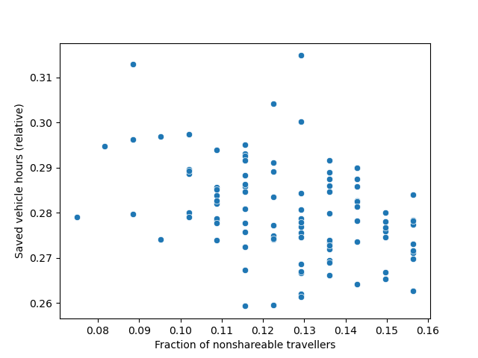

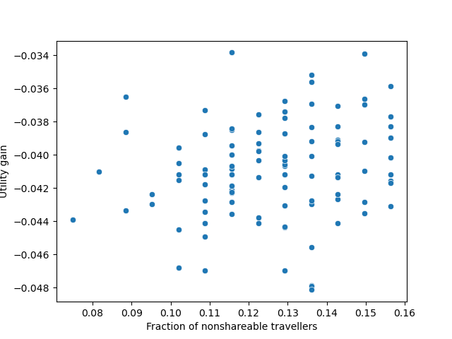

Correlation
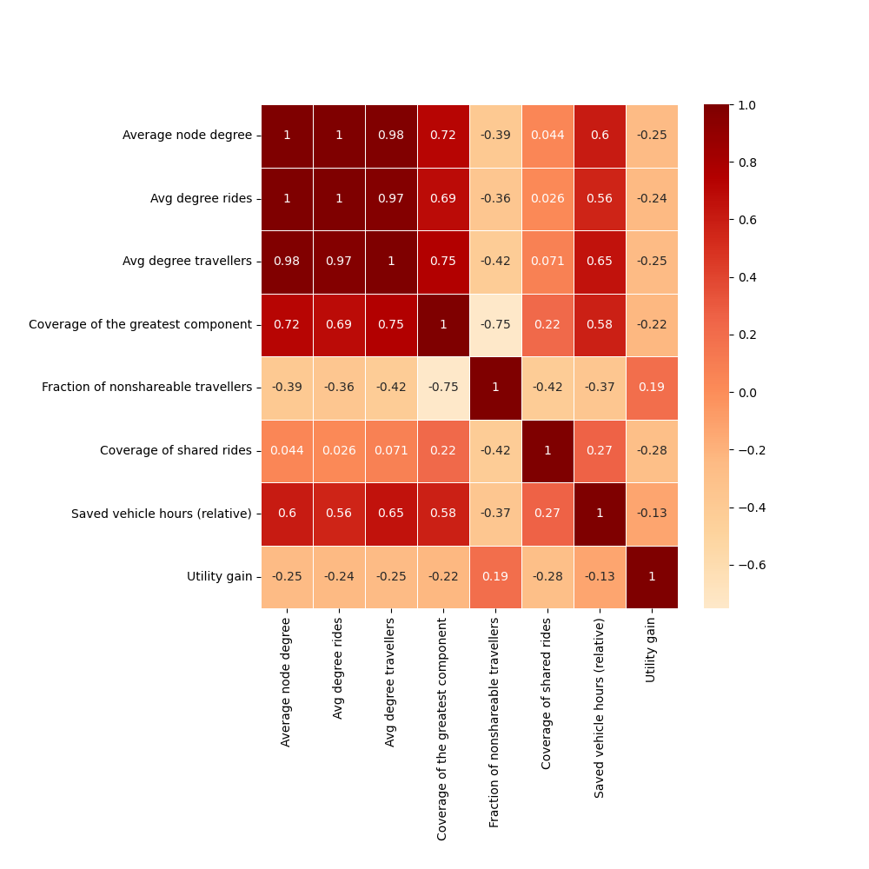
 | Average node degree | Avg degree rides | Avg degree travellers | Coverage of the greatest component | Fraction of nonshareable travellers | Coverage of shared rides | Saved vehicle hours (relative) | Utility gain
Average node degree | 1 | 0.996 | 0.983 | 0.723 | -0.388 | 0.044 | 0.602 | -0.251
Avg degree rides | 0.996 | 1 | 0.966 | 0.69 | -0.362 | 0.026 | 0.561 | -0.244
Avg degree travellers | 0.983 | 0.966 | 1 | 0.753 | -0.418 | 0.071 | 0.65 | -0.245
Coverage of the greatest component | 0.723 | 0.69 | 0.753 | 1 | -0.751 | 0.221 | 0.576 | -0.225
Fraction of nonshareable travellers | -0.388 | -0.362 | -0.418 | -0.751 | 1 | -0.418 | -0.365 | 0.192
Coverage of shared rides | 0.044 | 0.026 | 0.071 | 0.221 | -0.418 | 1 | 0.267 | -0.284
Saved vehicle hours (relative) | 0.602 | 0.561 | 0.65 | 0.576 | -0.365 | 0.267 | 1 | -0.126
Utility gain | -0.251 | -0.244 | -0.245 | -0.225 | 0.192 | -0.284 | -0.126 | 1

