DEMAND
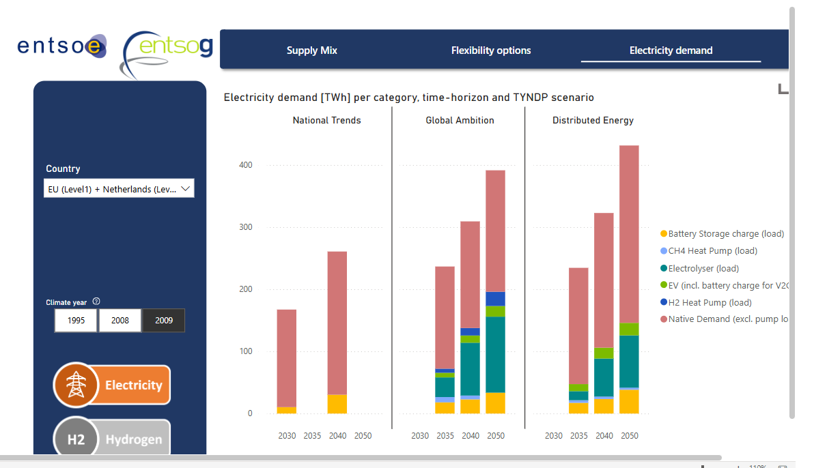
Demand

~FI_T:DEMAND
CommName | 2023 | 2025 | 2030 | 2035 | 2040 | 2045 | 2050
\I: Commodity Name | Annual Demand Value [PJ]
ELC_FIN | 393.8 | 442.1 | 565.2 | 698.0 | 828.0 | 953.9 | 1081.9 | Source: | Visualisation Platform | ENTSOs TYNDP 2024 Scenarios

 | Supportive calculations below:

Forecast
 | 2023 | 2025 | 2030 | 2035 | 2040 | 2045 | 2050
TWh | 109.4 | 122.8 | 157.0 | 193.9 | 230.0 | 265.0 | 300.5

 | Legend:
 |  | ENTSO data points

