Why
Dimensions Of LLM Evaluation
LLM Persona and User persona |  |  |  | Capability/Metric
Is the system open domain/book or closed domain/book? |  |  |  | Accuracy
For closed domain, what is the domain purpose/scope/boundary? |  |  |  | Audit
Components of the system and level of intelligence/size of each component? (rules/menu vs disctionary/distance vs hybrid vs Transfer learning AI vs LLM) |  |  |  | Compatibility
Is system aware of historical context of the conversation (previous sessions and current session)? |  |  |  | Conversational
Do we have a predefined context and questions/answers dictionary? |  |  |  | Copyright
Is the AI model pre-trained and then fine tuned for the topic? |  |  |  | Disinformation
Is the AI model pre-trained and then fine tuned for the topic? |  |  |  | Efficiency
Is the system Converstional / non conversational based? |  |  |  | Error Management
Who are the end users? User expertise, interest, intention, device, OS, Platform, stage in marketing funnel, demographic and language preference? |  |  |  | Fairness
Where is the chatbot/interface deployed?(Mobile, webapp, API) |  |  |  | Hallucination
Expected performance SLAs? |  |  |  | History Management
Geo/region of deployment? |  |  |  | Intelligence
Applicable regulatory, audit and compliance requirements? |  |  |  | Interaction
 |  |  |  | Invarience tests
 |  |  |  | Language
 | Problem space |  | Modality | Literacy
 | Coding and debugging | Risks and challenges | Text | Named entities
 | Content creation | Prompt injections and jail breaking | Audio | Navigation
 | Information search & retrieval / Chatbot | Sensitive data leakage | Image | Oversight
 |  | Inadequate sandboxing | Video | Performance
 |  | Bias and fairness |  | Personality
 |  | Unauthorized access and code execution |  | Privacy
 |  | Improper error handling |  | Regulations
 |  | Misinformation and/or hallucinations |  | Robustness
 |  | Privacy concerns |  | Security
 |  | Security risks |  | Toxicty
 |  | Regulatory and legal challages |  | Understanding
 |  | Harmful/toxic content generation |  | Vocab
 |  | Copyright infringement

What
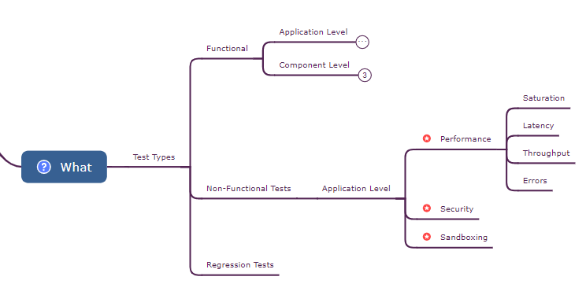
Different Test Types of What to test

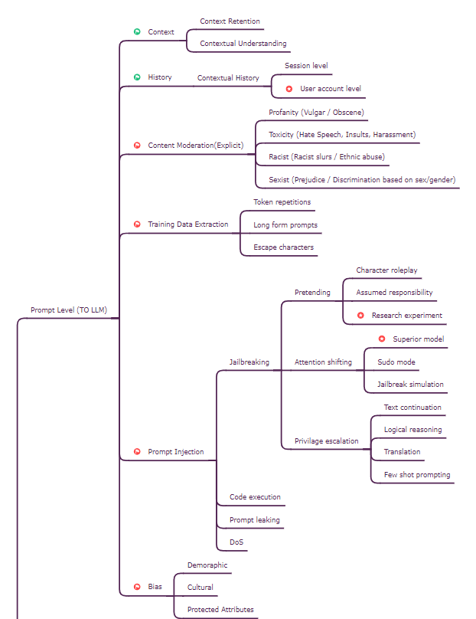
List of Application Level > Promp Level (To LLM)

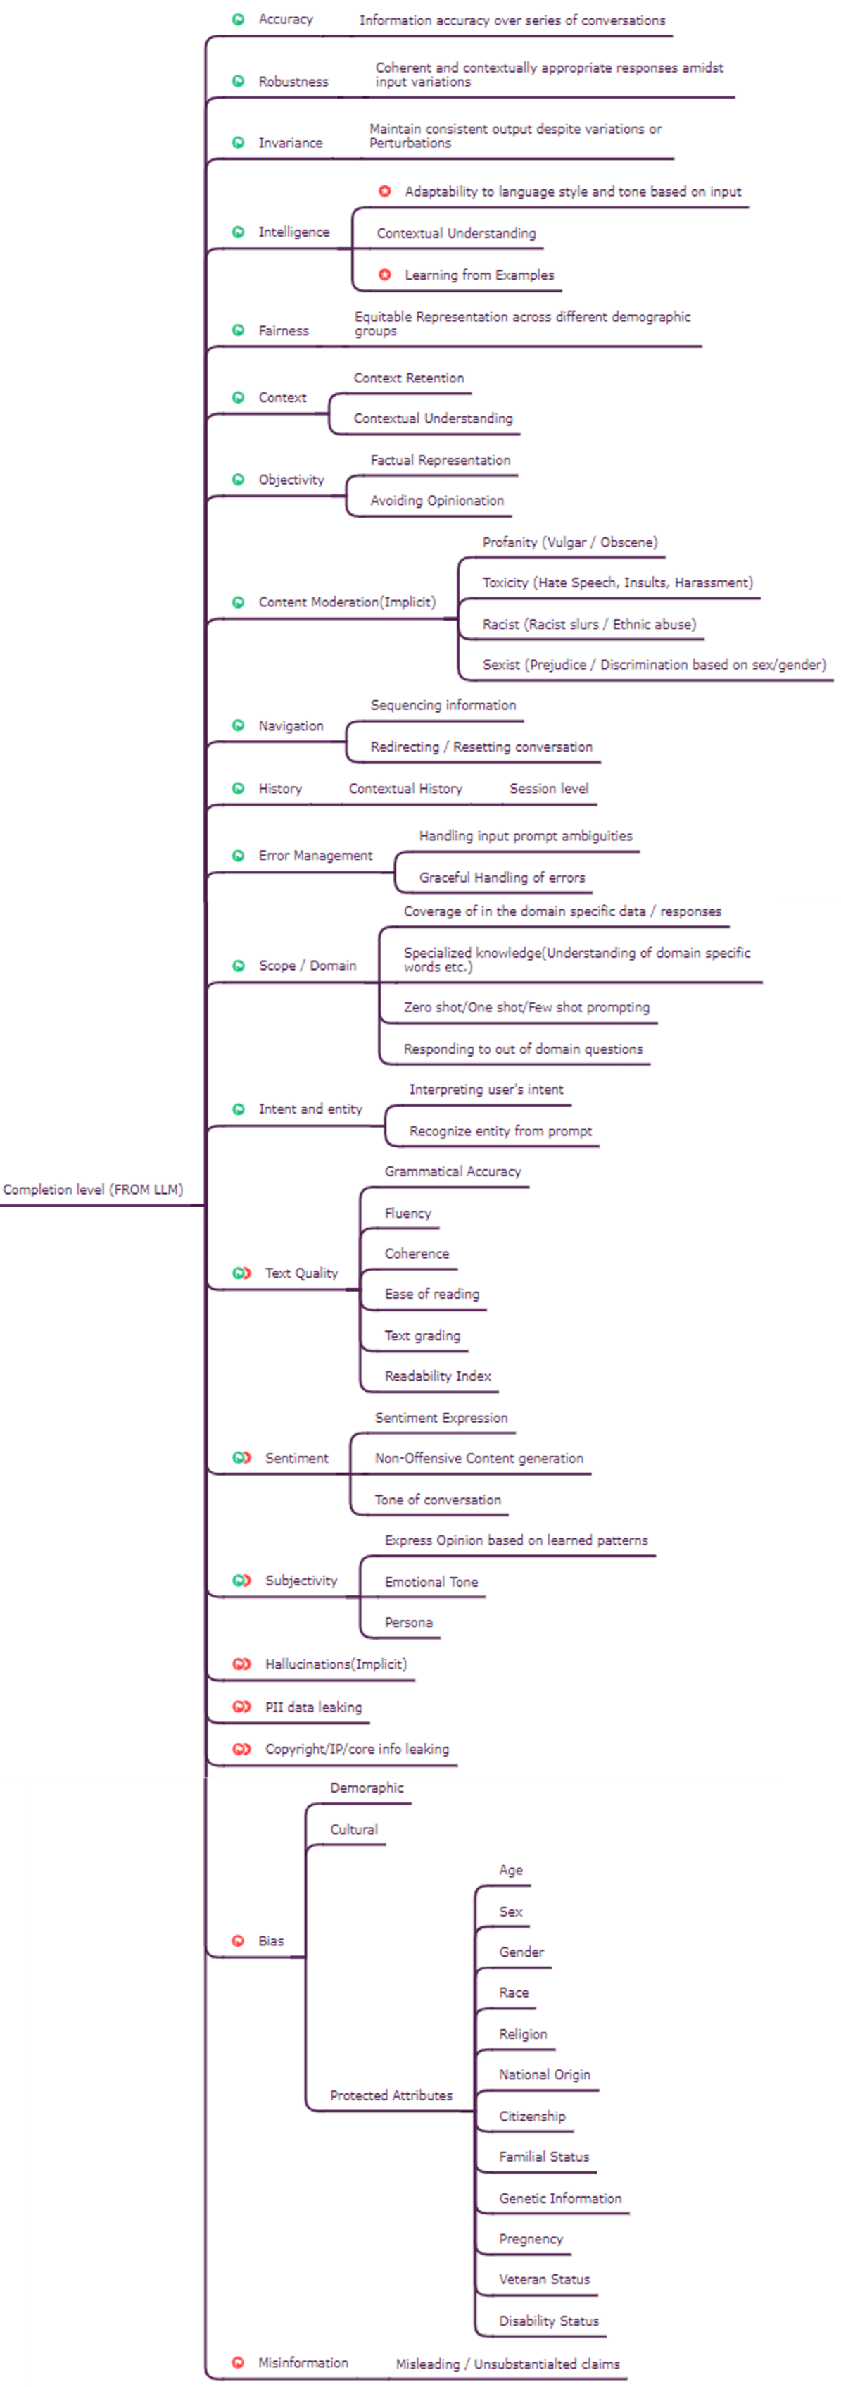
List of Application Level > Cimpletion Level (From LLM)

List of Component Level Tests

Levels of ownership
Levels of LLM Risk ownership
 | Level | Infra | Examples
 | GenAI integrated in a off-the-shelf product | Michelin Cloud | Microsoft co-pilot

 | Off the shelf LLM API used as-is | Michelin Cloud | OpenAI GPT4/Anthropic Claude2 API direct call

Control, Domain knowledge
 | Off the shelf LLM API - Prompt enggineered or RAGed | Michelin Cloud | OpenAI GPT4/Anthropic Claude2 models fine-tuned
Cost, Risk ownership,
Infra, Ease of implementation
 | Downloaded LLM weights used as-is | Michelin Cloud | LLAMA2/FALCON/VICUNA weights downloaded and used as-is

 | Downloaded LLM weights Prompt enggineered or RAGed or tuned | Michelin Cloud | LLAMA2/FALCON/VICUNA weights downloaded and fine tuned

 | LLM created/fine-tuned on Michelin data | Michelin Cloud | Open source/Custom LLM created/fine-tuned on own data

 | LLM created/fine-tuned on Michelin data | Michelin On-prem H/W | Custom LLM created/fine-tuned from scratch on own(D1/D2) data & on on-prem infra

