TEST-DS-MMVACUUMME
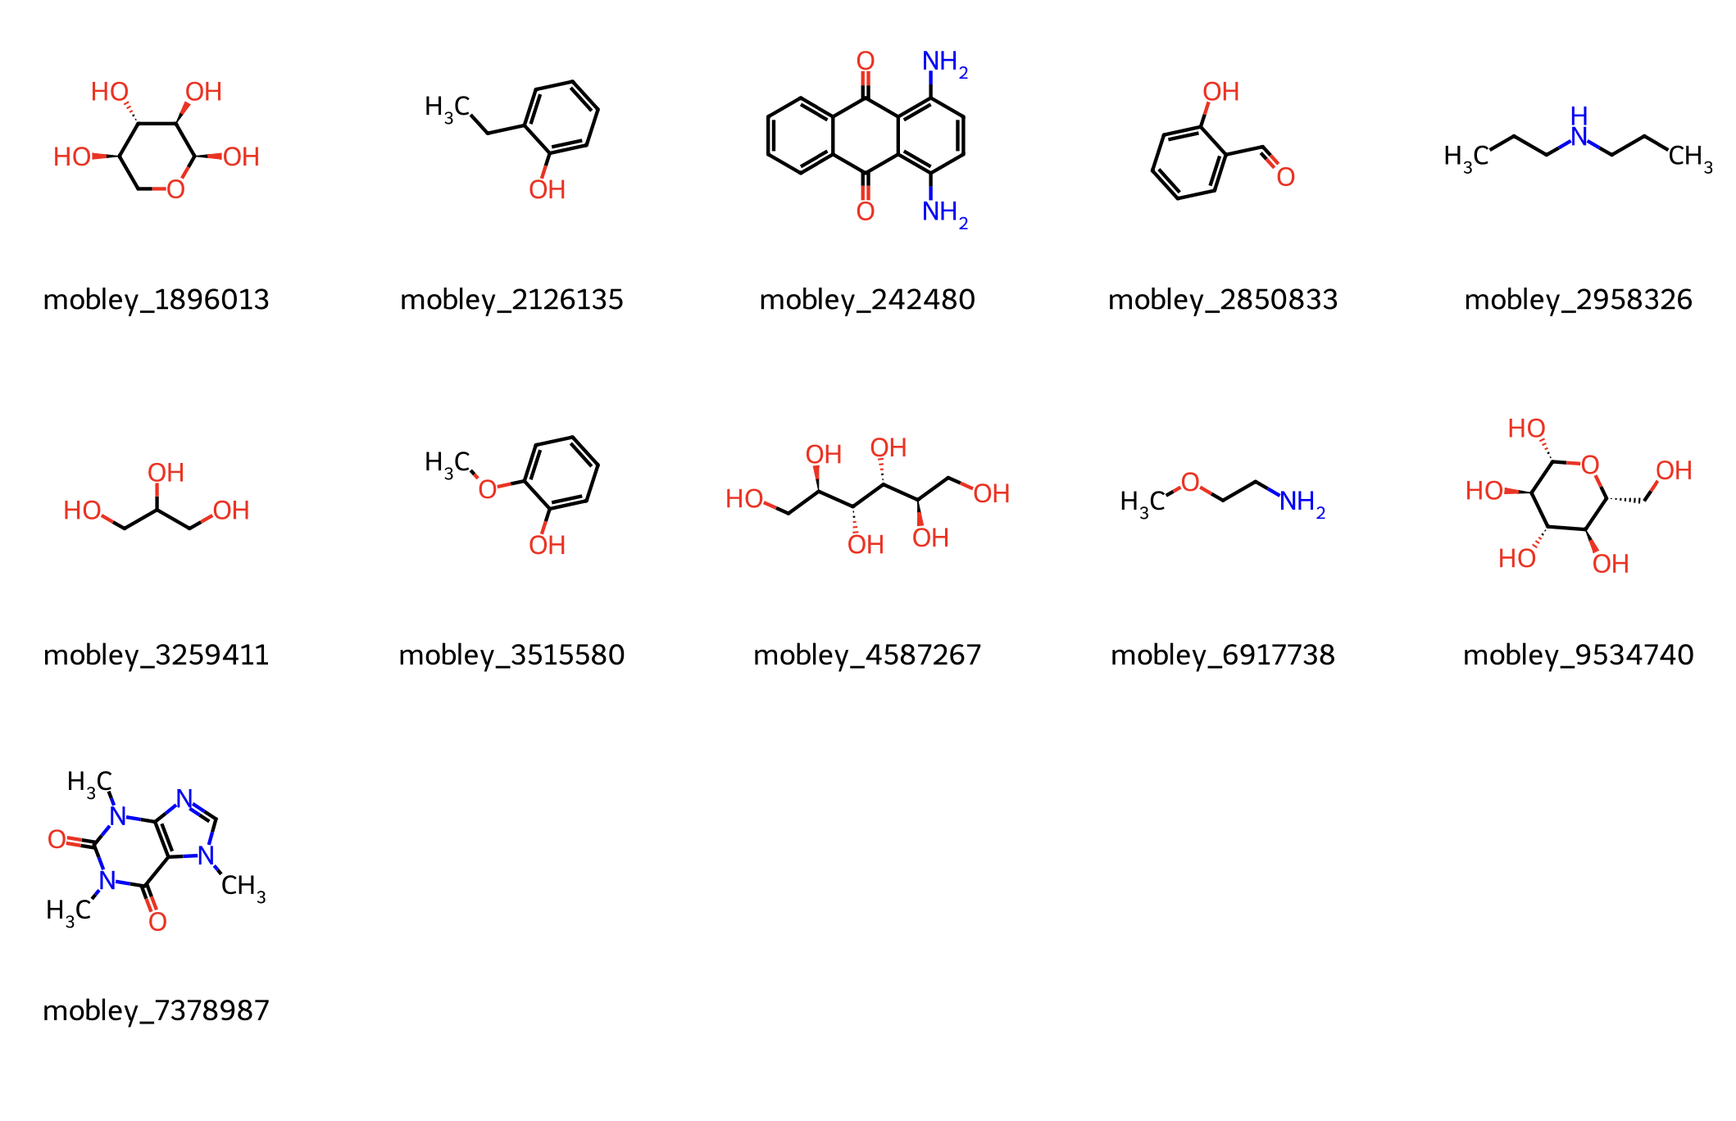
Settings |  |  | ΔG Data
Molecule | MM FFs | ML potential | MM-Rep1 | MM-Rep2 | MM-Rep3 | Vacuum-Rep1 | Vacuum-Rep2 | Vacuum-Rep3 | ME-Rep1 | ME-Rep2 | ME-Rep3
1896013 | OpenFF-2.0.0/TIP3P | MACE-OFF23(S) | -16.22 | -16.19 | -16.03 | -2019.38 | -2019.35 | -2019.38 | -2027.07 | -2027.24 | -2027.95
242480 | OpenFF-2.0.0/TIP3P | MACE-OFF23(S) | -15.29 | -15.48 | -15.24 | -3419.52 | -3419.50 | -3419.51 | -3419.99 | -3419.93 | -3419.99
2850833 | OpenFF-2.0.0/TIP3P | MACE-OFF23(S) | -9.50 | -9.56 | -9.39 | -1737.55 | -1737.53 | -1737.54 | -1736.94 | -1737.03 | -1737.54
3259411 | OpenFF-2.0.0/TIP3P | MACE-OFF23(S) | -11.34 | -11.29 | -11.40 | -1336.97 | -1337.02 | -1337.01 | -1339.34 | -1339.53 | -1339.56
4587267 | OpenFF-2.0.0/TIP3P | MACE-OFF23(S) | -19.87 | -20.40 | -20.13 | -2562.20 | -2562.21 | -2562.61 | -2570.38 | -2571.62 | -2570.30
caffeine | OpenFF-2.0.0/TIP3P | MACE-OFF23(S) | -17.03 | -17.05 | -16.99 | -2490.42 | -2490.42 | -2490.41 | -2490.15 | -2490.21 | -2490.18
Molecule | MM FFs | ML potential | MM-Rep1 | MM-Rep2 | MM-Rep3 | Vacuum-Rep1 | Vacuum-Rep2 | Vacuum-Rep3 | ME-Rep1 | ME-Rep2 | ME-Rep3
1896013 | OpenFF-2.0.0/TIP3P | MACE-OFF24(M) |  |  |  | -2019.84 | -2019.85 | -2019.85 | -2026.39 | -2027.89 | -2027.38
242480 | OpenFF-2.0.0/TIP3P | MACE-OFF24(M) |  |  |  | -3418.78 | -3418.80 | -3418.78 | -3419.50 | -3419.46 | -3419.45
2850833 | OpenFF-2.0.0/TIP3P | MACE-OFF24(M) |  |  |  | -1737.46 | -1737.44 | -1737.46 | -1737.14 | -1737.10 | -1736.52
3259411 | OpenFF-2.0.0/TIP3P | MACE-OFF24(M) |  |  |  | -1336.94 | -1336.94 | -1336.90 | -1339.09 | -1339.28 | -1339.23
4587267 | OpenFF-2.0.0/TIP3P | MACE-OFF24(M) |  |  |  | -2562.74 | -2562.50 | -2562.48 | -2571.68 | -2570.17 | -2570.75
caffeine | OpenFF-2.0.0/TIP3P | MACE-OFF24(M) |  |  |  | -2490.50 | -2490.51 | -2490.50 | -2490.26 | -2490.19 | -2490.20
Molecule | MM FFs | ML potential | MM-Rep1 | MM-Rep2 | MM-Rep3 | Vacuum-Rep1 | Vacuum-Rep2 | Vacuum-Rep3 | ME-Rep1 | ME-Rep2 | ME-Rep3
1896013 | OpenFF-2.0.0/TIP3P | ANI-2x |  |  |  | -359301.23 | -359301.19 | -359301.15 | -359307.60 | -359308.21 | -359308.95
242480 | OpenFF-2.0.0/TIP3P | ANI-2x |  |  |  | -501595.50 | -501595.54 | -501595.51 | -501596.11 | -501596.01 | -501596.11
2850833 | OpenFF-2.0.0/TIP3P | ANI-2x |  |  |  | -263985.76 | -263985.76 | -263985.75 | -263984.74 | -263984.92 | -263984.67
3259411 | OpenFF-2.0.0/TIP3P | ANI-2x |  |  |  | -216327.06 | -216327.03 | -216327.02 | -216327.86 | -216327.85 | -216328.07
4587267 | OpenFF-2.0.0/TIP3P | ANI-2x |  |  |  | -431921.20 | -431921.40 | -431921.16 | -431928.20 | -431928.37 | -431927.21
caffeine | OpenFF-2.0.0/TIP3P | ANI-2x |  |  |  | -426723.85 | -426723.80 | -426723.78 | -426723.42 | -426723.52 | -426723.41

