Descriptive Statistics (1.1)
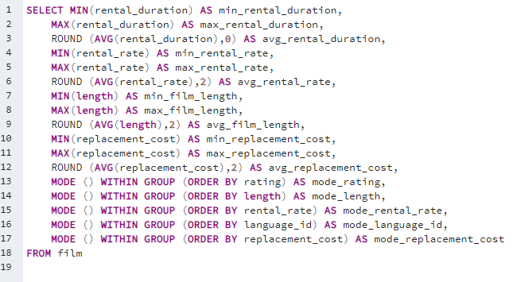
min_rental_duration | max_rental_duration | avg_rental_duration | min_rental_rate | max_rental_rate | avg_rental_rate | min_film_length | max_film_length | avg_film_length | min_replacement_cost | max_replacement_cost | avg_replacement_cost | mode_rating | mode_length | mode_rental_rate | mode_language_id | mode_replacement_cost
3 | 7 | 4.99 | 0.99 | 4.99 | 2.98 | 46 | 185 | 115.27 | 9.99 | 29.99 | 19.98 | PG-13 | 85 | 0.99 | 1 | 20.99

Top 10 Countries_By Customer
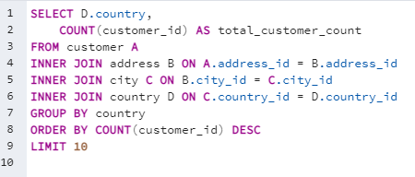
country | total_customer_count
India | 60
China | 53
United States | 36
Japan | 31
Mexico | 30
Brazil | 28
Russian Federation | 28
Philippines | 20
Turkey | 15
Indonesia | 14

Top 10 Countries by Customer

Revenue by Actor
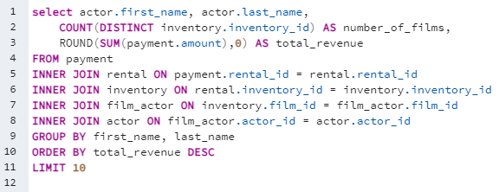
first_name | last_name | actor | number_of_films | total_revenue
Susan | Davis | Susan Davis | 236 | $3,193.00
Gina | Degeneres | Gina Degeneres | 214 | $3,129.00
Matthew | Carrey | Matthew Carrey | 198 | $2,544.00
Mary | Keitel | Mary Keitel | 191 | $2,427.00
Scarlett | Damon | Scarlett Damon | 164 | $2,404.00
Walter | Torn | Walter Torn | 186 | $2,403.00
Henry | Berry | Henry Berry | 170 | $2,392.00
Christian | Akroyd | Christian Akroyd | 155 | $2,379.00
Angela | Witherspoon | Angela Witherspoon | 184 | $2,357.00
Cameron | Zellweger | Cameron Zellweger | 156 | $2,323.00
Total Revenue by Actor

Revenue by Rating
rating | number_of_films | total_times_rented | total_revenue | Percentage of films
PG-13 | 213 | 3245 | $13,856.00 | 22%
NC-17 | 202 | 3008 | $12,635.00 | 21%
PG | 183 | 2938 | $12,237.00 | 19%
R | 189 | 2897 | $12,073.00 | 20%
G | 171 | 2508 | $10,512.00 | 18%

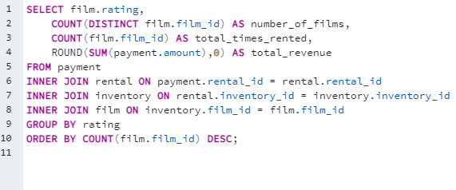

Distribution of ratings
Total Revenue by Rating

Sales and Customers by Country
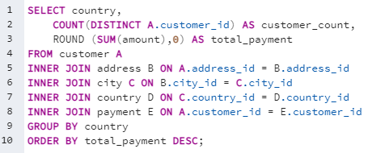
country | customer_count | total_payment
India | 60 | 6035
China | 53 | 5251
United States | 36 | 3685
Japan | 31 | 3123
Mexico | 30 | 2985
Brazil | 28 | 2919
Russian Federation | 28 | 2766
Philippines | 20 | 2220
Turkey | 15 | 1498
Indonesia | 14 | 1353
Nigeria | 13 | 1315
Argentina | 13 | 1299
Taiwan | 10 | 1155
South Africa | 11 | 1069
Iran | 8 | 878
United Kingdom | 9 | 851
Poland | 8 | 786
Italy | 7 | 753
Germany | 7 | 741
Vietnam | 6 | 676
Ukraine | 6 | 676
Colombia | 6 | 662
Egypt | 6 | 659
Venezuela | 7 | 632
Canada | 5 | 560
Netherlands | 5 | 558
South Korea | 5 | 528
Spain | 5 | 514
Pakistan | 5 | 474
Yemen | 4 | 474
Saudi Arabia | 5 | 453
Peru | 4 | 407
Thailand | 3 | 401
Israel | 4 | 379
Ecuador | 3 | 369
Bangladesh | 3 | 353
Algeria | 3 | 349
France | 4 | 334
Malaysia | 3 | 330
Tanzania | 3 | 322
Mozambique | 3 | 315
United Arab Emirates | 3 | 305
Dominican Republic | 3 | 304
Chile | 3 | 303
Austria | 3 | 284
Morocco | 3 | 274
Paraguay | 3 | 273
Belarus | 2 | 271
Latvia | 2 | 249
Switzerland | 3 | 248
Kenya | 2 | 245
Yugoslavia | 2 | 233
Puerto Rico | 2 | 224
Romania | 2 | 218
Runion | 1 | 212
French Polynesia | 2 | 206
Greece | 2 | 205
Sudan | 2 | 203
Azerbaijan | 2 | 199
Bulgaria | 2 | 195
Kazakstan | 2 | 193
Angola | 2 | 188
Cameroon | 2 | 186
Myanmar | 2 | 180
Cambodia | 2 | 180
Bolivia | 2 | 179
Congo, The Democratic Republic of the | 2 | 169
Oman | 2 | 162
Holy See (Vatican City State) | 1 | 147
Nauru | 1 | 144
Sweden | 1 | 140
Czech Republic | 1 | 133
Moldova | 1 | 128
Turkmenistan | 1 | 127
Chad | 1 | 123
Zambia | 1 | 122
Virgin Islands, U.S. | 1 | 122
Malawi | 1 | 122
Greenland | 1 | 120
Armenia | 1 | 119
Gambia | 1 | 115
Hungary | 1 | 112
Iraq | 1 | 112
Bahrain | 1 | 109
North Korea | 1 | 108
Brunei | 1 | 108
Kuwait | 1 | 107
Estonia | 1 | 106
Hong Kong | 1 | 105
Sri Lanka | 1 | 104
Liechtenstein | 1 | 100
Anguilla | 1 | 100
French Guiana | 1 | 98
Faroe Islands | 1 | 97
Senegal | 1 | 96
Nepal | 1 | 94
Tuvalu | 1 | 94
Madagascar | 1 | 93
Ethiopia | 1 | 92
New Zealand | 1 | 86
Slovakia | 1 | 81
Finland | 1 | 79
Tunisia | 1 | 74
Afghanistan | 1 | 68
Tonga | 1 | 65
Saint Vincent and the Grenadines | 1 | 65
Lithuania | 1 | 64
American Samoa | 1 | 48

