Sheet4
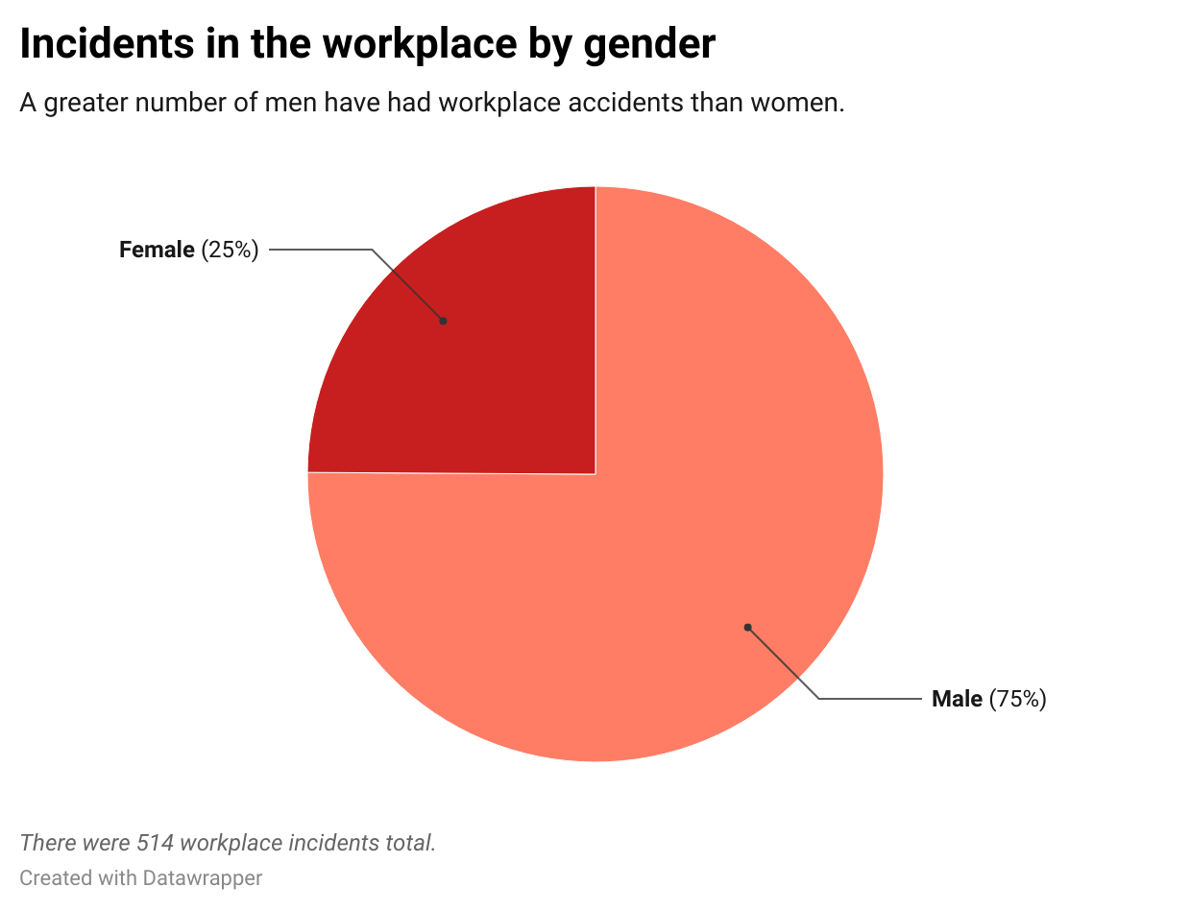
Row Labels | Count of Gender
Female | 128
Male | 386
Grand Total | 514

Sheet1
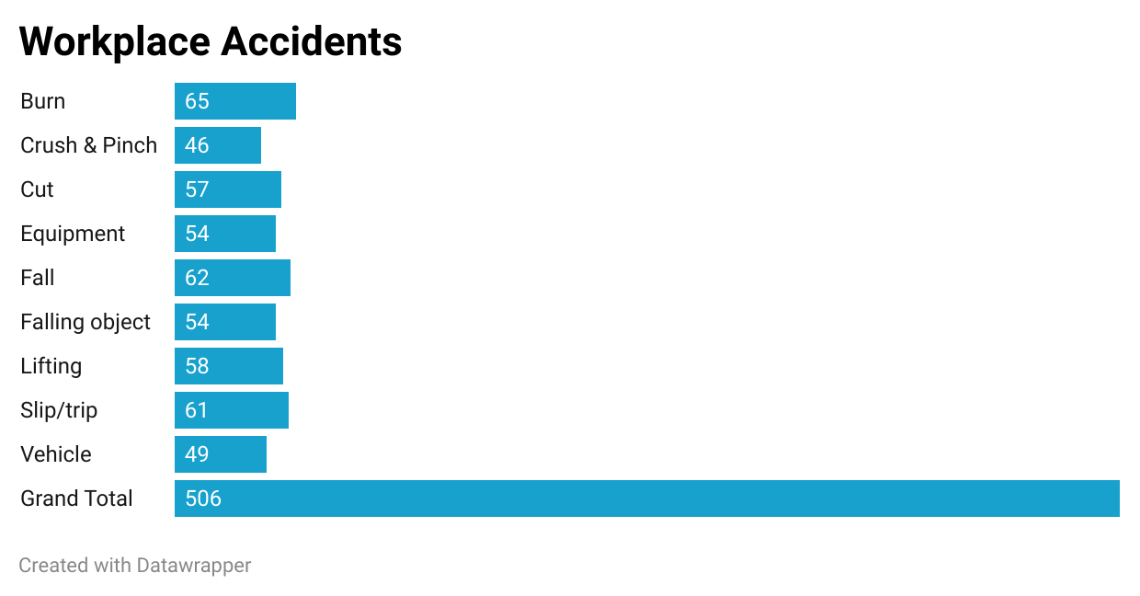
Row Labels | count_of_incident
Burn | 65
Crush & Pinch | 46
Cut | 57
Equipment | 54
Fall | 62
Falling object | 54
Lifting | 58
Slip/trip | 61
Vehicle | 49
Grand Total | 506

