Pressure layouts
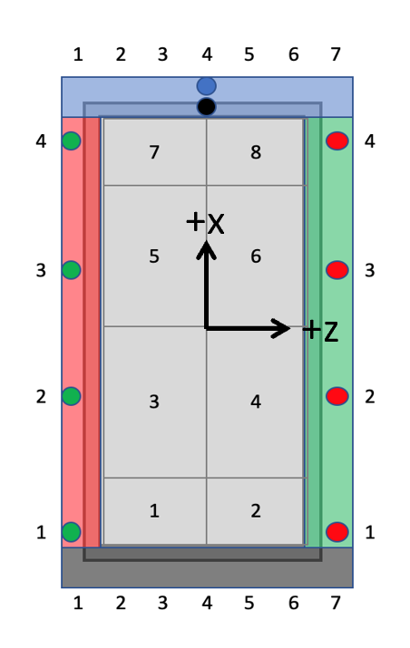
Id |  |  |  |  |  |  | 1 | 2 | 3 | 4 | 5 | 6
Description |  |  |  |  |  |  | 1x P8D | 1x P8D (no pitot) | 2x P8D (no pitot) | 20x RSC | 16Channel Backblock (temp) | 36x RSC
Position: | Region | Pos. | Pos. 2 | x [mm] | y [mm] | z [mm] | Channel | Channel | Channel | Channel | Channel | Channel
Pitot |  |  |  |  |  |  | 17 |  |  | 4 | 1 | 1
1 | Center | 1 |  | -405 | -14.5 | -169 |  |  |  | 20 |  | 25
2 | Center | 2 |  | -405 | -14.5 | 111 |  |  |  |  |  | 33
3 | Center | 3 |  | -284 | -13 | -160
4 | Center | 4 |  | -284 | -13 | 160
5 | Center | 5 |  | 284 | -13 | -160
6 | Center | 6 |  | 284 | -13 | 160
7 | Center | 7 |  | 405 | -14.5 | -169 |  |  |  |  |  | 10
8 | Center | 8 |  | 405 | -14.5 | 111 |  |  |  |  |  | 18
9 | LE | 1 |  | -445 | -5 | -182.3 | 22 | 22 | 15 | 11 |  | 30
10 | LE | 2 |  | -445 | -5 | -121.5 |  |  | 14 | 12 |  | 21
11 | LE | 3 |  | -445 | -5 | -60.7 |  |  | 13 | 13 |  | 29
12 | LE | 4 |  | -445 | -5 | 0 | 21 | 21 | 12 | 14 |  | 22
13 | LE | 5 |  | -445 | -5 | 60.7 |  |  | 11 | 15 |  | 34
14 | LE | 6 |  | -445 | -5 | 121.5 |  | 17 | 10 | 16 |  | 36
15 | LE | 7 |  | -445 | -5 | 182.3 | 20 | 20 | 9 | 17 |  | 35
16 | TE | 1 |  | 445 | -5 | -182.3 | 19 | 23 | 1 | 1 |  | 5
17 | TE | 2 |  | 445 | -5 | -121.5 |  |  | 2 | 2 |  | 6
18 | TE | 3 |  | 445 | -5 | -60.7 |  |  | 3 | 3 |  | 4
19 | TE | 4 | Lower | 445 | -7.5 | 0 | 23 | 18 | 4 | 6 |  | 3
20 | TE | 4 | Upper | 445 | -2.5 | 0 | 24 | 19 | 5 | 5 |  | 12
21 | TE | 5 |  | 445 | -5 | 60.7 |  |  | 6 | 7 |  | 19
22 | TE | 6 |  | 445 | -5 | 121.5 |  |  | 7 | 8 |  | 11
23 | TE | 7 |  | 445 | -5 | 182.3 | 18 | 24 | 8 | 9 |  | 20
24 | Left | 1 |  | -395 | -5 | -187.5 |  |  |  |  |  | 28
25 | Left | 1 | Top | -395 | 0 | -187.5 |  |  |  | 18 |  | 23
26 | Left | 2 |  | -125 | -5 | -187.5 |  |  |  |  |  | 24
27 | Left | 2 | Top | -125 | 0 | -187.5 |  |  |  | 19 |  | 26
28 | Left | 3 |  | 125 | -5 | -187.5
29 | Left | 3 | Top | 125 | 0 | -187.5
30 | Left | 4 |  | 395 | -5 | -187.5 |  |  |  |  |  | 9
31 | Left | 4 | Top | 395 | 0 | -187.5 |  |  |  |  |  | 8
32 | Right | 1 |  | -395 | -5 | 187.5 |  |  |  |  |  | 32
33 | Right | 1 | Top | -395 | 0 | 187.5 |  |  |  |  |  | 38
34 | Right | 2 |  | -125 | -5 | 187.5 |  |  |  |  |  | 39
35 | Right | 2 | Top | -125 | 0 | 187.5 |  |  |  |  |  | 31
36 | Right | 3 |  | 125 | -5 | 187.5 |  |  |  |  |  | 13
37 | Right | 3 | Top | 125 | 0 | 187.5 |  |  |  |  |  | 14
38 | Right | 4 |  | 395 | -5 | 187.5 |  |  |  |  |  | 15
39 | Right | 4 | Top | 395 | 0 | 187.5 |  |  |  |  |  | 16

