Sheet1
2 | NEWTON SUIT | I like this suit. Very good Quality |  | 299 | NEWTON | https://www.indochino.com/product/newton-blue-suit?currency=USD&utm_source=google&utm_medium=cpc&utm_campaign=768964681&gclid=CjwKEAjwue3nBRCCyrqY0c7bw2wSJACSlmGZjPDn2y1TzenQqcOEFxU_1gePWyAnJpmocm-UcIvishoCTMXw_wcB | 2019-06-07 | 2019-06-07 | 3 | 2
3 | ASSORTED BRACELETS | These are some I love. Found a great website for my new collection. | 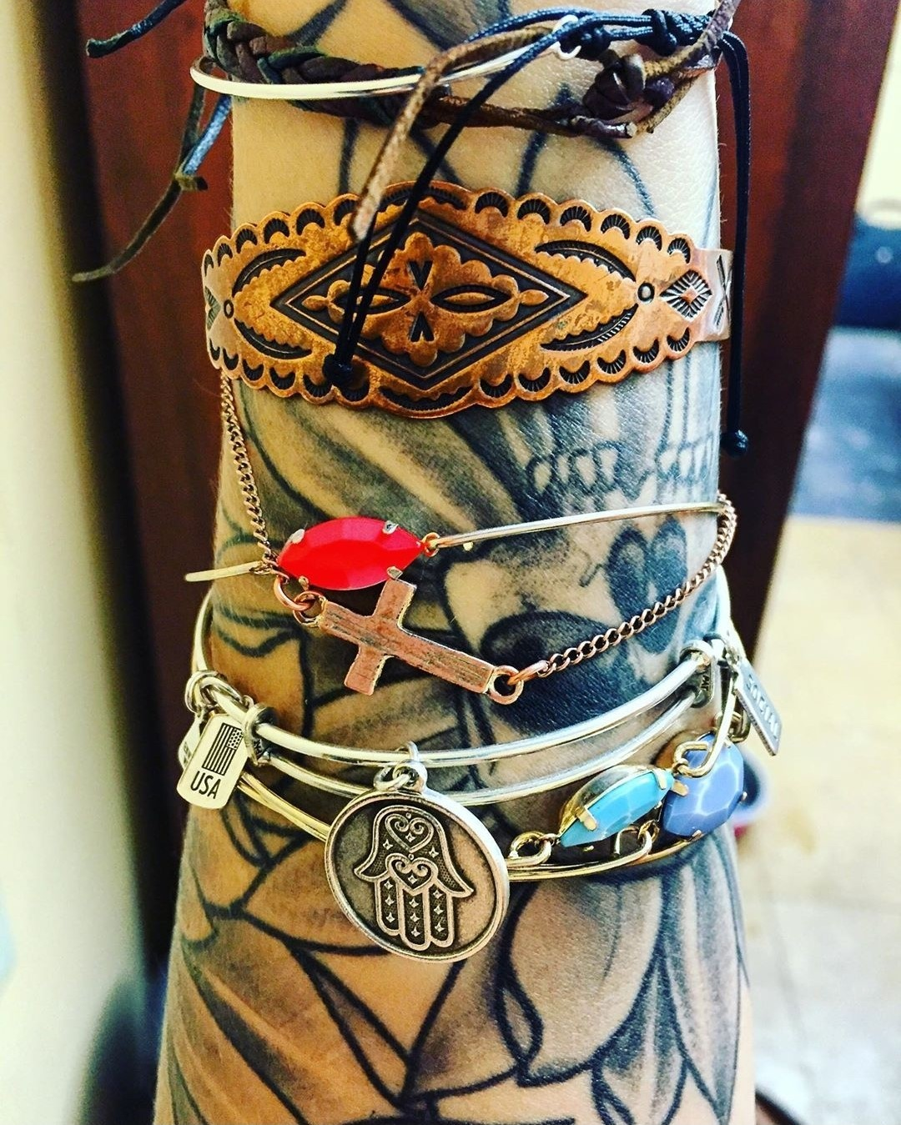 | 100 | BVLGARI | https://www.bulgari.com/en-us/287811.html?gclid=CjwKEAjwue3nBRCCyrqY0c7bw2wSJACSlmGZwIYtSfvgVDVRziRjFS91t_DzEEzcnL4vPAl1GPapKRoCOsDw_wcB&gclsrc=aw.ds | 2019-06-08 | 2019-06-08 | 9 | 3

