InfluenceDiagram
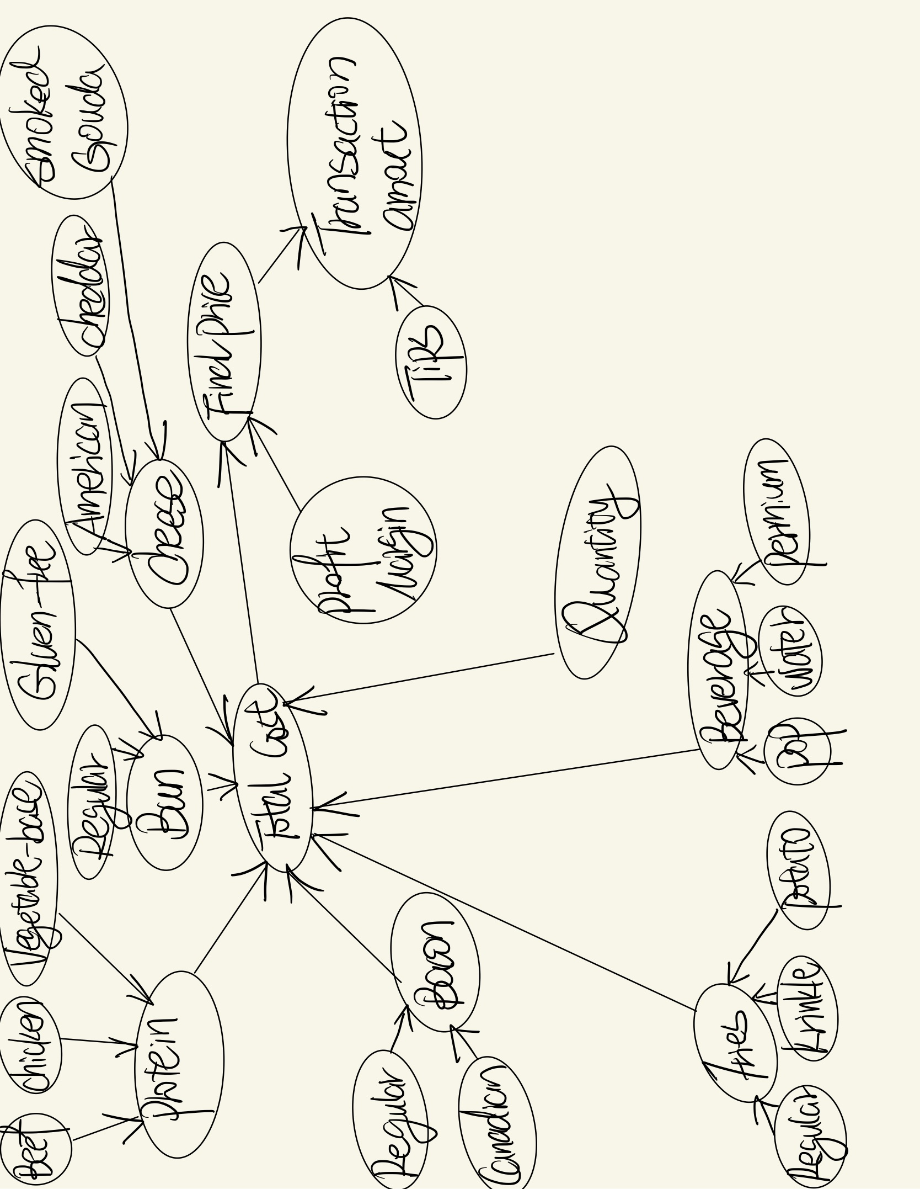

Calculator
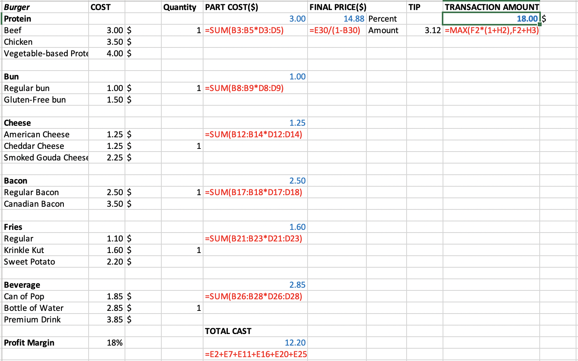
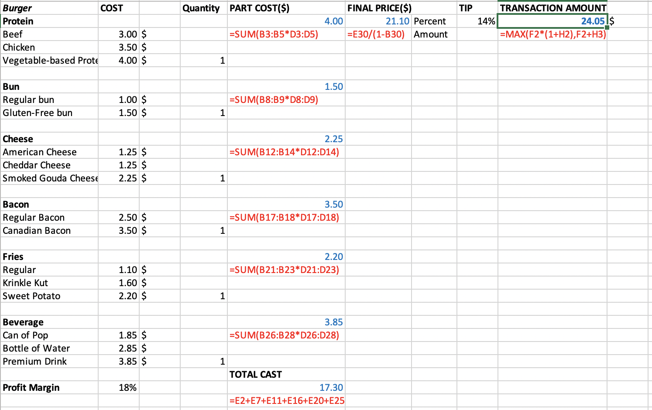
Burger | COST |  | Quantity | PART COST($) | FINAL PRICE($) |  | TIP | TRANSACTION AMOUNT
Protein |  |  |  | 3.00 | 14.88 | Percent |  | 18.00 | $
Beef | 3.00 | $ | 1 | =SUM(B3:B5*D3:D5) | =E30/(1-B30) | Amount | 3.12 | =MAX(F2*(1+H2),F2+H3)
Chicken | 3.50 | $
Vegetable-based Protein Patty | 4.00 | $

Bun |  |  |  | 1.00
Regular bun | 1.00 | $ | 1 | =SUM(B8:B9*D8:D9)
Gluten-Free bun | 1.50 | $

Cheese |  |  |  | 1.25
American Cheese | 1.25 | $ |  | =SUM(B12:B14*D12:D14)
Cheddar Cheese | 1.25 | $ | 1
Smoked Gouda Cheese | 2.25 | $

Bacon |  |  |  | 2.50
Regular Bacon | 2.50 | $ | 1 | =SUM(B17:B18*D17:D18)
Canadian Bacon | 3.50 | $

Fries |  |  |  | 1.60
Regular | 1.10 | $ |  | =SUM(B21:B23*D21:D23)
Krinkle Kut | 1.60 | $ | 1
Sweet Potato | 2.20 | $

Beverage |  |  |  | 2.85
Can of Pop | 1.85 | $ |  | =SUM(B26:B28*D26:D28)
Bottle of Water | 2.85 | $ | 1
Premium Drink | 3.85 | $
 |  |  |  | TOTAL CAST
Profit Margin | 18% |  |  | 12.20
 |  |  |  | =E2+E7+E11+E16+E20+E25

TEST CASE 1:“regular” |  |  |  |  |  |  |  | TEST CASE 2:“premium”

