工作表1
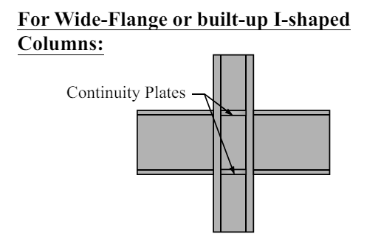

Continuity Plates (width)
Story | (bbf - tcw)/2 = min_width | (bcf-tcw)/2 = max_width | width_design (in)
1F ~ 5F (MRF) | 8.25 | 15.25 | 9
6F ~ 10F (MRF) | 8.25 | 14.25 | 9
Continuity Plates (thickness)
Story | 0.5*tbf (min) | 0.75*tbf (min) | thickness_design (in)
1F ~ 10F (MRF_Int) |  | 1.312 | 1.5
1F ~ 10F (MRF_Ext) | 0.875 |  | 0.9

6. Continuity Plate design
Story | thickness (in) | width (in) | full depth (in) | configuration (in)
1F ~ 10F (MRF_Int) | 1.5 | 9 | 31.2 | Try two plates 1.5 x 9 x 31.2
1F ~ 10F (MRF_Ext) | 0.9 | 9 | 31.2 | Try two plates 0.9 x 9 x 31.2

6. Double Plate
Story | Ru (kips) | Rv (kips) | tp (in) | Doubler plate (in) | (dz+wz) / 90
1F ~ 5F (MRF) | 4192.271 | 2080.8 | 3.454 | 1.954 | 0.707
6F ~ 10F (MRF) | 4192.271 | 2052 | 3.481 | 1.981 | 0.707
1F ~ 5F (GF) | 2169.227 | 1675.544 | 2.578 | 0.918 | 0.26
6F ~ 10F (GF) | 2169.962 | 1685.664 | 2.74 | 0.96 | 0.242

