工作表1
width to thickness ratio
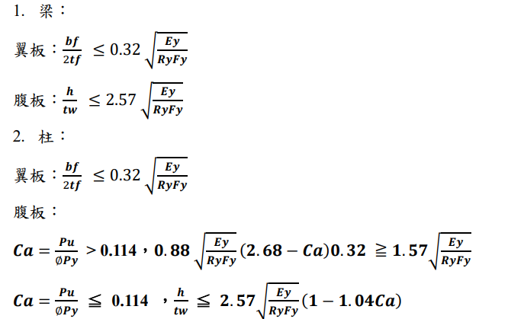

Beam (web and flange)
Story | bf / 2tf | bf / 2tf (limit) | h / tw | h / tw (limit)
1F-5F (MRF) | 5.142 | 7.347 | 25.00 | 59.01
6F-10F (MRF) | 5.142 | 7.347 | 25.00 | 59.01
1F-5F (GF) | 4.960 | 7.347 | 13.79 | 59.01
6F-10F (GF) | 4.960 | 7.347 | 13.79 | 59.01

Column (flange)
Story | bf / 2tf | bf / 2tf (limit)
1F-5F (MRF) | 6.670 | 7.347
6F-10F (MRF) | 6.250 | 7.347
1F-5F (GF) | 3.101 | 7.347
6F-10F (GF) | 2.263 | 7.347

Column_MRF (web) |  |  |  |  | Column_GF(web)
Story(MRF) | Pu / φPy |  | lower limit |  | Story(GF) | Pu / φPy |  | lower limit
1 | 0.219 | 49.71 | 36.05 |  | 1 | 0.454 | 44.96 | 36.05
2 | 0.195 | 50.19 | 36.05 |  | 2 | 0.407 | 45.91 | 36.05
3 | 0.169 | 50.72 | 36.05 |  | 3 | 0.360 | 46.86 | 36.05
4 | 0.142 | 51.26 | 36.05 |  | 4 | 0.315 | 47.77 | 36.05
5 | 0.115 | 51.81 | 36.05 |  | 5 | 0.269 | 48.70 | 36.05
Story(MRF) | Pu / φPy | h / tw | upper limit |  | 6 | 0.247 | 49.14 | 36.05
6 | 0.095 | 20.80 | 53.18 |  | 7 | 0.198 | 50.13 | 36.05
7 | 0.071 | 20.80 | 54.65 |  | 8 | 0.148 | 51.14 | 36.05
8 | 0.049 | 20.80 | 56.00 |  | Story(GF) | Pu / φPy | h / tw | upper limit
9 | 0.030 | 20.80 | 57.16 |  | 9 | 0.099 | 6.11 | 52.93
10 | 0.013 | 20.80 | 58.21 |  | 10 | 0.049 | 6.11 | 56.00

